Sample_Memory_Map
Note: The following figures show the relationship between the scatter file and the memory map.

1. The scatter file: | 2. The memory layout
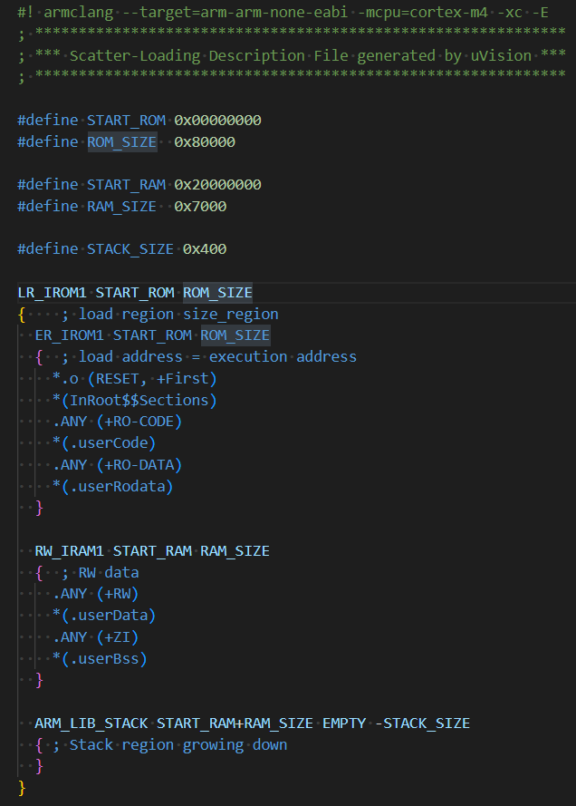
 | ROM (512KB) |  | RAM(28KB)
 | Unused |  | Stack

 |  |  | Unused

 |  |  | .userBss
 |  |  | .bss
 | .userData | Data copy | .userData
 | .data |  | .data | 0x20000000
 | .userRodata
 | .rodata
 | .userCode
 | .text
 | Reset vector | 0x00000000

