Rwater
deltaD_value | deltaD_sigma | 1000lnalpha | alpha | Rwater_value | Rwater_sigma | Rstander | category
355 | 49 | -320.1724 | 0.72602385977 | 2.91E-04 | 1.05E-05 | 1.56E-04 | CM
341 | 186 | -320.1724 | 0.72602385977 | 2.88E-04 | 3.99E-05 | 1.56E-04 | CM
307 | 157 | -320.1724 | 0.72602385977 | 2.80E-04 | 3.37E-05 | 1.56E-04 | CM
366 | 71 | -320.1724 | 0.72602385977 | 2.93E-04 | 1.52E-05 | 1.56E-04 | CM
866 | 60 | -320.1724 | 0.72602385977 | 4.00E-04 | 1.29E-05 | 1.56E-04 | CR
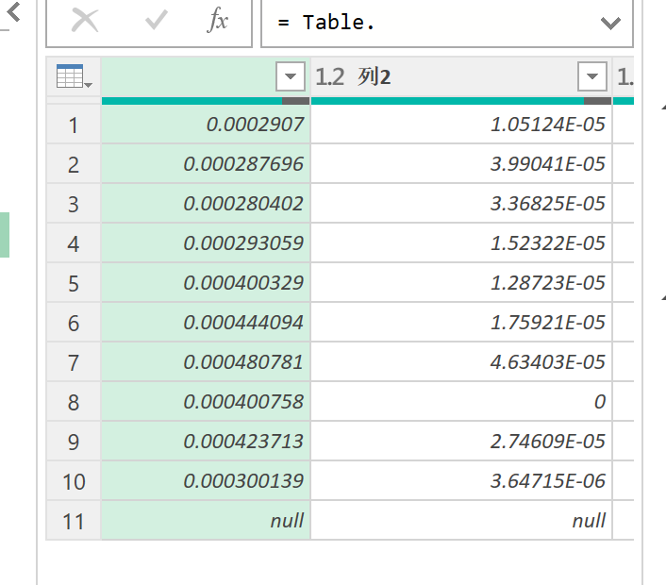
1070 | 82 | -320.1724 | 0.72602385977 | 4.44E-04 | 1.76E-05 | 1.56E-04 | CR
1241 | 216 | -320.1724 | 0.72602385977 | 4.81E-04 | 4.63E-05 | 1.56E-04 | CR
868 | 0 | -320.1724 | 0.72602385977 | 4.01E-04 | 0.00E+00 | 1.56E-04 | CR
975 | 128 | -320.1724 | 0.72602385977 | 4.24E-04 | 2.75E-05 | 1.56E-04 | CV
399 | 17 | -320.1724 | 0.72602385977 | 3.00E-04 | 3.65E-06 | 1.56E-04 | CR

