Sheet2
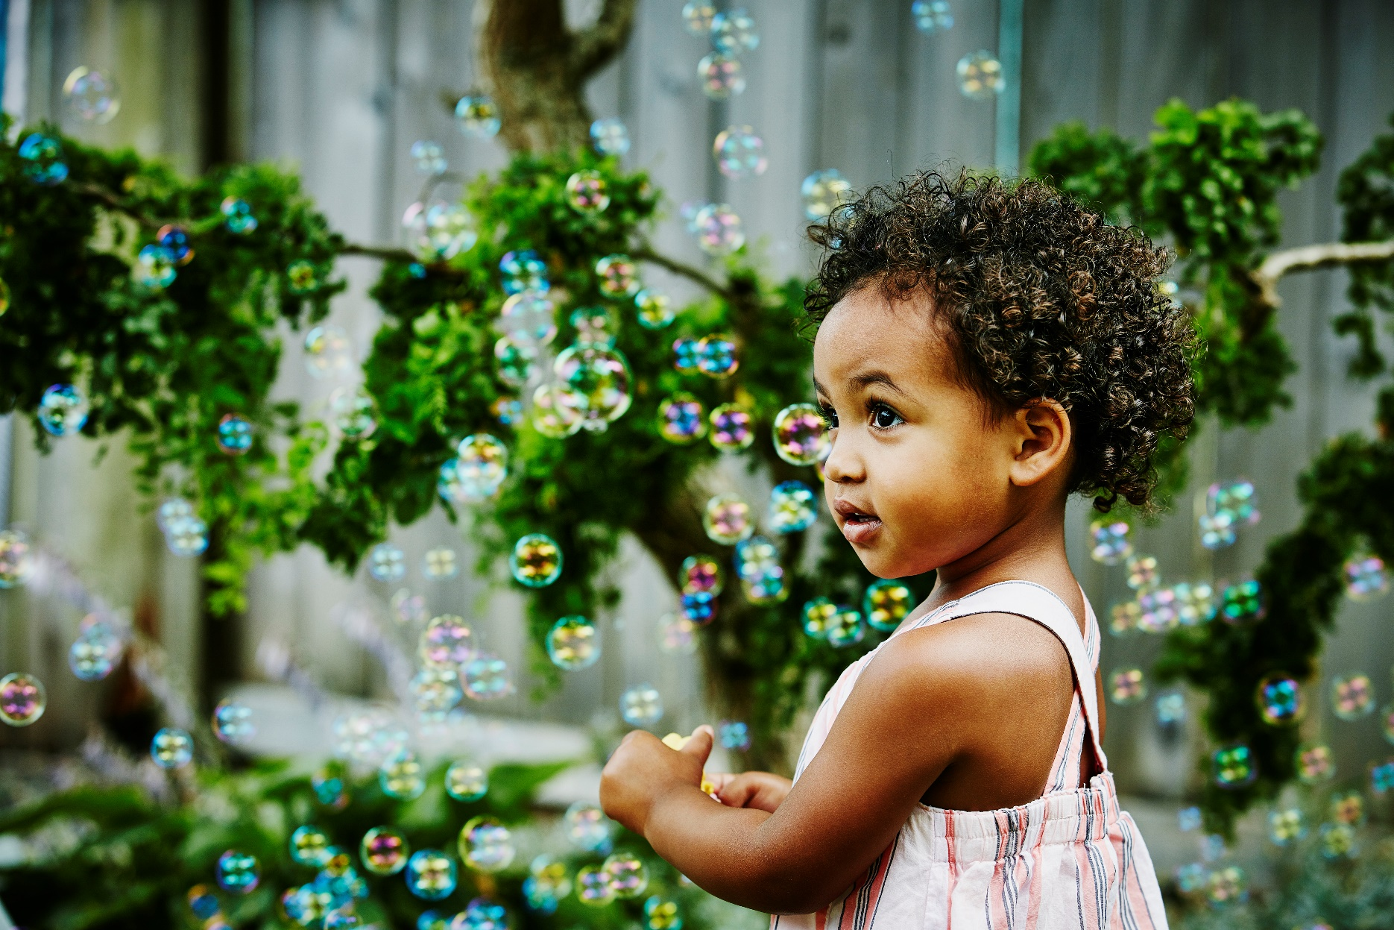
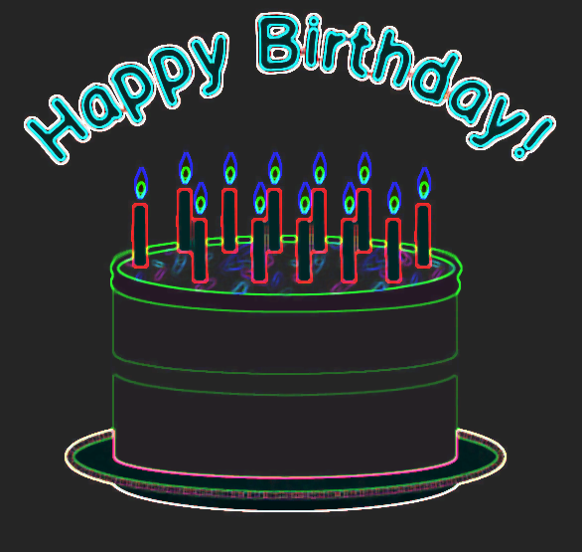

This Photo by Unknown Author is licensed under CC BY-NC

60
30

