notes
Supercritical CO<sub>2</sub>brayton cycle power generation development program and initial test results |  |  |  |  | Description and test results from a supercritical CO<sub>2</sub> brayton cycle development program
Compression test-loop
Modify compressor test-loop and convert to simple Brayton
Recompression cycle loop 250 kWe

Test reached conditions of | Angular speed | 65,000 | RPM
 | Mass flow | 9 | lb/s
 | Pressure ratio | 1.65
Wide range of density

Operation in several conditions
Liquid like region
Vapor like region
Near critical point
Above critical point
Inside two-phase region |  |  |  |  | Operation and analysis of a supercritical CO<sub>2</sub> Brayton cycle.
Choked region
Also in surge region
Tests done before June 2009 done by BNI

Main compressor design conditions
Mass flow | 3.500 | kg/s
Angular speed | 75,000.000 | RPM
Pressure ratio | 1.800
Compressor inlet pressure | 1,100.000 | psia | 75.842 | bar
Inlet temperature | 90.000 | degF | 32.222 | degC | Performance characteristics of an operating supercritical CO<sub>2</sub> Brayton cycle

Inlet conditions performance map
Critical pressue | 7,377.000 | kPa | 73.770 | bar
Critical temperature | 304.100 | K | 30.950 | degC

Performance map variations during tests
T_min | 304.300 | K | 31.150 | degC
T_max | 307.000 | K | 33.850 | degC
p_min | 77.000 | bar |  |  | Turbomachinery for supercritical CO<sub>2</sub> power cycles
p_max | 81.390 | bar

Reference conditions for the equivalent variables
T_ref | 305.372 | K | 32.222 | degC
P_ref | 76.879 | bar

The authors did not report the inlet conditions for each operating point
At least they reported the range of variation in inlet conditions
I have to check if the correction factors from actual-to-equivalent are very high for the range of inlet conditions for which the experiments where performend
This would introduce a significant uncertainty if the critical velocity correction factor changes the equivalent isentropic work significantly |  |  |  |  | Achievable efficiency and stability of supercritical CO<sub>2</sub> compression systems

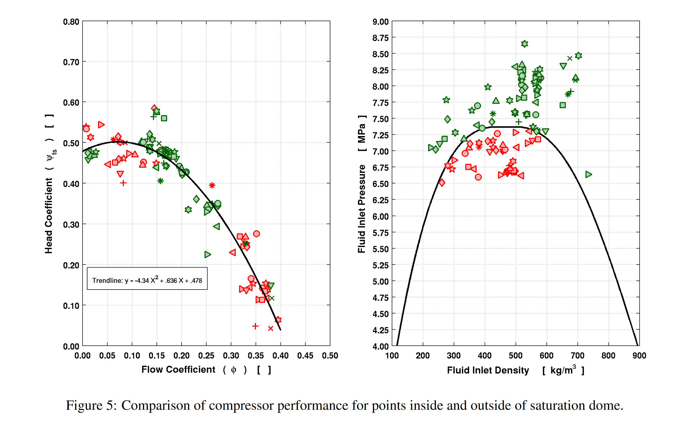
Indications about two-phase operation in Noall and Pasch 2014
Operation in the two-phase region only during startup while the fluid heats up and operation at low RPM

