notes
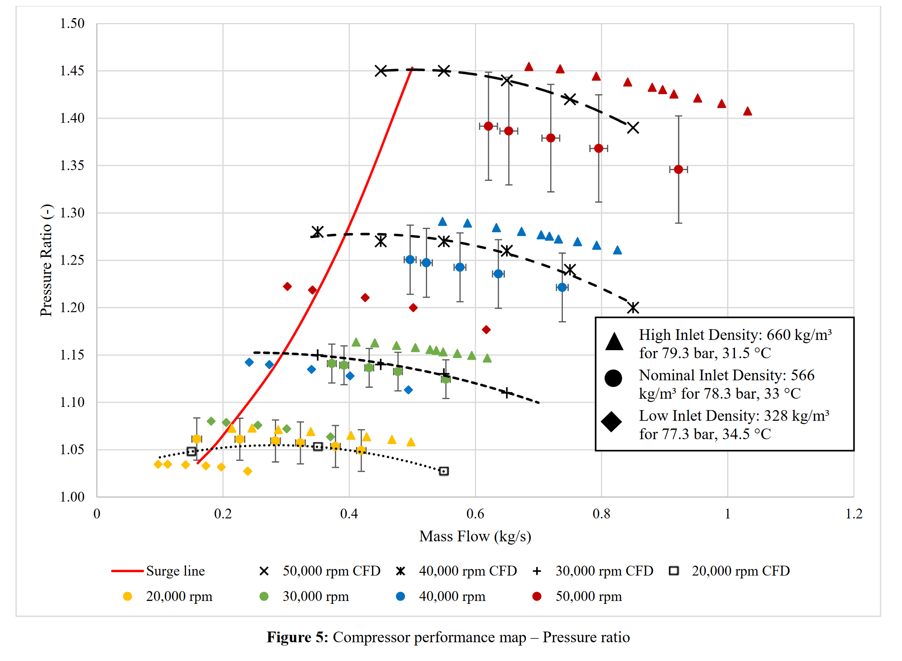
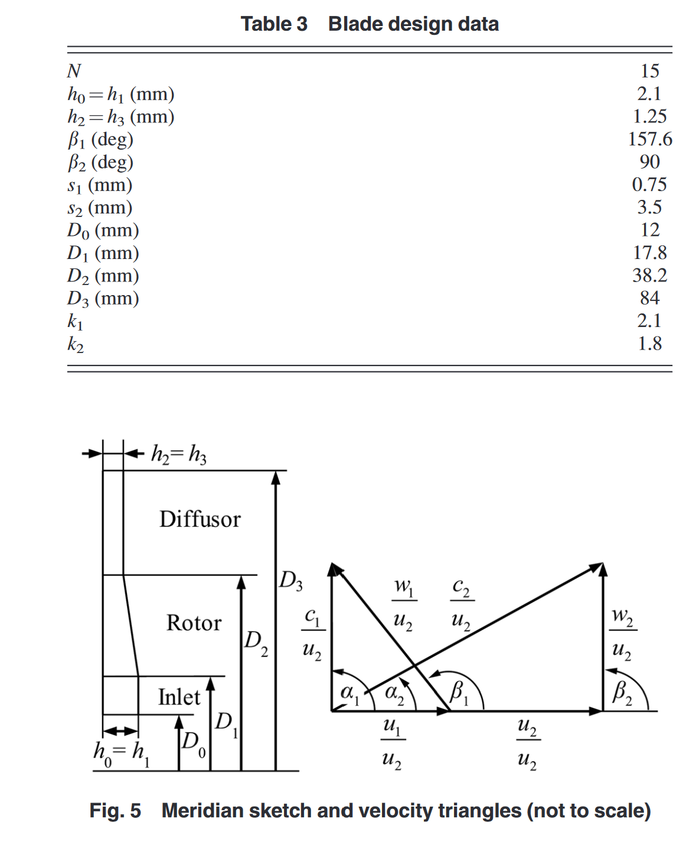
sCO2-HeRo
Paper reference | Schuster2016
Demonstrator reactor thermal power | 200 | kW
Demonstrator reactor max temperature | 200 | degC
Total inlet pressure | 78.3 | bar
Total inlet temperature | 33 | degC
Design speed | 50000 | rpm
Design mass flow | 0.65 | kg/s
Isentropic power | 5.046 | kW
Impeller outlet diameter | 40 | mm
Number of impelle blades | 22
Prismatic blades with purely radial impeller
Blade inlet angle can be estimated from figure
Blade height at inlet and outlet can be estimated from figure
Shape of meridional channel can be estimated from figure
Length of the vaneless diffuser is unknown
Shrouded impellers

Paper reference | Hacks2018_experimental
Compressor performance data digitized from figure
Tests only at several angular speeds | 30000 | RPM
Nominal mass flow | 0.65 | kg/s
Nominal outlet pressure | 117.5 | bar
Tested inlet conditions (high density) | 79.3 | bar
 | 31.5 | degC
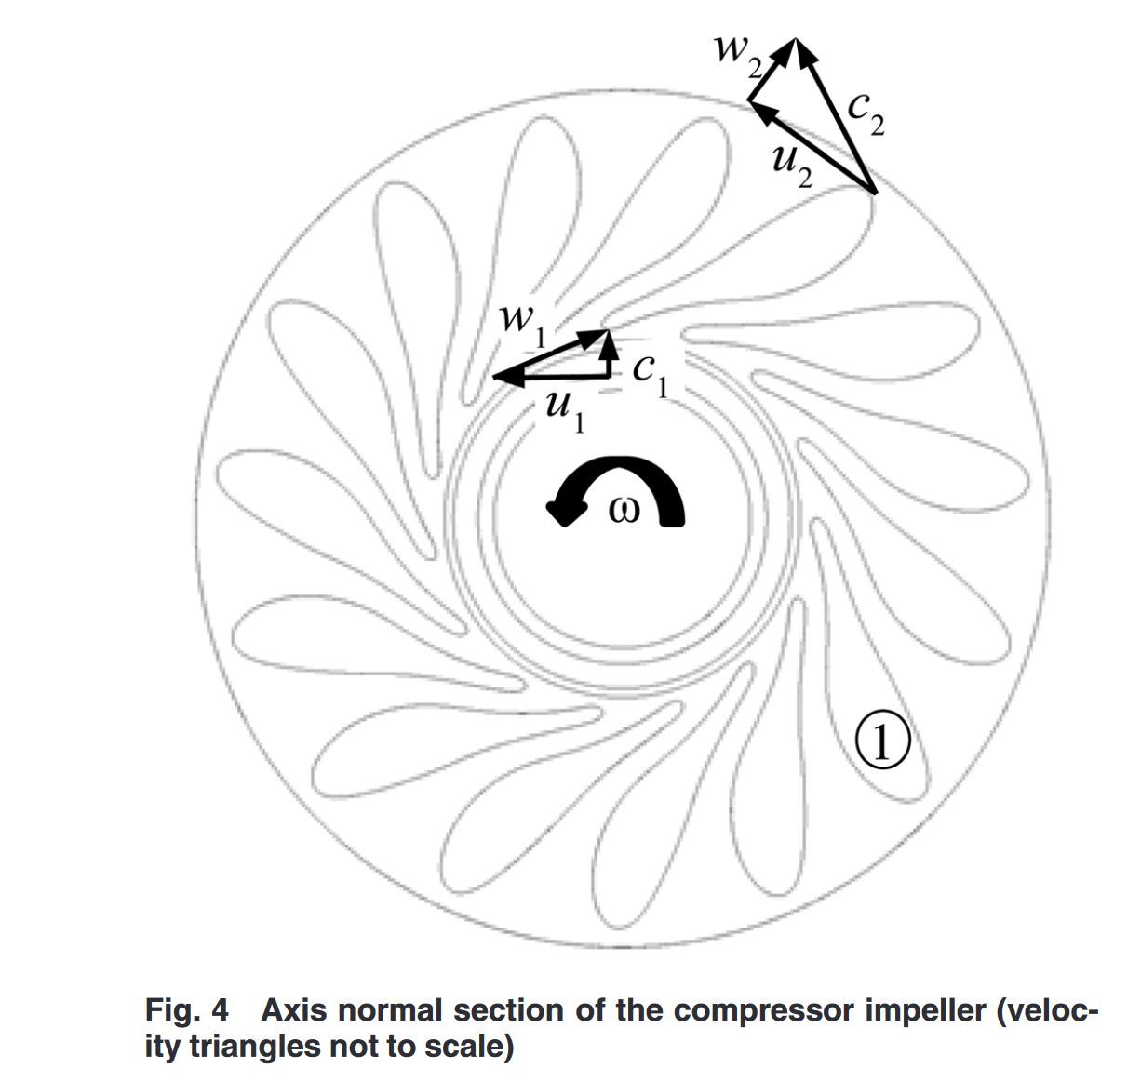
 | 660 | kg/m3

Tested inlet conditions (nominal density) | 78.3 | bar
 | 33 | degC
 | 566 | kg/m3

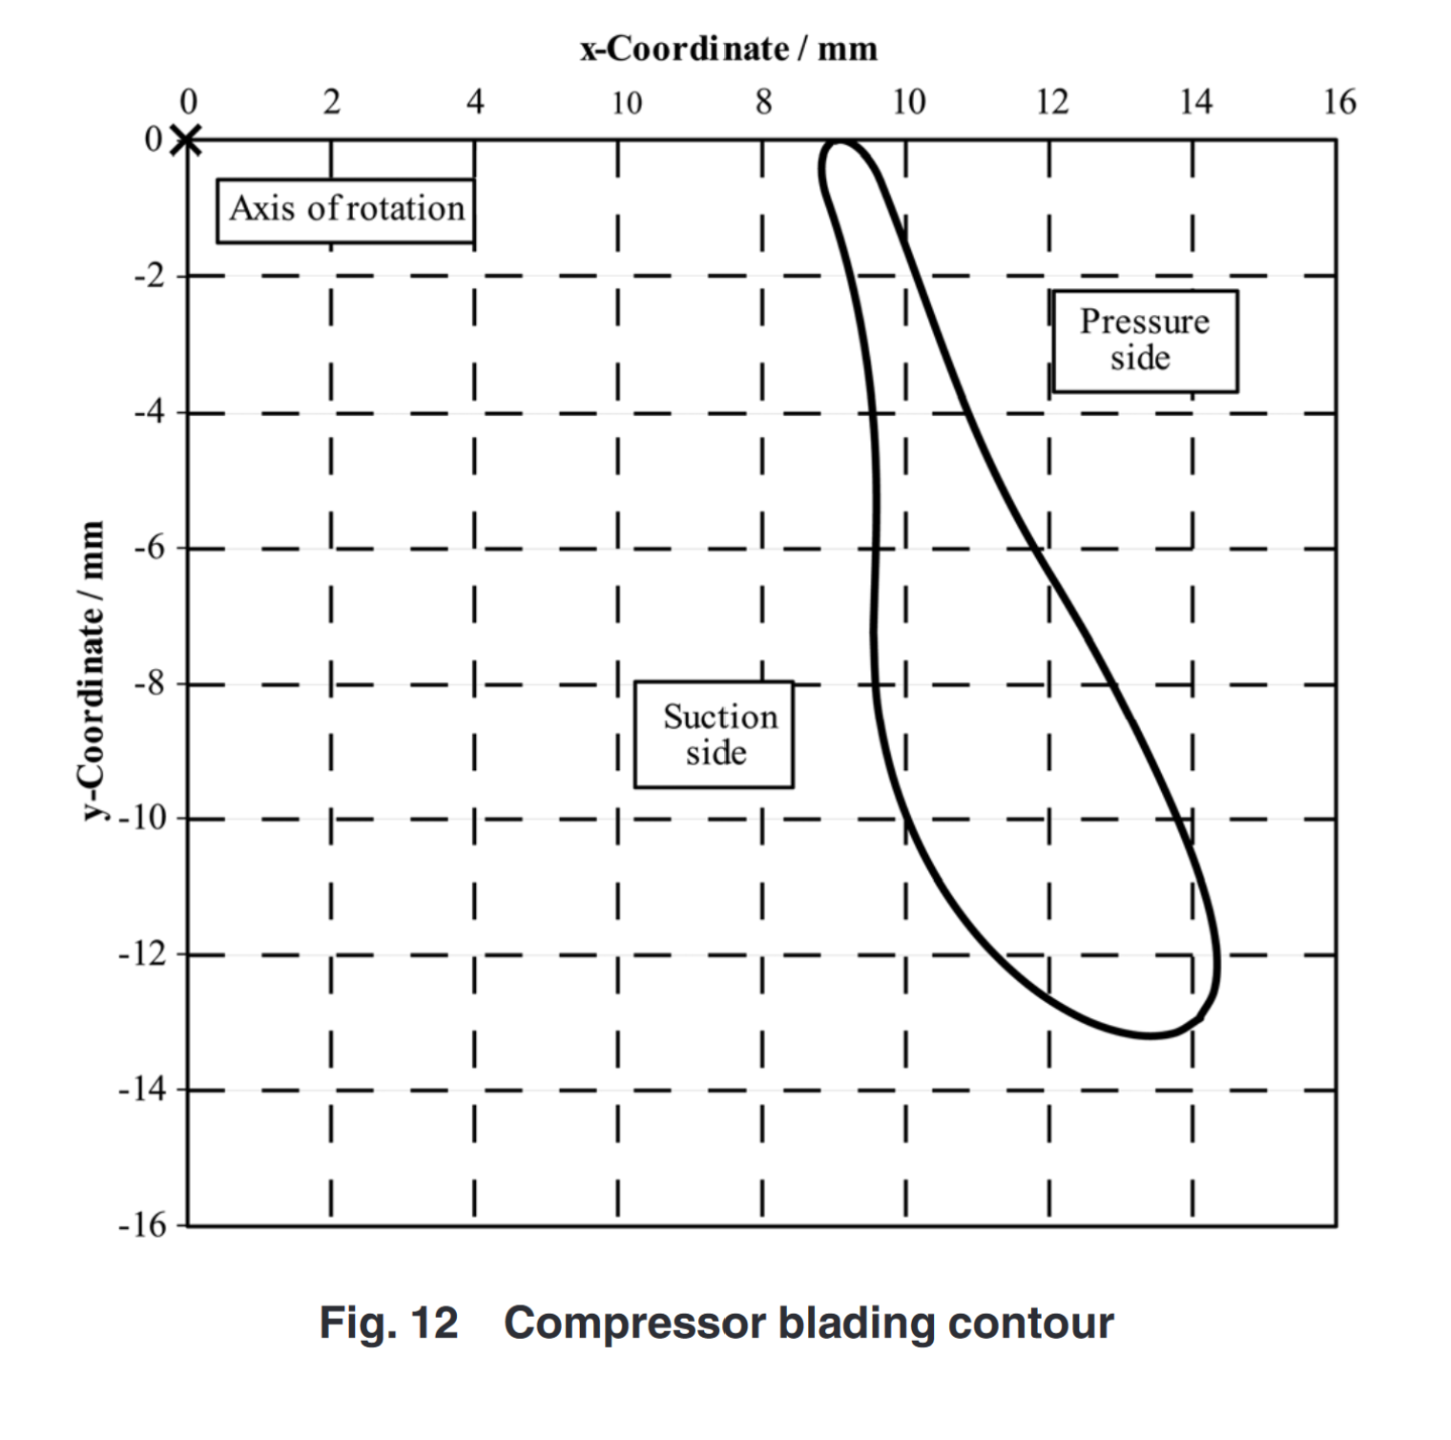
Tested inlet conditions (low density) | 77.3 | bar
 | 34.5 | degC
 | 328 | kg/m3

Paper reference | Hacks2018_design
Provides table with the detailed compressor
Blades of the impeller have complex shape
Coordinates provided as table
Full geometry of diffuser included
High friction losses in the diffuser due to high flow angle

