Clock_555
 |  | IC | 0.6
 |  | hFE | 10000
 |  | IB | 6.00E-05

 |  | VCC | 5
 |  | VBE | 1.5
 |  | RB | 5.83E+04 | 56 k

Timer 555 - Gerador de Clock
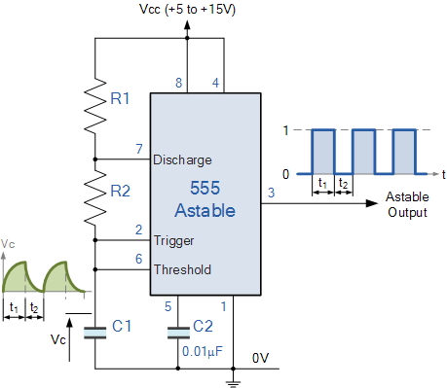
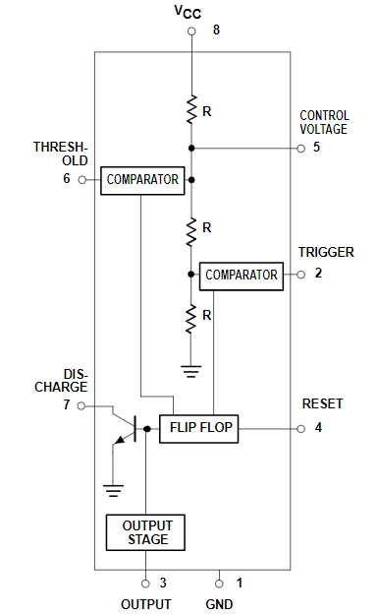
R1 | 1000 | 1000
R2 | 10000 | 10000
C | 7.22E-08 | 1.00E-04

T2 | 5.00E-04 | 6.93E-01
T1 | 5.50E-04 | 7.62E-01

Clock_NOT_logic
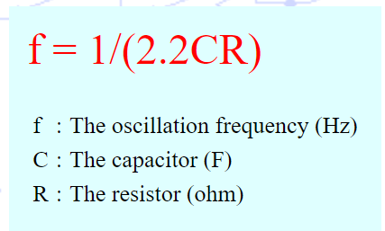
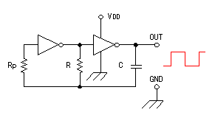

f | 454.54545455
C | 1.00E-06
R | 1.00E+03

