LevelP Previews
Level Number | Level ID | Preview
10 | LevelP_00010 | 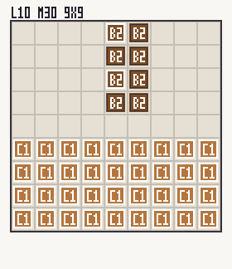
20 | LevelP_00020 | 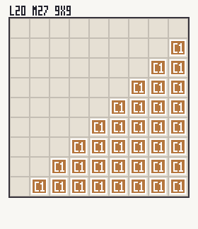
30 | LevelP_00030 | 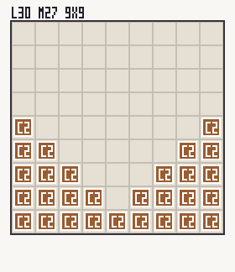
40 | LevelP_00040 | 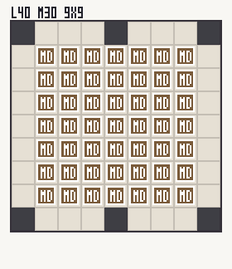
50 | LevelP_00050 | 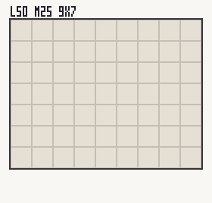
60 | LevelP_00060 | 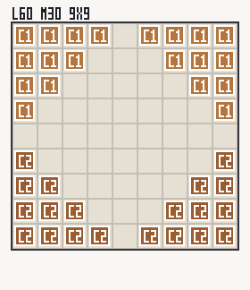
70 | LevelP_00070 | 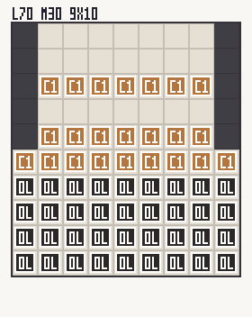
80 | LevelP_00080 | 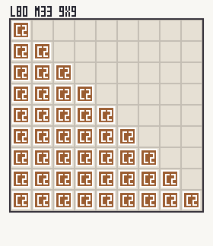
90 | LevelP_00090 | 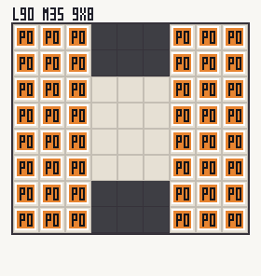
100 | LevelP_00100 | 
110 | LevelP_00110 | 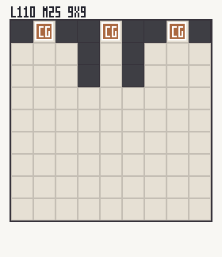
120 | LevelP_00120 | 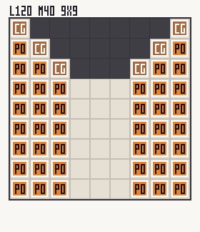
130 | LevelP_00130 | 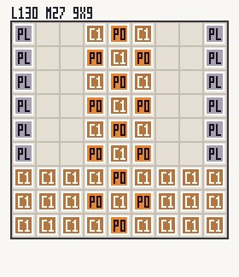
140 | LevelP_00140 | 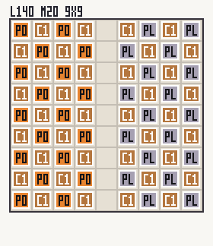
150 | LevelP_00150 | 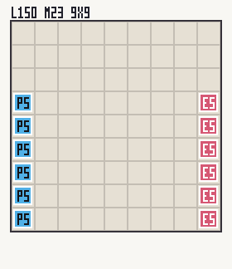
160 | LevelP_00160 | 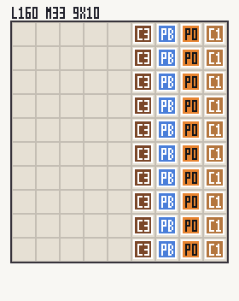
170 | LevelP_00170 | 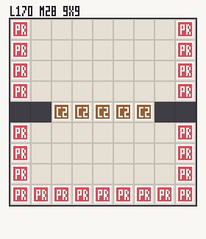
173 | LevelP_00173 | 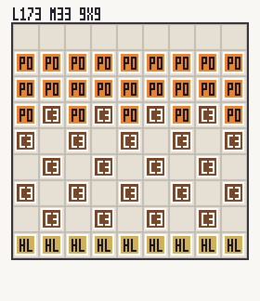
180 | LevelP_00180 | 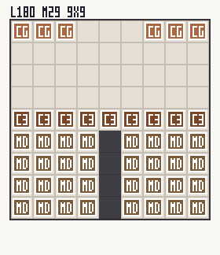
190 | LevelP_00190 | 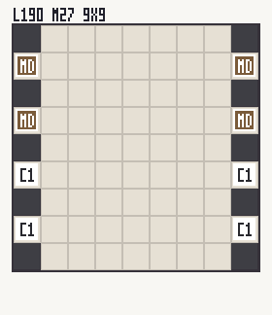
200 | LevelP_00200 | 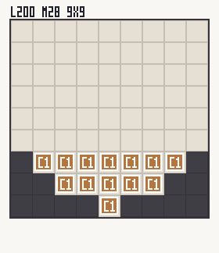
210 | LevelP_00210 | 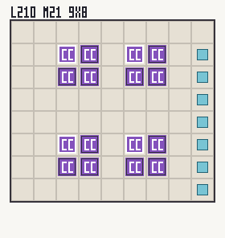
220 | LevelP_00220 | 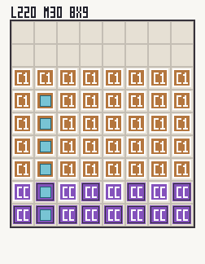
230 | LevelP_00230 | 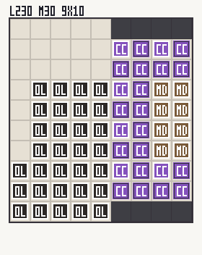
240 | LevelP_00240 | 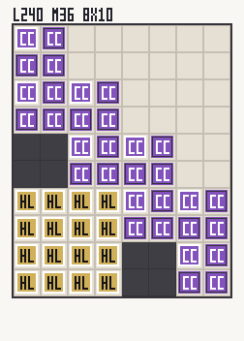
250 | LevelP_00250 | 
260 | LevelP_00260 | 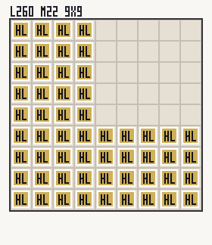
270 | LevelP_00270 | 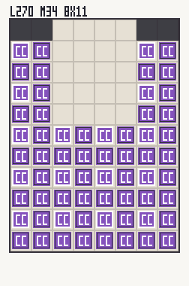
280 | LevelP_00280 | 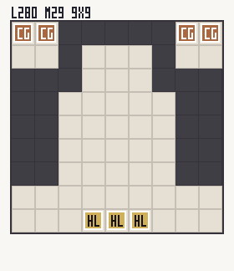
290 | LevelP_00290 | 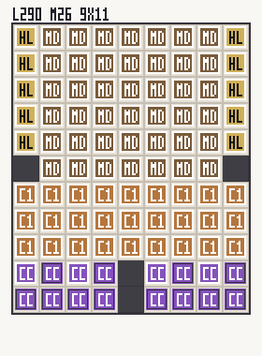
300 | LevelP_00300 | 
310 | LevelP_00310 | 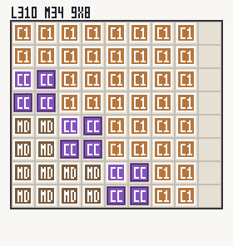
320 | LevelP_00320 | 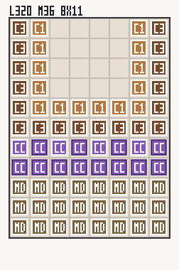
330 | LevelP_00330 | 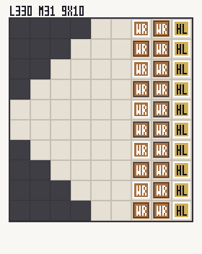
340 | LevelP_00340 | 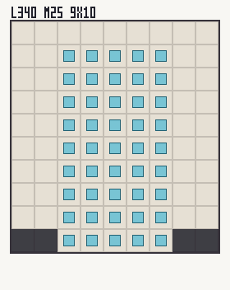
350 | LevelP_00350 | 
360 | LevelP_00360 | 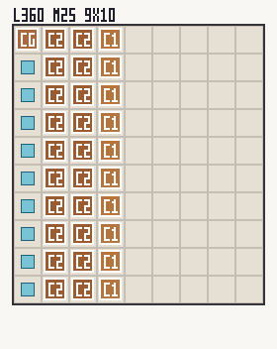
370 | LevelP_00370 | 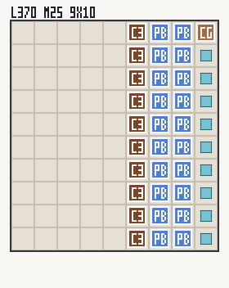
380 | LevelP_00380 | 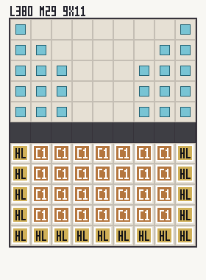
400 | LevelP_00400 | 
410 | LevelP_00410 | 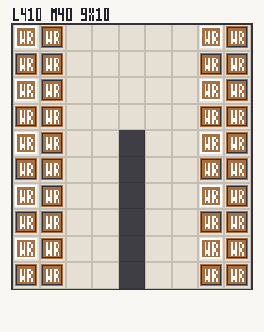
420 | LevelP_00420 | 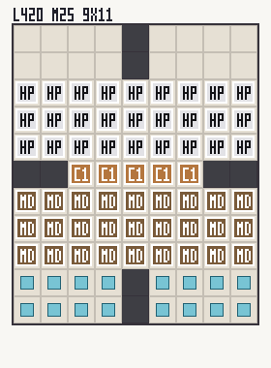
430 | LevelP_00430 | 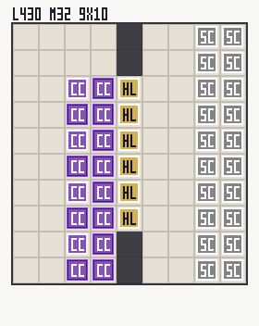
440 | LevelP_00440 | 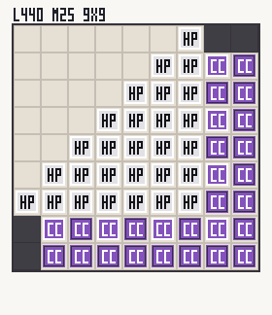
460 | LevelP_00460 | 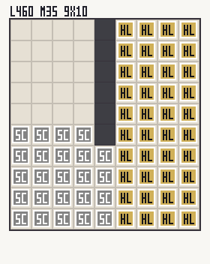
470 | LevelP_00470 | 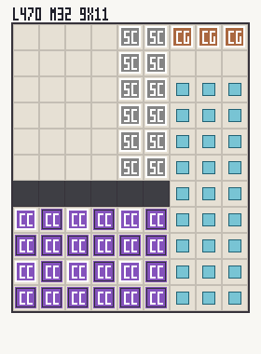
480 | LevelP_00480 | 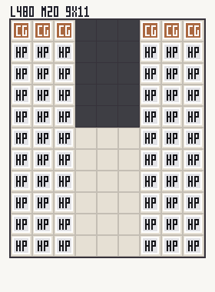
490 | LevelP_00490 | 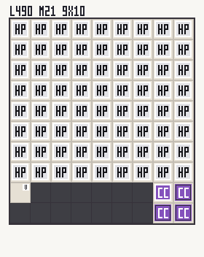
510 | LevelP_00510 | 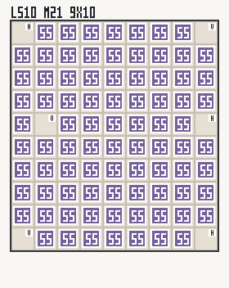
520 | LevelP_00520 | 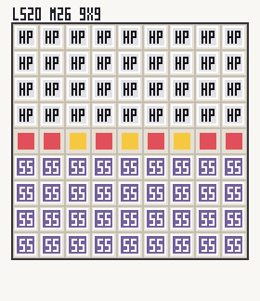
530 | LevelP_00530 | 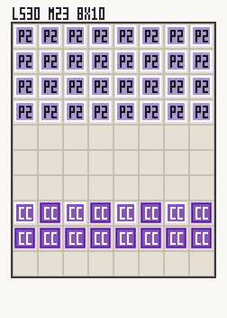
540 | LevelP_00540 | 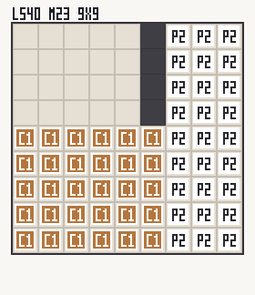
560 | LevelP_00560 | 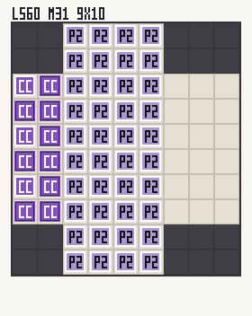
570 | LevelP_00570 | 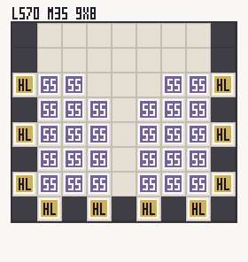
580 | LevelP_00580 | 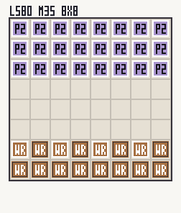
590 | LevelP_00590 | 
610 | LevelP_00610 | 
620 | LevelP_00620 | 
630 | LevelP_00630 | 
640 | LevelP_00640 | 
660 | LevelP_00660 | 
690 | LevelP_00690 | 
710 | LevelP_00710 | 
720 | LevelP_00720 | 

