Sheet1
==========================================================================================
Layer (type:depth-idx) Output Shape Param #
==========================================================================================
ddstgcn [64, 12, 307, 1] 25,794
├─BatchNorm2d: 1-1 [64, 1, 307, 13] --
├─Conv2d: 1-2 [64, 40, 307, 13] 80
├─ModuleList: 1-33 -- (recursive)
│ └─Conv2d: 2-1 [64, 40, 645, 11] 6,520
├─ModuleList: 1-34 -- (recursive)
│ └─Conv2d: 2-2 [64, 40, 645, 11] 6,520
├─ModuleList: 1-35 -- (recursive)
│ └─spatial_attention: 2-3 [64, 645, 40] 1,626
│ │ └─Conv2d: 3-1 [64, 40, 645, 1] 1,640
├─ModuleList: 1-36 -- (recursive)
│ └─spatial_attention: 2-4 [64, 645, 40] 1,626
│ │ └─Conv2d: 3-2 [64, 40, 645, 1] 1,640
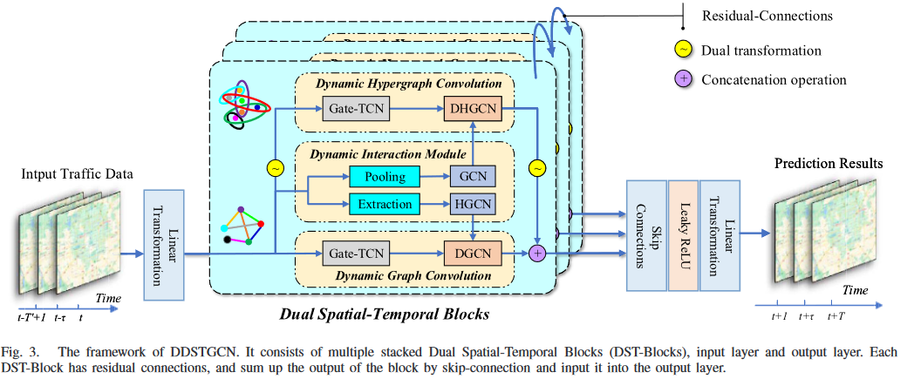
├─ModuleList: 1-37 -- (recursive)
│ └─hgcn_edge_At: 2-5 [64, 1, 645, 1] --
│ │ └─nconv: 3-3 [64, 40, 645, 1] --
│ │ └─linear: 3-4 [64, 1, 645, 1] 81
├─ModuleList: 1-38 -- (recursive)
│ └─hgcn_edge_At: 2-6 [64, 1, 645, 1] --
│ │ └─nconv: 3-5 [64, 40, 645, 1] --
│ │ └─linear: 3-6 [64, 1, 645, 1] 81
├─ModuleList: 1-39 -- (recursive)
│ └─Conv2d: 2-7 [64, 40, 307, 11] 3,240
├─ModuleList: 1-40 -- (recursive)
│ └─Conv2d: 2-8 [64, 40, 307, 11] 3,240
├─ModuleList: 1-41 -- (recursive)
│ └─dgcn: 2-9 [64, 20, 307, 9] --
│ │ └─d_nconv: 3-7 [64, 40, 307, 11] --
│ │ └─d_nconv: 3-8 [64, 40, 307, 11] --
│ │ └─d_nconv: 3-9 [64, 40, 307, 11] --
│ │ └─d_nconv: 3-10 [64, 40, 307, 11] --
│ │ └─d_nconv: 3-11 [64, 40, 307, 11] --
│ │ └─d_nconv: 3-12 [64, 40, 307, 11] --
│ │ └─linear_: 3-13 [64, 20, 307, 9] 11,220
├─ModuleList: 1-42 -- (recursive)
│ └─BatchNorm2d: 2-10 [64, 20, 307, 9] 40
├─ModuleList: 1-43 -- (recursive)
│ └─gcn: 2-11 [1, 1, 307, 64] --
│ │ └─nconv: 3-14 [1, 40, 307, 64] --
│ │ └─nconv: 3-15 [1, 40, 307, 64] --
│ │ └─linear: 3-16 [1, 1, 307, 64] 121
├─ModuleList: 1-44 -- (recursive)
│ └─dhgcn: 2-12 [64, 20, 645, 9] --
│ │ └─d_nconv: 3-17 [64, 40, 645, 11] --
│ │ └─d_nconv: 3-18 [64, 40, 645, 11] --
│ │ └─linear_: 3-19 [64, 20, 645, 9] 4,820
├─ModuleList: 1-45 -- (recursive)
│ └─BatchNorm2d: 2-13 [64, 20, 645, 9] 40
├─ModuleList: 1-46 -- (recursive)
│ └─BatchNorm2d: 2-14 [64, 40, 307, 9] 80
├─ModuleList: 1-47 -- (recursive)
│ └─Conv2d: 2-15 [64, 320, 307, 9] 13,120
├─ModuleList: 1-33 -- (recursive)
│ └─Conv2d: 2-16 [64, 40, 645, 7] 6,520
├─ModuleList: 1-34 -- (recursive)
│ └─Conv2d: 2-17 [64, 40, 645, 7] 6,520
├─ModuleList: 1-35 -- (recursive)
│ └─spatial_attention: 2-18 [64, 645, 40] 1,618
│ │ └─Conv2d: 3-20 [64, 40, 645, 1] 1,640
├─ModuleList: 1-36 -- (recursive)
│ └─spatial_attention: 2-19 [64, 645, 40] 1,618
│ │ └─Conv2d: 3-21 [64, 40, 645, 1] 1,640
├─ModuleList: 1-37 -- (recursive)
│ └─hgcn_edge_At: 2-20 [64, 1, 645, 1] --
│ │ └─nconv: 3-22 [64, 40, 645, 1] --
│ │ └─linear: 3-23 [64, 1, 645, 1] 81
├─ModuleList: 1-38 -- (recursive)
│ └─hgcn_edge_At: 2-21 [64, 1, 645, 1] --
│ │ └─nconv: 3-24 [64, 40, 645, 1] --
│ │ └─linear: 3-25 [64, 1, 645, 1] 81
├─ModuleList: 1-39 -- (recursive)
│ └─Conv2d: 2-22 [64, 40, 307, 7] 3,240
├─ModuleList: 1-40 -- (recursive)
│ └─Conv2d: 2-23 [64, 40, 307, 7] 3,240
├─ModuleList: 1-41 -- (recursive)
│ └─dgcn: 2-24 [64, 20, 307, 5] --
│ │ └─d_nconv: 3-26 [64, 40, 307, 7] --
│ │ └─d_nconv: 3-27 [64, 40, 307, 7] --
│ │ └─d_nconv: 3-28 [64, 40, 307, 7] --
│ │ └─d_nconv: 3-29 [64, 40, 307, 7] --
│ │ └─d_nconv: 3-30 [64, 40, 307, 7] --
│ │ └─d_nconv: 3-31 [64, 40, 307, 7] --
│ │ └─linear_: 3-32 [64, 20, 307, 5] 11,220
├─ModuleList: 1-42 -- (recursive)
│ └─BatchNorm2d: 2-25 [64, 20, 307, 5] 40
├─ModuleList: 1-43 -- (recursive)
│ └─gcn: 2-26 [1, 1, 307, 64] --
│ │ └─nconv: 3-33 [1, 40, 307, 64] --
│ │ └─nconv: 3-34 [1, 40, 307, 64] --
│ │ └─linear: 3-35 [1, 1, 307, 64] 121
├─ModuleList: 1-44 -- (recursive)
│ └─dhgcn: 2-27 [64, 20, 645, 5] --
│ │ └─d_nconv: 3-36 [64, 40, 645, 7] --
│ │ └─d_nconv: 3-37 [64, 40, 645, 7] --
│ │ └─linear_: 3-38 [64, 20, 645, 5] 4,820
├─ModuleList: 1-45 -- (recursive)
│ └─BatchNorm2d: 2-28 [64, 20, 645, 5] 40
├─ModuleList: 1-46 -- (recursive)
│ └─BatchNorm2d: 2-29 [64, 40, 307, 5] 80
├─ModuleList: 1-47 -- (recursive)
│ └─Conv2d: 2-30 [64, 320, 307, 5] 13,120
├─ModuleList: 1-33 -- (recursive)
│ └─Conv2d: 2-31 [64, 40, 645, 3] 6,520
├─ModuleList: 1-34 -- (recursive)
│ └─Conv2d: 2-32 [64, 40, 645, 3] 6,520
├─ModuleList: 1-35 -- (recursive)
│ └─spatial_attention: 2-33 [64, 645, 40] 1,610
│ │ └─Conv2d: 3-39 [64, 40, 645, 1] 1,640
├─ModuleList: 1-36 -- (recursive)
│ └─spatial_attention: 2-34 [64, 645, 40] 1,610
│ │ └─Conv2d: 3-40 [64, 40, 645, 1] 1,640
├─ModuleList: 1-37 -- (recursive)
│ └─hgcn_edge_At: 2-35 [64, 1, 645, 1] --
│ │ └─nconv: 3-41 [64, 40, 645, 1] --
│ │ └─linear: 3-42 [64, 1, 645, 1] 81
├─ModuleList: 1-38 -- (recursive)
│ └─hgcn_edge_At: 2-36 [64, 1, 645, 1] --
│ │ └─nconv: 3-43 [64, 40, 645, 1] --
│ │ └─linear: 3-44 [64, 1, 645, 1] 81
├─ModuleList: 1-39 -- (recursive)
│ └─Conv2d: 2-37 [64, 40, 307, 3] 3,240
├─ModuleList: 1-40 -- (recursive)
│ └─Conv2d: 2-38 [64, 40, 307, 3] 3,240
├─ModuleList: 1-41 -- (recursive)
│ └─dgcn: 2-39 [64, 20, 307, 1] --
│ │ └─d_nconv: 3-45 [64, 40, 307, 3] --
│ │ └─d_nconv: 3-46 [64, 40, 307, 3] --
│ │ └─d_nconv: 3-47 [64, 40, 307, 3] --
│ │ └─d_nconv: 3-48 [64, 40, 307, 3] --
│ │ └─d_nconv: 3-49 [64, 40, 307, 3] --
│ │ └─d_nconv: 3-50 [64, 40, 307, 3] --
│ │ └─linear_: 3-51 [64, 20, 307, 1] 11,220
├─ModuleList: 1-42 -- (recursive)
│ └─BatchNorm2d: 2-40 [64, 20, 307, 1] 40
├─ModuleList: 1-43 -- (recursive)
│ └─gcn: 2-41 [1, 1, 307, 64] --
│ │ └─nconv: 3-52 [1, 40, 307, 64] --
│ │ └─nconv: 3-53 [1, 40, 307, 64] --
│ │ └─linear: 3-54 [1, 1, 307, 64] 121
├─ModuleList: 1-44 -- (recursive)
│ └─dhgcn: 2-42 [64, 20, 645, 1] --
│ │ └─d_nconv: 3-55 [64, 40, 645, 3] --
│ │ └─d_nconv: 3-56 [64, 40, 645, 3] --
│ │ └─linear_: 3-57 [64, 20, 645, 1] 4,820
├─ModuleList: 1-45 -- (recursive)
│ └─BatchNorm2d: 2-43 [64, 20, 645, 1] 40
├─ModuleList: 1-46 -- (recursive)
│ └─BatchNorm2d: 2-44 [64, 40, 307, 1] 80
├─ModuleList: 1-47 -- (recursive)
│ └─Conv2d: 2-45 [64, 320, 307, 1] 13,120
├─Conv2d: 1-48 [64, 640, 307, 1] 205,440
├─Conv2d: 1-49 [64, 12, 307, 1] 7,692
==========================================================================================
Total params: 405,923
Trainable params: 405,923
Non-trainable params: 0
Total mult-adds (G): 28.78
==========================================================================================
Input size (MB): 1.02
Forward/backward pass size (MB): 2226.05
Params size (MB): 1.48
Estimated Total Size (MB): 2228.55

