Sheet1
=========================================================================================================
Layer (type:depth-idx) Output Shape Param #
=========================================================================================================
mra_bgcn [32, 12, 170, 1] --
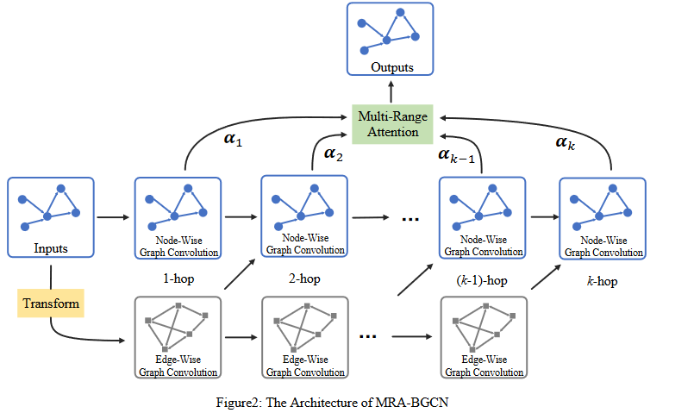
├─EncoderModel: 1-1 [32, 10880] --
│ └─ModuleList: 2-12 -- (recursive)
│ │ └─bgcgru: 3-1 [32, 10880] 169,472
│ │ └─bgcgru: 3-2 [32, 10880] 193,664
├─EncoderModel: 1-2 [32, 10880] (recursive)
│ └─ModuleList: 2-12 -- (recursive)
│ │ └─bgcgru: 3-3 [32, 10880] (recursive)
│ │ └─bgcgru: 3-4 [32, 10880] (recursive)
├─EncoderModel: 1-3 [32, 10880] (recursive)
│ └─ModuleList: 2-12 -- (recursive)
│ │ └─bgcgru: 3-5 [32, 10880] (recursive)
│ │ └─bgcgru: 3-6 [32, 10880] (recursive)
├─EncoderModel: 1-4 [32, 10880] (recursive)
│ └─ModuleList: 2-12 -- (recursive)
│ │ └─bgcgru: 3-7 [32, 10880] (recursive)
│ │ └─bgcgru: 3-8 [32, 10880] (recursive)
├─EncoderModel: 1-5 [32, 10880] (recursive)
│ └─ModuleList: 2-12 -- (recursive)
│ │ └─bgcgru: 3-9 [32, 10880] (recursive)
│ │ └─bgcgru: 3-10 [32, 10880] (recursive)
├─EncoderModel: 1-6 [32, 10880] (recursive)
│ └─ModuleList: 2-12 -- (recursive)
│ │ └─bgcgru: 3-11 [32, 10880] (recursive)
│ │ └─bgcgru: 3-12 [32, 10880] (recursive)
├─EncoderModel: 1-7 [32, 10880] (recursive)
│ └─ModuleList: 2-12 -- (recursive)
│ │ └─bgcgru: 3-13 [32, 10880] (recursive)
│ │ └─bgcgru: 3-14 [32, 10880] (recursive)
├─EncoderModel: 1-8 [32, 10880] (recursive)
│ └─ModuleList: 2-12 -- (recursive)
│ │ └─bgcgru: 3-15 [32, 10880] (recursive)
│ │ └─bgcgru: 3-16 [32, 10880] (recursive)
├─EncoderModel: 1-9 [32, 10880] (recursive)
│ └─ModuleList: 2-12 -- (recursive)
│ │ └─bgcgru: 3-17 [32, 10880] (recursive)
│ │ └─bgcgru: 3-18 [32, 10880] (recursive)
├─EncoderModel: 1-10 [32, 10880] (recursive)
│ └─ModuleList: 2-12 -- (recursive)
│ │ └─bgcgru: 3-19 [32, 10880] (recursive)
│ │ └─bgcgru: 3-20 [32, 10880] (recursive)
├─EncoderModel: 1-11 [32, 10880] (recursive)
│ └─ModuleList: 2-12 -- (recursive)
│ │ └─bgcgru: 3-21 [32, 10880] (recursive)
│ │ └─bgcgru: 3-22 [32, 10880] (recursive)
├─EncoderModel: 1-12 [32, 10880] (recursive)
│ └─ModuleList: 2-12 -- (recursive)
│ │ └─bgcgru: 3-23 [32, 10880] (recursive)
│ │ └─bgcgru: 3-24 [32, 10880] (recursive)
├─DecoderModel: 1-13 [32, 170] --
│ └─ModuleList: 2-35 -- (recursive)
│ │ └─bgcgru: 3-25 [32, 10880] 169,472
│ │ └─bgcgru: 3-26 [32, 10880] 193,664
│ └─Linear: 2-14 [5440, 1] 65
├─DecoderModel: 1-14 [32, 170] (recursive)
│ └─ModuleList: 2-35 -- (recursive)
│ │ └─bgcgru: 3-27 [32, 10880] (recursive)
│ │ └─bgcgru: 3-28 [32, 10880] (recursive)
│ └─Linear: 2-16 [5440, 1] (recursive)
├─DecoderModel: 1-15 [32, 170] (recursive)
│ └─ModuleList: 2-35 -- (recursive)
│ │ └─bgcgru: 3-29 [32, 10880] (recursive)
│ │ └─bgcgru: 3-30 [32, 10880] (recursive)
│ └─Linear: 2-18 [5440, 1] (recursive)
├─DecoderModel: 1-16 [32, 170] (recursive)
│ └─ModuleList: 2-35 -- (recursive)
│ │ └─bgcgru: 3-31 [32, 10880] (recursive)
│ │ └─bgcgru: 3-32 [32, 10880] (recursive)
│ └─Linear: 2-20 [5440, 1] (recursive)
├─DecoderModel: 1-17 [32, 170] (recursive)
│ └─ModuleList: 2-35 -- (recursive)
│ │ └─bgcgru: 3-33 [32, 10880] (recursive)
│ │ └─bgcgru: 3-34 [32, 10880] (recursive)
│ └─Linear: 2-22 [5440, 1] (recursive)
├─DecoderModel: 1-18 [32, 170] (recursive)
│ └─ModuleList: 2-35 -- (recursive)
│ │ └─bgcgru: 3-35 [32, 10880] (recursive)
│ │ └─bgcgru: 3-36 [32, 10880] (recursive)
│ └─Linear: 2-24 [5440, 1] (recursive)
├─DecoderModel: 1-19 [32, 170] (recursive)
│ └─ModuleList: 2-35 -- (recursive)
│ │ └─bgcgru: 3-37 [32, 10880] (recursive)
│ │ └─bgcgru: 3-38 [32, 10880] (recursive)
│ └─Linear: 2-26 [5440, 1] (recursive)
├─DecoderModel: 1-20 [32, 170] (recursive)
│ └─ModuleList: 2-35 -- (recursive)
│ │ └─bgcgru: 3-39 [32, 10880] (recursive)
│ │ └─bgcgru: 3-40 [32, 10880] (recursive)
│ └─Linear: 2-28 [5440, 1] (recursive)
├─DecoderModel: 1-21 [32, 170] (recursive)
│ └─ModuleList: 2-35 -- (recursive)
│ │ └─bgcgru: 3-41 [32, 10880] (recursive)
│ │ └─bgcgru: 3-42 [32, 10880] (recursive)
│ └─Linear: 2-30 [5440, 1] (recursive)
├─DecoderModel: 1-22 [32, 170] (recursive)
│ └─ModuleList: 2-35 -- (recursive)
│ │ └─bgcgru: 3-43 [32, 10880] (recursive)
│ │ └─bgcgru: 3-44 [32, 10880] (recursive)
│ └─Linear: 2-32 [5440, 1] (recursive)
├─DecoderModel: 1-23 [32, 170] (recursive)
│ └─ModuleList: 2-35 -- (recursive)
│ │ └─bgcgru: 3-45 [32, 10880] (recursive)
│ │ └─bgcgru: 3-46 [32, 10880] (recursive)
│ └─Linear: 2-34 [5440, 1] (recursive)
├─DecoderModel: 1-24 [32, 170] (recursive)
│ └─ModuleList: 2-35 -- (recursive)
│ │ └─bgcgru: 3-47 [32, 10880] (recursive)
│ │ └─bgcgru: 3-48 [32, 10880] (recursive)
│ └─Linear: 2-36 [5440, 1] (recursive)
=========================================================================================================
Total params: 726,337
Trainable params: 726,337
Non-trainable params: 0
Total mult-adds (G): 43.91
=========================================================================================================
Input size (MB): 0.60
Forward/backward pass size (MB): 2907.17
Params size (MB): 2.61
Estimated Total Size (MB): 2910.39
=========================================================================================================

