Sheet1
==========================================================================================
Layer (type:depth-idx) Output Shape Param #
==========================================================================================
MegaCRN [64, 12, 307, 1] 17,656
├─ADCRNN_Encoder: 1-1 [64, 12, 307, 64] --
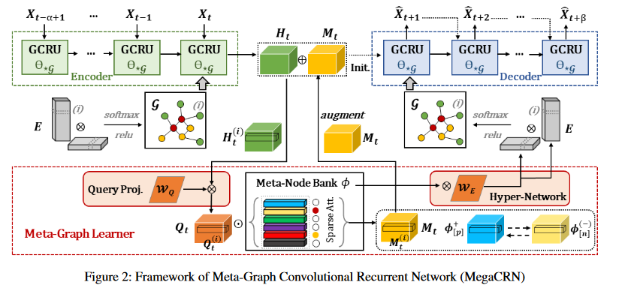
│ └─ModuleList: 2-1 -- --
│ │ └─AGCRNCell: 3-1 [64, 307, 64] 75,072
│ │ └─AGCRNCell: 3-2 [64, 307, 64] (recursive)
│ │ └─AGCRNCell: 3-3 [64, 307, 64] (recursive)
│ │ └─AGCRNCell: 3-4 [64, 307, 64] (recursive)
│ │ └─AGCRNCell: 3-5 [64, 307, 64] (recursive)
│ │ └─AGCRNCell: 3-6 [64, 307, 64] (recursive)
│ │ └─AGCRNCell: 3-7 [64, 307, 64] (recursive)
│ │ └─AGCRNCell: 3-8 [64, 307, 64] (recursive)
│ │ └─AGCRNCell: 3-9 [64, 307, 64] (recursive)
│ │ └─AGCRNCell: 3-10 [64, 307, 64] (recursive)
│ │ └─AGCRNCell: 3-11 [64, 307, 64] (recursive)
│ │ └─AGCRNCell: 3-12 [64, 307, 64] (recursive)
├─ADCRNN_Decoder: 1-2 [64, 307, 128] --
│ └─ModuleList: 2-24 -- (recursive)
│ │ └─AGCRNCell: 3-13 [64, 307, 128] 299,904
├─Sequential: 1-3 [64, 307, 1] --
│ └─Linear: 2-3 [64, 307, 1] 129
├─ADCRNN_Decoder: 1-4 [64, 307, 128] (recursive)
│ └─ModuleList: 2-24 -- (recursive)
│ │ └─AGCRNCell: 3-14 [64, 307, 128] (recursive)
├─Sequential: 1-5 [64, 307, 1] (recursive)
│ └─Linear: 2-5 [64, 307, 1] (recursive)
├─ADCRNN_Decoder: 1-6 [64, 307, 128] (recursive)
│ └─ModuleList: 2-24 -- (recursive)
│ │ └─AGCRNCell: 3-15 [64, 307, 128] (recursive)
├─Sequential: 1-7 [64, 307, 1] (recursive)
│ └─Linear: 2-7 [64, 307, 1] (recursive)
├─ADCRNN_Decoder: 1-8 [64, 307, 128] (recursive)
│ └─ModuleList: 2-24 -- (recursive)
│ │ └─AGCRNCell: 3-16 [64, 307, 128] (recursive)
├─Sequential: 1-9 [64, 307, 1] (recursive)
│ └─Linear: 2-9 [64, 307, 1] (recursive)
├─ADCRNN_Decoder: 1-10 [64, 307, 128] (recursive)
│ └─ModuleList: 2-24 -- (recursive)
│ │ └─AGCRNCell: 3-17 [64, 307, 128] (recursive)
├─Sequential: 1-11 [64, 307, 1] (recursive)
│ └─Linear: 2-11 [64, 307, 1] (recursive)
├─ADCRNN_Decoder: 1-12 [64, 307, 128] (recursive)
│ └─ModuleList: 2-24 -- (recursive)
│ │ └─AGCRNCell: 3-18 [64, 307, 128] (recursive)
├─Sequential: 1-13 [64, 307, 1] (recursive)
│ └─Linear: 2-13 [64, 307, 1] (recursive)
├─ADCRNN_Decoder: 1-14 [64, 307, 128] (recursive)
│ └─ModuleList: 2-24 -- (recursive)
│ │ └─AGCRNCell: 3-19 [64, 307, 128] (recursive)
├─Sequential: 1-15 [64, 307, 1] (recursive)
│ └─Linear: 2-15 [64, 307, 1] (recursive)
├─ADCRNN_Decoder: 1-16 [64, 307, 128] (recursive)
│ └─ModuleList: 2-24 -- (recursive)
│ │ └─AGCRNCell: 3-20 [64, 307, 128] (recursive)
├─Sequential: 1-17 [64, 307, 1] (recursive)
│ └─Linear: 2-17 [64, 307, 1] (recursive)
├─ADCRNN_Decoder: 1-18 [64, 307, 128] (recursive)
│ └─ModuleList: 2-24 -- (recursive)
│ │ └─AGCRNCell: 3-21 [64, 307, 128] (recursive)
├─Sequential: 1-19 [64, 307, 1] (recursive)
│ └─Linear: 2-19 [64, 307, 1] (recursive)
├─ADCRNN_Decoder: 1-20 [64, 307, 128] (recursive)
│ └─ModuleList: 2-24 -- (recursive)
│ │ └─AGCRNCell: 3-22 [64, 307, 128] (recursive)
├─Sequential: 1-21 [64, 307, 1] (recursive)
│ └─Linear: 2-21 [64, 307, 1] (recursive)
├─ADCRNN_Decoder: 1-22 [64, 307, 128] (recursive)
│ └─ModuleList: 2-24 -- (recursive)
│ │ └─AGCRNCell: 3-23 [64, 307, 128] (recursive)
├─Sequential: 1-23 [64, 307, 1] (recursive)
│ └─Linear: 2-23 [64, 307, 1] (recursive)
├─ADCRNN_Decoder: 1-24 [64, 307, 128] (recursive)
│ └─ModuleList: 2-24 -- (recursive)
│ │ └─AGCRNCell: 3-24 [64, 307, 128] (recursive)
├─Sequential: 1-25 [64, 307, 1] (recursive)
│ └─Linear: 2-25 [64, 307, 1] (recursive)
==========================================================================================
Total params: 392,761
Trainable params: 392,761
Non-trainable params: 0
Total mult-adds (G): 88.28
==========================================================================================
Input size (MB): 1.89
Forward/backward pass size (MB): 1088.34
Params size (MB): 1.50
Estimated Total Size (MB): 1091.73

