Sheet1
==============================================================================================================
Layer (type:depth-idx) Output Shape Param #
==============================================================================================================
SSTBAN [4, 12, 307, 1] 39,296
├─FC: 1-1 [4, 12, 307, 128] --
│ └─ModuleList: 2-1 -- --
│ │ └─conv2d_: 3-1 [4, 12, 307, 128] 512
│ │ └─conv2d_: 3-2 [4, 12, 307, 128] 16,768
├─STEmbedding: 1-2 [4, 24, 307, 128] --
│ └─FC: 2-2 [4, 24, 1, 128] --
│ │ └─ModuleList: 3-3 -- 54,912
├─ModuleList: 1-7 -- (recursive)
│ └─STAttBlock: 2-3 [4, 12, 307, 128] --
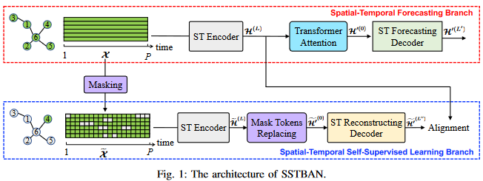
│ │ └─spatialAttention: 3-4 [4, 12, 307, 128] 258,432
│ │ └─temporalAttention: 3-5 [4, 12, 307, 128] 484,992
│ └─STAttBlock: 2-4 [4, 12, 307, 128] --
│ │ └─spatialAttention: 3-6 [4, 12, 307, 128] 258,432
│ │ └─temporalAttention: 3-7 [4, 12, 307, 128] 484,992
├─transformAttention: 1-4 [4, 12, 307, 128] --
│ └─FC: 2-5 [4, 12, 307, 128] --
│ │ └─ModuleList: 3-8 -- 16,768
│ └─FC: 2-6 [4, 12, 307, 128] --
│ │ └─ModuleList: 3-9 -- 16,768
│ └─FC: 2-7 [4, 12, 307, 128] --
│ │ └─ModuleList: 3-10 -- 16,768
│ └─FC: 2-8 [4, 12, 307, 128] --
│ │ └─ModuleList: 3-11 -- 16,768
├─ModuleList: 1-5 -- --
│ └─STAttBlock: 2-9 [4, 12, 307, 128] --
│ │ └─spatialAttention: 3-12 [4, 12, 307, 128] 258,432
│ │ └─temporalAttention: 3-13 [4, 12, 307, 128] 484,992
│ └─STAttBlock: 2-10 [4, 12, 307, 128] --
│ │ └─spatialAttention: 3-14 [4, 12, 307, 128] 258,432
│ │ └─temporalAttention: 3-15 [4, 12, 307, 128] 484,992
├─FC: 1-6 [4, 12, 307, 1] --
│ └─ModuleList: 2-11 -- --
│ │ └─conv2d_: 3-16 [4, 12, 307, 128] 16,768
│ │ └─conv2d_: 3-17 [4, 12, 307, 1] 131
├─ModuleList: 1-7 -- (recursive)
│ └─STAttBlock: 2-12 [4, 12, 307, 128] (recursive)
│ │ └─spatialAttention: 3-18 [4, 12, 307, 128] (recursive)
│ │ └─temporalAttention: 3-19 [4, 12, 307, 128] (recursive)
│ └─STAttBlock: 2-13 [4, 12, 307, 128] (recursive)
│ │ └─spatialAttention: 3-20 [4, 12, 307, 128] (recursive)
│ │ └─temporalAttention: 3-21 [4, 12, 307, 128] (recursive)
├─ModuleList: 1-8 -- --
│ └─STAttBlock_self: 2-14 [4, 12, 307, 128] 128
│ │ └─spatialAttention: 3-22 [4, 12, 307, 128] 258,432
│ │ └─temporalAttention: 3-23 [4, 12, 307, 128] 484,992
==============================================================================================================
Total params: 3,912,707
Trainable params: 3,912,707
Non-trainable params: 0
Total mult-adds (G): 28.77
==============================================================================================================
Input size (MB): 0.06
Forward/backward pass size (MB): 2176.32
Params size (MB): 10.59
Estimated Total Size (MB): 2186.97
==============================================================================================================

