1
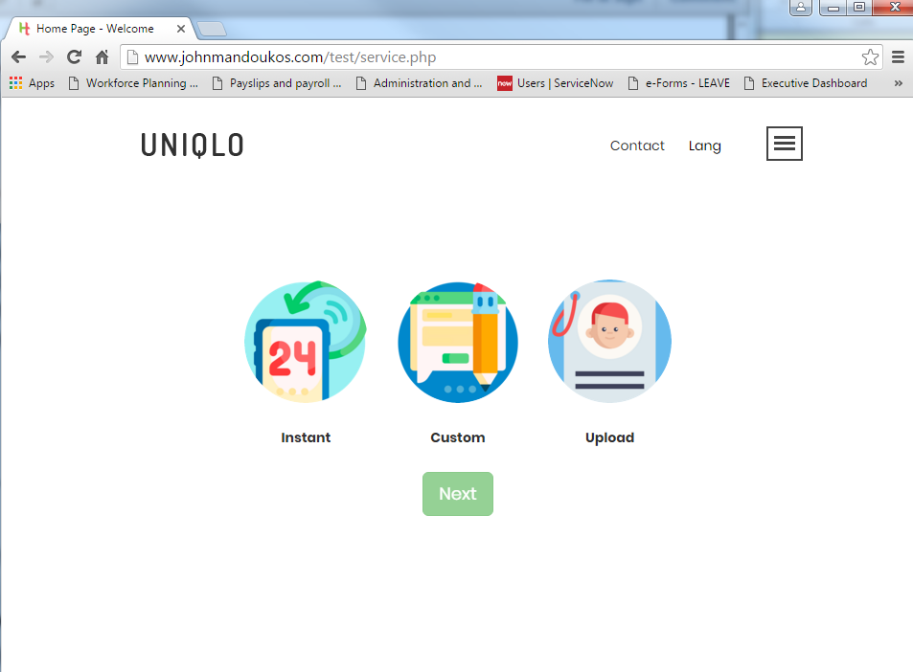

Back to Main Page

Current Screen | New Screen

Tab 2
Back to Main Page

This is how the screen should look
This screen is shown if alipay is selected

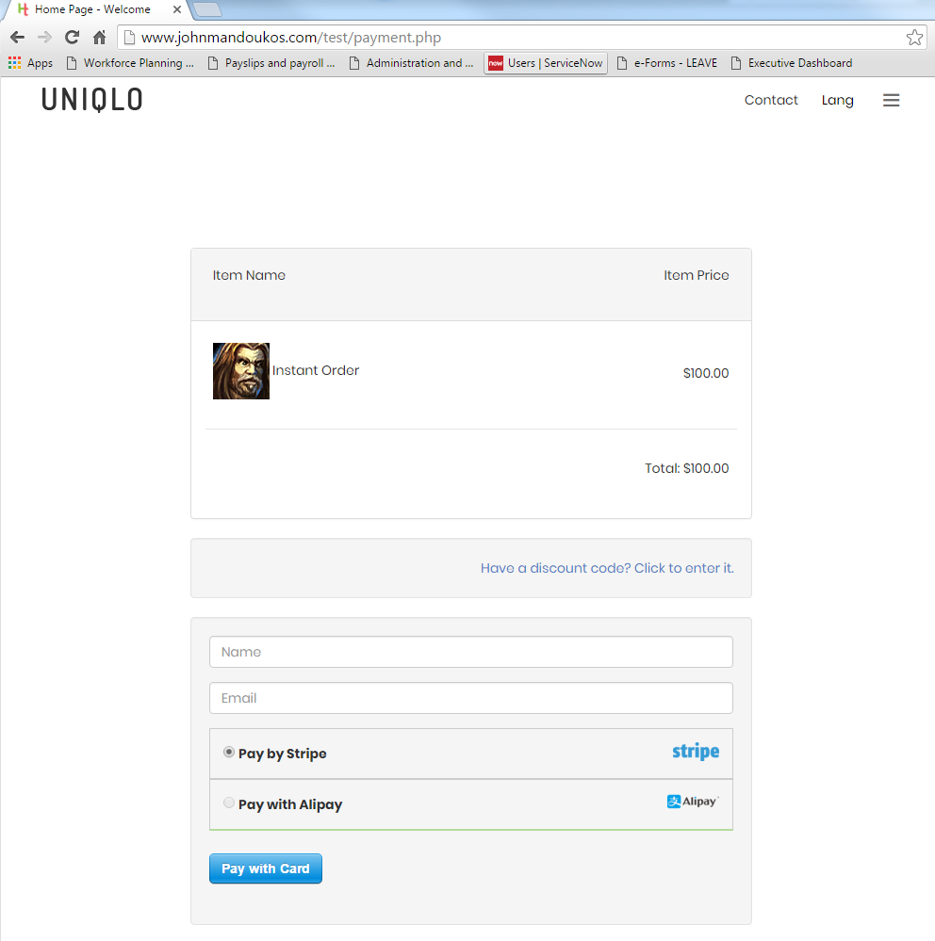
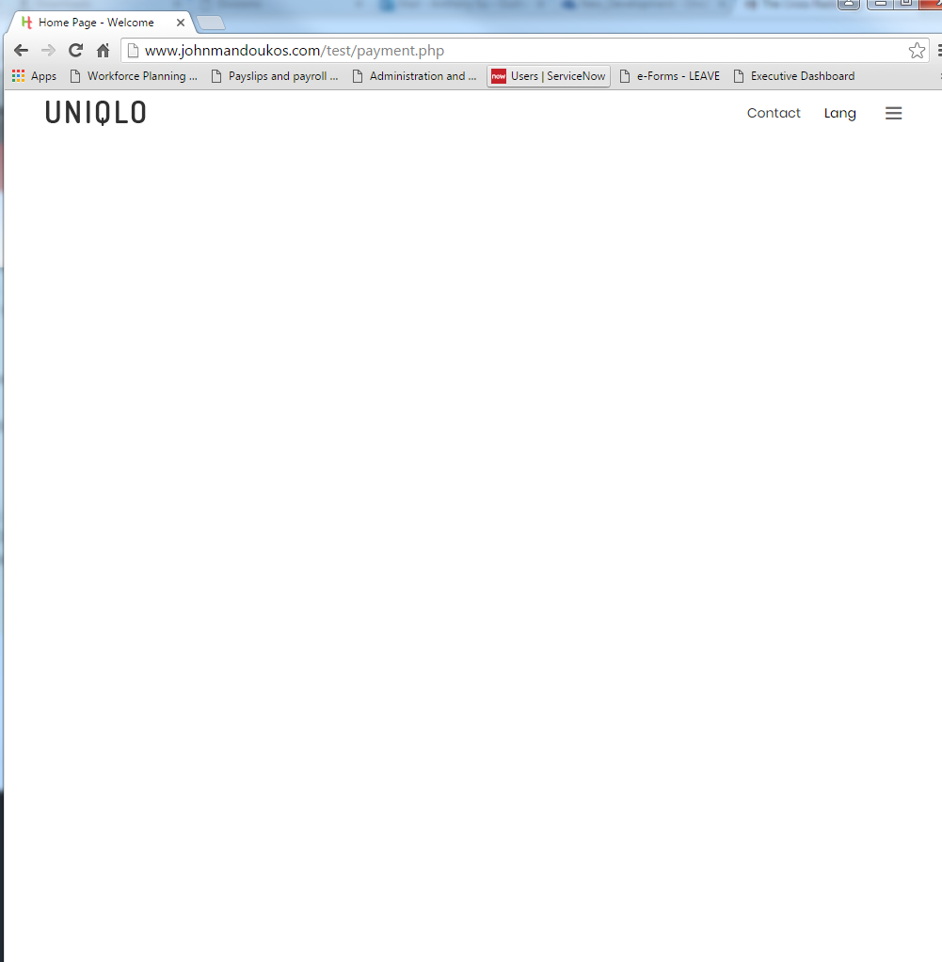

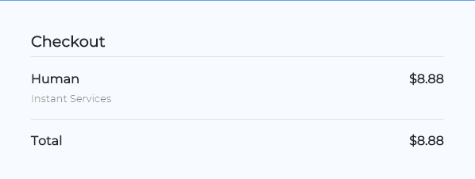
 |  | Have data validation
 |  | No need valiation for address, city
 |  | postal code limit to 5 character only

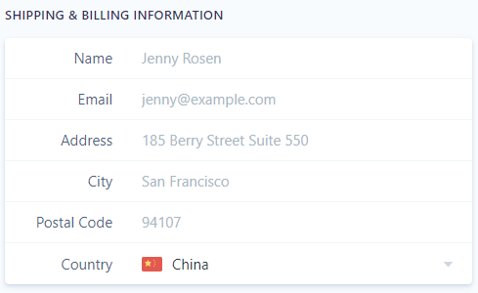
 |  | China is default
 | List of country | Australia
 |  | England
 |  | USA
 |  | Canada
 |  | Others

 |  | If a valid discount code is entered it will reduce the Pay $xxxx via Alipay Now

 |  | If Mastercard/Visa is selected, it will automatically show this before the Pay button
You will be redirected to Alipay to complete the purchase.

Pay $8.88 via Alipay Now

Source of Alipay Integration
https://stripe-payments-demo.appspot.com/index.html

Tab 4
Back to Main Page

Contact Us |  |  | Thank you page

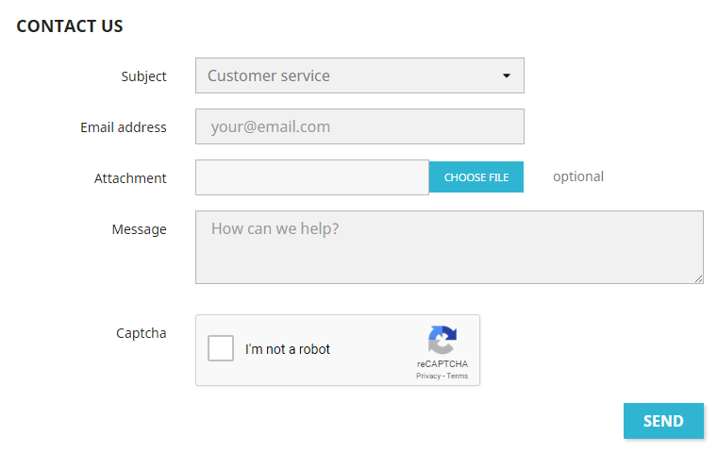
 | Option include:
 | Customer service
 | Request for review
 | Certificate Issue

Your request has been submitted successfully.
We will get back to you within 24 hours. Thank you for your patience.
 |  | Send email to clemtonparkresidence@gmail.com

Tab 22
Back to Main Page

success.php
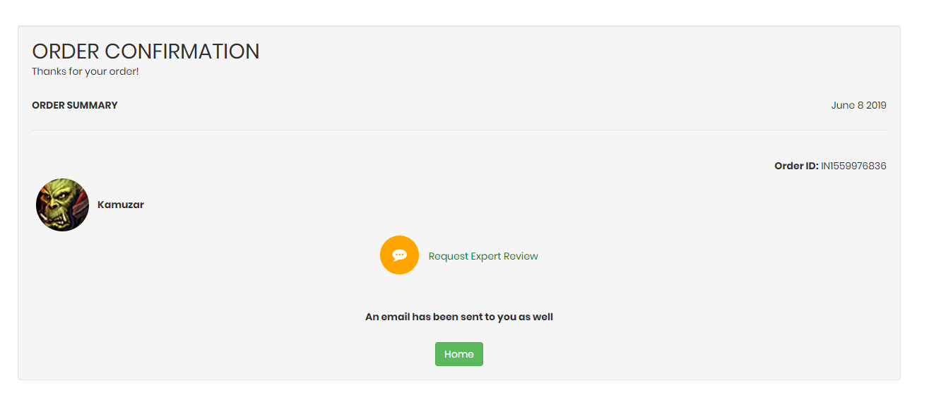

Your request has been submitted successfully.
We will get back to you within 24 hours. Thank you for your patience.

When they click here, an email is automatically sent to clemtonparkresidence@gmail.com (please also have a feature where the admin can edit this email address as well, thanks)
The user would also be taken to a new screen that states this request has been submitted and they will receive a response within 3 days

5
Back to Main Page

You will be redirected to Alipay to complete the purchase.
Pay $8.88 via Alipay Now

Add the Chinese Flag first then the English flag

Files located in: Images zip

china-flag-icon-32.png
united-kingdom-flag-icon-32.png

6
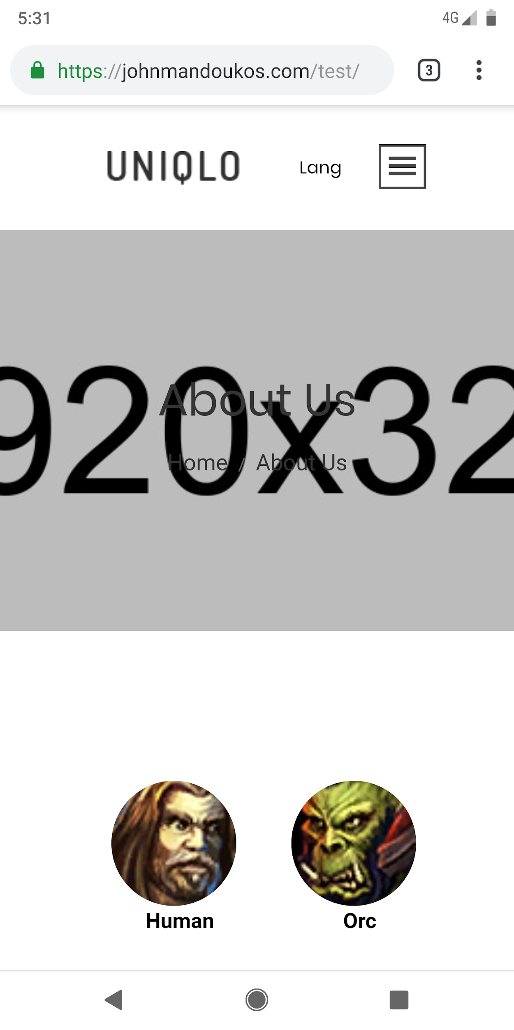
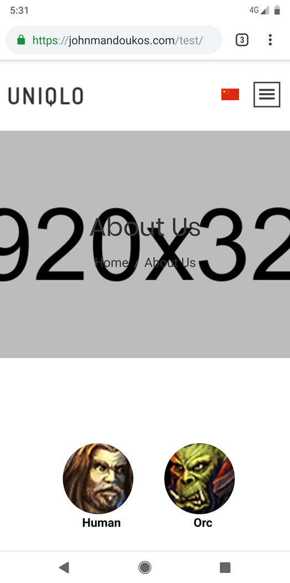
Back to Main Page

Current responsive display using Chrome on Google Pixel 2 | Updated responsiveness to move logo to more left and the menu to more to the right

7
Back to Main Page

Please see Attachment_for_Developer\Email for more information

Any price update by admin should also be reflected in the email that is sent out to customer.

8
Back to Main Page

Current loading screen |  | New loading screen | Ideally the plane is in yellow and the circle is in blue. The background whilst here is black, it should be white. Thanks.
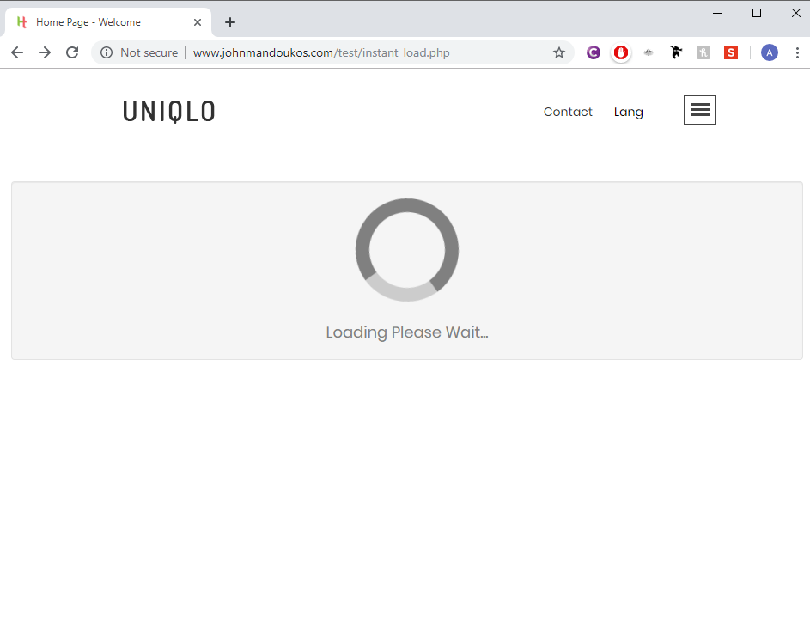



Connecting to our experts now...

 |  | Remove the table, loading duration remains the same

 | Source:
 | https://codepen.io/webduke/pen/RydqXg

11
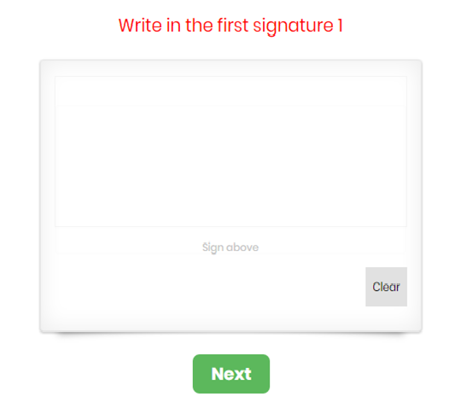
Back to Main Page

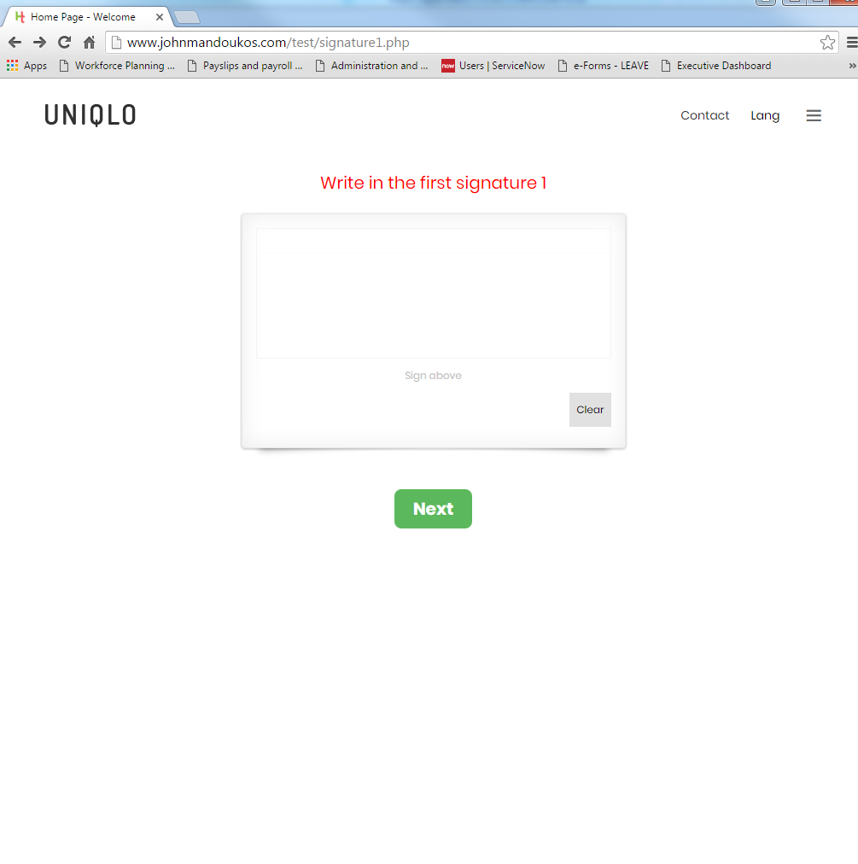
Current Screen | New Screen
 | The sign above is longer by 10% more than the previous screen

15
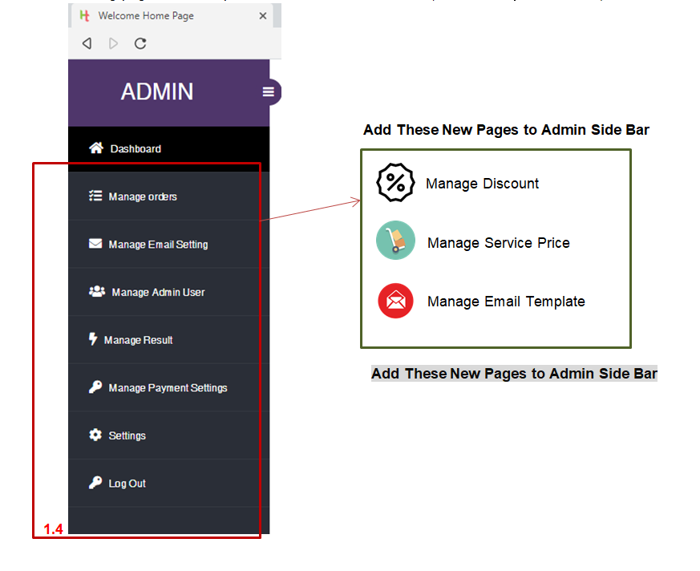
Back to Main Page

16
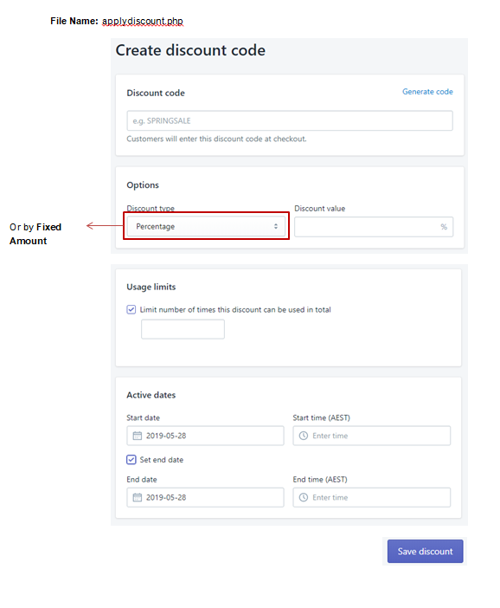

17
Back to Main Page

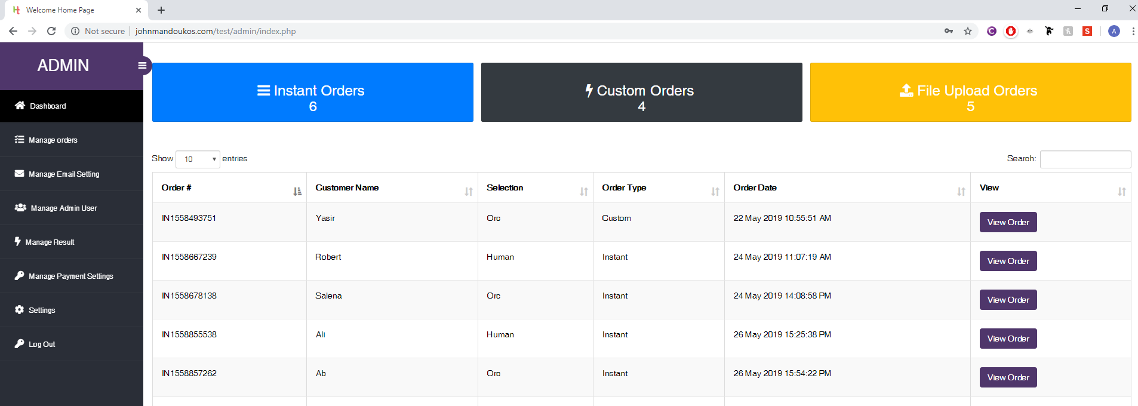

New order are displayed first

18
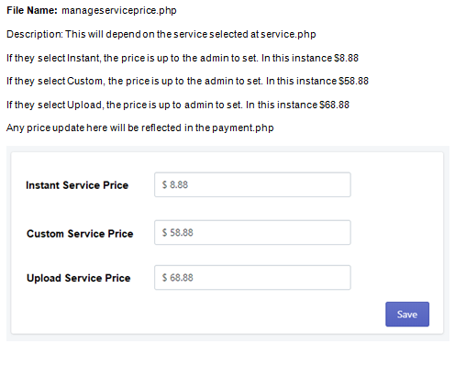
Back to Main Page

19
Back to Main Page

Description: This will allow the admin to manage the email that is sent to customer. In this instance, edit the three email templates that was provided.

20
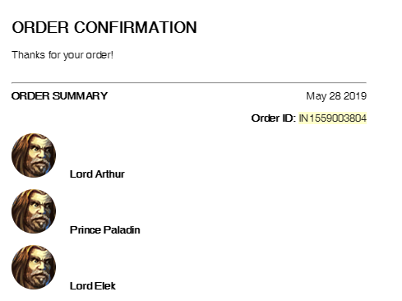
Back to Main Page

When in the admin screen and the Instant Order is review for
ORDER IN1559003804
It does not display the result names that are given to customers.

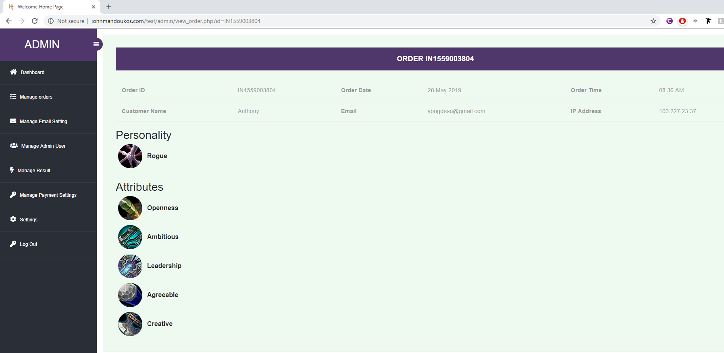

The new screens, instant orders must show the results that were given to the customer.

21
Back to Main Page

23
Back to Main Page

 | Admin can upload bulk Result Name using .csv file that reflects the following structure
 |  | Result Name, Select Type, Total Points

Bulk CSV

Delete

Delete

Delete

Delete

Further, there should be a button that should allow the admin to delete the Result Name as well.

24
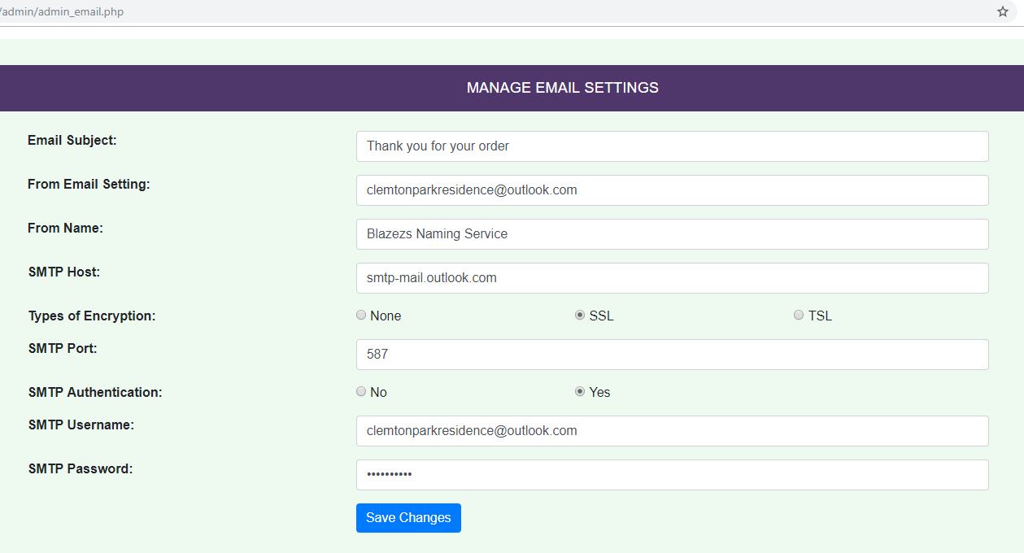

Back to Main Page

despite updating all the email setting to the following, when testing is conducted, customer still receive email from the following

26
Back to Main Page

 |  | New Screen, allows Admin to turn on Live Mode
Current Screen
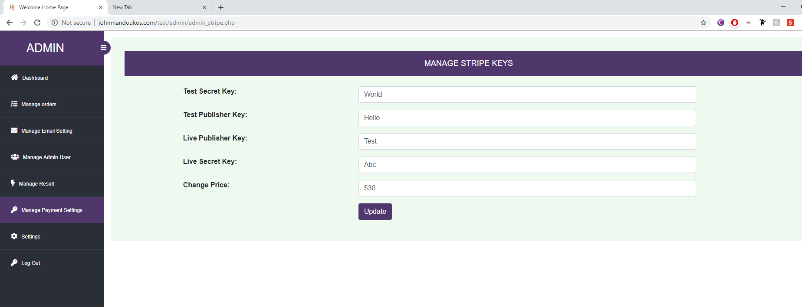
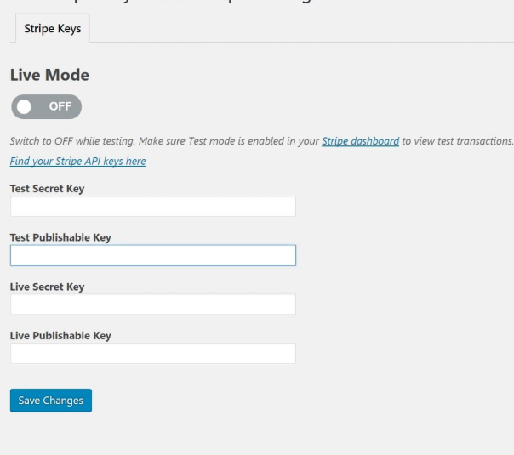

 | New Screen, allows Admin to turn on Live Mode

