Measurement Sampling
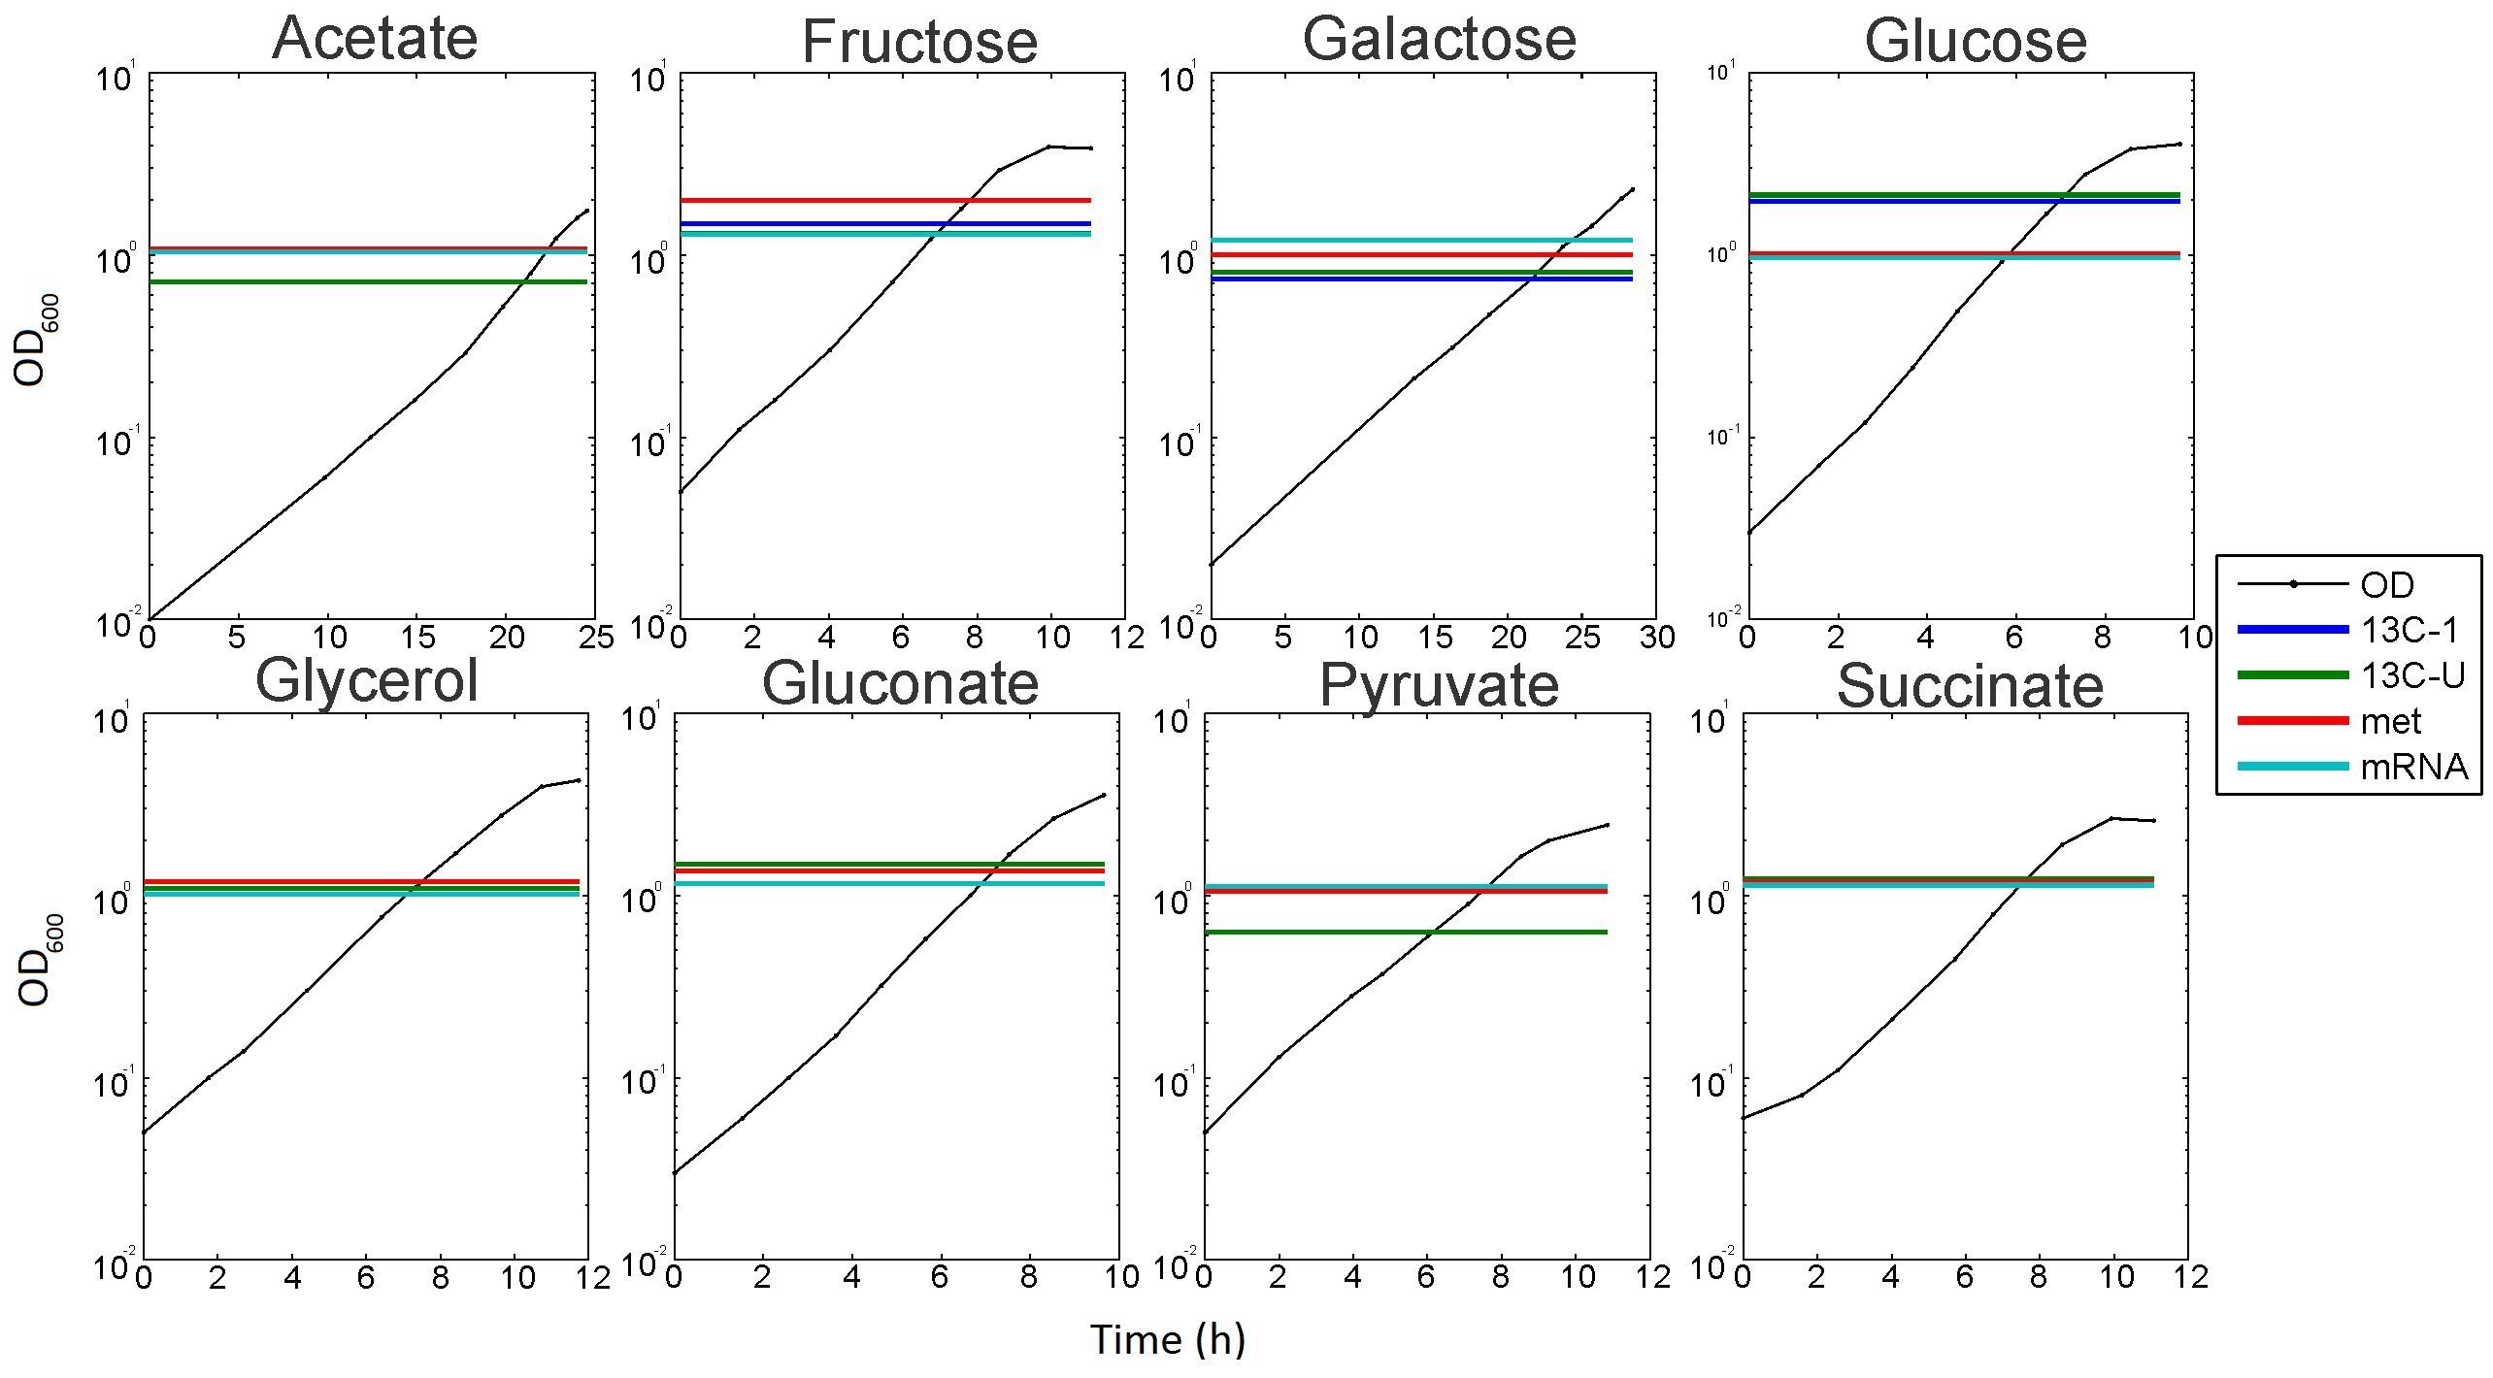

OD and time of sampling for measurements during exponential batch growth
For E. coli exponential growth on each of the 8 different carbon sources, we show here at which time and OD (in logarithmic scale) values the different samples for the 13C (“13C-U” stands for uniform labelling,”13C-1” stands for 1-13C labelling), metabolite (“met”) and transcript (“mRNA”) measurements were taken.

Metrics for NCA reconstruction
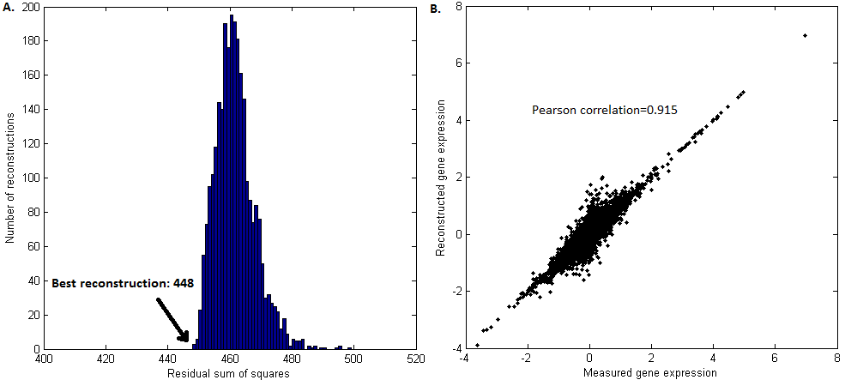

A. | Distribution of residual sum of squares for the 2500 reconstructions calculated by the probabilistic NCA method with initial random parameters. The arrow shows the position of the best reconstruction used for further analysis.
B. | Gene expression (log scale) in the transcriptional network as measured by microarray (x-axis) and as reconstructed by the best NCA reconstruction (y-axis). Each point represent a gene in one of the 8 growth conditions.

Estimation of enzyme abundances
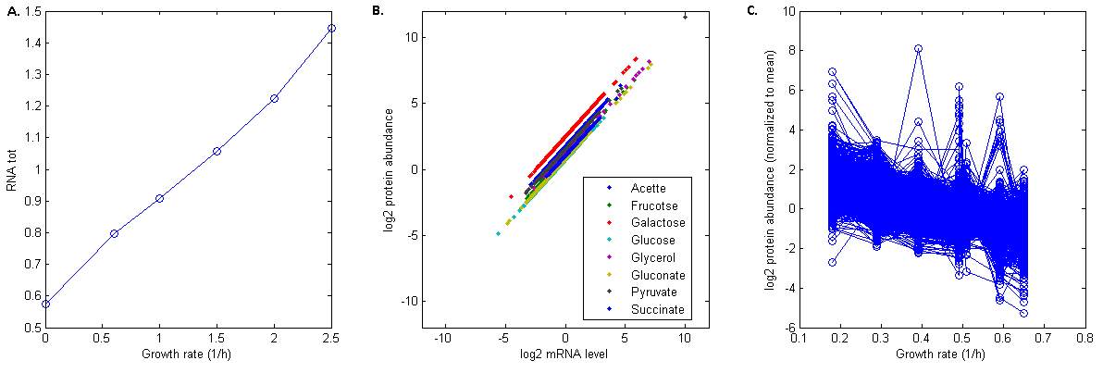

A. | Growth rate- dependency of total RNA as function of the growth rate.
B. | Log fold changes in transcript levels (x-axis) and corresponding estimated log fold changes in protein abundances (y-axis).
C. | Log fold changes in protein abundance from each gene plot as a function of the growth rate. Among condition-specific regulation, there is a general trend of decreasing protein abundance at increasing growth rate.

