Start Here
 | Thank you for choosing a Productive Penguin Co. product and supporting our small business. Please start by completing the SHEET SETUP section below, then continue scrolling to the INSTRUCTIONS to learn how to use the product effectively. Please refer to the Terms of Use tab for terms and conditions of use. Note: the spreadsheet contains formulas throughout that make things automated. These cells have been protected as much as possible to prevent accidental changes. Please do not clear or delete any rows, columns, or sheets.

 |  |  |  | Click here for the video tutorial

SHEET SETUP
ITEM | STEPS |  | INPUT
1
 |  | INPUT CUSTOM CATEGORIES Categories are used to group together habits that share a common purpose. For example, daily habits like 'Walk 10,000 steps' and 'Do 50 push-ups' could both fall under the 'Fitness' category. This enables the spreadsheet to provide even more valuable insights into your habit tracking journey! You can choose up to 10 of your own custom categories by modifying the pre-filled cells (see red border to the right). Alternatively, you may choose to continue with the pre-filled options. TIPS: If you're wondering how to include emoji's like you see in the pre-filled categories, here's how: - Begin typing the category name inside the cell - Navigate to the main menu (top of page) and click 'Insert' - Click 'Emojis', then search for and select your emoji of choice! |  |  | Habit Categories
 |  |  |  |  | Career 💼
 |  |  |  |  | Diet 🍎
 |  |  |  |  | Family ❣️
 |  |  |  |  | Fitness 💪
 |  |  |  |  | Health ❤️‍🩹
 |  |  |  |  | Money 💰
 |  |  |  |  | Productivity 🕺
 |  |  |  |  | Sleep 💤
 |  |  |  |  | Social 👫
 |  |  |  |  | Study 📚

INSTRUCTIONS
ITEM | STEPS |  | SCREENSHOT
1
 |  | HABIT TRACKER 📘 𝗚𝗨𝗜𝗗𝗘 The Daily Habits section lets you track up to 20 daily habits, set monthly goals, and tick off completions each day. It’s a simple, visual way to build consistency and review your progress at a glance. ✅ 𝗦𝗧𝗘𝗣𝗦 1. Select the month you want to track – In the top left corner, click the date field. – In Google Sheets: Double-click to open the calendar and select the 1st of the month. – In Excel: Manually type the 1st day of the month (e.g. 1/07/2025). – This sets the calendar for your daily tracking. 2. In the table below, enter one habit per row: – Add a short habit description – Select a category from the dropdown – Enter a monthly goal (e.g. 20 times this month) 3. As you complete each habit, tick it off in the table Watch your progress build across the month! 💡 𝗧𝗜𝗣𝗦 – If you're starting mid-month, adjust your goal to match the number of remaining days. – The current day is automatically highlighted for easy tracking |  | 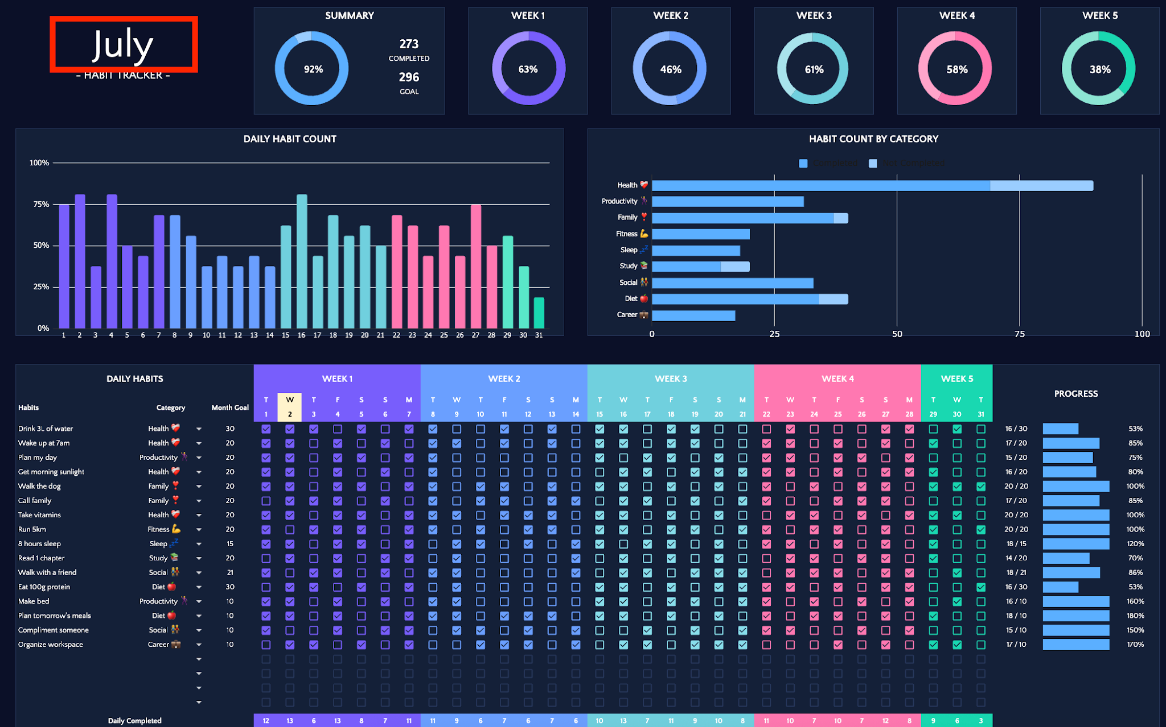

 |  | WEEKLY HABITS 📘 𝗚𝗨𝗜𝗗𝗘 The Weekly Habits tab helps you track up to 20 weekly habits at a time. Log your habits once per week and tick them off as you go to stay consistent and accountable. ✅ 𝗦𝗧𝗘𝗣𝗦 1. Scroll down to the Weekly Habits table (just below the Daily Habits section – see red border). 2. Enter one habit per row under the week you're tracking. 3. Throughout the week, tick off each habit as you complete it (see yellow border). 💡 𝗧𝗜𝗣 Use this section for habits you only want to track a few times per week — like workouts, laundry, or meal prep.

 |  | 📘 𝗖𝗢𝗡𝗧𝗜𝗡𝗨𝗘 𝗧𝗥𝗔𝗖𝗞𝗜𝗡𝗚 Keep tracking your habits beyond the current month by duplicating the tracker section. ✅ 𝗦𝗧𝗘𝗣𝗦 In Google Sheets 1. Right-click the Habit Tracker tab 2. Select Duplicate to create a copy of the tab 3. Rename the new tab with the week or month you're tracking (e.g. “July”) 4. Clear the ticks and update the habits if needed — you're ready to start fresh! In Excel 1. Right-click the Habit Tracker tab at the bottom of the screen 2. Select Move or Copy 3. Tick Create a copy, then click OK 4. Rename the new tab and clear the ticks — you're good to go! 💡 𝗧𝗜𝗣 Create a new copy each month to build a full habit tracking history and spot patterns over time. |  | 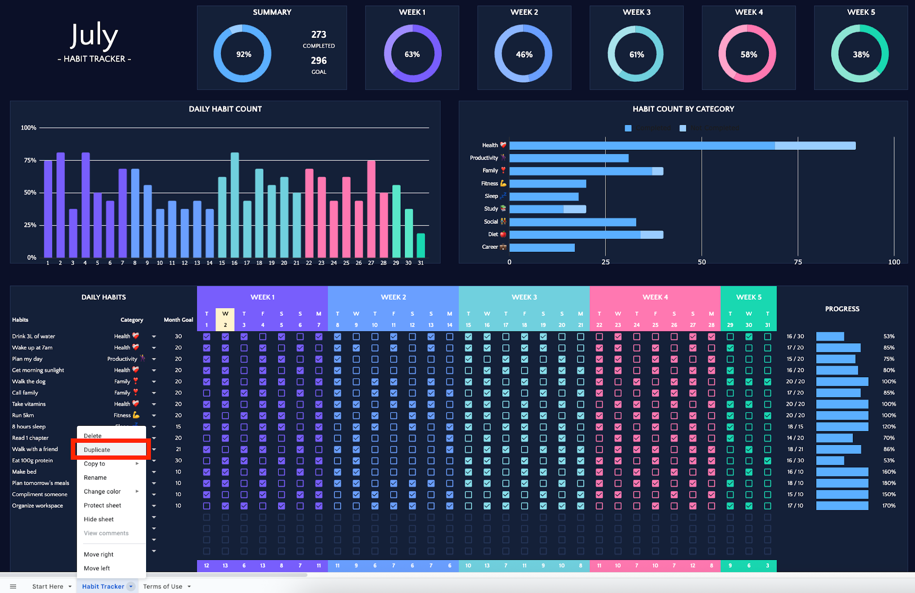

THANK YOU

Thank you for supporting our small, family business; we hope you get great value out of this product. If you have any questions, please reach out at your place of purchase - we're always happy to help! If you loved our spreadsheet, please consider leaving a review.

YOU MIGHT ALSO LIKE...

 |  |  |  | MONTHLY & ANNUAL BUDGET If you get a kick out of planning and optimizing your daily life, then you'd love our Monthly & Annual Budget! It takes planning and prioritising your finances to the next level, complete with visually appealing dashboards and insights to keep you on track and kicking goals!
 |  |  |  | CLICK HERE FOR THE MONTHLY & ANNUAL BUDGET!
 |  |  |  | Or, click here to view all Productive Penguin Co. products

August
2025-08-01 |  |  |  |  | SUMMARY |  |  |  |  |  |  |  |  | WEEK 1 |  |  |  |  |  | WEEK 2 |  |  |  |  |  | WEEK 3 |  |  |  |  |  | WEEK 4 |  |  |  |  | WEEK 5 |  |  | DAY |  | Friday | Saturday | Sunday | Monday | Tuesday | Wednesday | Thursday | Friday | Saturday | Sunday | Monday | Tuesday | Wednesday | Thursday | Friday | Saturday | Sunday | Monday | Tuesday | Wednesday | Thursday | Friday | Saturday | Sunday | Monday | Tuesday | Wednesday | Thursday | Friday | Saturday | Sunday
 |  |  |  |  |  |  |  |  |  | 0 |  |  |  |  |  |  |  |  |  |  |  |  |  |  |  |  |  |  |  |  |  |  |  |  |  |  |  |  |  | DAY |  | 1 | 2 | 3 | 4 | 5 | 6 | 7 | 8 | 9 | 10 | 11 | 12 | 13 | 14 | 15 | 16 | 17 | 18 | 19 | 20 | 21 | 22 | 23 | 24 | 25 | 26 | 27 | 28 | 29 | 30 | 31

 |  |  |  |  |  |  |  |  |  | COMPLETED
- HABIT TRACKER - |  |  |  |  |  |  |  |  |  | 0 |  |  |  |  |  |  |  |  |  |  |  |  |  |  |  |  |  |  |  |  |  |  |  |  |  |  |  |  |  | DAY | Symbol |  |  |  | Days in month | Text
 |  |  |  |  |  |  |  |  |  | GOAL |  |  |  |  |  |  |  |  |  |  |  |  |  |  |  |  |  |  |  |  |  |  |  |  |  |  |  |  |  | Monday | M |  |  |  | 31 | 31
 |  |  |  |  |  |  |  |  |  |  |  |  |  |  |  |  |  |  |  |  |  |  |  |  |  |  |  |  |  |  |  |  |  |  |  |  |  |  |  | Tuesday | T
 |  |  |  |  |  |  |  |  |  |  |  |  |  |  |  |  |  |  |  |  |  |  |  |  |  |  |  |  |  |  |  |  |  |  |  |  |  |  |  | Wednesday | W
DAILY HABIT COUNT |  |  |  |  |  |  |  |  |  |  |  |  |  |  |  |  |  |  | HABIT COUNT BY CATEGORY |  |  |  |  |  |  |  |  |  |  |  |  |  |  |  |  |  |  |  |  | Thursday | T

 |  |  |  |  |  |  |  |  |  |  |  |  |  |  |  |  |  |  |  |  |  |  |  |  |  |  |  |  |  |  |  |  |  |  |  |  |  |  |  | Friday | F
 |  |  |  |  |  |  |  |  |  |  |  |  |  |  |  |  |  |  |  |  |  |  |  |  |  |  |  |  |  |  |  |  |  |  |  |  |  |  |  | Saturday | S
 |  |  |  |  |  |  |  |  |  |  |  |  |  |  |  |  |  |  |  |  |  |  |  |  |  |  |  |  |  |  |  |  |  |  |  |  |  |  |  | Sunday | S

 |  |  |  |  |  |  |  |  |  |  |  |  |  |  |  |  |  |  |  |  |  |  |  |  |  |  |  |  |  |  |  |  |  |  |  |  |  |  |  | Chart-data |  |  |  |  |  | Unique category
 |  |  |  |  |  |  |  |  |  |  |  |  |  |  |  |  |  |  |  |  |  |  |  |  |  |  |  |  |  |  |  |  |  |  |  |  |  |  |  | Day | % | Habits |  |  |  | Categories | Goal | Progress | Remaining |  |  |  | Line | Category | TRUE |  |  | Week | Completed | Not Completed | Habits |  |  |  |  |  |  |  |  | WEEKLY HABITS
 |  |  |  |  |  |  |  |  |  |  |  |  |  |  |  |  |  |  |  |  |  |  |  |  |  |  |  |  |  |  |  |  |  |  |  |  |  |  |  | 2025-08-01 | 0% |  |  |  | 1 |  |  |  |  |  |  |  | 1 |  | 0 |  |  | WEEK 1 | 0 | 0 | 0 |  |  |  |  |  |  |  |  | Week | Completed | Not Completed | Habits
 |  |  |  |  |  |  |  |  |  |  |  |  |  |  |  |  |  |  |  |  |  |  |  |  |  |  |  |  |  |  |  |  |  |  |  |  |  |  |  | 2025-08-02 | 0% |  |  |  | 2 |  |  |  |  |  |  |  | 2 |  | 0 |  |  |  |  |  |  |  |  |  |  |  |  |  |  | WEEK 1 | 0 | 0 | 0
 |  |  |  |  |  |  |  |  |  |  |  |  |  |  |  |  |  |  |  |  |  |  |  |  |  |  |  |  |  |  |  |  |  |  |  |  |  |  |  | 2025-08-03 | 0% |  |  |  | 3 |  |  |  |  |  |  |  | 3 |  | 0 |  |  | Week | Completed | Not Completed | Habits
 |  |  |  |  |  |  |  |  |  |  |  |  |  |  |  |  |  |  |  |  |  |  |  |  |  |  |  |  |  |  |  |  |  |  |  |  |  |  |  | 2025-08-04 | 0% |  |  |  | 4 |  |  |  |  |  |  |  | 4 |  | 0 |  |  | WEEK 2 | 0 | 0 | 0 |  |  |  |  |  |  |  |  | Week | Completed | Not Completed | Habits
 |  |  |  |  |  |  |  |  |  |  |  |  |  |  |  |  |  |  |  |  |  |  |  |  |  |  |  |  |  |  |  |  |  |  |  |  |  |  |  | 2025-08-05 | 0% |  |  |  | 5 |  |  |  |  |  |  |  | 5 |  | 0 |  |  |  |  |  |  |  |  |  |  |  |  |  |  | WEEK 2 | 0 | 0 | 0
 |  |  |  |  |  |  |  |  |  |  |  |  |  |  |  |  |  |  |  |  |  |  |  |  |  |  |  |  |  |  |  |  |  |  |  |  |  |  |  | 2025-08-06 | 0% |  |  |  | 6 |  |  |  |  |  |  |  | 6 |  | 0 |  |  | Week | Completed | Not Completed | Habits
 |  |  |  |  |  |  |  |  |  |  |  |  |  |  |  |  |  |  |  |  |  |  |  |  |  |  |  |  |  |  |  |  |  |  |  |  |  |  |  | 2025-08-07 | 0% |  |  |  | 7 |  |  |  |  |  |  |  | 7 |  | 0 |  |  | WEEK 3 | 0 | 0 | 0 |  |  |  |  |  |  |  |  | Week | Completed | Not Completed | Habits
 |  |  |  |  |  |  |  |  |  |  |  |  |  |  |  |  |  |  |  |  |  |  |  |  |  |  |  |  |  |  |  |  |  |  |  |  |  |  |  | 2025-08-08 | 0% |  |  |  | 8 |  |  |  |  |  |  |  | 8 |  | 0 |  |  |  |  |  |  |  |  |  |  |  |  |  |  | WEEK 3 | 0 | 0 | 0
DAILY HABITS |  |  |  |  | WEEK 1 |  |  |  |  |  |  | WEEK 2 |  |  |  |  |  |  | WEEK 3 |  |  |  |  |  |  | WEEK 4 |  |  |  |  |  |  | WEEK 5 |  |  | PROGRESS |  |  |  | 2025-08-09 | 0% |  |  |  | 9 |  |  |  |  |  |  |  | 9 |  | 0 |  |  | Week | Completed | Not Completed | Habits
 |  |  |  |  |  |  |  |  |  |  |  |  |  |  |  |  |  |  |  |  |  |  |  |  |  |  |  |  |  |  |  |  |  |  |  |  |  |  |  | 2025-08-10 | 0% |  |  |  | 10 |  |  |  |  |  |  |  | 10 |  | 0 |  |  | WEEK 4 | 0 | 0 | 0 |  |  |  |  |  |  |  |  | Week | Completed | Not Completed | Habits
Habits |  |  | Category | Month Goal | F | S | S | M | T | W | T | F | S | S | M | T | W | T | F | S | S | M | T | W | T | F | S | S | M | T | W | T | F | S | S |  |  |  |  | 2025-08-11 | 0% |  |  |  | 11 |  |  |  |  |  |  |  | 11 |  | 0 |  |  |  |  |  |  |  |  |  |  |  |  |  |  | WEEK 4 | 0 | 0 | 0
 |  |  |  |  | 2025-08-01 | 2025-08-02 | 2025-08-03 | 2025-08-04 | 2025-08-05 | 2025-08-06 | 2025-08-07 | 2025-08-08 | 2025-08-09 | 2025-08-10 | 2025-08-11 | 2025-08-12 | 2025-08-13 | 2025-08-14 | 2025-08-15 | 2025-08-16 | 2025-08-17 | 2025-08-18 | 2025-08-19 | 2025-08-20 | 2025-08-21 | 2025-08-22 | 2025-08-23 | 2025-08-24 | 2025-08-25 | 2025-08-26 | 2025-08-27 | 2025-08-28 | 2025-08-29 | 2025-08-30 | 2025-08-31 |  |  |  |  | 2025-08-12 | 0% |  |  |  | 12 |  |  |  |  |  |  |  | 12 |  | 0 |  |  | Week | Completed | Not Completed | Habits
 |  |  |  |  | FALSE | FALSE | FALSE | FALSE | FALSE | FALSE | FALSE | FALSE | FALSE | FALSE | FALSE | FALSE | FALSE | FALSE | FALSE | FALSE | FALSE | FALSE | FALSE | FALSE | FALSE | FALSE | FALSE | FALSE | FALSE | FALSE | FALSE | FALSE | FALSE | FALSE | FALSE |  |  |  |  | 2025-08-13 | 0% |  |  |  | 13 |  |  |  |  |  |  |  | 13 |  | 0 |  |  | WEEK 5 | 0 | 0 | 0 |  |  |  |  |  |  |  |  | Week | Completed | Not Completed | Habits
 |  |  |  |  | FALSE | FALSE | FALSE | FALSE | FALSE | FALSE | FALSE | FALSE | FALSE | FALSE | FALSE | FALSE | FALSE | FALSE | FALSE | FALSE | FALSE | FALSE | FALSE | FALSE | FALSE | FALSE | FALSE | FALSE | FALSE | FALSE | FALSE | FALSE | FALSE | FALSE | FALSE |  |  |  |  | 2025-08-14 | 0% |  |  |  | 14 |  |  |  |  |  |  |  | 14 |  | 0 |  |  |  |  |  |  |  |  |  |  |  |  |  |  | WEEK 5 | 0 | 0 | 0
 |  |  |  |  | FALSE | FALSE | FALSE | FALSE | FALSE | FALSE | FALSE | FALSE | FALSE | FALSE | FALSE | FALSE | FALSE | FALSE | FALSE | FALSE | FALSE | FALSE | FALSE | FALSE | FALSE | FALSE | FALSE | FALSE | FALSE | FALSE | FALSE | FALSE | FALSE | FALSE | FALSE |  |  |  |  | 2025-08-15 | 0% |  |  |  | 15 |  |  |  |  |  |  |  | 15 |  | 0 |  |  | Week | Completed | Not Completed | Habits
 |  |  |  |  | FALSE | FALSE | FALSE | FALSE | FALSE | FALSE | FALSE | FALSE | FALSE | FALSE | FALSE | FALSE | FALSE | FALSE | FALSE | FALSE | FALSE | FALSE | FALSE | FALSE | FALSE | FALSE | FALSE | FALSE | FALSE | FALSE | FALSE | FALSE | FALSE | FALSE | FALSE |  |  |  |  | 2025-08-16 | 0% |  |  |  | 16 |  |  |  |  |  |  |  | 16 |  | 0 |  |  | TOTAL | 0 | 0 | 0 |  |  |  |  |  |  |  |  | Week | Completed | Not Completed | Habits
 |  |  |  |  | FALSE | FALSE | FALSE | FALSE | FALSE | FALSE | FALSE | FALSE | FALSE | FALSE | FALSE | FALSE | FALSE | FALSE | FALSE | FALSE | FALSE | FALSE | FALSE | FALSE | FALSE | FALSE | FALSE | FALSE | FALSE | FALSE | FALSE | FALSE | FALSE | FALSE | FALSE |  |  |  |  | 2025-08-17 | 0% |  |  |  | 17 |  |  |  |  |  |  |  | 17 |  | 0 |  |  |  |  |  |  |  |  |  |  |  |  |  |  | OVERALL | 0 | 0 | 0
 |  |  |  |  | FALSE | FALSE | FALSE | FALSE | FALSE | FALSE | FALSE | FALSE | FALSE | FALSE | FALSE | FALSE | FALSE | FALSE | FALSE | FALSE | FALSE | FALSE | FALSE | FALSE | FALSE | FALSE | FALSE | FALSE | FALSE | FALSE | FALSE | FALSE | FALSE | FALSE | FALSE |  |  |  |  | 2025-08-18 | 0% |  |  |  | 18 |  |  |  |  |  |  |  | 18 |  | 0
 |  |  |  |  | FALSE | FALSE | FALSE | FALSE | FALSE | FALSE | FALSE | FALSE | FALSE | FALSE | FALSE | FALSE | FALSE | FALSE | FALSE | FALSE | FALSE | FALSE | FALSE | FALSE | FALSE | FALSE | FALSE | FALSE | FALSE | FALSE | FALSE | FALSE | FALSE | FALSE | FALSE |  |  |  |  | 2025-08-19 | 0% |  |  |  | 19 |  |  |  |  |  |  |  | 19 |  | 0
 |  |  |  |  | FALSE | FALSE | FALSE | FALSE | FALSE | FALSE | FALSE | FALSE | FALSE | FALSE | FALSE | FALSE | FALSE | FALSE | FALSE | FALSE | FALSE | FALSE | FALSE | FALSE | FALSE | FALSE | FALSE | FALSE | FALSE | FALSE | FALSE | FALSE | FALSE | FALSE | FALSE |  |  |  |  | 2025-08-20 | 0% |  |  |  | 20 |  |  |  |  |  |  |  | 20 |  | 0
 |  |  |  |  | FALSE | FALSE | FALSE | FALSE | FALSE | FALSE | FALSE | FALSE | FALSE | FALSE | FALSE | FALSE | FALSE | FALSE | FALSE | FALSE | FALSE | FALSE | FALSE | FALSE | FALSE | FALSE | FALSE | FALSE | FALSE | FALSE | FALSE | FALSE | FALSE | FALSE | FALSE |  |  |  |  | 2025-08-21 | 0%
 |  |  |  |  | FALSE | FALSE | FALSE | FALSE | FALSE | FALSE | FALSE | FALSE | FALSE | FALSE | FALSE | FALSE | FALSE | FALSE | FALSE | FALSE | FALSE | FALSE | FALSE | FALSE | FALSE | FALSE | FALSE | FALSE | FALSE | FALSE | FALSE | FALSE | FALSE | FALSE | FALSE |  |  |  |  | 2025-08-22 | 0%
 |  |  |  |  | FALSE | FALSE | FALSE | FALSE | FALSE | FALSE | FALSE | FALSE | FALSE | FALSE | FALSE | FALSE | FALSE | FALSE | FALSE | FALSE | FALSE | FALSE | FALSE | FALSE | FALSE | FALSE | FALSE | FALSE | FALSE | FALSE | FALSE | FALSE | FALSE | FALSE | FALSE |  |  |  |  | 2025-08-23 | 0%
 |  |  |  |  | FALSE | FALSE | FALSE | FALSE | FALSE | FALSE | FALSE | FALSE | FALSE | FALSE | FALSE | FALSE | FALSE | FALSE | FALSE | FALSE | FALSE | FALSE | FALSE | FALSE | FALSE | FALSE | FALSE | FALSE | FALSE | FALSE | FALSE | FALSE | FALSE | FALSE | FALSE |  |  |  |  | 2025-08-24 | 0%
 |  |  |  |  | FALSE | FALSE | FALSE | FALSE | FALSE | FALSE | FALSE | FALSE | FALSE | FALSE | FALSE | FALSE | FALSE | FALSE | FALSE | FALSE | FALSE | FALSE | FALSE | FALSE | FALSE | FALSE | FALSE | FALSE | FALSE | FALSE | FALSE | FALSE | FALSE | FALSE | FALSE |  |  |  |  | 2025-08-25 | 0%
 |  |  |  |  | FALSE | FALSE | FALSE | FALSE | FALSE | FALSE | FALSE | FALSE | FALSE | FALSE | FALSE | FALSE | FALSE | FALSE | FALSE | FALSE | FALSE | FALSE | FALSE | FALSE | FALSE | FALSE | FALSE | FALSE | FALSE | FALSE | FALSE | FALSE | FALSE | FALSE | FALSE |  |  |  |  | 2025-08-26 | 0%
 |  |  |  |  | FALSE | FALSE | FALSE | FALSE | FALSE | FALSE | FALSE | FALSE | FALSE | FALSE | FALSE | FALSE | FALSE | FALSE | FALSE | FALSE | FALSE | FALSE | FALSE | FALSE | FALSE | FALSE | FALSE | FALSE | FALSE | FALSE | FALSE | FALSE | FALSE | FALSE | FALSE |  |  |  |  | 2025-08-27 | 0%
 |  |  |  |  | FALSE | FALSE | FALSE | FALSE | FALSE | FALSE | FALSE | FALSE | FALSE | FALSE | FALSE | FALSE | FALSE | FALSE | FALSE | FALSE | FALSE | FALSE | FALSE | FALSE | FALSE | FALSE | FALSE | FALSE | FALSE | FALSE | FALSE | FALSE | FALSE | FALSE | FALSE |  |  |  |  | 2025-08-28 | 0%
 |  |  |  |  | FALSE | FALSE | FALSE | FALSE | FALSE | FALSE | FALSE | FALSE | FALSE | FALSE | FALSE | FALSE | FALSE | FALSE | FALSE | FALSE | FALSE | FALSE | FALSE | FALSE | FALSE | FALSE | FALSE | FALSE | FALSE | FALSE | FALSE | FALSE | FALSE | FALSE | FALSE |  |  |  |  | 2025-08-29 | 0%
 |  |  |  |  | FALSE | FALSE | FALSE | FALSE | FALSE | FALSE | FALSE | FALSE | FALSE | FALSE | FALSE | FALSE | FALSE | FALSE | FALSE | FALSE | FALSE | FALSE | FALSE | FALSE | FALSE | FALSE | FALSE | FALSE | FALSE | FALSE | FALSE | FALSE | FALSE | FALSE | FALSE |  |  |  |  | 2025-08-30 | 0%
 |  |  |  |  | FALSE | FALSE | FALSE | FALSE | FALSE | FALSE | FALSE | FALSE | FALSE | FALSE | FALSE | FALSE | FALSE | FALSE | FALSE | FALSE | FALSE | FALSE | FALSE | FALSE | FALSE | FALSE | FALSE | FALSE | FALSE | FALSE | FALSE | FALSE | FALSE | FALSE | FALSE |  |  |  |  | 2025-08-31 | 0%
 |  |  |  |  | FALSE | FALSE | FALSE | FALSE | FALSE | FALSE | FALSE | FALSE | FALSE | FALSE | FALSE | FALSE | FALSE | FALSE | FALSE | FALSE | FALSE | FALSE | FALSE | FALSE | FALSE | FALSE | FALSE | FALSE | FALSE | FALSE | FALSE | FALSE | FALSE | FALSE | FALSE

Daily Completed |  |  |  |  | 0 | 0 | 0 | 0 | 0 | 0 | 0 | 0 | 0 | 0 | 0 | 0 | 0 | 0 | 0 | 0 | 0 | 0 | 0 | 0 | 0 | 0 | 0 | 0 | 0 | 0 | 0 | 0 | 0 | 0 | 0
Daily Not Completed |  |  |  |  | 0 | 0 | 0 | 0 | 0 | 0 | 0 | 0 | 0 | 0 | 0 | 0 | 0 | 0 | 0 | 0 | 0 | 0 | 0 | 0 | 0 | 0 | 0 | 0 | 0 | 0 | 0 | 0 | 0 | 0 | 0
% |  |  |  |  | 0% | 0% | 0% | 0% | 0% | 0% | 0% | 0% | 0% | 0% | 0% | 0% | 0% | 0% | 0% | 0% | 0% | 0% | 0% | 0% | 0% | 0% | 0% | 0% | 0% | 0% | 0% | 0% | 0% | 0% | 0%

WEEKLY HABITS
PROGRESS |  |  |  |  | WEEK 1 |  |  |  |  |  |  | WEEK 2 |  |  |  |  |  |  | WEEK 3 |  |  |  |  |  |  | WEEK 4 |  |  |  |  |  |  | WEEK 5 |  |  |  |  |  | OVERALL

WEEK 1 | 0 | 0 |  |  |  |  |  |  |  |  | FALSE |  |  |  |  |  |  | FALSE |  |  |  |  |  |  | FALSE |  |  |  |  |  |  | FALSE |  |  |  |  |  | FALSE
 |  |  |  |  |  |  |  |  |  |  | FALSE |  |  |  |  |  |  | FALSE |  |  |  |  |  |  | FALSE |  |  |  |  |  |  | FALSE |  |  |  |  |  | FALSE | 0
 | COMPLETED | GOAL |  |  |  |  |  |  |  |  | FALSE |  |  |  |  |  |  | FALSE |  |  |  |  |  |  | FALSE |  |  |  |  |  |  | FALSE |  |  |  |  |  | FALSE
 |  |  |  |  |  |  |  |  |  |  | FALSE |  |  |  |  |  |  | FALSE |  |  |  |  |  |  | FALSE |  |  |  |  |  |  | FALSE |  |  |  |  |  | FALSE
WEEK 2 | 0 | 0 |  |  |  |  |  |  |  |  | FALSE |  |  |  |  |  |  | FALSE |  |  |  |  |  |  | FALSE |  |  |  |  |  |  | FALSE |  |  |  |  |  | FALSE | COMPLETED
 |  |  |  |  |  |  |  |  |  |  | FALSE |  |  |  |  |  |  | FALSE |  |  |  |  |  |  | FALSE |  |  |  |  |  |  | FALSE |  |  |  |  |  | FALSE
 | COMPLETED | GOAL |  |  |  |  |  |  |  |  | FALSE |  |  |  |  |  |  | FALSE |  |  |  |  |  |  | FALSE |  |  |  |  |  |  | FALSE |  |  |  |  |  | FALSE
 |  |  |  |  |  |  |  |  |  |  | FALSE |  |  |  |  |  |  | FALSE |  |  |  |  |  |  | FALSE |  |  |  |  |  |  | FALSE |  |  |  |  |  | FALSE | 0
WEEK 3 | 0 | 0 |  |  |  |  |  |  |  |  | FALSE |  |  |  |  |  |  | FALSE |  |  |  |  |  |  | FALSE |  |  |  |  |  |  | FALSE |  |  |  |  |  | FALSE
 |  |  |  |  |  |  |  |  |  |  | FALSE |  |  |  |  |  |  | FALSE |  |  |  |  |  |  | FALSE |  |  |  |  |  |  | FALSE |  |  |  |  |  | FALSE
 | COMPLETED | GOAL |  |  |  |  |  |  |  |  | FALSE |  |  |  |  |  |  | FALSE |  |  |  |  |  |  | FALSE |  |  |  |  |  |  | FALSE |  |  |  |  |  | FALSE | GOAL
 |  |  |  |  |  |  |  |  |  |  | FALSE |  |  |  |  |  |  | FALSE |  |  |  |  |  |  | FALSE |  |  |  |  |  |  | FALSE |  |  |  |  |  | FALSE
WEEK 4 | 0 | 0 |  |  |  |  |  |  |  |  | FALSE |  |  |  |  |  |  | FALSE |  |  |  |  |  |  | FALSE |  |  |  |  |  |  | FALSE |  |  |  |  |  | FALSE
 |  |  |  |  |  |  |  |  |  |  | FALSE |  |  |  |  |  |  | FALSE |  |  |  |  |  |  | FALSE |  |  |  |  |  |  | FALSE |  |  |  |  |  | FALSE
 | COMPLETED | GOAL |  |  |  |  |  |  |  |  | FALSE |  |  |  |  |  |  | FALSE |  |  |  |  |  |  | FALSE |  |  |  |  |  |  | FALSE |  |  |  |  |  | FALSE
 |  |  |  |  |  |  |  |  |  |  | FALSE |  |  |  |  |  |  | FALSE |  |  |  |  |  |  | FALSE |  |  |  |  |  |  | FALSE |  |  |  |  |  | FALSE
WEEK 5 | 0 | 0 |  |  |  |  |  |  |  |  | FALSE |  |  |  |  |  |  | FALSE |  |  |  |  |  |  | FALSE |  |  |  |  |  |  | FALSE |  |  |  |  |  | FALSE
 |  |  |  |  |  |  |  |  |  |  | FALSE |  |  |  |  |  |  | FALSE |  |  |  |  |  |  | FALSE |  |  |  |  |  |  | FALSE |  |  |  |  |  | FALSE
 | COMPLETED | GOAL |  |  |  |  |  |  |  |  | FALSE |  |  |  |  |  |  | FALSE |  |  |  |  |  |  | FALSE |  |  |  |  |  |  | FALSE |  |  |  |  |  | FALSE
 |  |  |  |  |  |  |  |  |  |  | FALSE |  |  |  |  |  |  | FALSE |  |  |  |  |  |  | FALSE |  |  |  |  |  |  | FALSE |  |  |  |  |  | FALSE

