UI Changes
31.10.2012

Man hinh Setting>Dashboard
Man hinh Sua Dashboard
Radio de user lua chon loai hien thi (2 portlet, 3 portlet, 4 portlet)

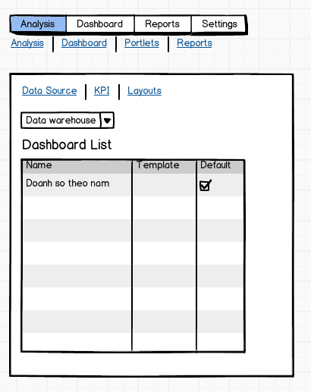
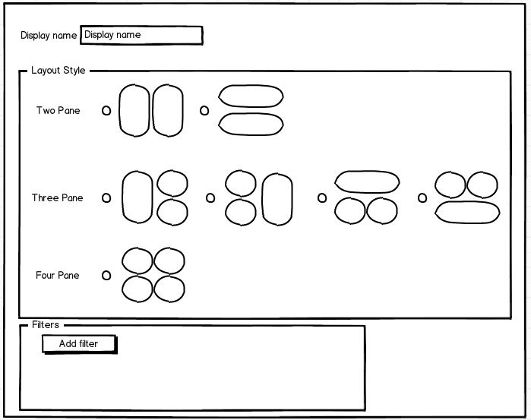

khi click vao Setting> Dashboard

Cho phep filter theo DW

3 link nay open 3 danh muc tg ung: Datasource,KPI, Layout

Khi Sua thi se open Man hinh nay

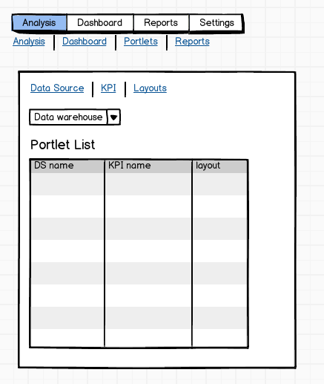
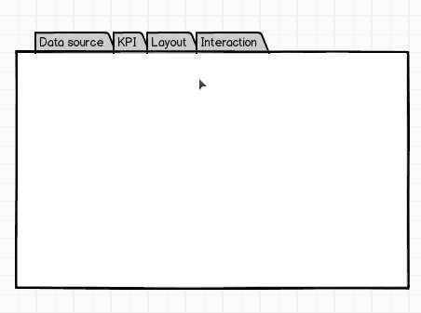
Man hinh Setting>Portlet
Cho phep filter theo DW
Khi Sua thi se open Man hinh hien nay dang co (4 tabs)
khi click vao Setting>Portlet

Man hinh Sua Portlet

