part list TT
No. | Name | part Number | Technical Doc | Pics | brand or CO.
1 | Button | 3SU1051-0AB60-0AA0 | White, 22 mm, flat, metal,benzen | 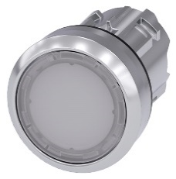 | Siemens
2 | Holder | 3SU1500-0AA10-0AA0 |  | 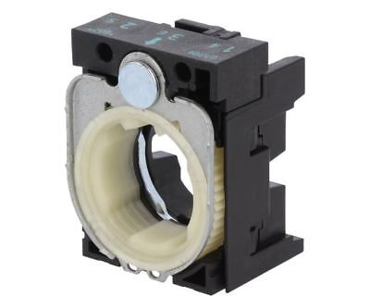 | Siemens
3 | NO contact | 3SU1400-1AA10-1BA0 | 1 NO/NC |  | Siemens
4 | Indicator | 3SU1401-1BB60-1AA0 | White, 24VDC |  | Siemens
5 | Box | 3SU1802-0AA00-0AB1 | 2 slot |  | Siemens
6 | Label reset | 3SU1900-0AF81-0DU0 | Reset |  | Siemens
7 | Power supply unit | 2909575 | 24VDC, push |  | Phoenix contact
8 | Alamp/Signal | ST45L-BZ-2-24-RG | signalling column; LED; red/green; 24VDC; IP23 |  | QLINGHT
9 | Sub 37 PIN board | DIN-37D-01 | DB37 Male |  | Adlink
10 | Circuit breaker | EZ9F34210 | MCB C10A | 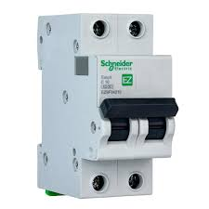 | Schneider
11 | Relay | 2966728 | 24DC/48DC/100 Series Solid State Interface Relay, 28.8 V ac/dc Control, DIN Rail Mount |  | Phoenix contact
12 | Terminal Blue | 3209523 | PT 2,5 BU - Feed-through terminal block | 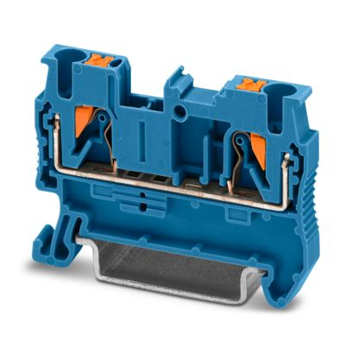 | Phoenix contact
13 | Terminal Gray | 3209510 | PT 2,5 - Feed-through terminal block |  | Phoenix contact
14 | Terminal Pe | 3209536 | PT 2,5-PE - Ground terminal |  | Phoenix contact
15 | D-Sub Cables | 976-ACL-10137-3MM | Cable 37 PIN |  | Adlink

part list AL_13_14
No. | Name | part Number | Technical Doc | Pics | brand or CO. | Qty | Remark
1 | Basler camera | a2A2448-23gcBAS | f 1/1.8" Effective Sensor Diagonal 8.8 mm |  | Basler | 1 | Camera Oidipping
2 | Basler camera | a2A1920-51gcPRO | f 1/2.3" Effective Sensor Diagonal 7.9 mm |  | Basler | 1 | Camera Final
3 | Key Switch | 3SU1000-4BF01-0AA0 | key-operated switch, 22 mm, round, plastic, lock number SB30, with 2 keys, 2 switch positions O-I, latching, actuating angle 90°, |  | Siemens | 1 | Rework switch
4 | Button | 3SU1051-0AB60-0AA0 | White, 22 mm, flat, metal,benzen | 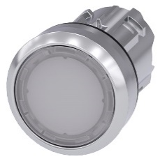 | Siemens | 1 | Reset Buton
5 | Holder | 3SU1500-0AA10-0AA0 |  |  | Siemens | 2 | Reset Buton, Rework switch
6 | NO contact | 3SU1400-1AA10-1BA0 | 1 NO/NC |  | Siemens | 2 | Reset Buton, Rework switch
7 | Indicator | 3SU1401-1BB60-1AA0 | White, 24VDC |  | Siemens | 1 | Reset signal
8 | Box | 3SU1802-0AA00-0AB1 | 2 slot |  | Siemens | 1 | Reset Buton, Rework switch
9 | Label reset | 3SU1900-0AF81-0DU0 | Reset |  | Siemens | 1
10 | Power supply unit | 2909575 | 24VDC, push |  | Phoenix contact | 1
11 | Alamp/Signal | ST45L-BZ-2-24-RG | signalling column; LED; red/green; 24VDC; IP23 |  | QLINGHT | 2 | Alarm, signal: Final, Oildipping
12 | Sub 37 PIN board | DIN-37D-01 | DB37 Male |  | Adlink | 1
13 | Circuit breaker | EZ9F34210 | MCB C10A |  | Schneider | 1
14 | Relay | 2966728 | 24DC/48DC/100 Series Solid State Interface Relay, 28.8 V ac/dc Control, DIN Rail Mount |  | Phoenix contact | 2 | Signal for Laser Signal for Oildipping
15 | Terminal Blue | 3209523 | PT 2,5 BU - Feed-through terminal block |  | Phoenix contact
16 | Terminal Gray | 3209510 | PT 2,5 - Feed-through terminal block |  | Phoenix contact
17 | Terminal Pe | 3209536 | PT 2,5-PE - Ground terminal |  | Phoenix contact
18 | D-Sub Cables | 976-ACL-10137-3MM | Cable 37 PIN |  | Adlink | 1

Part list AL_12
No. | Name | part Number | Technical Doc | Pics | brand or CO. | Qty | Remark
1 | Basler camera | a2A1920-51gcPRO | f 1/2.3" Effective Sensor Diagonal 7.9 mm |  | Basler | 1 | Camera Final
2 | Key Switch | 3SU1000-4BF01-0AA0 | key-operated switch, 22 mm, round, plastic, lock number SB30, with 2 keys, 2 switch positions O-I, latching, actuating angle 90°, | 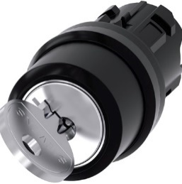 | Siemens | 1 | Rework switch
3 | Holder | 3SU1500-0AA10-0AA0 |  |  | Siemens | 1 | Reset Buton, Rework switch
4 | NO contact | 3SU1400-1AA10-1BA0 | 1 NO/NC |  | Siemens | 1 | Reset Buton, Rework switch
5 | Power supply unit | 2909575 | 24VDC, push |  | Phoenix contact | 1
6 | Alamp/Signal | ST45L-BZ-2-24-RG | signalling column; LED; red/green; 24VDC; IP23 |  | QLINGHT | 1
7 | Sub 37 PIN board | DIN-37D-01 | DB37 Male |  | Adlink | 1
8 | Circuit breaker | EZ9F34210 | MCB C10A |  | Schneider | 1
9 | Relay | 2966728 | 24DC/48DC/100 Series Solid State Interface Relay, 28.8 V ac/dc Control, DIN Rail Mount |  | Phoenix contact | 4
10 | Terminal Blue | 3209523 | PT 2,5 BU - Feed-through terminal block |  | Phoenix contact | 2
8 | Terminal Gray | 3209510 | PT 2,5 - Feed-through terminal block |  | Phoenix contact | 17
9 | Terminal Pe | 3209536 | PT 2,5-PE - Ground terminal |  | Phoenix contact | 2
10 | D-Sub Cables | 976-ACL-10137-3MM | Cable 37 PIN |  | Adlink | 1

