prueba1
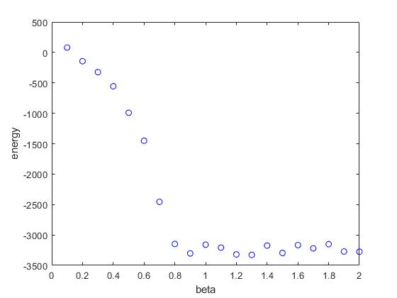
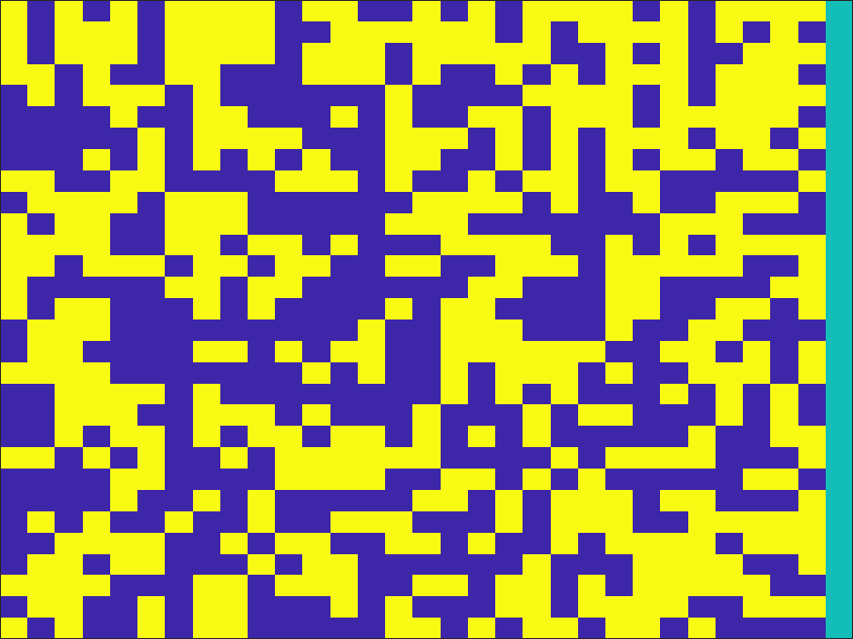
Estado Inicial |  | tiempo | 50000
 |  | n | 30
 |  | g | 1
 |  | h | 0

Betas
b = 0.1 | b = 0.2 |  | b = 0.3 | b = 0.4 | b = 0.5

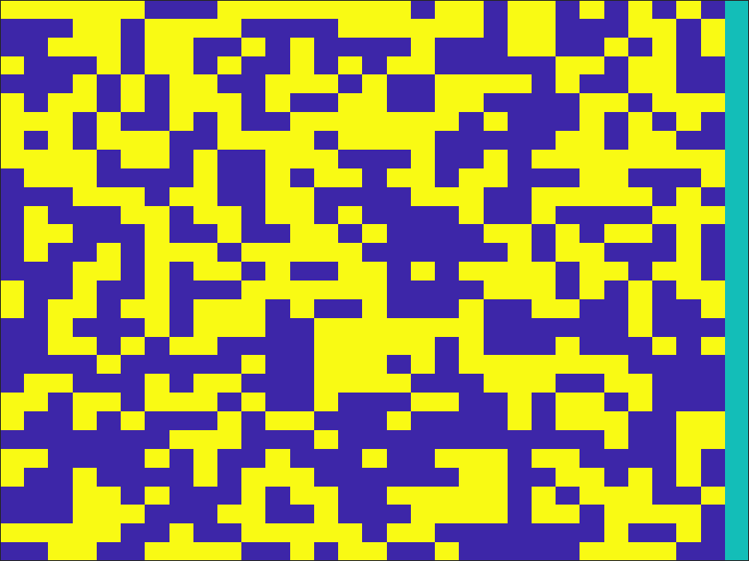
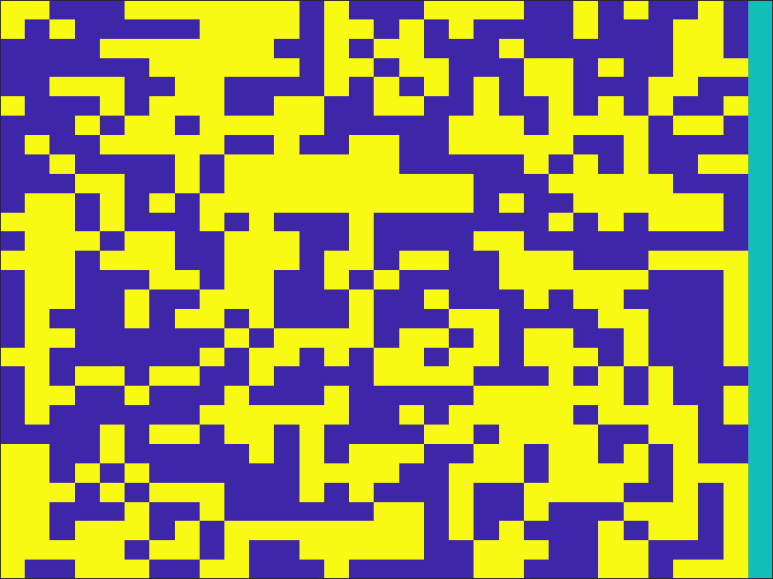
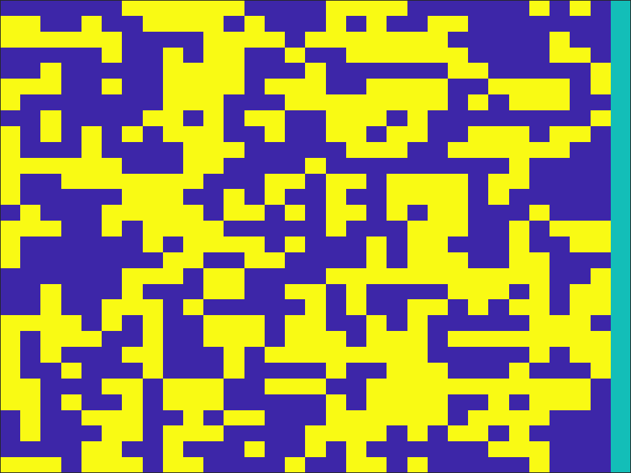
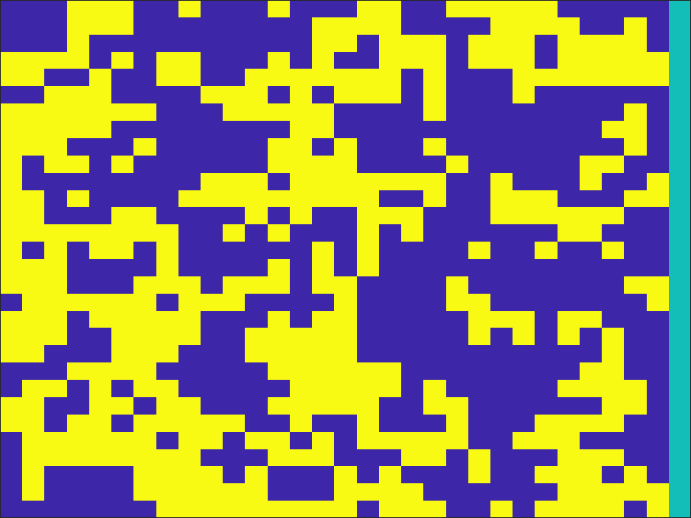

b = 0.6 | b = 0.7 |  | b = 0.8 | b = 0.9 | b = 1
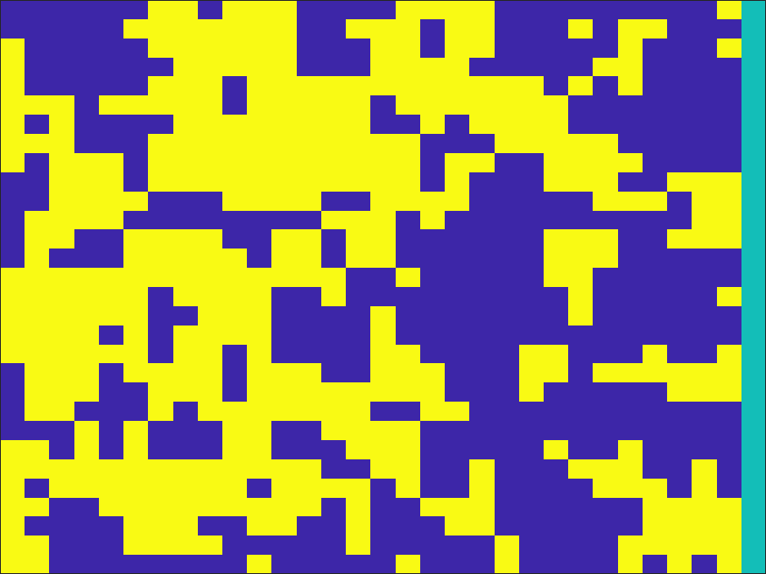





b = 1.1 | b = 1.2 |  | b = 1.3 | b = 1.4 | b = 1.5




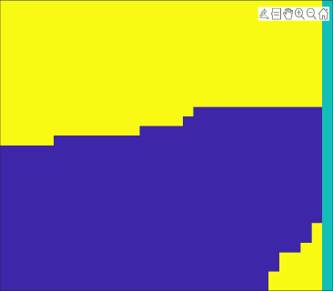

b = 1.6 | b = 1.7 |  | b = 1.8 | b = 1.9 | b = 2






Energía total

prueba2
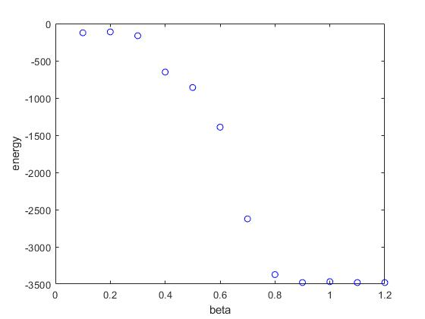

Estado Inicial |  | tiempo | 50000
 |  | n | 30
 |  | g | 1
 |  | h | 0

Betas
b = 0.1 | b = 0.2 |  | b = 0.3 | b = 0.4 | b = 0.5
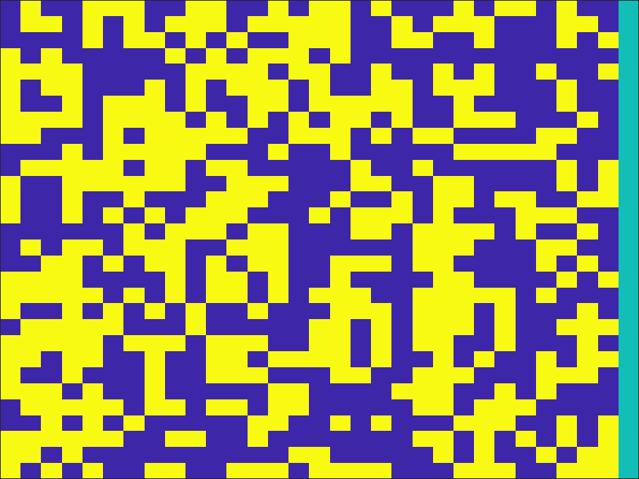
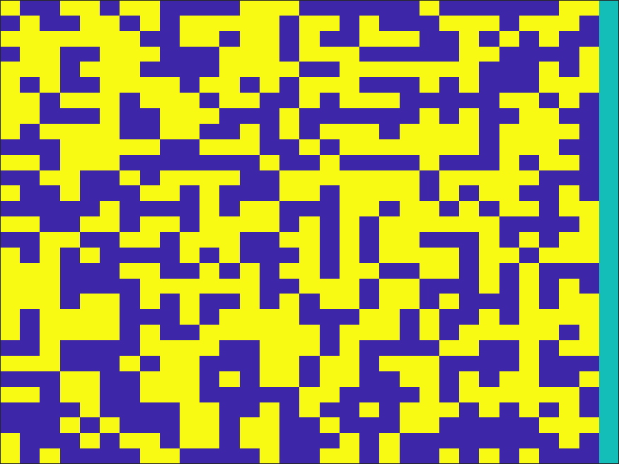
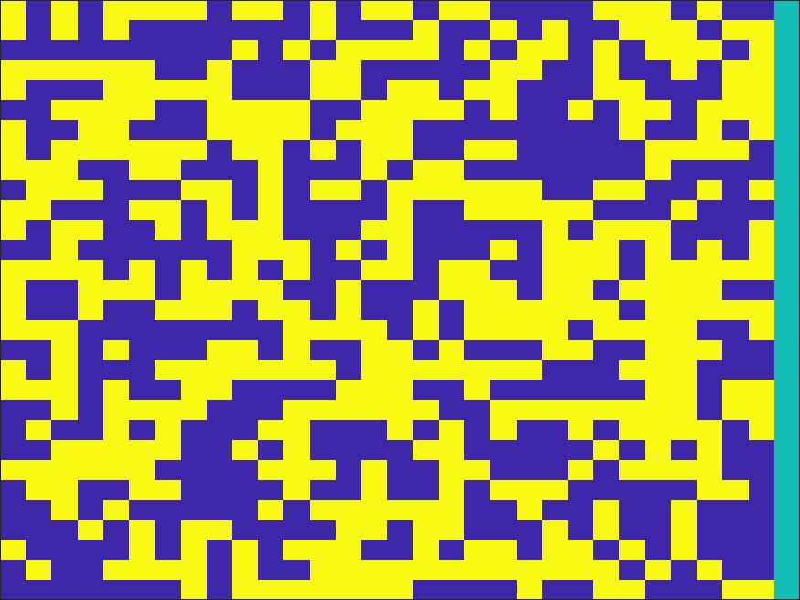
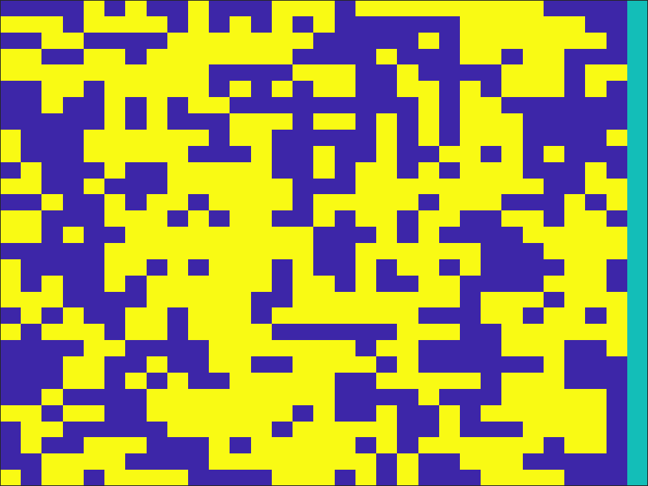
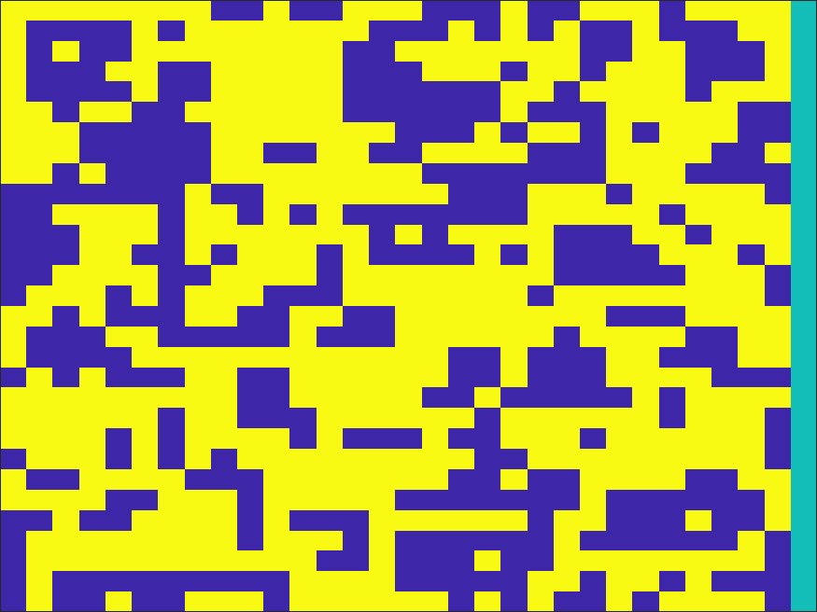

b = 0.6 | b = 0.7 |  | b = 0.8 | b = 0.9 | b = 1
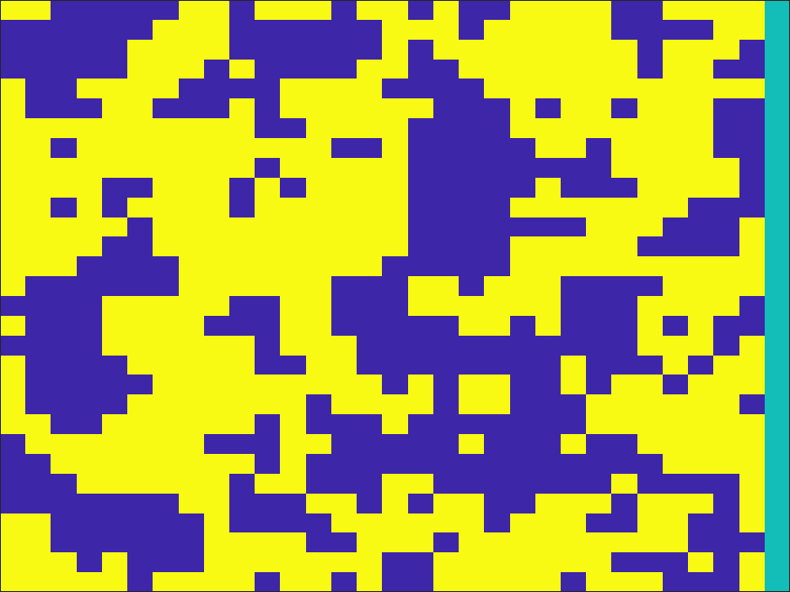
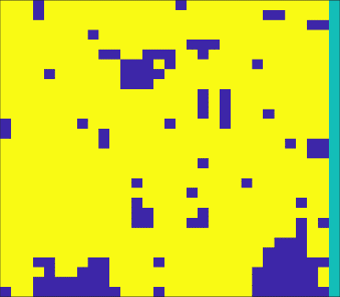




b = 1.1 | b = 1.2 |  | b = 1.3

Energía total

campoExterno

 |  | Estado inicial | tiempo | 1000000
 |  |  | n | 30
 |  |  | g | 1

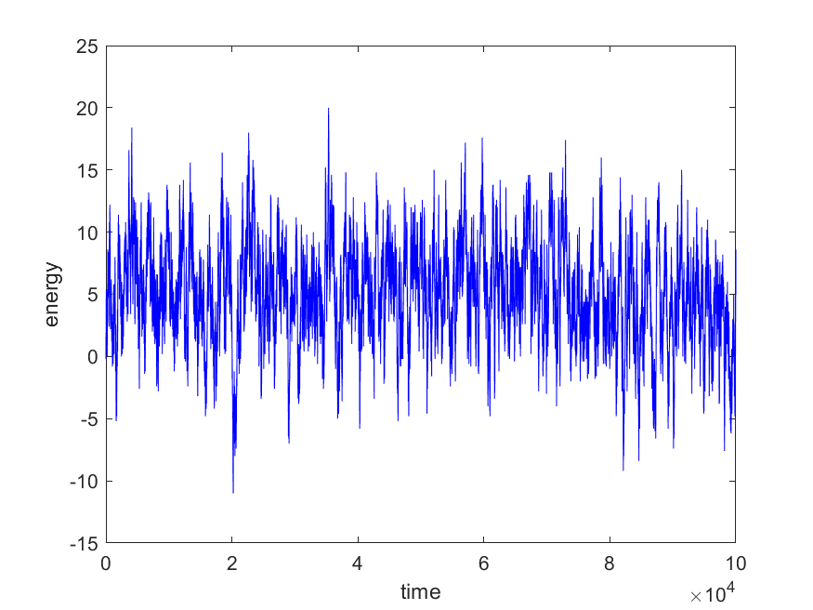
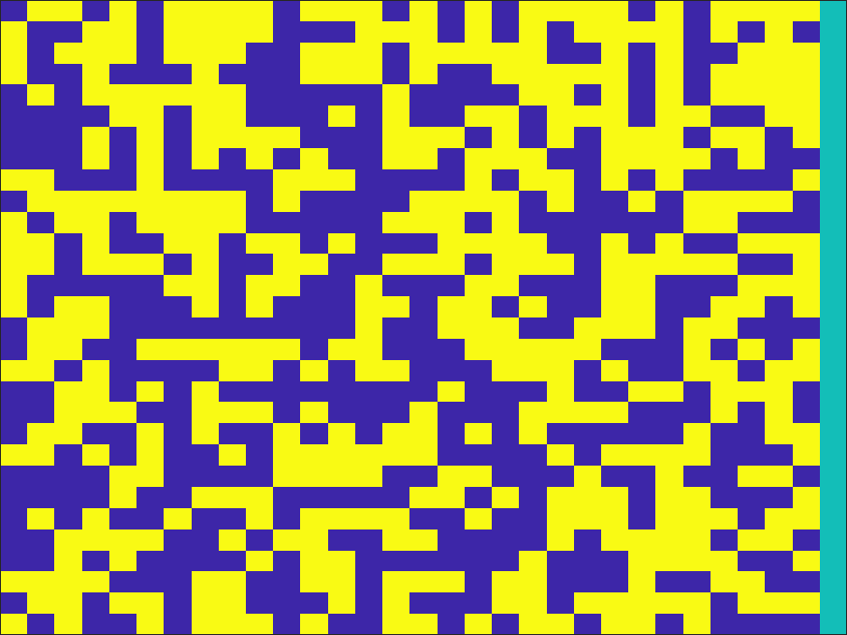
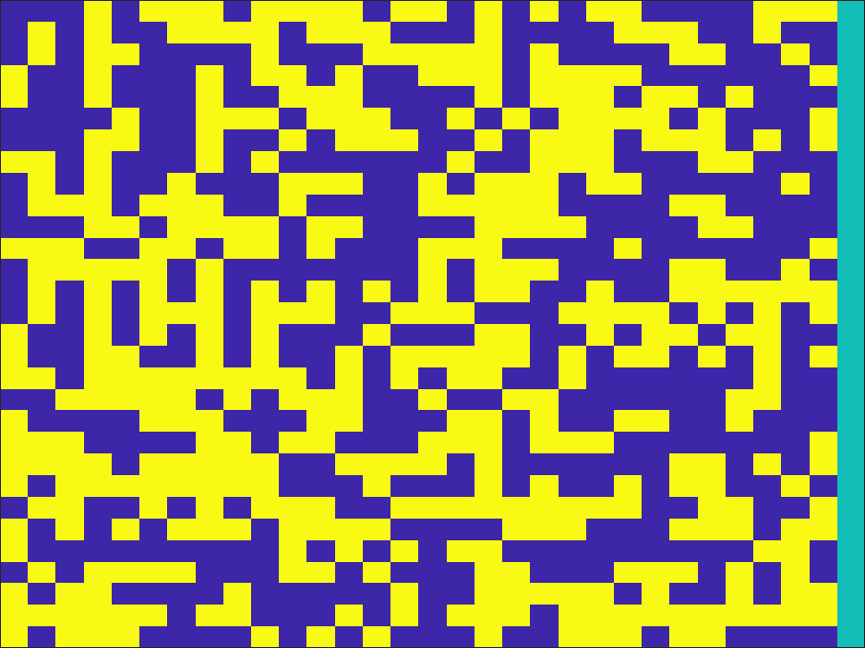
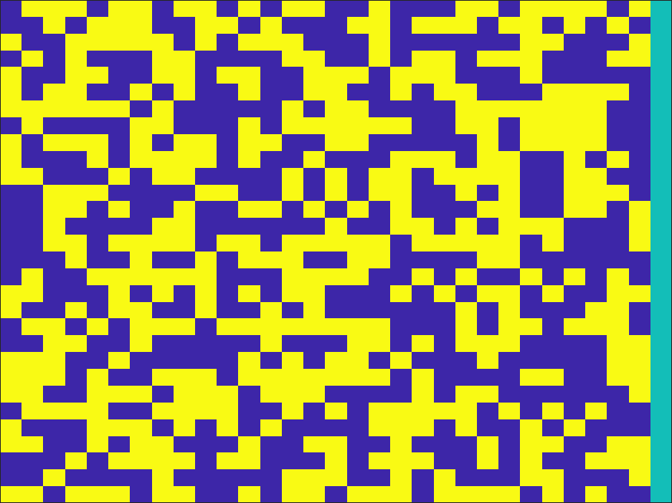
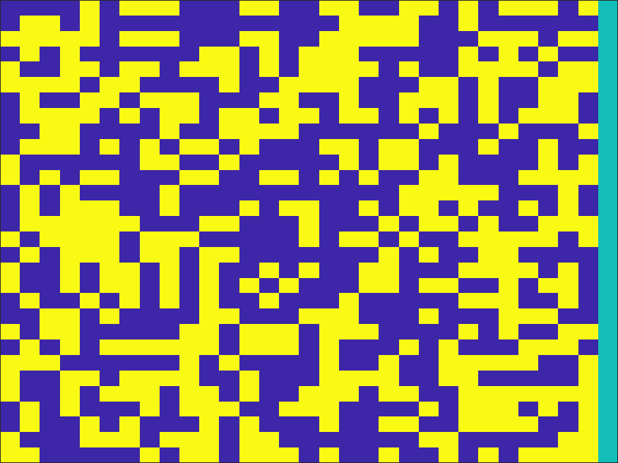
 |  | b = 0.1
 |  |  |  |  |  |  |  | b = 0.7
 |  | t = 100 | t = 1000 |  | t = 10000 | t = 100000
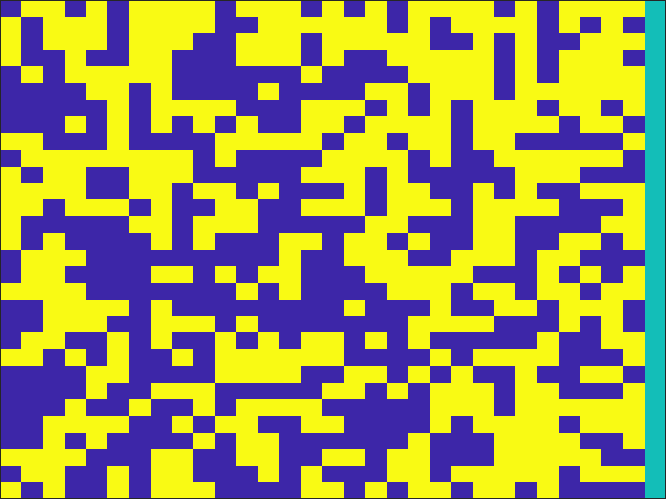
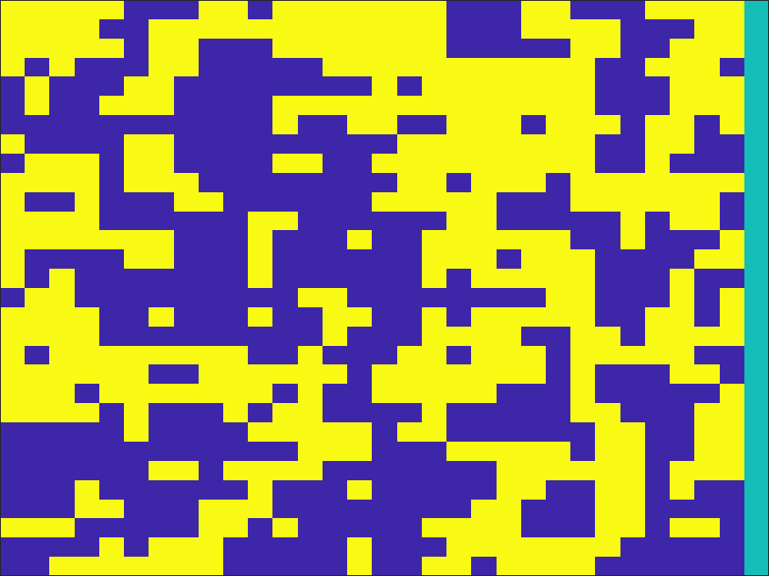


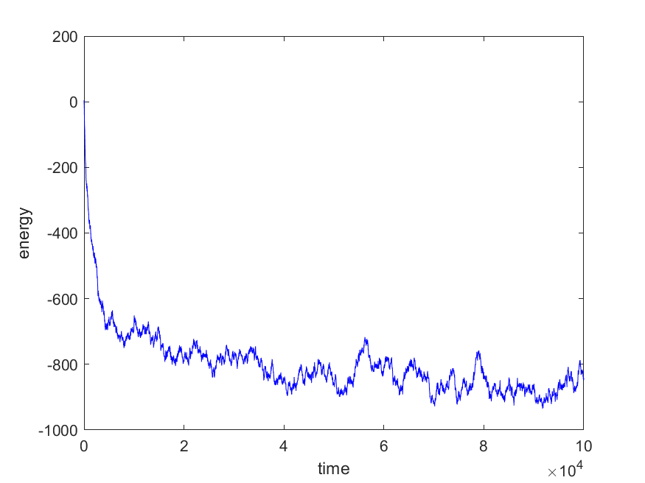
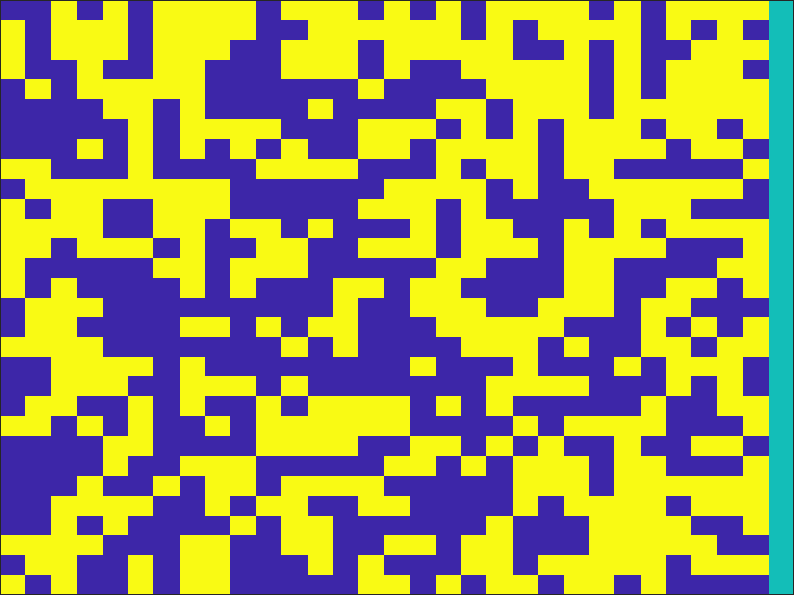
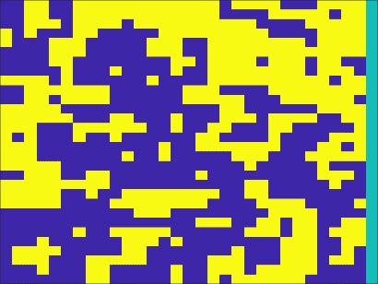
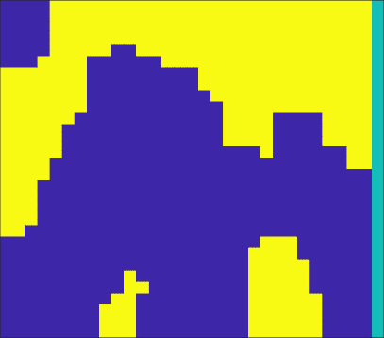

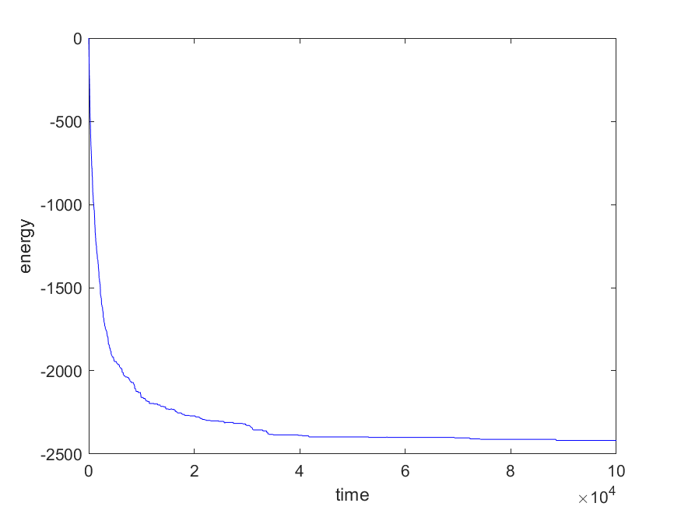
h = 0 |  |  |  |  |  |  | h = 0 |  | h = 0

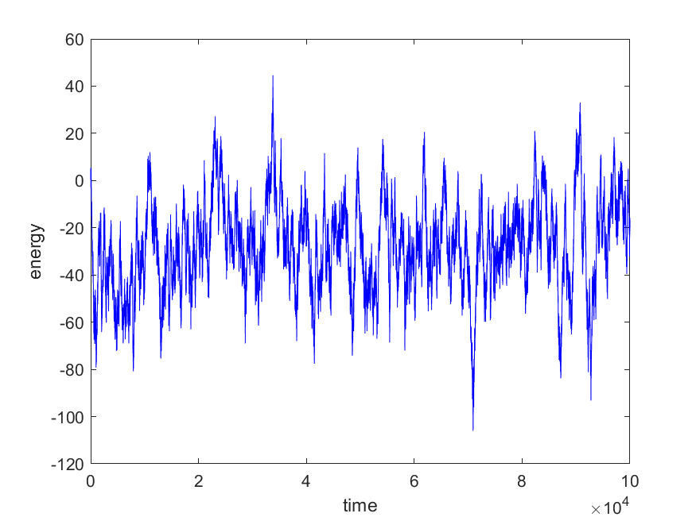

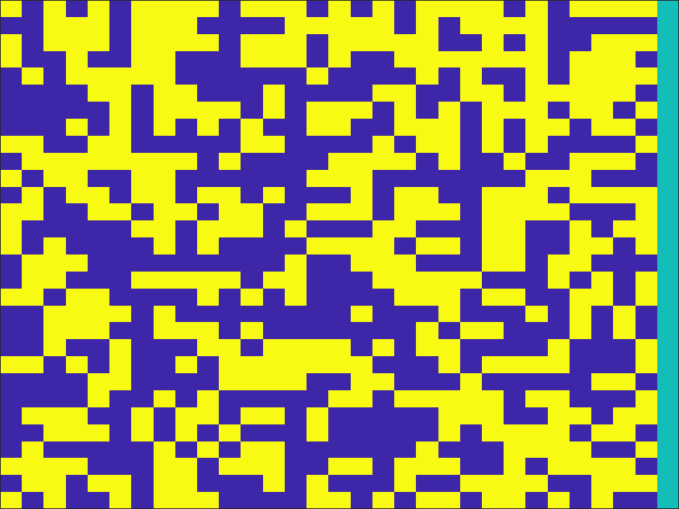
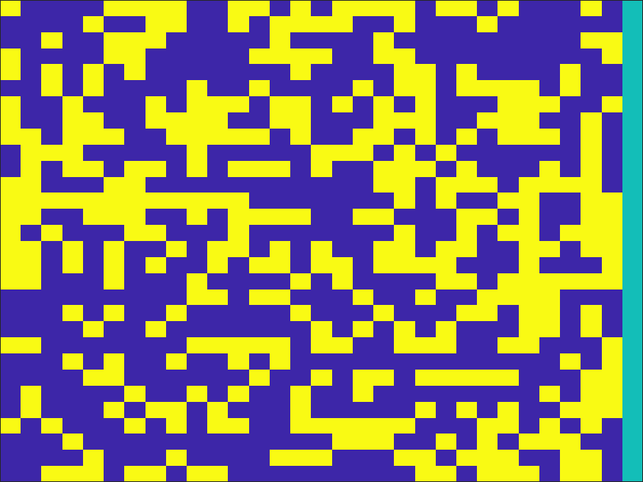
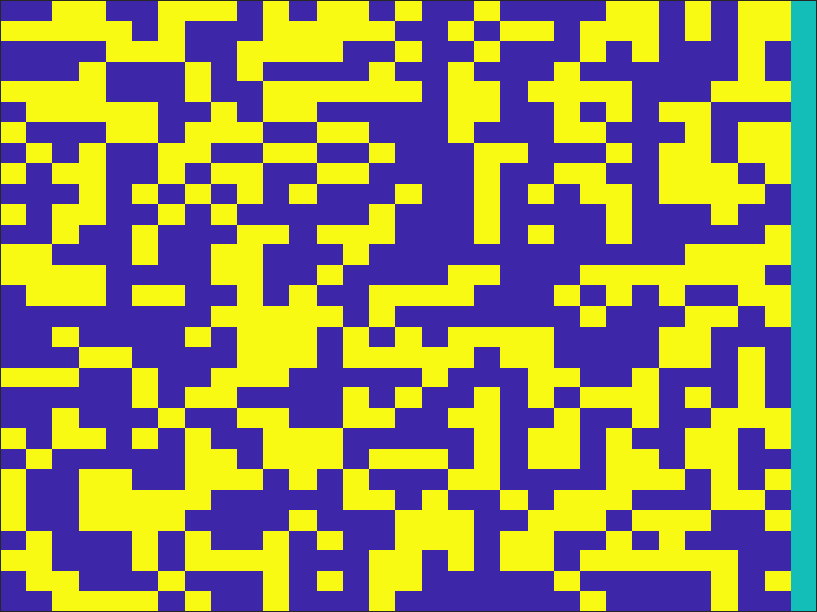
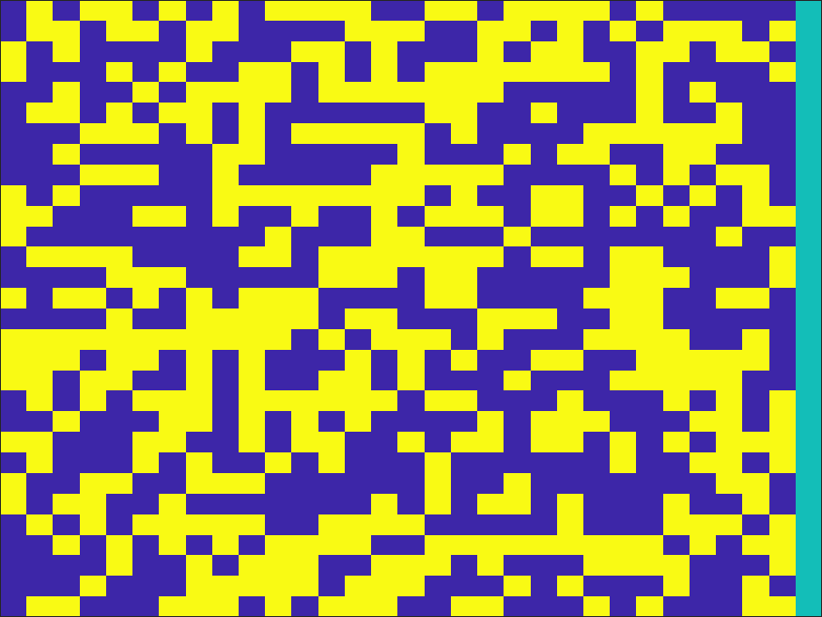
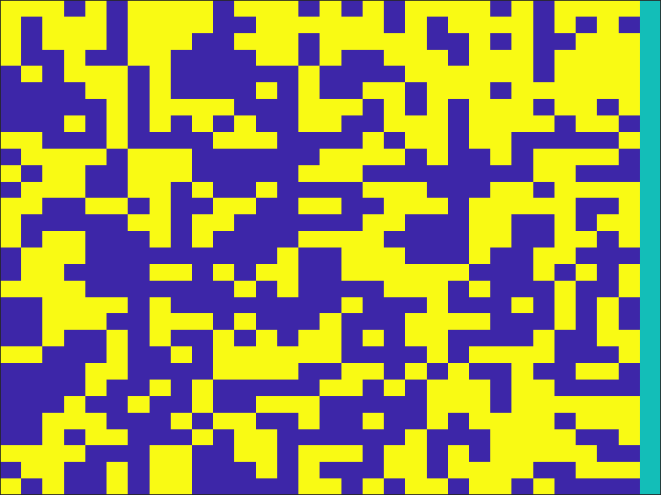
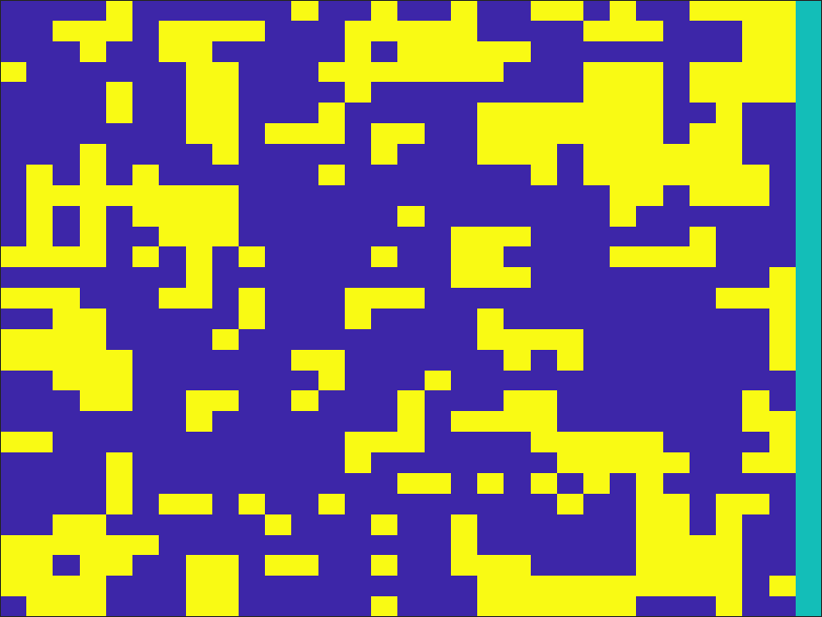


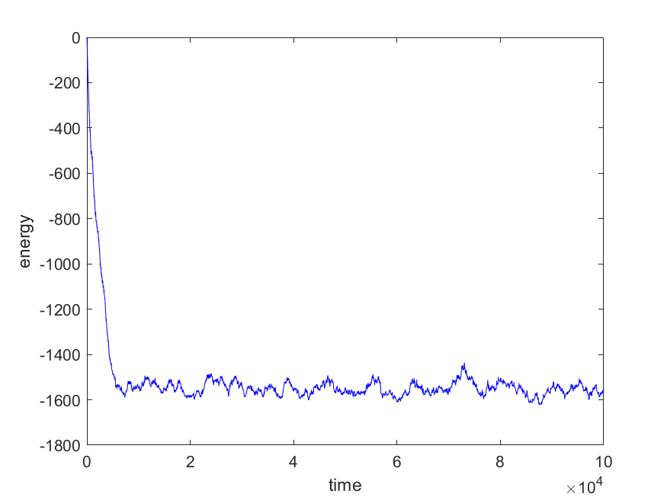
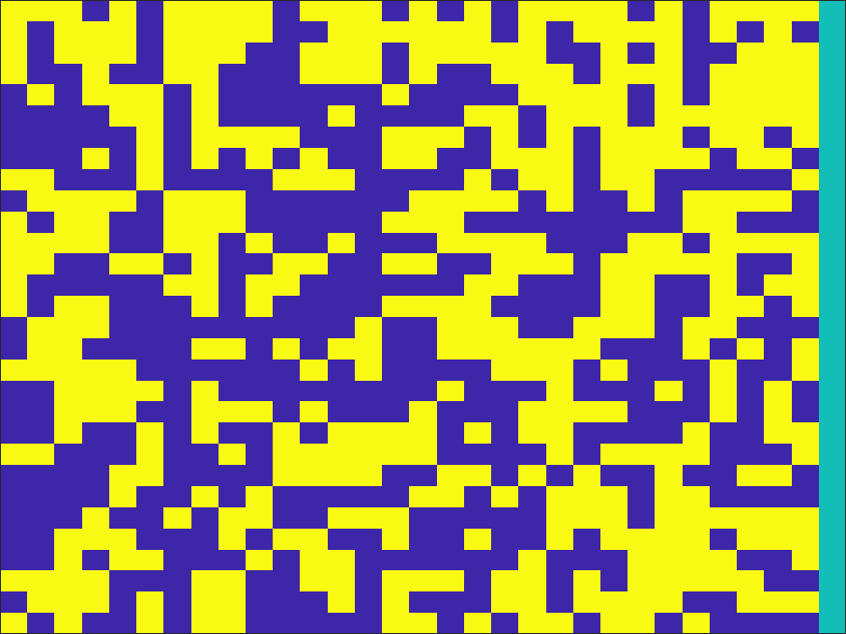



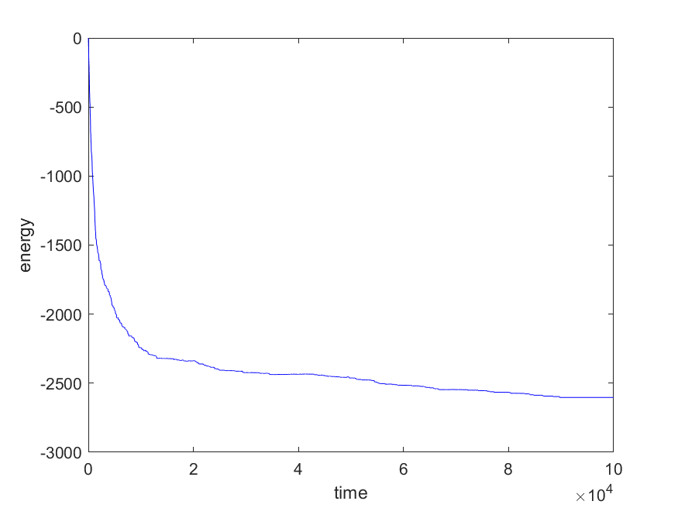
h = 0.5 |  |  |  |  |  |  | h = 0.5 |  | h = 0.1

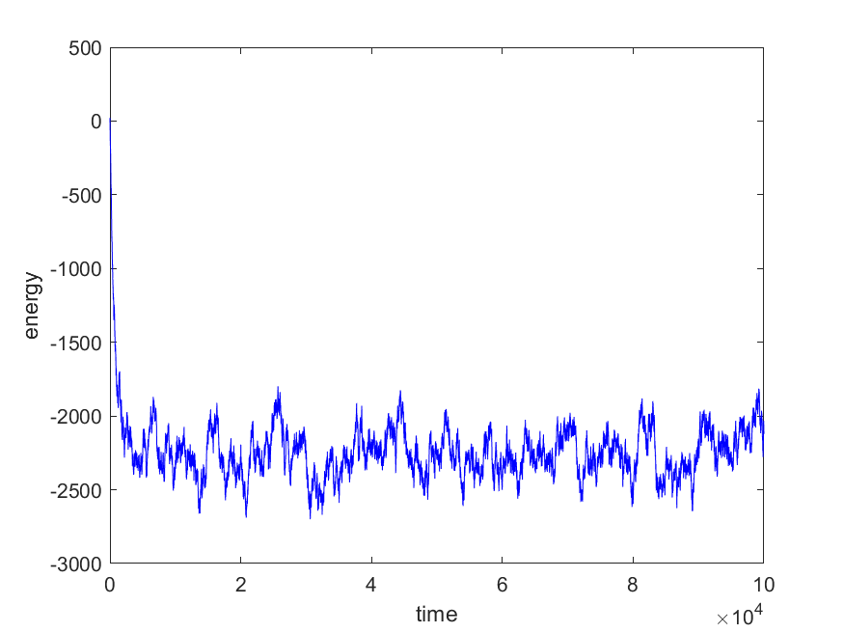
 |  |  |  |  |  |  |  |  |  |  |  |  |  | j

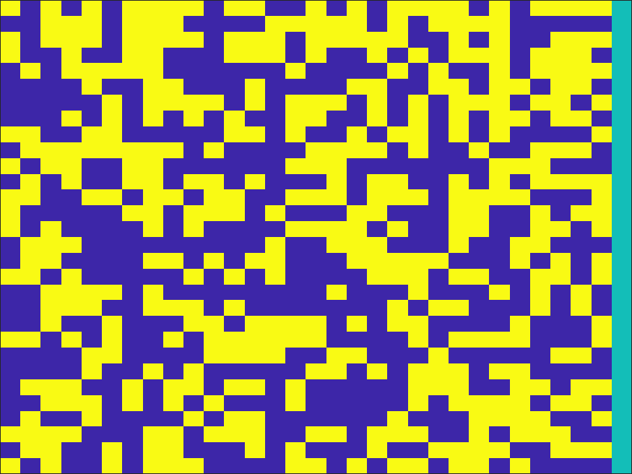
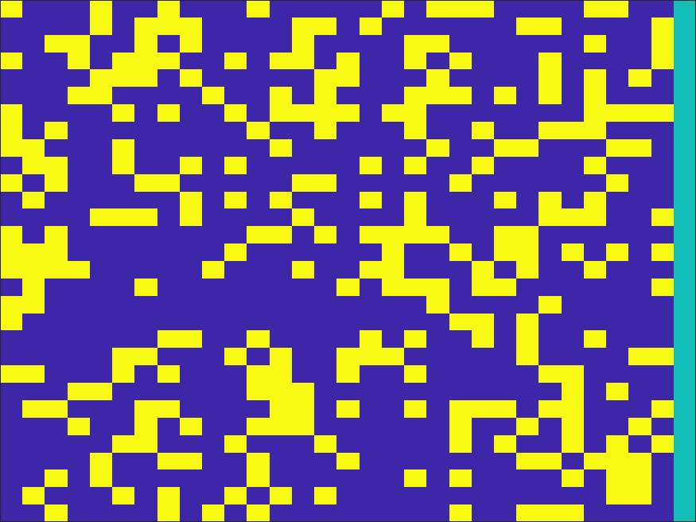
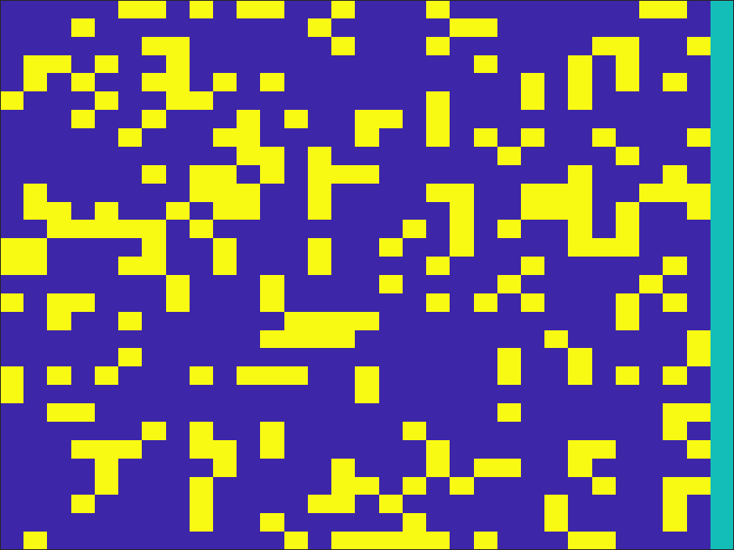
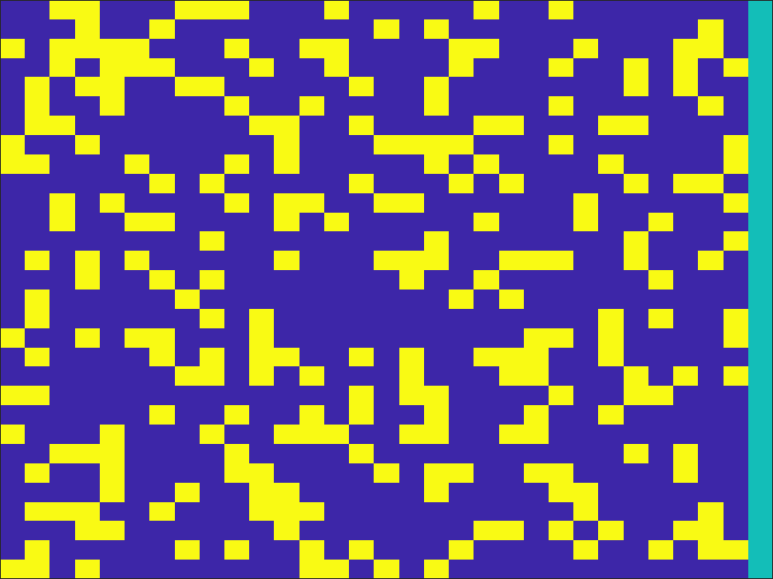
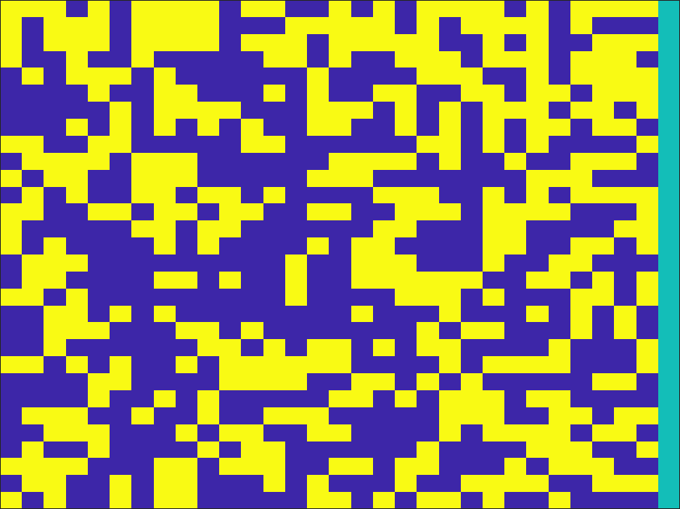



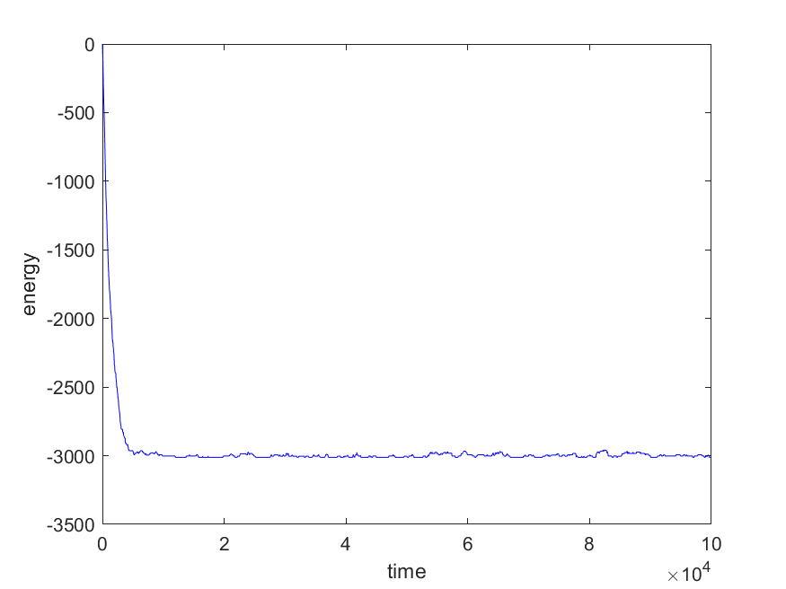
h = 5
 |  |  |  |  |  |  | h = 2

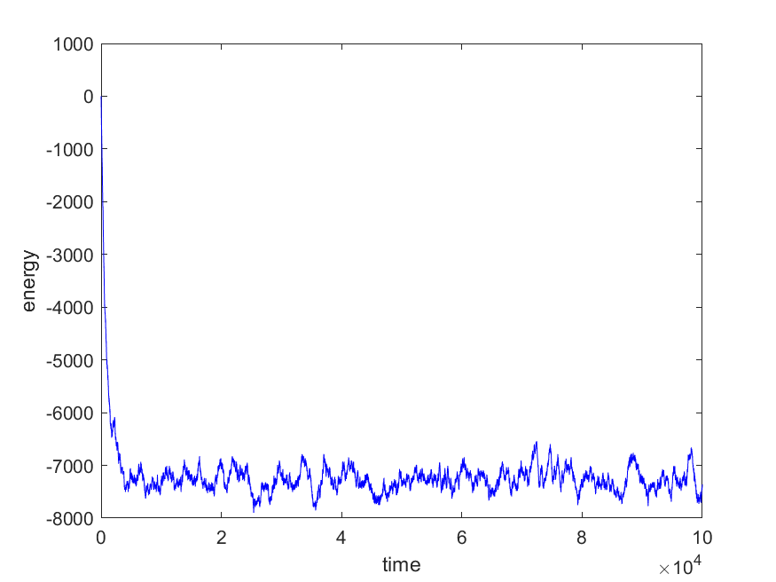

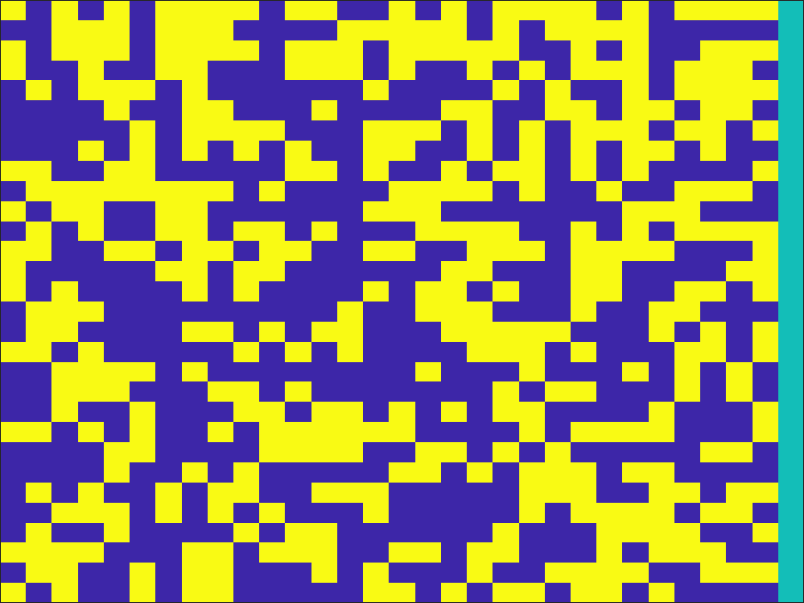
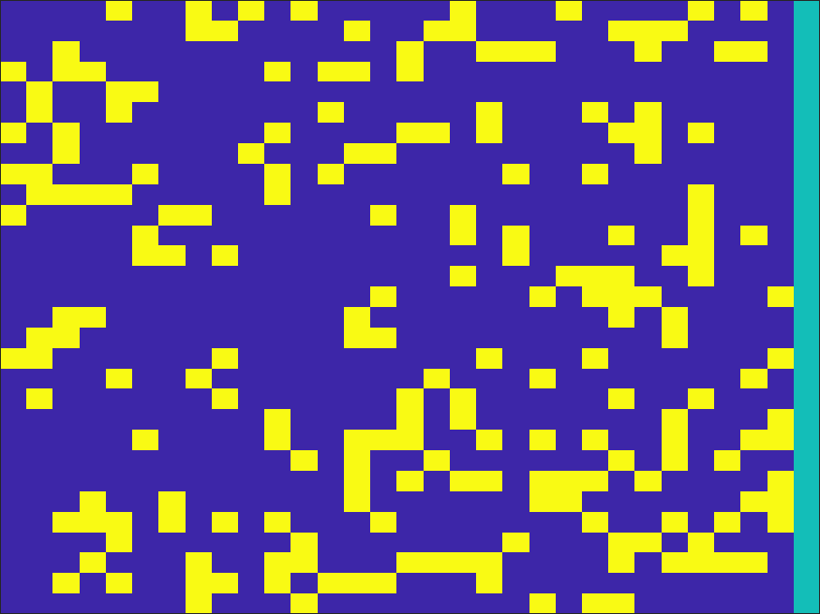
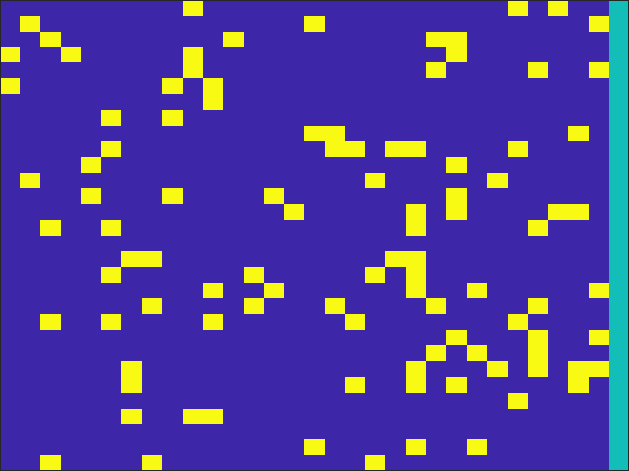
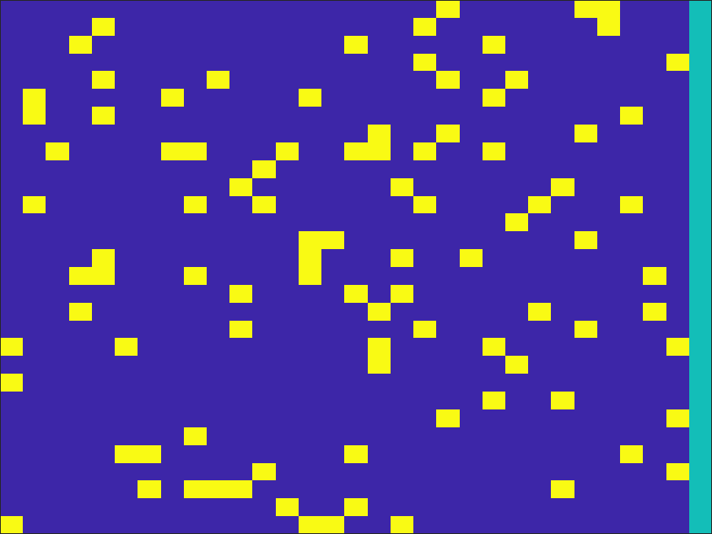
h =10


 |  | Estado inicial | tiempo | 1000000
 |  |  | n | 30
 |  |  | g | 1



 |  | b = 0.1 |  |  |  |  |  | b = 0.7 |  | b = 1.5












 |  |  |  |  |  |  |  |  |  | t = 10000 | t = 50000 | t = 75000 | t = 100000
 |  |  |  |  |  |  |  |  | h = 0
 | h = 0 |  |  |  |  |  | h = 0

















 | h = 0.5 |  |  |  |  |  |  |  | h = 1.5
 |  |  |  |  |  |  | h = 0.1














 | h = 5
 |  |  |  |  |  |  |  |  | h = 2.5
 |  |  |  |  |  |  | 0.5














 | h = 10
 |  |  |  |  |  |  | h = 1.5 |  | h = 3


 |  | Estado inicial | tiempo | 1000000
 |  |  | n | 30
 |  |  | g | N(0,1)




 |  | b = 1 |  |  |  |  |  | b = 5 |  | b = 10













 |  | t = 100 | t = 1000 |  | t =10000 | t=100000
 | h = 0 |  |  |  |  |  | h = 0 |  | h = 0

















 | h = 0.5 |  |  |  |  |  | h = 0.5 |  | h = 0.5












 | h = 5 |  |  |  |  |  | h = 5 |  | h = 5


 |  | Estado inicial | tiempo | 1000000
 |  |  | n | 30
 |  |  | g | N(0,1)




 |  | b = 1 |  |  |  |  |  | b = 5 |  | b = 10













 |  | t = 100 | t = 1000 |  | t =10000 | t=100000
 | h = 0 |  |  |  |  |  | h = 0 |  | h = 0

















 | h = 0.5 |  |  |  |  |  | h = 0.5 |  | h = 0.5











 | h = 5 |  |  |  |  |  | h = 5 |  | h = 5

