Sheet1
OXA1L Variants | Resistant Clone | Parental Cells | #Clones | Patient Sample | Cohort | Drug Treatment | Disease Progression
L279V | 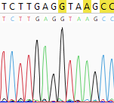 | 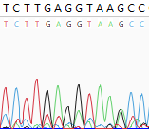 | 1
Q346H | 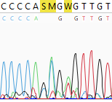 | 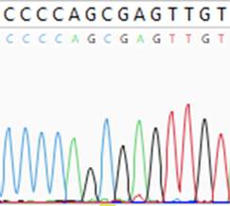 | 1 | MEL-JWCI-WGS-1 | Cutaneous Melanoma | None | Partial Remission
R358L | 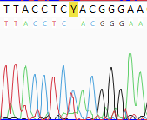 | 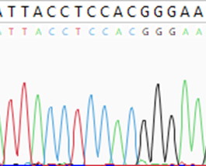 | 3 | TCGA-DA-A1I1 | Cutaneous Melanoma | Pembrulizumab | Deceased
R358S | 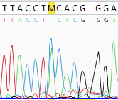 | 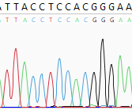 | 2 | TCGA-EY-A1H0 | Uterine Endometroid Carcinoma | Paclitaxel | Partial Remission
F365I | 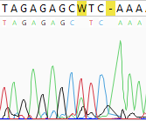 | 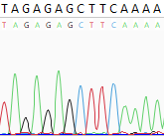 | 2
R386Q | 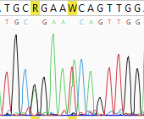 | 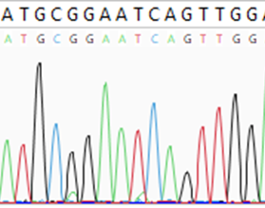 | 3 | TCGA-CK-4951 | Colorectal Adenocarcinoma | Na | Deceased
N387K | 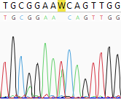 | 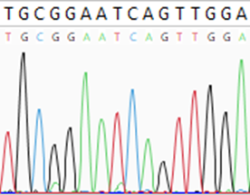 | 2
S419(AGC)5 |  |  | 7 | PIP15-70532 | Anaplastic Ependymoma | Na | Deceased

