Cover Sheet
 |  | 
FORD PHOENIX A2B REVEL FULL VALIDATION

Platform Name | Channel Description | SW Rev | Release Version
CDX707N | 12CH | 4.39.10 | R06

Test Engineer(s) | SW Engineer | Reviewed By | Date
Cesar Langner Cruz Francisco Deepa Shirangalayathisha | Luis Lopez | Omar Hernandez | 2023-08-06

SW.Req: Version | Approval
 | Benjamin Mejia

System Qualification
Number of Tests | Tests Executed | Execution Percentage %
122 | 99 | 81.147540984

Number Omitted Tests | Omitted Percentage %
23 | 18.852459016

Summary
FORD PHOENIX A2B REVEL FULL VALIDATION
System Qualification Summary
No. | Feature Set | Testability | Results | Comments
1 | ANC | Manual | Pass
2 | Audio Inputs | Manual | Pass
3 | Audio Outputs | Manual/Automatic | Fail | CASREVA2B-5567
4 | Basic Audio Controls | Manual/Automatic | Pass
5 | Beeps/Chimes | Manual | Pass
6 | BUS | Manual/Automatic | Fail | CASREVA2B-5599
7 | Diagnostics | Manual | Pass
8 | EQ Capability | Manual | Pass
9 | Hands-Free Mode Audio | Manual | Pass
10 | Mute | Manual/Automatic | Pass
11 | My Key | Manual | Pass
12 | Emergency Call Trigger | Manual | Fail | CASREVA2B-5636
13 | Navigation Audio | Manual | Pass
14 | Power/Audio Management | Manual | Pass
15 | Speaker Walk Around | Manual | Pass
16 | Surround Sound | Manual | Pass
17 | Vehicle Speed Compensation | Manual | Pass
18 | Warning Sounds | Manual | Pass
19 | Programming and Configuration | Manual | Pass
20 | Audio Interrupt and Mixing | Manual | Pass
21 | Cyber Security | Manual | Pass

Customer Part Numbers
DID values |  | Customer Part Number
DID 0xF188 |  | RC5T-14C589-AE
DID 0xF113 |  | R2TT-18B849-EF
DID 0xF110 |  | DSR2JT-18B849-AE
DID 0xF111 |  | RC5T-14F171-AC
DID 0xF10A (Vehicle EQ Allocation also) |  | R2TT-14C656-EE
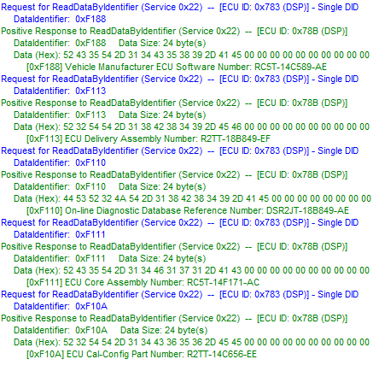

EQ & Checksum Details
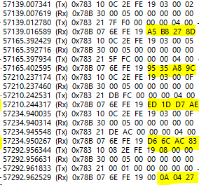

BOOTLOADER

EQ TABLE

APPLICATION

FULL FLASH

SW VERSION

