Control list
Item | button/switch | Hard/Soft | graph | C/O
1. Door Trim
1L | Door lock &Window & Ext RR mirror pack | H |  | MI CD542
China Low
China High
2L | Window & Ext RR mirror pack |  |  | MI CD542
 | Power front windows one touch up/down | H | 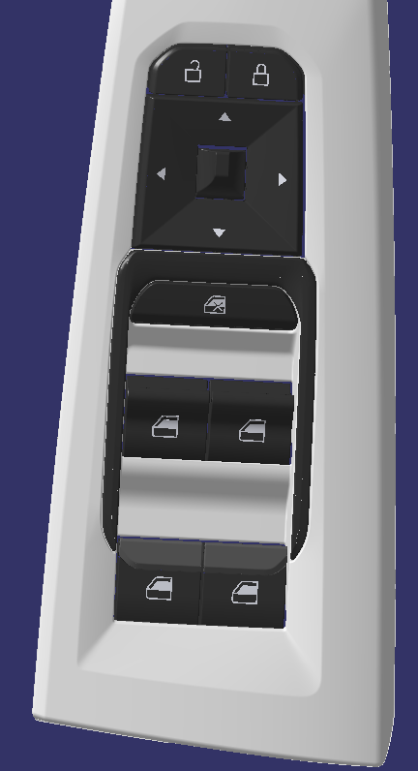
 | Power rear windows one touch up/down | H
 | Power Exterior Mirrors (adjustment) | H
 | Power Window Lock | H
2. IP & Steering wheel
3 | AR HUD/ TFT HUD | L
4 | Headlamp switch pack |  |  | CO CD542
 | Rear Fog Lamp | H | 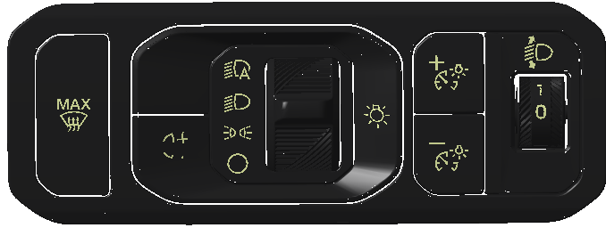
 | Conventional Headlamp Control | H
 | Automatic headlamp control | H
 | Front headlamps leveling manual | H
 | Smart surface brightness adjustment | H
 | MAX defrost | H
5 | Trunk Release | H |  | CO CD542
6a | Indicator stalk | H |  | CO CDX706
6b | wiper stalk | H |  | CO CDX706
 | wiper stalk - Rear | H
 | wiper stalk - speed sensitive | H
 | wiper stalk - rain sensitive | H
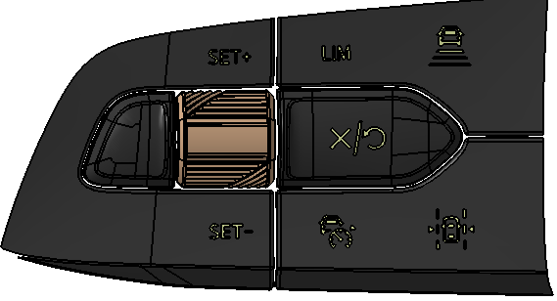
7a | Steering wheel switches | H |  | CO CDX706
LEFT | SET+ | H
 | SET- | H
 | CRUISE CONTROL | H
 | ADAPTIVE CRUISE CONTROL | H
 | LANE KEEP ASSIST | H
 | Speed Limiter | H
 | CANCEL / RESUME | H
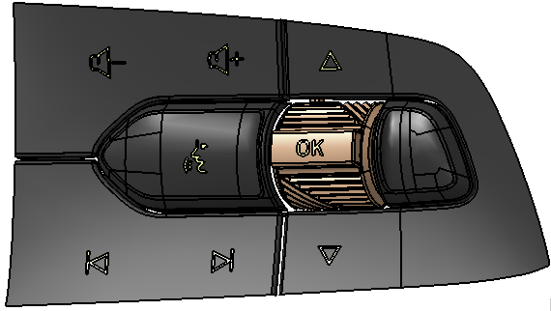
7b | Steering wheel switches | H |  | MI CDX706
RIGHT | OK | H
 | VOICE OPERATION | H
 | ARROW- UP | H
 | ARROW- DOWN | H
 | SEEK FORWARD / UP | H
 | SEEK BACK / DOWN | H
 | VOLUME INCREASE | H
 | VOLUME DECREASE | H
8 | STOP/START(including PTS) | H |  | CO CD542
3. Center console
9 | Mono-shifter | H |  | CO CDX706
10 | Console switch | H |  | CO CDX706
 | Hazard | H | 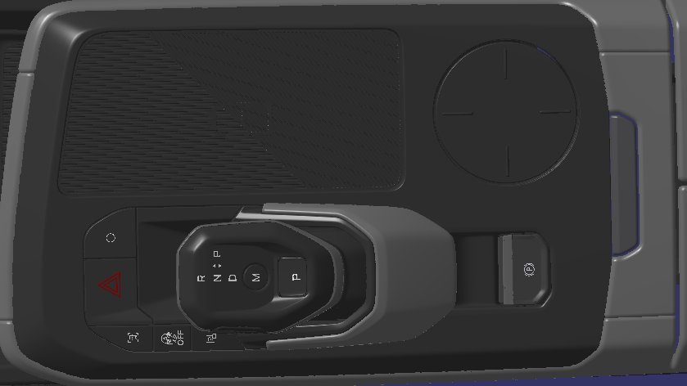
 | DAT Hot Key | H
 | Auto start stop | H
 | Parking menu | H
 | Audio power | H |  | new design
11 | EPB | H |  | MI CDX706
12 | wireless charger | H |  | MI CDX706
13 | volume control - on/off | H
14 | 12v outlet inside console | H
15 | USB(Type A+Type C) | H
16 | Key holder | H
4. Seats
17 | power 6-way DRV seat adjustment | H | 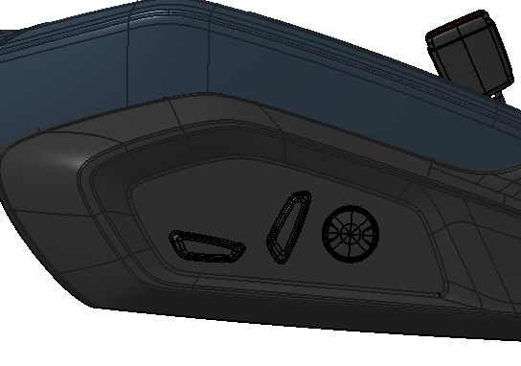 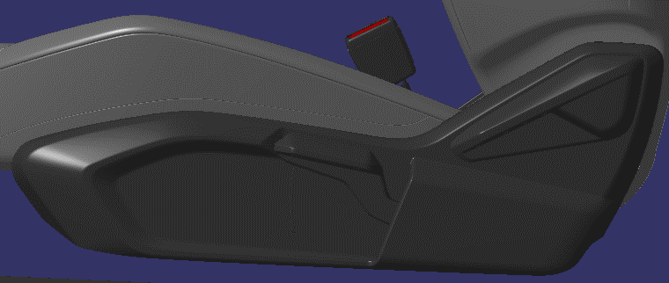 | MICD542
5. OHC
23
18 | courtesy lamp | H | 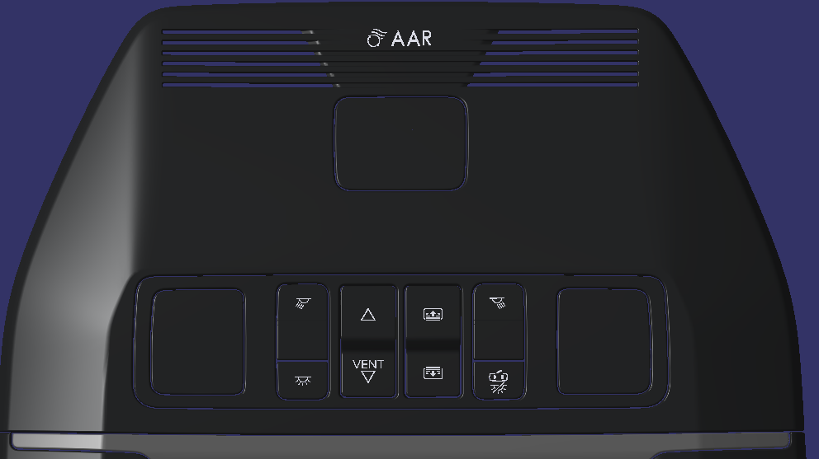
24
19 | sunroof switch | H
22a
22b
19
20
20 | sunblind switch | H
18
21
21 | Interior light switich | H
22 | reading lamp switch-DRV/PASS | H
23 | AAR switch | H
24 | E-Call | H
6. Back of floor console
25
25 | USB(Type A+Type C) | H | 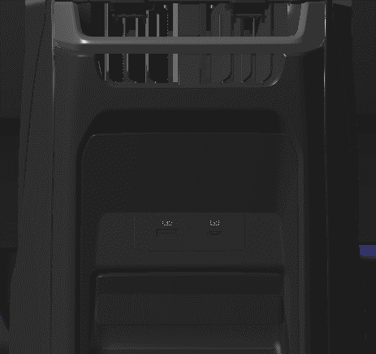
7. Cargo
26 | 12V | H
27 | Cargo Light | H

Diagram
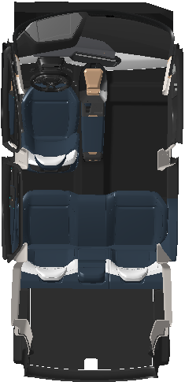
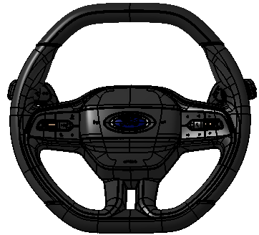

AR HUD or TFT HUD

6a
6b

4
2
5
1-FL
8
7b
7a
6b
1-FR
2-FL
6a
8
7a
7b
5
13
10
2-FR
9
16a
10
15
11
16b
16

14
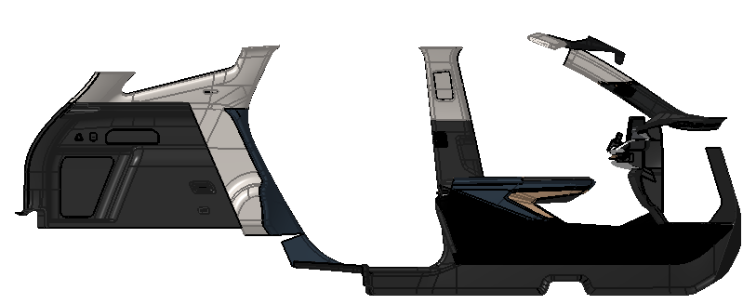

25
OHC

2-RL
2-RR
26

25
14
16
15

27
25
26

