CX727 Layouts
CX727 Warning Layouts (Graphics below are preliminary, but layouts should be very close)

Assumptions
1 | Text warning have one layout regardless of number of lines due to it being centered both vertically and horizontally文本警告有一个布局，无论行数多少，因为它是垂直和水平居中
2 | No titles shown in banner
3 | Icons are shown in banner if applicable图标显示在横幅如果适用
4 | One size warning box for all warnings
5 | Dynamic data does not require unique layout动态数据不需要唯一的布局
6 | 3 Colors: Amber, Red, Neutral三种颜色:琥珀色、红色、中性色
7 | Different colors do not require unique layouts不同的颜色不需要独特的布局
8 | Warnings having icons do not require unique layouts带有图标的警告不需要独特的布局
9 | Having a "close" button or not, does not require unique layout无论是否有“关闭”按钮，都不需要独特的布局

Layout
 | Description | Graphical Example | Questions:
1 | 2 Line with 2 choices | 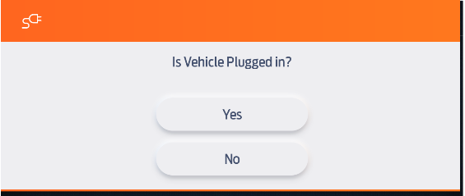 | 1) Longest choice text string is for W345. "All Sensors" and "Perimeter Sensing" are the two choices. 2) Longest body text is W3570. "Turn Off Traction Control To Aid in Getting Unstuck?

Tire Low
psi
2 | Unique TPMS layout | 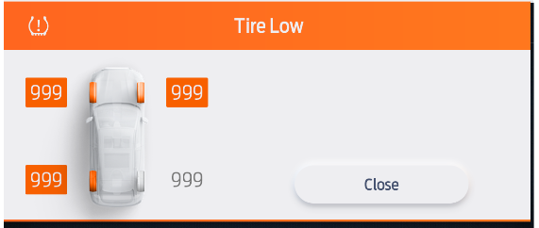

3 | Text Only - up to 7 lines | 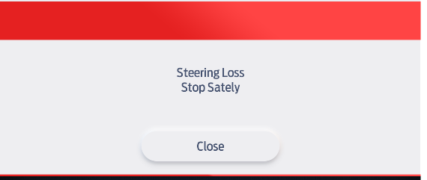

4 | 1 line + Rear Beltmonitor graphic | 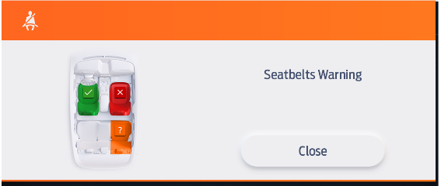

5 | Considerate prompt (due to selection needing larger button to hold the text) | 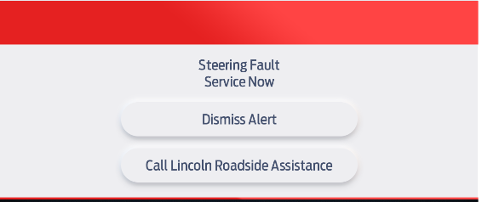 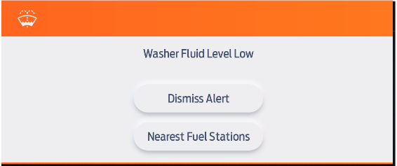 Two examples of this layout | It was discussed if this layout is the same as Layout 1, Ron/Lucy would like this to be a unique layout

Tire Low
psi
6 | Text + 2 choices(have current states) + Graphic | 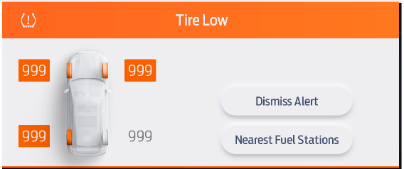 | Unique TPMS considerate prompt warning layout

7 | 3 lines Text + Rendered graphic | 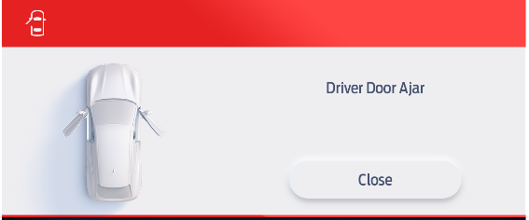

RTT_TT_Icon_Graphic
Previous Approved Symbol Database |  | Latest Approved Symbol Database
Database # | Reference Graphic ONLY | Database # | Reference Graphic ONLY | COMMENTS
k.08 |  | K.155

H.905 |  | M.160, M.161, M.162 |  |  | Amber in color. Can be shown in various shapes per program.
 |  |  |  |  |  | New Icons
Z.902 |  | M.203 |  | HEV HAZARD

L.02 |  | L.101

L.17 |  | L.102 or L.103 | L.102 |  | Depends on type of liftgate which icon to use. This should be covered in vehicle specific wallpaper/cluster model
 |  |  | L.103
J.18

F.04 |  | F.050

F.06 |  | F.052

M.01 |  | M.001 |  |  | RTT/TT: Red

F.03 |  | F.100

B.906

tbd.2 |  |  |  | Rear Parking Aid Radar change change colors (Blue,Amber,Red) | Can be shown in various shapes per program.

tbd.3 |  |  |  | Front Parking Aid Radar change change colors (Blue,Amer,Red) | Can be shown in various shapes per program.

tbd.4 |  |  |  | Cross Traffic (car from Left) | Can be shown in various shapes per program.

tbd.5 |  |  |  | Cross Traffic (car from Right) | Can be shown in various shapes per program.

G.01 |  | G.001
 |  |  |  |  | Amber only, red removed
 |  | G.001
 |  |  |  |  | Neutral color
#
tbd.7 | or | K.002 |  | Rear Belt Monitor (RTT) ? = Fault, # = number of belts 0-9

tbd.8 |  |  |  | Rear Belt Monitor (RTT + Belt Status) ? = Fault, ! = Warning, √ = Buckled, □ = Unbuckled

X.936 |  | H.005
 |  |  |  |  |  | X.001
N.910b

F.919 |  | F.252 |  |  | Amber in color for Icon
 |  |  |  |  | RTT Neutral, Amber, Green
K.15 |  | K.103 |  |  | See specific program HMI

A.19 |  | A.050

B.900 |  | B.007 |  | (Amber) | If going to EU, use:

tbd.9 |  |  |  | Driver Alert (use appropriate Graphic)

L.05 |  | L.002 |  | Doors Unlocked

L.09 |  | L.003 |  | Child Lock - Locked

L.10 |  | L.004

C.05 |  | C.004

B.928 |  | B.015 |  | Hill Holding Car Vehicle shape can be modified as required

tbd.10 |  | H.051 |  | Shift Down

J.09 |  | J.002

tbd.12 |  |  | ? | 6-Step Daytime Dimming

tbd.13 |  |  | ? | 12-Step Nightime Dimming

J.16 |  | K.152 |  | Frost Indication(Amber Only)

T.9951 |  |  |  | FOH_Enabled_RTT (Amber)

D.31 |  | D.151 |  | FOH_Operating_RTT (Amber)

tbd.15 |  | K.105a |  | BLIS OFF RTT

M.12 |  |  |  | Ready to Drive

tbd.16 |  | M.005a |  | China: Depleted Battery RTT (Red)

tbd.16 |  | M.005a |  | China: Low Battery + Climate RTT(Yellow) Orientation dependent on Design theme

tbd.16 |  | M.005b |  | Depleted Battery RTT (Red) Orientation dependent on Design theme

tbd.16 |  | M.005b |  | Low Battery + Climate RTT(Yellow) Orientation dependent on Design theme

M.10 |  | M.100 |  | xEV Plug RTT | shown in Amber or Red depending on warning(amber warning will show amber icon, Red warning will show red icon)

J.17 |  | M.201 |  | xEV Limited Performance (Yellow)

J.17 |  | M.201 |  | xEV Limited Performance (Red)

J.14 |  | K.050 |  | Service Advancetrac Icon (Amber)

tbd.17 |  | K.154 |  | Driver Alert Icon (Amber)

tbd.17 |  | K.154 |  | Driver Alert Icon (Red)

F.915 |  | F.054 |  | Change Oil Icon
 |  |  |  |  | Wrench can be shown vertically as option
J.15 |  | K.051 |  | Traction Control Off Icon

H.07 |  | H.002 |  | Transmission Icon
 |  |  |  |  | Neutral
H.07 |  | H.002 |  | Transmission Icon
 |  |  |  |  | Amber
H.07 |  | H.002 |  | Transmission Icon
 |  |  |  |  | Red
H.900 |  | H.050 |  | Upshift Warning
 |  |  |  |  | green
tbd.20 |  |  |  | 5 button PEPS key
G.10 |  | G.002 |  | Water in Fuel
L.01 |  | L.100, L.101, L.102, L.103 |  | Hood Ajar Warning | Symbol can be modified per vehicle type.

F.923 |  | F.204 |  | ARC Warning
tbd.22 |  | E.001 |  | Tow/Haul
J.11 |  | J.101 |  | Reverse Park Aid Fault
tbd.23 |  |  |  | Sport
J.925 |  | J.011 |  | GCC Overspeed Warning
J.13 |  | J.006 / J.007 |  | Hill Descent Control | Symbol can be modified per vehicle type.
J.351 |  |  |  | Terrain Response: Snow Mode
J.930 |  |  |  | Terrain Response: Normal Mode
J.931 |  |  |  | Terrain Response: Snow/Mud Mode
J.932 |  |  |  | Terrain Response: Mud Mode
J.933 |  |  |  | Terrain Response: Sand Mode
J.934 |  |  |  | Terrain Response: Crawl Mode
J.404 |  |  |  | Terrain Response: Rock Mode
tbd.26 |  | I.007 |  | Sport +
tbd.27 |  | I.008 |  | Track
tbd.28 |  | I.010 |  | Snow/Wet
tbd.29 |  |  |  | 4x2
tbd.30 |  |  |  | 4x4 High
tbd.31 |  |  |  | 4x4 Low
tbd.32 |  |  |  | 4x4 Auto
I.08 |  | I.154 |  | eLocker
K.16 |  |  |  | LDW OFF
A.903 |  | A.002 |  | Auto Highbeam
J.08 |  | J.001 |  | Cruise Control
tbd.33 |  | I.006 |  | Sport (Mustang)
tbd.34 |  |  |  | Drive Mode: Normal
tbd.35 |  |  |  | Collision Warning | Can be shown in various shapes per program.
D.990 |  | D.100 |  | Memory Seat
tbd.41 |  | J.010 |  | Adjustable Speed Limit
B.202 |  | B.013 |  | Auto Hold RTT/TT (Green)
B.203 |  | B.014 |  | Auto Hold RTT/TT not available state (Neutral)
J.980 |  | J.102 |  | Auto Park
tbd.46 |  |  |  | Steering Feel: Normal | Color of RTT/Icon dependent on vehicle theme
tbd.47 |  |  |  | Steering Feel: Sport | Color of RTT/Icon dependent on vehicle theme
tbd.48 |  |  |  | Steering Feel: Comfort | Color of RTT/Icon dependent on vehicle theme
tbd.49 |  |  |  | TPMS Individual Pressure indication | Graphic can be modified per program (Car/Truck/SUV)
tbd.50 |  |  |  | TPMS Individual Pressure indication | Graphic can be modified per program (Car/Truck/SUV)
tbd.51 |  | L.207 |  | Tailgate Lock (Police) - Amber
X.07 |  | X.001 |  | Service Icon | amber
J.04 |  | I.100 |  | Active Steering | amber
J.04 |  | I.100 |  | Active Steering | red
tbd.53 | Vehicle specific graphic of location |  |  | Backup PEPS slot
F.27 |  | F.205 |  | DEF Icon

tbd.54 |  |  |  | 4X2 High | Like TBD.29
tbd.55 |  |  |  | 4x4 High | Like TBD.30
tbd.56 |  |  |  | 4x4 Low | Like TBD.31
tbd.57 |  |  |  | 4x4 Auto | Like TBD.32
tbd.58 |  |  |  | Tow/Haul | Like TBD.22
tbd.59 |  |  |  | Sport Mode | Like TBD.33
G.12 |  | G.050 |  | Check Fuel Cap
tbd.60 |  |  |  | Normal Drive Mode (Inactive) | Active is tbd.34
tbd.61 |  |  |  | Drag Strip Drive Mode (Active) | Color of RTT/Icon dependent on vehicle theme
tbd.62 |  |  |  | Drag Strip Drive Mode (Inactive) | Color of RTT/Icon dependent on vehicle theme
tbd.63 |  |  |  | Sport Mode (Active) | Like previous versions, tbd.23, tbd.33, tbd.59 | Color of RTT/Icon dependent on vehicle theme
tbd.64 |  |  |  | Sport Mode (Inactive) | Color of RTT/Icon dependent on vehicle theme
tbd.65 |  |  |  | Track Drive Mode (Active) | Like previous versions, tbd.27 | Color of RTT/Icon dependent on vehicle theme
tbd.66 |  |  |  | Track Drive Mode (Inctive) | Color of RTT/Icon dependent on vehicle theme
tbd.67 |  |  |  | Weather Drive Mode (Active) | Color of RTT/Icon dependent on vehicle theme
tbd.68 |  |  |  | Weather Drive Mode (Inactive)
tbd.70 |  |  |  | Steering Feel - Normal (Inactive) | partner to tbd.46 | Color of RTT/Icon dependent on vehicle theme
tbd.72 |  |  |  | Steering Feel - Sport (Inactive) | partner to tbd.47 | Color of RTT/Icon dependent on vehicle theme
tbd.74 |  |  |  | Steering Feel - Comfort (Inactive) | partner to tbd.48 | Color of RTT/Icon dependent on vehicle theme
tbd.75 |  |  |  | Normal Damper Mode (Active) | Color of RTT/Icon dependent on vehicle theme
tbd.76 |  |  |  | Normal Damper Mode (Inactive) | Color of RTT/Icon dependent on vehicle theme
tbd.77 |  | I.051 |  | Sport Damper Mode (Active) | Color of RTT/Icon dependent on vehicle theme
tbd.78 |  | I.051 |  | Sport Damper Mode (Inactive) | Color of RTT/Icon dependent on vehicle theme
tbd.79 |  | I.051 |  | Road Course Damper Mode (Active) | Color of RTT/Icon dependent on vehicle theme
tbd.80 |  | I.051 |  | Road Course Damper Mode (Inactive) | Color of RTT/Icon dependent on vehicle theme
tbd.81 |  |  |  | Drag Damper Mode (Active) | Color of RTT/Icon dependent on vehicle theme
tbd.82 |  |  |  | Drag Damper Mode (Inactive) | Color of RTT/Icon dependent on vehicle theme
tbd.83 |  |  |  | Normal Exhaust Mode (Active) | Color of RTT/Icon dependent on vehicle theme
tbd.84 |  |  |  | Normal Exhaust Mode (Inactive) | Color of RTT/Icon dependent on vehicle theme
tbd.85 |  |  |  | Sport Exhaust Mode (Active) | Color of RTT/Icon dependent on vehicle theme
tbd.86 |  |  |  | Sport Exhaust Mode (Inactive) | Color of RTT/Icon dependent on vehicle theme
tbd.87 |  |  |  | Daytime Running Lamp | green color
tbd.88 |  |  |  | Launch Control
tbd.89 |  |  |  | Revolutions Per Minute (RPM)
tbd.90 |  |  |  | Gear Selection | Can be an Orange number or letter (R-Reverse).
tbd.91 |  | F. 304 |  | ECO Mode
tbd.92 |  | M.151a, M.151b, M.152c, M151d |  | xEV Grade Assist (Can be Grey/Green) | Vehicle graphic can be shown as a Car, SUV or Pickup per program.
tbd.93 |  | B.012 |  | Auto Exhaust Brake
B.16 |  | B.011 |  | Exhaust Brake ON | Amber
L.303 |  | L.200 |  | Police Idle | Green
tbd.95 |  |  |  | Ready to Drive(xEV China) | green
M.210 |  | M.150a M.150b, M.150c |  | xEV System Fault(xEV China) | red, graphic depends on vehicle type
M.04 |  | M.003 |  | Battery Shut off (xEV China) | amber
tbd.96 |  | M.200 |  | Motor Overtemperature | red
tbd.94 |  | E.004 |  | Trailer Backup Assist
tbd.97 |  |  |  | Trailer Individual Pressure indication | Graphic can be modified per number of tires
tbd.99 |  | H.050 |  | Upshift ECO Indicator | Green on color displays
tbd.100 |  | H.051 |  | Downshift ECO Indicator | Green on color displays
tbd.101 |  |  |  | Terrain Mode: Normal | white(Enabled) and grey (not selected)
tbd.102 |  |  |  | Terrain Mode: Sport | white(Enabled) and grey (not selected)
tbd.103 |  |  |  | Terrain Mode: Weather | white(Enabled) and grey (not selected)
tbd.104 |  |  |  | Terrain Mode: Mud Sand | white(Enabled) and grey (not selected)
tbd.105 |  |  |  | Terrain Mode: Baja | white(Enabled) and grey (not selected)
tbd.106 |  | I.014 |  | Terrain Mode: Rock Crawl | white(Enabled) and grey (not selected)
L.04 |  | L.001 |  | Door Lock Control (eLatch)
tbd.107 |  | K.151 |  | Wrong Way Alert
tbd.108 |  |  |  | Rear Parking Aid Sensor Blocked | vehicle specific graphic
tbd.109 |  |  |  | Front Parking Aid Sensor Blocked | vehicle specific graphic
tbd.110 |  |  |  | Front Rear Parking Aid Sensor Blocked | vehicle specific graphic
N.04 |  |  |  | Head Up Display
tbd.111 |  |  |  | Cross Traffic Alert with Braking | vehicle specific graphic
tbd.112 |  |  |  | Traffic Jam Assist | Color depends on warning
tbd.113 |  | J.052 |  | Traffic Jam Assist System Status
tbd.114 |  | K.150 |  | Traffic Jam Assist: Vehicle slowing down
tbd.115 |  |  |  | Tailgate Ajar (swing gate)
tbd.116 |  | L.203 |  | Boundary Alert | Blue
tbd.117 |  | K.104 |  | Reverse Brake Assist | Icon color is Red
tbd.119 |  | L.202 |  | Police Pursuit | Vehicle graphic can be shown as a Car or SUV. Color is blue
tbd.120 |  | J.008 / J.009 |  | Crawl Control
tbd.121 |  | J.011 |  | Overspeed Warning | RTT is Amber
tbd.122 |  |  |  | Lane Centering Assist W1014a icon | Red
tbd.122 |  |  |  | Lane Centering Assist W1014a icon | Amber
tbd.123 |  |  |  | xEV Mode: Auto EV
tbd.124 |  |  |  | xEV Mode: EV Now
tbd.125 |  |  |  | xEV Mode: EV Later
tbd.126 |  |  |  | xEV Mode: EV Charge
tbd.127 |  |  |  | Left Sliding Door
tbd.128 |  |  |  | Right Sliding Door
tbd.129 |  |  |  | Exhaust Mode: Quiet
tbd.130 |  |  |  | Exhaust Mode: Normal
tbd.131 |  |  |  | Exhaust Mode: Sport
tbd.132 |  |  |  | Exhaust Mode: Track
tbd.133 |  |  |  | LPG Icon: following icon is a placeholder until official direction
tbd.134 |  |  |  | Local Hazard: Road Construction Ahead
tbd.135 |  |  |  | Local Hazard: End of Traffic Congestion
tbd.136 |  |  |  | Local Hazard: Broken down Vehicle/Accident and On Route - Vehicle Incident
tbd.137 |  |  |  | Local Hazard: Approaching Vehicle Coming Wrong Way
tbd.138 |  |  |  | Local Hazard: People on Road Ahead
tbd.139 |  |  |  | Local Hazard: Animals on Road Ahead
tbd.140 |  |  |  | Local Hazard: Hazardous Driving Condition
tbd.141 |  |  |  | Local Hazard: Objects on the Road Ahead
tbd.142 |  |  |  | Local Hazard: Fire Road Hazard Ahead
tbd.143 |  |  |  | Local Hazard: Use Caution Ahead
M.050 |  |  |  | EV-Mode: Auto EV
M.051 |  |  |  | EV-Mode: EV Now
M.052 |  |  |  | EV-Mode: EV Later
M.053 |  |  |  | EV-Mode: EV Charge
tbd.144 |  |  |  | EV-Mode: Auto EV Not Available State
tbd.145 |  | M.060 |  | EV-Mode: EV Now Not Available State
tbd.146 |  | M.061 |  | EV-Mode: EV Later Not Available State
tbd.147 |  | M.062 |  | EV-Mode: EV Charge Not Available State
K.106 |  |  |  | FCW Off
tbd.149 | Vehicle specific graphic of location |  |  | Stow Table
tbd.150 | See vehicle specific HMI Wallpaper or Cluster Model for graphical requirements |  |  | Headlamps Switch status: OFF
tbd.151 | See vehicle specific HMI Wallpaper or Cluster Model for graphical requirements |  |  | Headlamps Switch status: Park Lamps / Position Lamps
tbd.152 | See vehicle specific HMI Wallpaper or Cluster Model for graphical requirements |  |  | Headlamps Switch status: Automatic
tbd.153 | See vehicle specific HMI Wallpaper or Cluster Model for graphical requirements |  |  | Headlamps Switch status: Headlamps
tbd.154 | See vehicle specific HMI Wallpaper or Cluster Model for graphical requirements |  |  | Trailer Tire Temperature. | Graphic can be modified per number of tires.
L.104 |  |  |  | Tailgate Ajar
tbd.155 |  | I.203 |  | 1 Pedal Drive Active
tbd.156 |  | M.009 |  | Battery Overtemperature
tbd.157 |  | I.202 |  | Stabar(red)
tbd.158 |  |  |  | See vehicle specific HMI Wallpaper or Cluster Model for graphical requirements
k.107 |  |  |  | See vehicle specific HMI Wallpaper or Cluster Model for graphical requirements. Other door may be shown. Ex. Left side vs Right door open |  | K.107a K.107b
J.051a |  |  |  | See vehicle specific HMI Wallpaper or Cluster Model for graphical requirements. |  | J.051b

