Info Book Pop Up
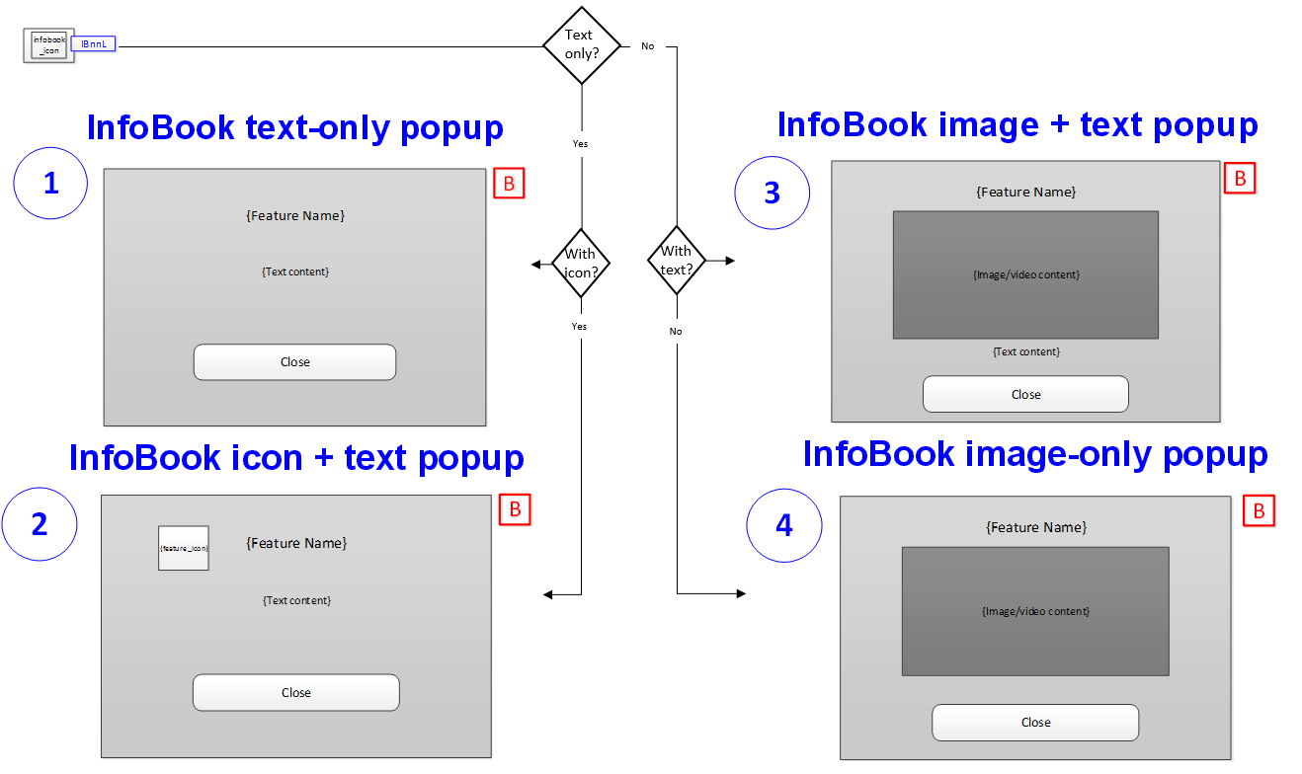

Being Phased Out

Rules
[H31c.R001.01] When the InfoBook button is pressed, the pop up displayed shall look like either one of the H31c pop up (1 through 4) depending on its content, unless uniquely formatted in another specification.
[H31c.R002.01] The InfoBook title and and text is listed in the H31c Text Table worksheet
[H31c.R003.01] The InfoBook text tag references the screen number (nn) and tag number (L) in H31a, unless preceded by another specification number.
[H31c.R004.01] See H31k for further information on Infobook Templates
[H31c.R005.01] ID tags should be constructed by the specification number, screen number, type of infobook and number of infobook of the screen. See below.
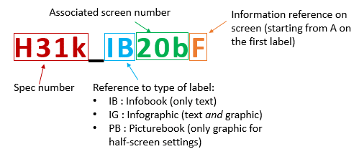

SYNC-33695

