Sheet1
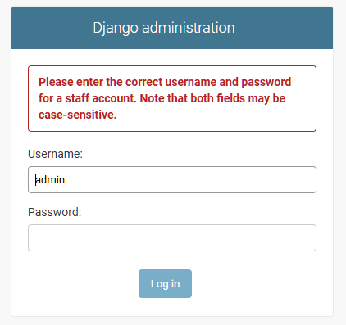
Test Scenario | Test Description | Test Values | Outcome | Screenshot
 | Login
1 | To test the login page with only input for username | Input: Username - admin Password - null | Passed Failure Please fill out this field
2 | To test the login page with only input for password | Input: Username - null Password - admin | Passed Failure Please fill out this field
3 | To test the login page without input for both username and password | Input: Username - admin Password - null | Passed Failure Please fill out this field
4 | To test the login page with an existing username, but wrong password | Input: Username - admin Password - asd | Passed Failure Please enter the correct username and password for a staff account. Note that both fields may be case-sensitive.
5 | To test the login page with an existing username and correct password | Input: Username - admin Password - 12qweasd | Passed Successfully Directed to Django administration page
 | Project
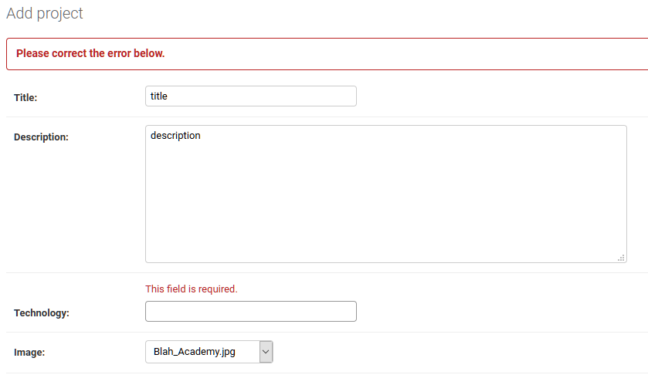
6 | To test creating a new project without any inputs | Input: Title - null Description - null Technology - null | Passed Failure This field is required.
7 | To test creating a new project with only title input | Input: Title - 'title' Description - null Technology - null | Passed Failure This field is required.
8 | To test creating a new project with only title and description inputs | Input: Title - 'title' Description - 'description' Technology - null | Passed Failure This field is required.
9 | To test creating a new project with title, description and technology inputs | Input: Title - 'title' Description - 'description' Technology - 'technology' | Passed Successfully The project' ' was added succesfully.'
11 | To test editing a current project with null description and saving | Input: Description - null | Passed Failure Please correct the error below. This field is required.
 | User
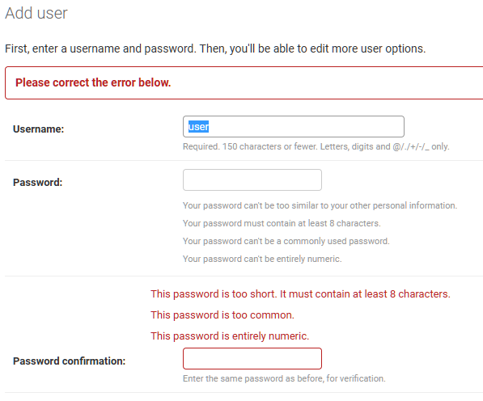
10 | To test creating a new user without any inputs | Input: Username - null Password - null Password Confirmation - null | Passed Failure This field is required.
11 | To test creating a new user with only username input | Input: Username - user Password - null Password Confirmation - null | Passed Failure This field is required.
12 | To test creating a new user with only username and password input | Input: Username - user Password - 123 Password Confirmation - null | Passed Failure This field is required.
13 | To test creating a new user with only username and password confirmation input | Input: Username - user Password - null Password Confirmation - 123 | Passed Failure This field is required. This password is too short. It must contain at least 8 characters. This password is too common. This password is entirely numeric.
14 | To test creating a new user with invalid password | Input: Username - user Password - 123 Password Confirmation - 123 | Passed Failure This password is too short. It must contain at least 8 characters. This password is too common. This password is entirely numeric.
15 | To test creating a new user with username that already exists | Input: Username - admin Password - 12qweasd Password Confirmation - 12qweasd | Passed Failure Please correct the error below. A user with that username already exists.

