Sheet1
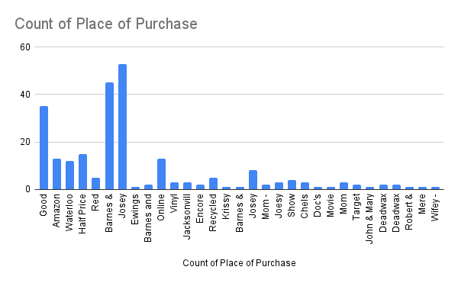
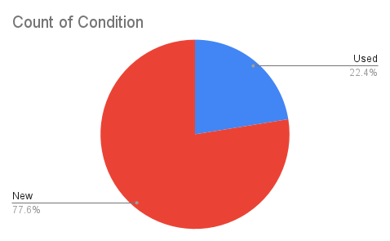

#=IMPORTRANGE("https://docs.google.com/spreadsheets/d/104zCEyhwT6kXvhlgMToJkjz3pWpRS2Gdi747CFdBTM0/edit?gid=1580464397#gid=1580464397", "Form Responses 1!A2:Z")

