Theater_Outcomes_vs_Launch.png
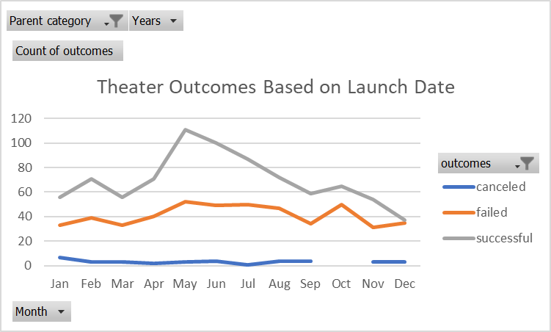

Theater_Outcomes_Pivot
Theater Outcomes Based on Launch Date
 | canceled | failed | successful
Jan | 7 | 33 | 56
Feb | 3 | 39 | 71
Mar | 3 | 33 | 56
Apr | 2 | 40 | 71
May | 3 | 52 | 111
Jun | 4 | 49 | 100
Jul | 1 | 50 | 87
Aug | 4 | 47 | 72
Sep | 4 | 34 | 59
Oct |  | 50 | 65
Nov | 3 | 31 | 54
Dec | 3 | 35 | 37
Parent category | theater
Years | (All)

Count of outcomes | Column Labels
Row Labels | canceled | failed | successful | Grand Total
Jan | 7 | 33 | 56 | 96
Feb | 3 | 39 | 71 | 113
Mar | 3 | 33 | 56 | 92
Apr | 2 | 40 | 71 | 113
May | 3 | 52 | 111 | 166
Jun | 4 | 49 | 100 | 153
Jul | 1 | 50 | 87 | 138
Aug | 4 | 47 | 72 | 123
Sep | 4 | 34 | 59 | 97
Oct |  | 50 | 65 | 115
Nov | 3 | 31 | 54 | 88
Dec | 3 | 35 | 37 | 75
Grand Total | 37 | 493 | 839 | 1369

