Bug Report
Category | Label | Value | Category | Label | Value | Category | Label | Value
Bug ID | ID number | #1 | Bug ID | ID number | #1 | Bug ID | ID number | #2
 | Name | CART - Unable to add new item to my cart |  | Name | CART - Unable to add new item to my cart |  | Name | Bolsista 50% tem cadastro incompleto
 | Reporter | Thiago Sales |  | Reporter | Thiago Sales |  | Reporter | Thiago Sales
 | Submit Date | 2024-06-07 |  | Submit Date | 2024-06-07 |  | Submit Date | 2024-06-07
Bug overview | Summary | A requisição Consulta de matrícula com pagamento atrasado, está retornando status code incorreto | Bug overview | Summary | A requisição Consulta de matrícula com pagamento atrasado, está retornando status code incorreto | Bug overview | Summary | A requisição Consulta de bolsista 50%, está retornando dados vazios, sendo que deveria existir.
 | URL | http://localhost:8080/v1/matriculas/5566778 |  | URL | http://localhost:8080/v1/matriculas/5566778 |  | URL | http://localhost:8080/v1/matriculas/1113499
 | Screenshot |  |  | Screenshot | www.example.com/screenshot123 |  | Screenshot | 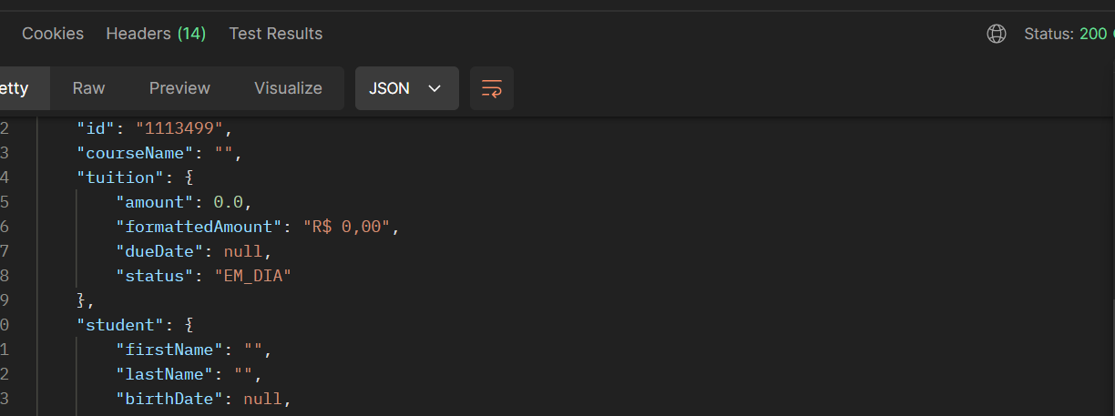
Environment | Platform | Pc | Environment | Platform | Pc | Environment | Platform | Pc
 | Operating System | Windows 11 Pro |  | Operating System | Windows 11 Pro |  | Operating System | Windows 11 Pro
 | Browser | Postman |  | Browser | Postman |  | Browser | Postman
Bug details | Steps to reproduce | Requisição conforme o url no postman > status code | Bug details | Steps to reproduce | Requisição conforme o url no postman > status code | Bug details | Steps to reproduce | Requisição conforme o url no postman > status code
 | Expected result | Status Code: 409 |  | Expected result | Status Code: 409 |  | Expected result | Deve retornar os dados da matrícula de bolsista 50%
 | Actual result | Status Code: 200 OK |  | Actual result | Status Code: 200 OK |  | Actual result | Os dados retornandos estão vazios
 | Description | / |  | Description | / |  | Description | /
Bug tracking | Severity | Baixa | Bug tracking | Severity | Baixa | Bug tracking | Severity | Alta
 | Assigned to | Paulo Reis |  | Assigned to | Paulo Reis |  | Assigned to | Paulo Reis
 | Priority | baixa |  | Priority | baixa |  | Priority | Alta
Notes | Notes | / | Notes | Notes | / | Notes | Notes | /

