Milestone Progress
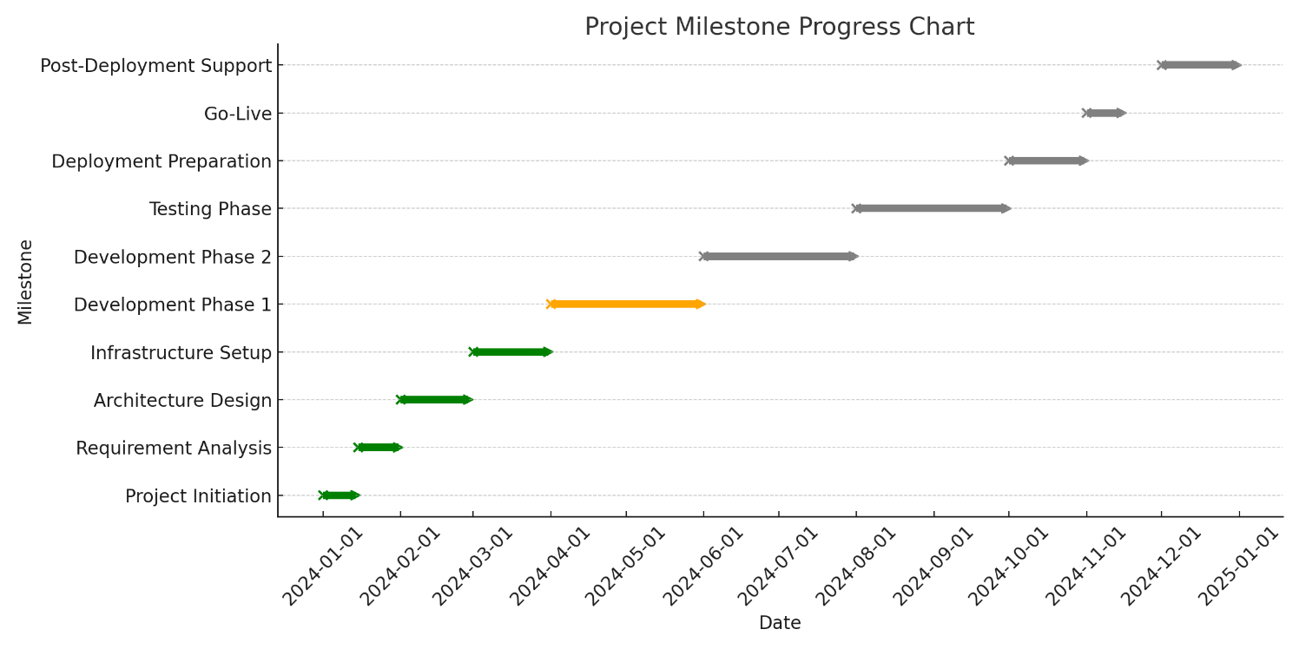
Milestone | Start Date | End Date | Status | Remarks
Project Initiation | 2024-01-01 | 2024-01-14 | Completed | Successfully initiated project with stakeholders.
Requirement Analysis | 2024-01-15 | 2024-01-31 | Completed | Requirements gathered and documented.
Architecture Design | 2024-02-01 | 2024-02-28 | Completed | Architecture design finalized and approved.
Infrastructure Setup | 2024-03-01 | 2024-03-31 | Completed | Infrastructure setup completed successfully.
Development Phase 1 | 2024-04-01 | 2024-05-31 | In Progress | Development in progress with key modules completed.
Development Phase 2 | 2024-06-01 | 2024-07-31 | Pending | Scheduled to start after Phase 1 completion.
Testing Phase | 2024-08-01 | 2024-09-30 | Pending | Planned post Phase 2 development.
Deployment Preparation | 2024-10-01 | 2024-10-31 | Pending | Preparation phase scheduled post-testing.
Go-Live | 2024-11-01 | 2024-11-15 | Pending | Scheduled post-preparation phase.
Post-Deployment Support | 2024-12-01 | 2024-12-31 | Pending | Support phase scheduled post go-live.

Velocity
Sprint | Planned Story Points | Completed Story Points
Sprint 1 | 40 | 35
Sprint 2 | 40 | 37
Sprint 3 | 40 | 40
Sprint 4 | 40 | 42
Sprint 5 | 40 | 43
planned vs completed story points
Sprint 6 | 40 | 41
Sprint 7 | 40 | 44
Sprint 8 | 40 | 45
Sprint 9 | 40 | 46
Sprint 10 | 40 | 47

Sprint Burndown
Day | Planned Remaining Work | Actual Remaining Work
1 | 40 | 40
2 | 36 | 37
3 | 32 | 33
4 | 28 | 29
5 | 24 | 25
planned vs remaining work
6 | 20 | 22
7 | 16 | 18
8 | 12 | 13
9 | 8 | 7
10 | 0 | 0

Release Burndown
Iteration | Planned Remaining Work | Actual Remaining Work
1 | 400 | 400
2 | 360 | 370
3 | 320 | 330
4 | 280 | 290
planned vs actual work
5 | 240 | 250
6 | 200 | 215
7 | 160 | 170
8 | 120 | 130
9 | 80 | 85
10 | 0 | 0

Cycle Time
Task ID | Cycle Time (Days)
T001 | 8
T002 | 5
T003 | 5
T004 | 8
T005 | 8
T006 | 8
T007 | 8
T008 | 5
T009 | 5
T010 | 4

Lead Time
Task ID | Lead Time (Days)
T001 | 12
T002 | 6
T003 | 12
T004 | 11
T005 | 8
T006 | 13
T007 | 14
T008 | 8
T009 | 13
T010 | 5

Defect Escape Rate
Sprint | Defects Found Post-Release
Sprint 1 | 2
Sprint 2 | 3
Sprint 3 | 1
Sprint 4 | 4
Sprint 5 | 4
Sprint 6 | 4
Sprint 7 | 4
Sprint 8 | 3
Sprint 9 | 3
Sprint 10 | 4

Code Churn
Week | Lines of Code Added | Lines of Code Removed
Week 1 | 314 | 274
Week 2 | 483 | 228
Week 3 | 323 | 250
Week 4 | 203 | 100
Week 5 | 316 | 249
CODE Churn
Week 6 | 320 | 197
Week 7 | 432 | 272
Week 8 | 284 | 140
Week 9 | 346 | 144
Week 10 | 305 | 105

Team Satisfaction
Sprint | Average Happiness Score (out of 5)
Sprint 1 | 3.82
Sprint 2 | 3.7
Sprint 3 | 4.39
Sprint 4 | 3.52
Sprint 5 | 4.49
Sprint 6 | 4
Sprint 7 | 3.83
Sprint 8 | 3.62
Sprint 9 | 3.52
Sprint 10 | 3.81

Cumulative Flow
Day | Backlog | In Progress | Completed
1 | 50 | 0 | 0
2 | 45 | 2 | 2
3 | 41 | 4 | 4
4 | 36 | 6 | 6
5 | 32 | 8 | 8
Backlog- IN progress vs Completed
6 | 27 | 11 | 11
7 | 23 | 13 | 13
8 | 18 | 15 | 15
9 | 14 | 17 | 17
10 | 10 | 20 | 20

Budget Variance
Month | Planned Spend (₹) | Actual Spend (₹) | Variance (₹) | Variance %
Month 1 | 2000000 | 2100000 | 95198 | 2%
Month 2 | 2222222 | 2300000 | -12554 | -2%
Month 3 | 2444444 | 2500000 | -3663 | 1%
Month 4 | 2666666 | 2700000 | -1087 | -2%
Month 5 | 2888888 | 2900000 | -55444 | -5%
Month 6 | 3111111 | 3100000 | 58684 | -2%
planned vs actual spend
Month 7 | 3333333 | 3300000 | -81159 | 4%
Month 8 | 3555555 | 3500000 | 74762 | 0%
Month 9 | 3777777 | 3700000 | 31824 | -1%
Month 10 | 4000000 | 3900000 | 26105 | 3%

Resource Utilization
Month | Planned Utilization (%) | Actual Utilization (%)
Month 1 | 85 | 87
Month 2 | 85 | 81
Month 3 | 85 | 89
Month 4 | 85 | 85
Month 5 | 85 | 89
Month 6 | 85 | 86
Month 7 | 85 | 82
Resource Utilisation - planned vs actual
Month 8 | 85 | 81
Month 9 | 85 | 83
Month 10 | 85 | 85

Escaped Defects
Month | Escaped Defects
Month 1 | 6
Month 2 | 9
Month 3 | 7
Month 4 | 2
Month 5 | 5
Month 6 | 3
Month 7 | 2
Month 8 | 7
Month 9 | 9
Month 10 | 4

Sprint Goal Success
Sprint | Goals Planned | Goals Achieved
Sprint 1 | 3 | 2
Sprint 2 | 3 | 2
Sprint 3 | 3 | 2
Sprint 4 | 3 | 2
Sprint 5 | 3 | 2
Goals - planned vs achieved
Sprint 6 | 3 | 2
Sprint 7 | 3 | 2
Sprint 8 | 3 | 2
Sprint 9 | 3 | 2
Sprint 10 | 3 | 2

CSAT
Month | CSAT Score (out of 5)
Month 1 | 3.56
Month 2 | 4.08
Month 3 | 3.56
Month 4 | 4.52
Month 5 | 4.74
Month 6 | 4.86
Month 7 | 4.96
Month 8 | 4.57
Month 9 | 4.98
Month 10 | 4.18

RR-summary
Count of Risk ID | Status
Impact | Mitigated | Ongoing
High | 3 | 3
Medium | 1 | 3
Count of Risk ID by Impact and Status

