Dashboard
Data From:
2019-01-31 | 2019-06-30
Monthly Auto Sales Dashboard

REGIONS |  | % OF GOAL |  | SALES BY CATEGORY | Employees Below 5% of Goal |  | Employees Above 5% of Goal |  | TREND
 |  |  | 0.0% |  |  | 0 |  | 0

Sales By Region
 | Total
East | 1162
Central | 1216
West | 1249
South | 1251
North | 1318
 | 2569

Formatting Information
A
B
Data From:
2019-01-31 | 2019-06-30
Monthly Auto Sales Dashboard

C
D
E
REGIONS |  | % OF GOAL |  | SALES BY CATEGORY | Employees Below 5% of Goal |  | Employees Above 5% of Goal |  | TREND
 |  |  | 0.0% |  |  | 0 |  | 0

A
B
 |  | These are Icons to insert: |  |  |  |  |  |  | Excel Formuals
 |  | A. | From the Ribbon select 'Insert' |  |  |  |  |  |  | =MIN(Data!E:E)
 |  | B. | Select the drop-down for 'Illustrations' |  |  |  |  |  |  | =MAX(Data!E:E)
C
 |  | C. | Select 'Icons' |  |  |  |  |  |  | =IFERROR(D9/E9,0)
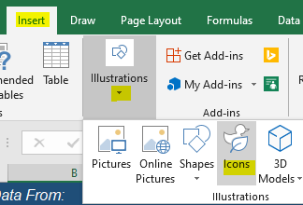
D
 |  |  |  |  |  |  |  |  |  | =COUNTIF(K9:K24,"<=0.05")
E
 |  |  |  |  |  |  |  |  |  | =COUNTIF(N9:N24,">=0.05")

