Flow Calculator V2
Eqns Charts & Tables for Incompressible Flows |  |  |  | Diagrams
Stagnation Properties |  |  |  |  |  |  |  | Generalized Elements of a 1-D Control Volume |  |  |  |  |  |  |  | Non-Isentropic Flow [A General Picture] |  |  |  |  |  | Rayleigh Flow |  |  |  |  | Fanno Flow | Normal Shock Waves |  | Oblique Shock Waves | Ramjet Engine
As If Brought to Rest Isentropically |  |  |  |  |  |  |  |  |  |  |  |  |  |  |  | Heat Transfer (Combustion) or Irrevesible (Shocks/Friction) |  |  |  |  |  | dA = 0, dT0 > 0 & 𝜏0 = 0 |  |  |  |  | dA = 0, dT0 = 0 & 𝜏0 ≠ 0 | 1-D Descripton Of A Shock Normal To The Flow Direction |  | Shock Wave Angled ToThe Flow Direction So As to 'Turn' The Flow | No Turbomachinery, High Temperatures Possible, No Thrust @ Low Speeds
 |  |  |  |  |  |  |  |  |  |  |  |  |  |  |  |  |  |  |  |  |  | Combustion or Phase Change or Arc or Heat Transfer From Walls |  |  |  |  | Wall Shear Forces 𝜏0 |  |  |  |  |  | Coding | CAD Design | CFD & FEA | CAM

Terms |  |  | Entropy: ds ≥ dq / T = if Reversible > if Irreversible (dq⇒ds) |  |  |  |  | Terms |  |  | 4 Governing Equations (3 Conservation + 1 State) |  |  |  |  | Thermodynamic Derivation of Change in Entropy Formula
h ≡ Static Enthalpy |  |  | Isentropic Flow Relations |  |  |  |  | A ≡ Normal Area of CV |  |  | ⓒ: dρ/ρ + du/u + dA/A = 0 |  |  |  |  | Local Contact ⇒ Same Temp |  | 1st Law: dq = de + dw ⇒ Tds = de + pdv ⇒ Tds = dh - vdP
u ≡ Flow Speed = M√(γRT) |  |  | T0/T = 1 + ((γ-1)/2)M^2 ⇒ T0 > T Always |  |  |  |  | u ≡ Flow Speed |  |  | Ⓜ: -(dP/dx + (𝜏0 c) / A) + F = ρudu/dx |  |  |  |  | ⇒ Approximately Reversible |  | ⇒ Tds = cp dT - (RT/P)dP ⇒ ds = cp dT/T - R dP/P
P ≡ Static Pressure |  |  | P0/P = [1 + ((γ-1)/2)M^2]^(γ/γ-1) ⇒ P0 > P Always |  |  |  |  | P ≡ Pressure |  |  | Ⓔ: dh + udu = dq - dw |  |  |  |  | dw = pdv, dh = cp dT, v= 1/ρ |  | can be used to derive P/P0 = (T/T0)^(γ/γ-1) when ds = 0
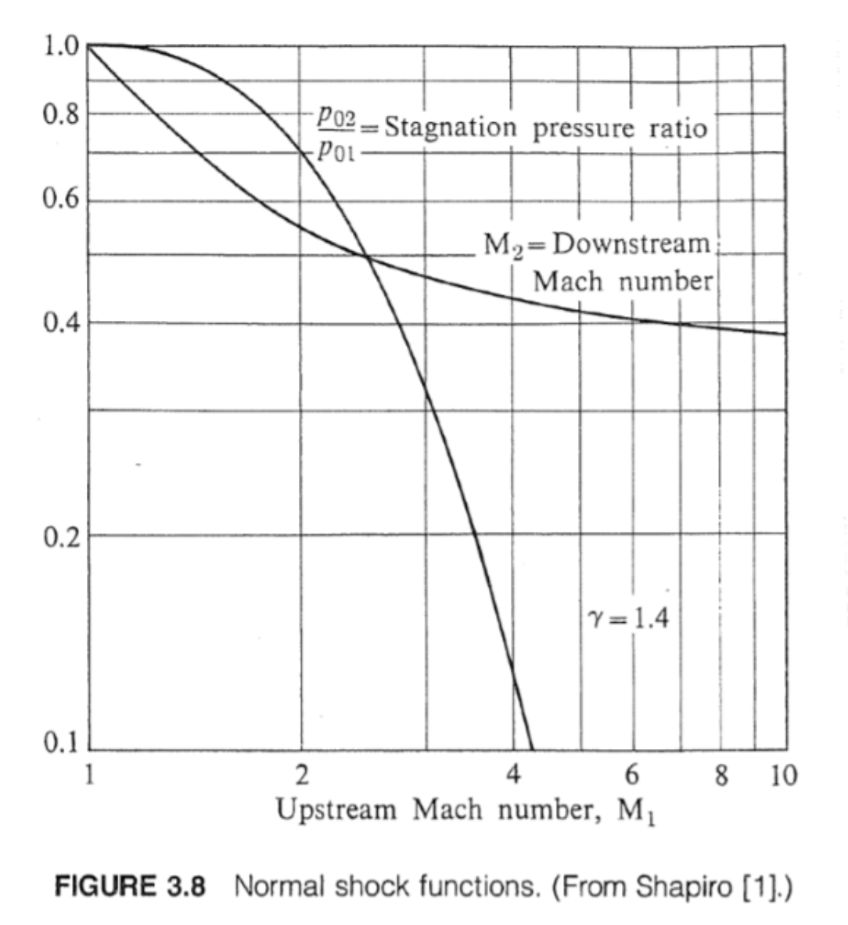
T ≡ Static Temperature |  |  | ρ0/ρ = [1 + ((γ-1)/2)M^2]^(1/γ-1) ⇒ ρ0 > ρ Always |  |  |  |  | ρ ≡ Density |  |  | IG: P = ρRT |  |  |  |  | h = e + pv ⇒ de = dh - vdP - pdv |  | ⇒ s - s1 = cp ln(T/T1) - Rln(P/P1)
ρ ≡ Static Density |  |  | Isentropic Relations |  | Important Notes |  |  | F ≡ Body Forces |  |  | Mass Flow Rate & Area Relations for Isentropic Flow |  |  |  |  | Change in Total Pressure From A Non-Isentropic Process:
h0 ≡ Stagnation Enthalpy |  |  | h0 = h + (u^2)/2 |  | Perfect Gas (PG) ⇒ cp - cv = R |  |  | 𝜏0 ≡ Shear Forces |  |  | ṁ ≡ Mass Flow Rate = ρuA |  |  |  |  | dP0/P0 = (γ/γ-1) dT0/T0 - ds/R
P0 ≡ Stagnation Pressure |  |  | P0/P = (T0/T)^(γ/γ-1) = (ρ0/ρ)^γ |  | ⇒ cp = γR / γ-1 |  |  | dQ̇ ≡ Heat Transfer Rate In |  |  | ṁ/A = ρu = (PR/T) (M√(γRT)) = [(P0 √γ)/√(RT0)]M(1 + ((γ-1)/2)M^2)^[(γ+1)/2(1-γ)] |  |  |  |  | Important Conclusions:
T0 ≡ Stagnation Temperature |  |  | T0 = T + (u^2)/2cp |  |  |  |  | dẆ ≡ Work Transfer Rate Out |  |  | ⇒ Area Specific Mass Flow Rate is a Maximum at Mach 1 |  |  |  |  | 1) If dT0 = 0 (Adiabatic) Then dP0/P0 = -ds/R, Meaning Any Irreversibilities (SHOCK WAVES) Will Decrease Total Pressure
ρ0 ≡ Stagnation Density |  |  | ρ0/ρ = (T0/T)^(1/γ-1) |  |  |  |  | q ≡ heat transfer per unit mass |  |  | A/A* = (1/M)[2(1 + ((γ-1)/2)M^2)/(γ+1)]^[(γ+1)/2(γ-1)] |  |  |  |  | 2) If Work is Done On The Flow ((γ/γ-1)dT0/T0>ds/R), Then Total Pressure Will Increase (Compressor)
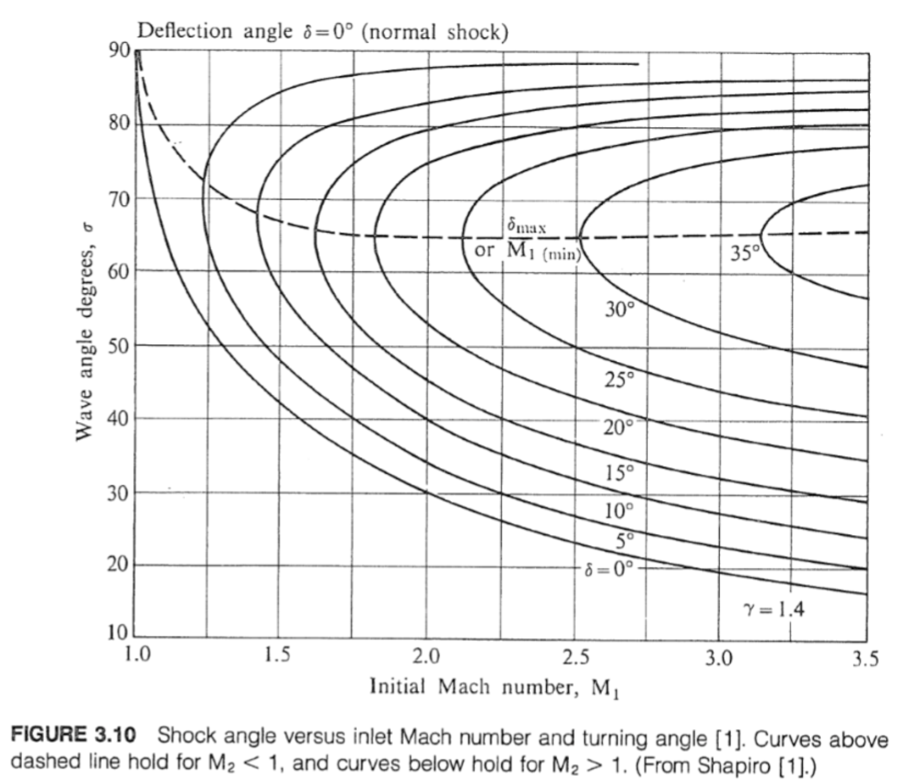
a ≡ Speed of Sound (Speed of Information) = √(γRT) |  |  |  |  |  |  |  | w ≡ work transfer per unit mass |  |  | ⇒ Stream Tube Area Relation |  |  |  |  | 3) If Work is Extracted (dT0/T0 < 0), Then Total Pressure Will Decrease (Turbines)
M ≡ Mach Number (nondimmensionalized flow speed) ≡ u/a
Isentropic Relations
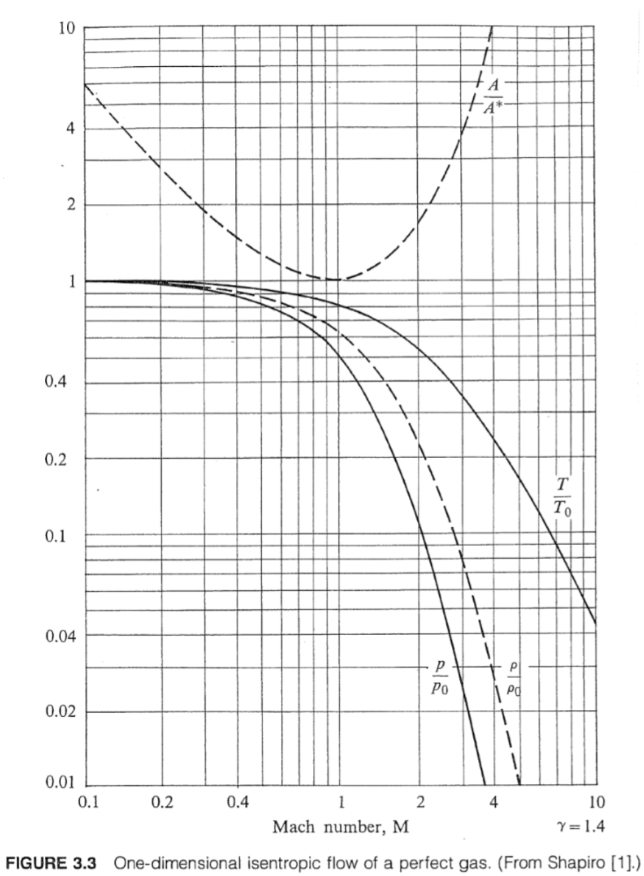
Combustor (1-D Flow Heating)
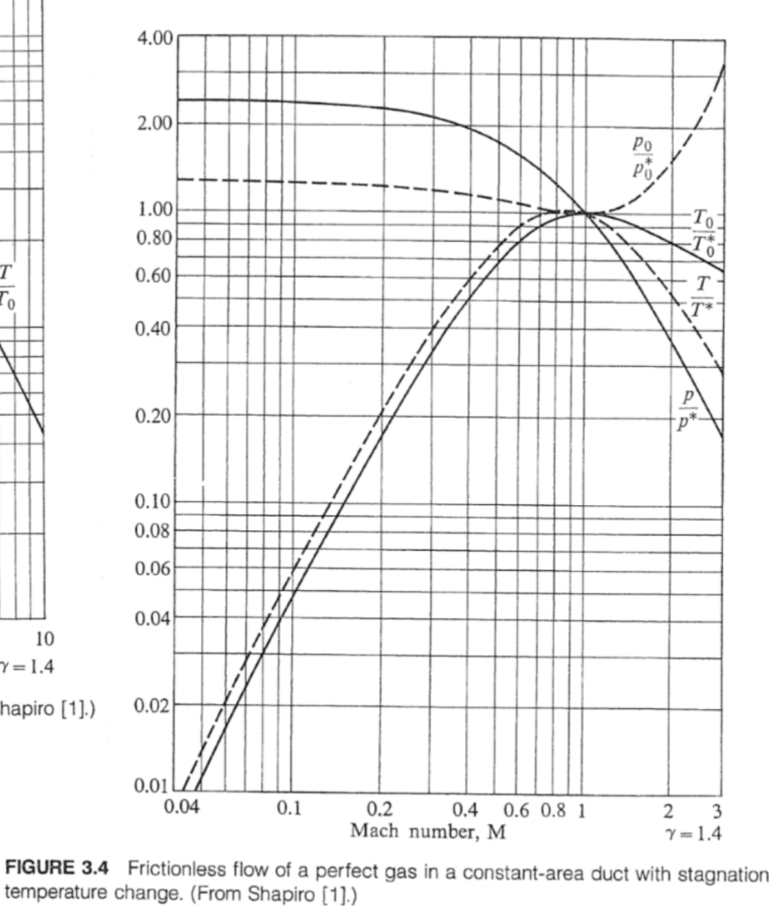
Fluid Flow |  |  | Calculators
Constants & Inputs |  |  | Isentropic Flow of a Perfect Gas |  |  |  |  |  |  |  |  |  |  |  |  |  |  | Prandtl-Meyer Expansion Angle Iteration
M |  | var | γ | M | T0 / T | T0 |  | P0 / P |  | P0 | ρ0 / ρ | ρ0 | ṁ / A | A / A* | ϑ(M) |  |  | γ | M1 | M2 | θ
T (k) | 205 | stp | 1.4 | 2.000 | 1.800 | 369.000 |  | 7.824 |  | 90763.609 | 4.347 | 0.815 | 3848.732 | 1.688 | 26.380 |  |  | 1.4 | 1.5 | 2.124 | 17.83199705
P (Pa) | 11600 | stp |  |  |  |  |  |  |  |  |  |  |  |  |  |  |  |  |  | 2.123 | 17.80542033
ρ (kg/m^3) | 0.1875 | ssl | Frictionless Flow of a Perfect Gas in a Constant Area Duct with Stagnation Temperature Change |  |  |  |  |  |  |  |  |  |  |  |  |  |  |  |  | 1.5 | 0
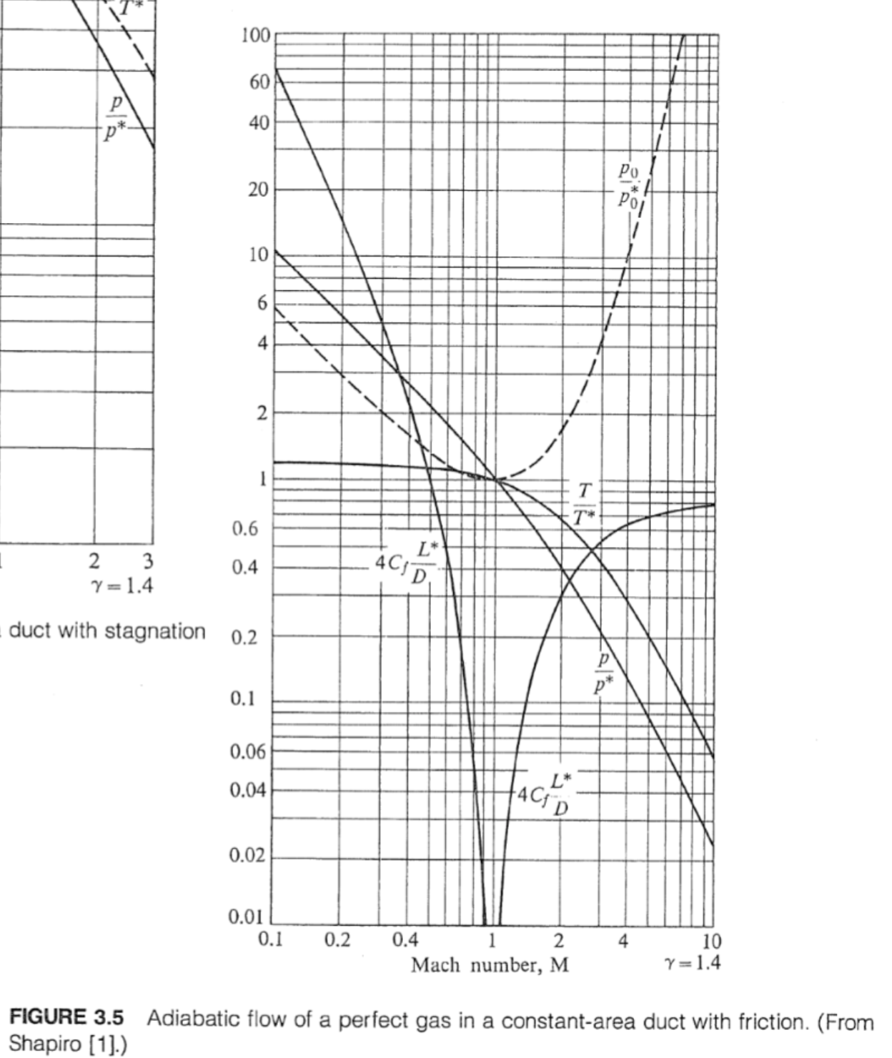
γ | 1.4 | air | γ | M1 | T1 / T* | T01 / T0* |  | P1 / P* |  | P01 / P0* | ΔT0 = (q-w)/cp | T0* | T02 / T0* | M2 | P02 / P01 |  |  |  |  | 1.6 | 2.955144828
R | 287.068 | air | 1.4 | 1.200 | 0.912 | 0.979 |  | 0.796 |  | 43.074 | 21.917 | 2043.493 | 22.896 | #NUM! | #NUM! |  |  |  |  | 1.7 | 5.904700995
cp | 1004.738 | air |  |  |  |  |  |  |  |  |  |  |  |  |  |  |  |  |  | 1.8 | 8.819855421
QR | 45000000 | fuel | (τ0≠0 & dA=dT0=0) Adiabatic Flow of a Perfect Gas in a Constant Area Duct with Friction |  |  |  |  |  |  |  |  |  |  |  |  |  |  |  |  | 1.9 | 11.68092584
T01 | 2000 | ambient | γ | M | P | D |  | Cf |  | τ0 | L* | P / P* | P0 / P0* |  |  |  |  |  |  | 2 | 14.47455199
 |  |  | 1.4 | 0.728 | 11600.000 | 0.300 |  | 0.004 |  | 17.190 | 2.999 | 1.432 | 1.076 | 1.394 | 0.192 |  |  |  |  | 2.1 | 17.19187247
 |  |  |  |  |  |  |  |  |  |  |  |  |  |  |  |  |  |  |  | 2.2 | 19.82728674
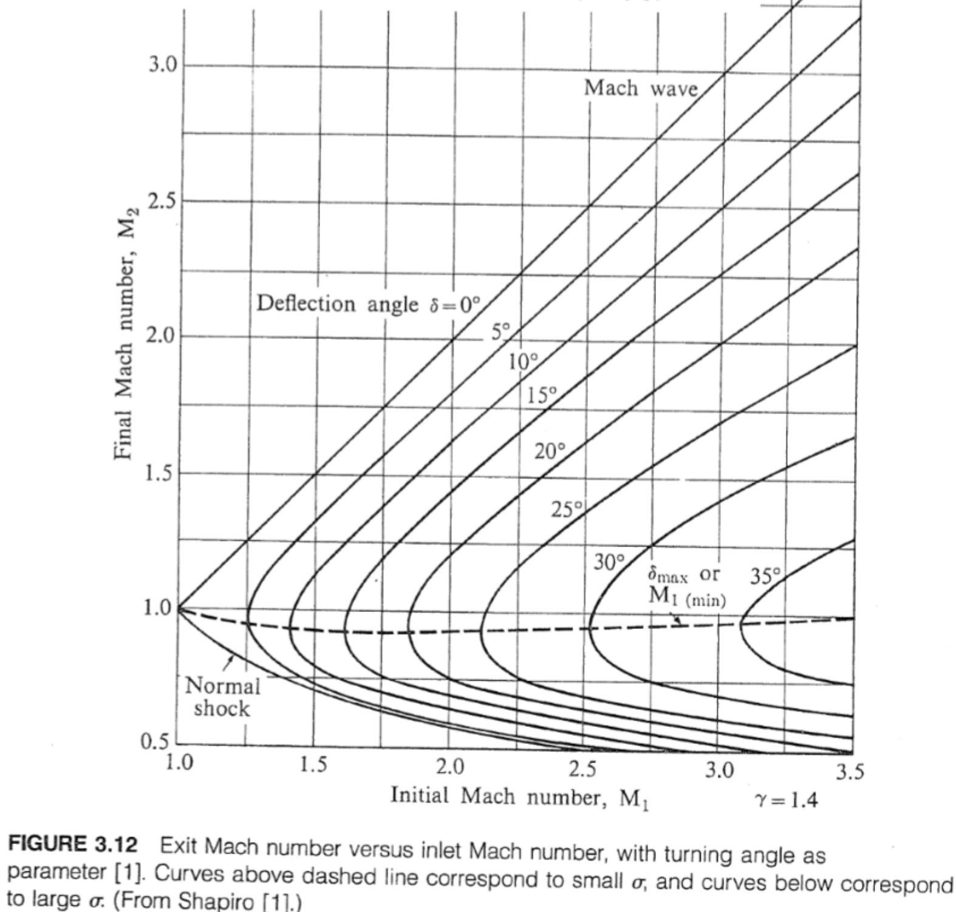
 |  |  | Normal Shocks |  |  |  |  |  |  |  |  |  |  |  |  |  |  |  |  | 2.3 | 22.37758525
 |  |  | γ | M | T2 / T1 | P2 / P1 |  | ρ2 / ρ1 |  | P02 / P0,1 | P02 / P1 | Δu/a1 | M2 |  |  |  |  |  |  | 2.4 | 24.84132232
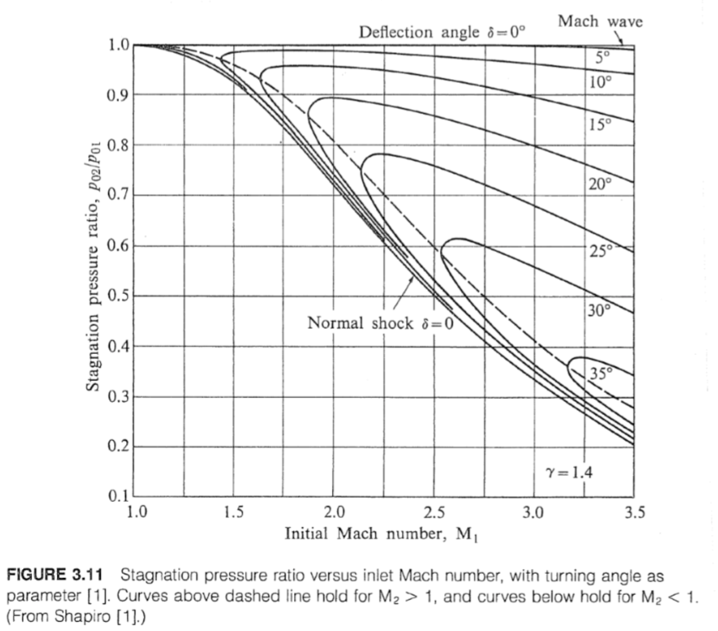
 |  |  | 1.4 | 3.000 | 2.679 | 10.333 |  | 3.857 |  | 0.328 | 111.873 | 2.222 | 0.475 | 0.493 | 0.178 |  |  |  |  | 2.5 | 27.218355
 |  |  |  |  |  |  |  |  |  |  |  |  |  |  |  |  |  |  |  | 2.6 | 29.50949895
Calculation |  |  | Oblique Shocks |  |  |  |  |  |  |  |  |  |  |  |  |  |  |  |  | 2.7 | 31.71626886
 |  |  | γ | M1 | β | θ | M1N |  | M2N | M2 | P2 / P1 | T2 / T1 | ρ2 / ρ1 | P02 / P01 |  | P02 / P1 |  |  |  | 2.8 | 33.84068114
Intermediates |  |  | 1.4 | 3.000 | 27.383 | 10.000 | 1.380 |  | 0.748 | 2.505 | 2.055 | 1.242 | 1.655 | 0.963 |  | 3.212 |  |  |  | 2.9 | 35.88510316
a | 43.916 |  | γ | M2 | β | θ | M2N |  | M3N | M3 | P3 / P2 | T3 / T2 | ρ3 / ρ2 | P03 / P02 |  | P03 / P2 |  |  |  | 3 | 37.85213792
b | 59.309 |  | 1.4 | 2.505 | 31.795 | 10.000 | 1.320 |  | 0.776 | 2.090 | 1.866 | 1.203 | 1.550 | 0.976 |  | 2.917 |  |  |  | 3.1 | 39.74453556
c | 22.896 |  | γ | M3 | β | θ | M3N |  | M4N | M4 | P4 / P3 | T4 / T3 | ρ4 / ρ3 | P04 / P03 |  | P04 / P3 |  |  |  | 3.2 | 41.56512586
 |  |  | 1.4 | 2.090 | 37.606 | 10.000 | 1.276 |  | 0.799 | 1.724 | 1.731 | 1.175 | 1.473 | 0.983 |  | 2.726 |  |  |  | 3.3 | 43.31676679
 | 1.456323838 |  |  |  |  |  |  |  |  |  |  |  |  |  |  |  |  |  |  | 3.4 | 45.00230567
 | 14.74356284 |  | Nonsteady Expansions |  |  |  |  |  |  |  |  |  |  |  |  |  |  |  |  | 3.5 | 46.62455014
 |  |  | γ | M | T / T1 | P / P1 | ρ / ρ1 |  | a / a1 | u / a1 |  |  |  |  |  |  |  |  |  | 3.6 | 48.18624677
 |  |  | 1.4 | 2.000 | 0.510 | 0.085 | 0.186 |  | 0.714 | 1.429 |  |  |  |  |  |  |  |  |  | 3.7 | 49.6900657
 |  |  | Supersonic Pitot Tube |  |  |  |  |  |  |  |  |  |  |  |  |  |  |  |  | 3.8 | 51.13858992
 |  |  | γ | M |  |  |  |  |  |  |  |  |  |  |  |  |  |  |  | 3.9 | 52.53430823
 |  |  | 1.4 |  |  |  |  |  |  |  |  |  |  |  |  |  |  |  |  | 4 | 53.87961097
 |  |  |  |  |  |  |  |  |  |  |  |  |  |  |  |  |  |  |  | 4.1 | 55.17678801
 |  |  |  |  |  |  |  |  |  |  |  |  |  |  |  |  |  |  |  | 4.2 | 56.42802831
 |  |  |  |  |  |  |  |  |  |  |  |  |  |  |  |  |  |  |  | 4.3 | 57.63542086
 |  |  |  |  |  |  |  |  |  |  |  |  |  |  |  |  |  |  |  | 4.4 | 58.80095642
 |  |  |  |  |  |  |  |  |  |  |  |  |  |  |  |  |  |  |  | 4.5 | 59.92653012
 |  |  | [Table] Isentropic Flow of a Perfect Gas |  |  |  |  |  |  |  |  |  |  |  |  |  |  |  |  |  |  | [Table] Frictionless Flow of a Perfect Gas in a Constant Area Duct with Stagnation Temperature Change |  |  |  |  |  |  | [Table] Adiabatic Flow of a Perfect Gas in a Constant Area Duct with Friction |  |  | [Table] Normal Shock Functions |  |  |  |  | [Table] Oblique Shock Functions
 |  |  | M | T0 / T | T0 | P0 / P |  |  | P0 | ρ0 / ρ | ρ0 | ṁ / A | A / A* | ϑ(M) |  | T / T0 | P / P0 | ρ / ρ0 |  | Stag Stuff | together | M | T / T* | T0 / T0* | P / P* | P0 / P0* |  |  | M |  |  | M |  |  |  |  | M
 |  |  | 0.10 | 1.00 | 205.4 | 1.01 |  |  | 11681 | 1.01 | 0.19 | 0.10 | 5.82 | #NUM! |  | 0.998 | 0.993 | 0.995 | 5.657866355 | 56.91881493 | 5.657866355 | 0.10 | 0.06 | 0.05 | 2.37 | 1.26 |  |  | 0.10 |  |  | 0.10 |  |  |  |  | 0.10
 |  |  | 0.20 | 1.01 | 206.6 | 1.03 |  |  | 11928 | 1.02 | 0.19 | 0.20 | 2.96 | #NUM! |  | 0.992 | 0.972 | 0.980 |  | 57.94744355 | 11.31573271 | 0.20 | 0.21 | 0.17 | 2.27 | 1.23 |  |  | 0.20 |  |  | 0.20 |  |  |  |  | 0.20
 |  |  | 0.30 | 1.02 | 208.7 | 1.06 |  |  | 12347 | 1.05 | 0.20 | 0.28 | 2.04 | #NUM! |  | 0.982 | 0.939 | 0.956 |  | 59.68923581 | 16.97359907 | 0.30 | 0.41 | 0.35 | 2.13 | 1.20 |  |  | 0.30 |  |  | 0.30 |  |  |  |  | 0.30
 |  |  | 0.40 | 1.03 | 211.6 | 1.12 |  |  | 12952 | 1.08 | 0.20 | 0.36 | 1.59 | #NUM! |  | 0.969 | 0.896 | 0.924 |  | 62.18587888 | 22.63146542 | 0.40 | 0.62 | 0.53 | 1.96 | 1.16 |  |  | 0.40 |  |  | 0.40 |  |  |  |  | 0.40
 |  |  | 0.50 | 1.05 | 215.3 | 1.19 |  |  | 13760 | 1.13 | 0.21 | 0.43 | 1.34 | #NUM! |  | 0.952 | 0.843 | 0.885 |  | 65.49687539 | 28.28933178 | 0.50 | 0.79 | 0.69 | 1.78 | 1.11 |  |  | 0.50 |  |  | 0.50 |  |  |  |  | 0.50
 |  |  | 0.60 | 1.07 | 219.8 | 1.28 |  |  | 14796 | 1.19 | 0.22 | 0.49 | 1.19 | #NUM! |  | 0.933 | 0.784 | 0.840 |  | 69.70068413 | 33.94719813 | 0.60 | 0.92 | 0.82 | 1.60 | 1.08 |  |  | 0.60 |  |  | 0.60 |  |  |  |  | 0.60
 |  |  | 0.70 | 1.10 | 225.1 | 1.39 |  |  | 16090 | 1.26 | 0.24 | 0.53 | 1.09 | #NUM! |  | 0.911 | 0.721 | 0.792 |  | 74.89618648 | 39.60506449 | 0.70 | 0.99 | 0.91 | 1.42 | 1.04 |  |  | 0.70 |  |  | 0.70 |  |  |  |  | 0.70
Flow Rate per Area Vs Mach# [w/o stag stuff]
 |  |  | 0.80 | 1.13 | 231.2 | 1.52 |  |  | 17682 | 1.35 | 0.25 | 0.56 | 1.04 | #NUM! |  | 0.887 | 0.656 | 0.740 |  | 81.20447888 | 45.26293084 | 0.80 | 1.03 | 0.96 | 1.27 | 1.02 |  |  | 0.80 |  |  | 0.80 |  |  |  |  | 0.80
 |  |  | 0.90 | 1.16 | 238.2 | 1.69 |  |  | 19619 | 1.46 | 0.27 | 0.57 | 1.01 | #NUM! |  | 0.861 | 0.591 | 0.687 |  | 88.77099115 | 50.9207972 | 0.90 | 1.02 | 0.99 | 1.12 | 1.00 |  |  | 0.90 |  |  | 0.90 |  |  |  |  | 0.90
 |  |  | 1.00 | 1.20 | 246.0 | 1.89 |  |  | 21958 | 1.58 | 0.30 | 0.58 | 1.00 | 0.00 |  | 0.833 | 0.528 | 0.634 |  | 97.76793062 | 56.57866355 | 1.00 | 1.00 | 1.00 | 1.00 | 1.00 |  |  | 1.00 |  |  | 1.00 |  |  |  |  | 1.00
 |  |  | 1.10 | 1.24 | 254.6 | 2.14 |  |  | 24768 | 1.72 | 0.32 | 0.57 | 1.01 | 1.34 |  | 0.805 | 0.468 | 0.582 |  | 108.3970523 | 62.23652991 | 1.10 | 0.96 | 0.99 | 0.89 | 1.00 |  |  | 1.10 |  |  | 1.10 |  |  |  |  | 1.10
together vs. M
 |  |  | 1.20 | 1.29 | 264.0 | 2.42 |  |  | 28130 | 1.88 | 0.35 | 0.56 | 1.03 | 3.56 |  | 0.776 | 0.412 | 0.531 |  | 120.8927547 | 67.89439626 | 1.20 | 0.91 | 0.98 | 0.80 | 1.02 |  |  | 1.20 |  |  | 1.20 |  |  |  |  | 1.20
 |  |  | 1.30 | 1.34 | 274.3 | 2.77 |  |  | 32141 | 2.07 | 0.39 | 0.54 | 1.07 | 6.17 |  | 0.747 | 0.361 | 0.483 |  | 135.5255021 | 73.55226262 | 1.30 | 0.86 | 0.96 | 0.71 | 1.04 |  |  | 1.30 |  |  | 1.30 |  |  |  |  | 1.30
 |  |  | 1.40 | 1.39 | 285.4 | 3.18 |  |  | 36914 | 2.29 | 0.43 | 0.52 | 1.11 | 8.99 |  | 0.718 | 0.314 | 0.437 |  | 152.6055718 | 79.21012897 | 1.40 | 0.81 | 0.93 | 0.64 | 1.08 |  |  | 1.40 |  |  | 1.40 |  |  |  |  | 1.40
 |  |  | 1.50 | 1.45 | 297.3 | 3.67 |  |  | 42584 | 2.53 | 0.47 | 0.49 | 1.18 | 11.91 |  | 0.690 | 0.272 | 0.395 |  | 172.4871282 | 84.86799533 | 1.50 | 0.75 | 0.91 | 0.58 | 1.12 |  |  | 1.50 |  |  | 1.50 |  |  |  |  | 1.50
 |  |  | 1.60 | 1.51 | 310.0 | 4.25 |  |  | 49305 | 2.81 | 0.53 | 0.46 | 1.25 | 14.86 |  | 0.661 | 0.235 | 0.356 |  | 195.572622 | 90.52586168 | 1.60 | 0.70 | 0.88 | 0.52 | 1.18 |  |  | 1.60 |  |  | 1.60 |  |  |  |  | 1.60
 |  |  | 1.70 | 1.58 | 323.5 | 4.94 |  |  | 57258 | 3.13 | 0.59 | 0.43 | 1.34 | 17.81 |  | 0.634 | 0.203 | 0.320 |  | 222.317516 | 96.18372804 | 1.70 | 0.65 | 0.86 | 0.48 | 1.24 |  |  | 1.70 |  |  | 1.70 |  |  |  |  | 1.70
 |  |  | 1.80 | 1.65 | 337.8 | 5.75 |  |  | 66651 | 3.49 | 0.65 | 0.40 | 1.44 | 20.73 |  | 0.607 | 0.174 | 0.287 |  | 253.2353363 | 101.8415944 | 1.80 | 0.61 | 0.84 | 0.43 | 1.32 |  |  | 1.80 |  |  | 1.80 |  |  |  |  | 1.80
 |  |  | 1.90 | 1.72 | 353.0 | 6.70 |  |  | 77727 | 3.89 | 0.73 | 0.37 | 1.56 | 23.59 |  | 0.581 | 0.149 | 0.257 |  | 288.9030495 | 107.4994607 | 1.90 | 0.57 | 0.81 | 0.40 | 1.40 |  |  | 1.90 |  |  | 1.90 |  |  |  |  | 1.90
 |  |  | 2.00 | 1.80 | 369.0 | 7.82 |  |  | 90764 | 4.35 | 0.82 | 0.34 | 1.69 | 26.38 |  | 0.556 | 0.128 | 0.230 |  | 329.9667658 | 113.1573271 | 2.00 | 0.53 | 0.79 | 0.36 | 1.50 |  |  | 2.00 |  |  | 2.00 |  |  |  |  | 2.00
 |  |  | 2.10 | 1.88 | 385.8 | 9.14 |  |  | 106078 | 4.86 | 0.91 | 0.32 | 1.84 | 29.10 |  | 0.531 | 0.109 | 0.206 |  | 377.1477681 | 118.8151935 | 2.10 | 0.49 | 0.77 | 0.33 | 1.62 |  |  | 2.10 |  |  | 2.10 |  |  |  |  | 2.10
 |  |  | 2.20 | 1.97 | 403.4 | 10.69 |  |  | 124035 | 5.43 | 1.02 | 0.29 | 2.00 | 31.73 |  | 0.508 | 0.094 | 0.184 |  | 431.2488669 | 124.4730598 | 2.20 | 0.46 | 0.76 | 0.31 | 1.74 |  |  | 2.20 |  |  | 2.20 |  |  |  |  | 2.20
 |  |  | 2.30 | 2.06 | 421.9 | 12.50 |  |  | 145050 | 6.08 | 1.14 | 0.26 | 2.19 | 34.28 |  | 0.486 | 0.080 | 0.165 |  | 493.1610812 | 130.1309262 | 2.30 | 0.43 | 0.74 | 0.29 | 1.89 |  |  | 2.30 |  |  | 2.30 |  |  |  |  | 2.30
 |  |  | 2.40 | 2.15 | 441.2 | 14.62 |  |  | 169592 | 6.79 | 1.27 | 0.24 | 2.40 | 36.75 |  | 0.465 | 0.068 | 0.147 |  | 563.8706448 | 135.7887925 | 2.40 | 0.40 | 0.72 | 0.26 | 2.05 |  |  | 2.40 |  |  | 2.40 |  |  |  |  | 2.40
 |  |  | 2.50 | 2.25 | 461.3 | 17.09 |  |  | 198197 | 7.59 | 1.42 | 0.22 | 2.64 | 39.12 |  | 0.444 | 0.059 | 0.132 |  | 644.4663395 | 141.4466589 | 2.50 | 0.38 | 0.71 | 0.25 | 2.22 |  |  | 2.50 |  |  | 2.50 |  |  |  |  | 2.50
 |  |  | 2.60 | 2.35 | 482.2 | 19.95 |  |  | 231467 | 8.48 | 1.59 | 0.20 | 2.90 | 41.41 |  | 0.425 | 0.050 | 0.118 |  | 736.1471532 | 147.1045252 | 2.60 | 0.36 | 0.70 | 0.23 | 2.42 |  |  | 2.60 |  |  | 2.60 |  |  |  |  | 2.60
 |  |  | 2.70 | 2.46 | 503.9 | 23.28 |  |  | 270081 | 9.47 | 1.78 | 0.18 | 3.18 | 43.62 |  | 0.407 | 0.043 | 0.106 |  | 840.2302644 | 152.7623916 | 2.70 | 0.33 | 0.68 | 0.21 | 2.63 |  |  | 2.70 |  |  | 2.70 |  |  |  |  | 2.70
 |  |  | 2.80 | 2.57 | 526.4 | 27.14 |  |  | 314804 | 10.57 | 1.98 | 0.17 | 3.50 | 45.75 |  | 0.389 | 0.037 | 0.095 |  | 958.1593522 | 158.4202579 | 2.80 | 0.31 | 0.67 | 0.20 | 2.87 |  |  | 2.80 |  |  | 2.80 |  |  |  |  | 2.80
 |  |  | 2.90 | 2.68 | 549.8 | 31.59 |  |  | 366491 | 11.78 | 2.21 | 0.15 | 3.85 | 47.79 |  | 0.373 | 0.032 | 0.085 |  | 1091.513233 | 164.0781243 | 2.90 | 0.30 | 0.66 | 0.19 | 3.14 |  |  | 2.90 |  |  | 2.90 |  |  |  |  | 2.90
 |  |  | 3.00 | 2.80 | 574.0 | 36.73 |  |  | 426100 | 13.12 | 2.46 | 0.14 | 4.23 | 49.76 |  | 0.357 | 0.027 | 0.076 |  | 1242.014822 | 169.7359907 | 3.00 | 0.28 | 0.65 | 0.18 | 3.42 |  |  | 3.00 |  |  | 3.00 |  |  |  |  | 3.00
 |  |  | 3.10 | 2.92 | 599.0 | 42.65 |  |  | 494696 | 14.59 | 2.74 | 0.12 | 4.66 | 51.65 |  | 0.342 | 0.023 | 0.069 |  | 1411.540422 | 175.393857 | 3.10 | 0.26 | 0.65 | 0.17 | 3.74 |  |  | 3.10 |  |  | 3.10 |  |  |  |  | 3.10
 |  |  | 3.20 | 3.05 | 624.8 | 49.44 |  |  | 573470 | 16.22 | 3.04 | 0.11 | 5.12 | 53.47 |  | 0.328 | 0.020 | 0.062 |  | 1602.129336 | 181.0517234 | 3.20 | 0.25 | 0.64 | 0.16 | 4.09 |  |  | 3.20 |  |  | 3.20 |  |  |  |  | 3.20
 |  |  | 3.30 | 3.18 | 651.5 | 57.22 |  |  | 663738 | 18.00 | 3.38 | 0.10 | 5.63 | 55.22 |  | 0.315 | 0.017 | 0.056 |  | 1815.993808 | 186.7095897 | 3.30 | 0.24 | 0.63 | 0.15 | 4.47 |  |  | 3.30 |  |  | 3.30 |  |  |  |  | 3.30
 |  |  | 3.40 | 3.31 | 679.0 | 66.12 |  |  | 766963 | 19.96 | 3.74 | 0.09 | 6.18 | 56.91 |  | 0.302 | 0.015 | 0.050 |  | 2055.529288 | 192.3674561 | 3.40 | 0.23 | 0.62 | 0.14 | 4.88 |  |  | 3.40 |  |  | 3.40 |  |  |  |  | 3.40
 |  |  | 3.50 | 3.45 | 707.3 | 76.27 |  |  | 884759 | 22.11 | 4.15 | 0.09 | 6.79 | 58.53 |  | 0.290 | 0.013 | 0.045 |  | 2323.325023 | 198.0253224 | 3.50 | 0.21 | 0.62 | 0.13 | 5.33 |  |  | 3.50 |  |  | 3.50 |  |  |  |  | 3.50
 |  |  | 3.60 | 3.59 | 736.4 | 87.84 |  |  | 1018908 | 24.45 | 4.59 | 0.08 | 7.45 | 60.09 |  | 0.278 | 0.011 | 0.041 |  | 2622.174977 | 203.6831888 | 3.60 | 0.20 | 0.61 | 0.13 | 5.82 |  |  | 3.60 |  |  | 3.60 |  |  |  |  | 3.60
 |  |  | 3.70 | 3.74 | 766.3 | 100.98 |  |  | 1171374 | 27.01 | 5.07 | 0.07 | 8.17 | 61.60 |  | 0.268 | 0.010 | 0.037 |  | 2955.089072 | 209.3410551 | 3.70 | 0.19 | 0.60 | 0.12 | 6.35 |  |  | 3.70 |  |  | 3.70 |  |  |  |  | 3.70
 |  |  | 3.80 | 3.89 | 797.0 | 115.89 |  |  | 1344311 | 29.81 | 5.59 | 0.06 | 8.95 | 63.04 |  | 0.257 | 0.009 | 0.034 |  | 3325.304756 | 214.9989215 | 3.80 | 0.18 | 0.60 | 0.11 | 6.93 |  |  | 3.80 |  |  | 3.80 |  |  |  |  | 3.80
 |  |  | 3.90 | 4.04 | 828.6 | 132.77 |  |  | 1540086 | 32.85 | 6.16 | 0.06 | 9.80 | 64.44 |  | 0.247 | 0.008 | 0.030 |  | 3736.298902 | 220.6567879 | 3.90 | 0.18 | 0.59 | 0.11 | 7.55 |  |  | 3.90 |  |  | 3.90 |  |  |  |  | 3.90
 |  |  | 4.00 | 4.20 | 861.0 | 151.84 |  |  | 1761289 | 36.15 | 6.78 | 0.05 | 10.72 | 65.78 |  | 0.238 | 0.007 | 0.028 |  | 4191.800025 | 226.3146542 | 4.00 | 0.17 | 0.59 | 0.10 | 8.23 |  |  | 4.00 |  |  | 4.00 |  |  |  |  | 4.00
 |  |  | 4.10 | 4.36 | 894.2 | 173.34 |  |  | 2010749 | 39.74 | 7.45 | 0.05 | 11.71 | 67.08 |  | 0.229 | 0.006 | 0.025 |  | 4695.800832 | 231.9725206 | 4.10 | 0.16 | 0.58 | 0.10 | 8.96 |  |  | 4.10 |  |  | 4.10 |  |  |  |  | 4.10
 |  |  | 4.20 | 4.53 | 928.2 | 197.55 |  |  | 2291556 | 43.63 | 8.18 | 0.05 | 12.79 | 68.33 |  | 0.221 | 0.005 | 0.023 |  | 5252.571093 | 237.6303869 | 4.20 | 0.15 | 0.58 | 0.09 | 9.75 |  |  | 4.20 |  |  | 4.20 |  |  |  |  | 4.20
 |  |  | 4.30 | 4.70 | 963.1 | 224.75 |  |  | 2607075 | 47.84 | 8.97 | 0.04 | 13.95 | 69.54 |  | 0.213 | 0.004 | 0.021 |  | 5866.67084 | 243.2882533 | 4.30 | 0.15 | 0.58 | 0.09 | 10.60 |  |  | 4.30 |  |  | 4.30 |  |  |  |  | 4.30
 |  |  | 4.40 | 4.87 | 998.8 | 255.26 |  |  | 2960966 | 52.39 | 9.82 | 0.04 | 15.21 | 70.71 |  | 0.205 | 0.004 | 0.019 |  | 6542.963892 | 248.9461196 | 4.40 | 0.14 | 0.57 | 0.09 | 11.52 |  |  | 4.40 |  |  | 4.40 |  |  |  |  | 4.40
 |  |  | 4.50 | 5.05 | 1035.3 | 289.41 |  |  | 3357205 | 57.31 | 10.75 | 0.03 | 16.56 | 71.83 |  | 0.198 | 0.003 | 0.017 |  | 7286.631705 | 254.603986 | 4.50 | 0.14 | 0.57 | 0.08 | 12.50 |  |  | 4.50 |  |  | 4.50 |  |  |  |  | 4.50
 |  |  | 4.60 | 5.23 | 1072.6 | 327.59 |  |  | 3800100 | 62.61 | 11.74 | 0.03 | 18.02 | 72.92 |  | 0.191 | 0.003 | 0.016 |  | 8103.187547 | 260.2618523 | 4.60 | 0.13 | 0.57 | 0.08 | 13.56 |  |  | 4.60 |  |  | 4.60 |  |  |  |  | 4.60
 |  |  | 4.70 | 5.42 | 1110.7 | 370.20 |  |  | 4294321 | 68.33 | 12.81 | 0.03 | 19.58 | 73.97 |  | 0.185 | 0.003 | 0.015 |  | 8998.491004 | 265.9197187 | 4.70 | 0.12 | 0.56 | 0.08 | 14.70 |  |  | 4.70 |  |  | 4.70 |  |  |  |  | 4.70
 |  |  | 4.80 | 5.61 | 1149.6 | 417.66 |  |  | 4844913 | 74.48 | 13.96 | 0.03 | 21.26 | 74.99 |  | 0.178 | 0.002 | 0.013 |  | 9978.762806 | 271.577585 | 4.80 | 0.12 | 0.56 | 0.07 | 15.92 |  |  | 4.80 |  |  | 4.80 |  |  |  |  | 4.80
 |  |  | 4.90 | 5.80 | 1189.4 | 470.46 |  |  | 5457328 | 81.09 | 15.20 | 0.03 | 23.07 | 75.97 |  | 0.172 | 0.002 | 0.012 |  | 11050.59998 | 277.2354514 | 4.90 | 0.12 | 0.56 | 0.07 | 17.23 |  |  | 4.90 |  |  | 4.90 |  |  |  |  | 4.90
 |  |  | 5.00 | 6.00 | 1230.0 | 529.09 |  |  | 6137442 | 88.18 | 16.53 | 0.02 | 25.00 | 76.92 |  | 0.167 | 0.002 | 0.011 |  | 12220.99133 | 282.8933178 | 5.00 | 0.11 | 0.56 | 0.07 | 18.63 |  |  | 5.00 |  |  | 5.00 |  |  |  |  | 5.00

Inlets
Eqns Charts & Tables for Incompressible Flows |  |  |  |  | Diagrams

Problem 1 Calculators
Oblique Shocks
γ | M1 | σ | δ | M1N |  | M2N | M2 | P2 / P1 | T2 / T1 | ρ2 / ρ1 | P02 / P01 | P02 / P1
1.4 | 3.000 | 27.383 | 10.000 | 1.380 |  | 0.748 | 2.505 | 2.055 | 1.242 | 1.655 | 0.963 | 3.212
γ | M2 | σ | δ | M2N |  | M3N | M3 | P3 / P2 | T3 / T2 | ρ3 / ρ2 | P03 / P02 | P03 / P2
1.4 | 2.505 | 31.795 | 10.000 | 1.320 |  | 0.776 | 2.090 | 1.866 | 1.203 | 1.550 | 0.976 | 2.917
γ | M3 | σ | δ | M3N |  | M4N | M4 | P4 / P3 | T4 / T3 | ρ4 / ρ3 | P04 / P03 | P04 / P3
1.4 | 2.090 | 37.606 | 10.000 | 1.276 |  | 0.799 | 1.724 | 1.731 | 1.175 | 1.473 | 0.983 | 2.726

Normal Shock
γ | M4 | T5 / T4 | P5 / P4 |  | ρ5 / ρ4 |  | P05 / P04 | P05 / P4 | Δu/a4 | M5
1.4 | 1.724 | 1.475 | 3.299 |  | 2.236 |  | 0.846 | 6.047 | 0.953 | 0.635

Total Pressure Loss Across The Inlet: |  |  |  |  |  |  | P05 / P01 = |  |  | 0.782

 |  |  |  |  |  |  |  |  |  |  |  |  | Kantrowitz-Donaldson Inlet Calculators @MD=2.5
 |  |  |  |  |  |  |  |  |  |  |  |  | Normal Shock
 |  |  |  |  |  |  |  |  |  |  |  |  | γ | M | P02 / P01 | M2
 |  |  |  |  |  |  |  |  |  |  |  |  | 1.4 | 2.500 | 0.499 | 0.513

 |  |  |  |  |  |  |  |  |  |  |  |  | Isentropic Flow
 |  |  |  |  |  |  |  |  |  |  |  |  | γ | M | A / A*
 |  |  |  |  |  |  |  |  |  |  |  |  | 1.4 | 0.513 | 1.316
 |  |  |  |  |  |  |  |  |  |  |  |  | 1.4 | 2.500 | 2.637
 |  |  |  |  |  |  |  |  |  |  |  |  | 1.4 | 2.199 | 2.003 | 2.004

 |  |  |  |  |  |  |  |  |  |  |  |  | Normal Shock
 |  |  |  |  |  |  |  |  |  |  |  |  | γ | M | P02 / P01 | M2
 |  |  |  |  |  |  |  |  |  |  |  |  | 1.4 | 2.199 | 0.629 | 0.547
Supersonic Inlets
 |  |  |  |  |  |  |  |  |  |  |  |  |  |  |  |  |  |  |  |  |  |  | Various Inlet Pressure Recoveries @ Various Design Speeds
Kantrowitz-Donaldson Inlet
Isentropic Inlet
Normal Shock Inlet
 |  |  |  |  |  |  |  |  |  |  |  |  |  |  |  |  | Kantrowwitz-Donaldson Inlet Pressure Recovery |  | Isentropic Inlet Pressure Recovery |  | Normal Shock Inlet Pressure Recovery |  | MD | Pressure Recovery: P02 / P0a
 |  |  |  |  |  |  |  |  |  |  |  |  |  |  |  |  | MD | P02 / P0a | MD | P02 / P0a | MD | P02 / P0a |  | K-D | Normal Shock | Isentropic
 |  |  |  |  |  |  |  |  |  |  |  |  |  |  |  |  | 1.00 | 1.000 | 1.00 | 1.000 | 1.00 | 1.000 | 1.00 | 1.000 | 1.000 | 1.000
 |  |  |  |  |  |  |  |  |  |  |  |  |  |  |  |  | 1.25 | 0.998 | 1.25 | 1.000 | 1.25 | 0.987 | 1.25 | 0.998 | 0.987 | 1.000
 |  |  |  |  |  |  |  |  |  |  |  |  |  |  |  |  | 1.50 | 0.975 | 1.50 | 1.000 | 1.50 | 0.930 | 1.50 | 0.975 | 0.930 | 1.000
 |  |  |  |  |  |  |  |  |  |  |  |  |  |  |  |  | 1.75 | 0.919 | 1.75 | 1.000 | 1.75 | 0.835 | 1.75 | 0.919 | 0.835 | 1.000
 |  |  |  |  |  |  |  |  |  |  |  |  |  |  |  |  | 2.00 | 0.835 | 2.00 | 1.000 | 2.00 | 0.721 | 2.00 | 0.835 | 0.721 | 1.000
 |  |  |  |  |  |  |  |  |  |  |  |  |  |  |  |  | 2.25 | 0.733 | 2.25 | 1.000 | 2.25 | 0.606 | 2.25 | 0.733 | 0.606 | 1.000
 |  |  |  |  |  |  |  |  |  |  |  |  |  |  |  |  | 2.50 | 0.628 | 2.50 | 1.000 | 2.50 | 0.499 | 2.50 | 0.628 | 0.499 | 1.000
 |  |  |  |  |  |  |  |  |  |  |  |  |  |  |  |  | 2.75 | 0.529 | 2.75 | 1.000 | 2.75 | 0.406 | 2.75 | 0.529 | 0.406 | 1.000
 |  |  |  |  |  |  |  |  |  |  |  |  |  |  |  |  | 3.00 | 0.440 | 3.00 | 1.000 | 3.00 | 0.328 | 3.00 | 0.440 | 0.328 | 1.000
 |  |  |  |  |  |  |  |  |  |  |  |  |  |  |  |  | 3.25 | 0.363 | 3.25 | 1.000 | 3.25 | 0.265 | 3.25 | 0.363 | 0.265 | 1.000
 |  |  |  |  |  |  |  |  |  |  |  |  |  |  |  |  | 3.50 | 0.299 | 3.50 | 1.000 | 3.50 | 0.213 | 3.50 | 0.299 | 0.213 | 1.000
 |  |  |  |  |  |  |  |  |  |  |  |  |  |  |  |  | 3.75 | 0.245 | 3.75 | 1.000 | 3.75 | 0.172 | 3.75 | 0.245 | 0.172 | 1.000
 |  |  |  |  |  |  |  |  |  |  |  |  |  |  |  |  | 4.00 | 0.201 | 4.00 | 1.000 | 4.00 | 0.139 | 4.00 | 0.201 | 0.139 | 1.000
 |  |  |  |  |  |  |  |  |  |  |  |  |  |  |  |  | 4.25 | 0.166 | 4.25 | 1.000 | 4.25 | 0.113 | 4.25 | 0.166 | 0.113 | 1.000
 |  |  |  |  |  |  |  |  |  |  |  |  |  |  |  |  | 4.50 | 0.137 | 4.50 | 1.000 | 4.50 | 0.092 | 4.50 | 0.137 | 0.092 | 1.000
 |  |  |  |  |  |  |  |  |  |  |  |  |  |  |  |  | 4.75 | 0.113 | 4.75 | 1.000 | 4.75 | 0.075 | 4.75 | 0.113 | 0.075 | 1.000
 |  |  |  |  |  |  |  |  |  |  |  |  |  |  |  |  | 5.00 | 0.094 | 5.00 | 1.000 | 5.00 | 0.062 | 5.00 | 0.094 | 0.062 | 1.000

 |  |  |  |  |  |  |  |  |  |  |  |  | Problem 3 Overspeeding Calculator
 |  |  |  |  |  |  |  |  |  |  |  |  | Isentropic Flow
 |  |  |  |  |  |  |  |  |  |  |  |  | γ | M | A / A*
 |  |  |  |  |  |  |  |  |  |  |  |  | 1.4 | 1.900 | 1.555
 |  |  |  |  |  |  |  |  |  |  |  |  | 1.4 | 0.411 | 1.555 | 1.555

 |  |  |  |  |  |  |  |  |  |  |  |  | Normal Shock
 |  |  |  |  |  |  |  |  |  |  |  |  | γ | M | M2
 |  |  |  |  |  |  |  |  |  |  |  |  | 1.4 | 5.306 | 0.411 | 0.411

Ideal Ramjet Engine Calculator
Eqns Charts & Tables for Incompressible Flows | Diagrams
Ramjet Engine |  | Fluid Flow |  |  | Ideal Ramjet |  |  | Ideal Ramjet |  |  |  | Ideal Ramjet
No Turbomachinery, High Temperatures Possible, No Thrust @ Low Speeds |  | Constants & Inputs |  |  | Thrust per Air Flow & Thrust Specific Fuel Consumption |  |  | M | f | F / ṁa | TSFC | M | f | F / ṁa | TSFC
 |  | M | 2 | variable | F / ṁa = (1+f) Ue - U + (Pe-Pa)Ae |  |  | 0.00 | 0.0543 | 0 | #DIV/0! | 0.80 | 0.0537 | 566 | 0.341
 |  | Ta (k) | 205 | altitude | F / ṁa = M √ [γRTa] [(1+f) √ [T04/Ta] (1+(γ-1)/2 * M^2)^-1/2 - 1] |  |  | 0.40 | 0.0541 | 301 | 0.647 | 2.00 | 0.0504 | 995 | 0.182
 |  | Pa (Pa) | 11600 | altitude |  |  |  | 0.80 | 0.0537 | 566 | 0.341 | 3.00 | 0.0455 | 1018 | 0.161
 |  | ρa (kg/m^3) | 0.1875 | altitude | F / ṁa = | ↑ | 995 | 1.00 | 0.0533 | 677 | 0.284
 |  | γ | 1.4 | air (normal temp) | f = | T04 / T0a - 1 | 0.0504 | 1.20 | 0.0529 | 771 | 0.247
 |  | R | 287.068 | air |  | ( QR / cp T0a ) - T04 / T0a |  | 1.60 | 0.0518 | 913 | 0.204
 |  | cp | 1004.738 | air (normal temp) | TSFC = | f / (F / ṁa) | 0.1822 | 2.00 | 0.0504 | 995 | 0.182
 |  | Engine |  |  |  |  |  | 2.40 | 0.0487 | 1031 | 0.170
 |  |  |  |  |  |  |  | 2.80 | 0.0467 | 1029 | 0.163
 |  | T04 | 2500 | Flame Temp |  |  |  | 3.00 | 0.0455 | 1018 | 0.161
 |  | QR | 45000000 | fuel |  |  |  | 3.20 | 0.0443 | 1000 | 0.160 | (
 |  | Pe | Pa | Perfectly Expanded |  |  |  | 3.60 | 0.0417 | 950 | 0.158
 |  | ṁ_a |  | idk not needed |  |  |  | 4.00 | 0.0388 | 884 | 0.158

Ideal Ramjet
Turbojet
Ideal Ramjet
 |  |  |  |  |  |  |  | Larger Finer Table For Plotting
 |  |  |  |  |  |  |  | Ideal Ramjet
 |  |  |  |  |  |  |  | M | f | F / ṁ_a | TSFC
 |  |  |  |  |  |  |  | 0.00 | 0.054 | 0.000 | #DIV/0!
 |  |  |  |  |  |  |  | 0.10 | 0.054 | 0.077 | #DIV/0!
 |  |  |  |  |  |  |  | 0.20 | 0.054 | 0.153 | 1.275
 |  |  |  |  |  |  |  | 0.30 | 0.054 | 0.228 | 0.855
 |  |  |  |  |  |  |  | 0.40 | 0.054 | 0.301 | 0.647
 |  |  |  |  |  |  |  | 0.50 | 0.054 | 0.372 | 0.523
 |  |  |  |  |  |  |  | 0.60 | 0.054 | 0.440 | 0.441
 |  |  |  |  |  |  |  | 0.70 | 0.054 | 0.505 | 0.384
 |  |  |  |  |  |  |  | 0.80 | 0.054 | 0.566 | 0.341
 |  |  |  |  |  |  |  | 0.90 | 0.053 | 0.623 | 0.309
 |  |  |  |  |  |  |  | 1.00 | 0.053 | 0.677 | 0.284
 |  |  |  |  |  |  |  | 1.10 | 0.053 | 0.726 | 0.263
 |  |  |  |  |  |  |  | 1.20 | 0.053 | 0.771 | 0.247
 |  |  |  |  |  |  |  | 1.30 | 0.053 | 0.813 | 0.233
 |  |  |  |  |  |  |  | 1.40 | 0.052 | 0.850 | 0.222
Ideal Ramjet
 |  |  |  |  |  |  |  | 1.50 | 0.052 | 0.883 | 0.212
 |  |  |  |  |  |  |  | 1.60 | 0.052 | 0.913 | 0.204
 |  |  |  |  |  |  |  | 1.70 | 0.051 | 0.938 | 0.197
 |  |  |  |  |  |  |  | 1.80 | 0.051 | 0.961 | 0.192
 |  |  |  |  |  |  |  | 1.90 | 0.051 | 0.980 | 0.187
 |  |  |  |  |  |  |  | 2.00 | 0.050 | 0.995 | 0.182
 |  |  |  |  |  |  |  | 2.10 | 0.050 | 1.008 | 0.178
 |  |  |  |  |  |  |  | 2.20 | 0.050 | 1.018 | 0.175
 |  |  |  |  |  |  |  | 2.30 | 0.049 | 1.026 | 0.172
 |  |  |  |  |  |  |  | 2.40 | 0.049 | 1.031 | 0.170
 |  |  |  |  |  |  |  | 2.50 | 0.048 | 1.034 | 0.168
 |  |  |  |  |  |  |  | 2.60 | 0.048 | 1.034 | 0.166
 |  |  |  |  |  |  |  | 2.70 | 0.047 | 1.033 | 0.165
 |  |  |  |  |  |  |  | 2.80 | 0.047 | 1.029 | 0.163
 |  |  |  |  |  |  |  | 2.90 | 0.046 | 1.024 | 0.162
 |  |  |  |  |  |  |  | 3.00 | 0.046 | 1.018 | 0.161
 |  |  |  |  |  |  |  | 3.10 | 0.045 | 1.010 | 0.160
 |  |  |  |  |  |  |  | 3.20 | 0.044 | 1.000 | 0.160
 |  |  |  |  |  |  |  | 3.30 | 0.044 | 0.989 | 0.159
 |  |  |  |  |  |  |  | 3.40 | 0.043 | 0.977 | 0.159
 |  |  |  |  |  |  |  | 3.50 | 0.042 | 0.964 | 0.158
 |  |  |  |  |  |  |  | 3.60 | 0.042 | 0.950 | 0.158
 |  |  |  |  |  |  |  | 3.70 | 0.041 | 0.935 | 0.158
 |  |  |  |  |  |  |  | 3.80 | 0.040 | 0.919 | 0.158
 |  |  |  |  |  |  |  | 3.90 | 0.040 | 0.902 | 0.158
 |  |  |  |  |  |  |  | 4.00 | 0.039 | 0.884 | 0.158
 |  |  |  |  |  |  |  | 4.10 | 0.038 | 0.866 | 0.158
 |  |  |  |  |  |  |  | 4.20 | 0.037 | 0.846 | 0.158
 |  |  |  |  |  |  |  | 4.30 | 0.036 | 0.827 | 0.158
 |  |  |  |  |  |  |  | 4.40 | 0.036 | 0.806 | 0.159
 |  |  |  |  |  |  |  | 4.50 | 0.035 | 0.785 | 0.159
 |  |  |  |  |  |  |  | 4.60 | 0.034 | 0.764 | 0.159
 |  |  |  |  |  |  |  | 4.70 | 0.033 | 0.741 | 0.160
 |  |  |  |  |  |  |  | 4.80 | 0.032 | 0.719 | 0.160
 |  |  |  |  |  |  |  | 4.90 | 0.031 | 0.696 | 0.160
 |  |  |  |  |  |  |  | 5.00 | 0.030 | 0.672 | 0.161

Ramjet Engine Calculator
Eqns Charts & Tables for Incompressible Flows |  |  |  | Diagrams
Ramjet Engine |  |  |  |  |  |  |  | Fluid Flow |  |  | f | 0.054543 | Ramjet |  |  | Calculators
No Turbomachinery, High Temperatures Possible, No Thrust @ Low Speeds |  |  |  |  |  |  |  | Constants & Inputs |  |  | U | 1435.16999 | M | F / ṁ_a | TSFC | Isentropic Flow of a Perfect Gas
 |  |  |  |  |  |  |  | M | 5 | var | P0a/Pa | 529.0897844 | 1.2 | 0.819 | 0.371 | γ | M | T0 / T | T0 | P0 / P | P0 | ρ0 / ρ | ρ0 | ṁ / A | A / A* | ϑ(M)
 |  |  |  |  |  |  |  | Ta (k) | 205 | alt | P0a | 6137441.5 | 1.6 | 1.019 | 0.293 | 1.4 | 3.000 | 2.960 | 606.800 | 44.619 | 517581.778 | 15.074 | 2.826 | 96632.489 | 4.235 | 49.757
 |  |  |  |  |  |  |  | Pa (Pa) | 11600 | alt | P02/P0a | 0.4721968357 | 2.0 | 1.150 | 0.254
 |  |  |  |  |  |  |  | ρa (kg/m^3) | 0.1875 | alt | P02 | 2898080.455 | 2.5 | 1.237 | 0.228 | Frictionless Flow of a Perfect Gas in a Constant Area Duct with Stagnation Temperature Change
 |  |  |  |  |  |  |  | γ | 1.4 | air | P03 | 2811138.042 | 3.0 | 1.260 | 0.214 | γ | M1 | T1 / T* | T01 / T0* | P1 / P* | P01 / P0* | ΔT0 = (q-w)/cp | T0* | T02 / T0* | M2 | P02 / P01
 |  |  |  |  |  |  |  | γ | 1.3 | hot air | T03 | 1230 | 3.5 | 1.237 | 0.206 | 1.4 | 0.250 | 0.304 | 0.257 | 2.207 | 51.451 | 44787.795 | 808.148 | 55.677 | #NUM! | #NUM!
 |  |  |  |  |  |  |  | R | 287.068 | air | T04/T0* | 0.6796012816 | 4.0 | 1.179 | 0.201
 |  |  |  |  |  |  |  | cp | 1004.738 | air | T0* | 4414.353064 | 4.5 | 1.097 | 0.199
 |  |  |  |  |  |  |  | cp | 1243.961333 | hot air | a | -0.219104272 | 5.0 | 0.995 | 0.197 | F / ṁ_a = | TSFC |  |  |  | T01 |  | a | b | c
 |  |  |  |  |  |  |  | M4 | 0.5 |  | b | -3.875545034 |  |  |  | 0.9947 | 0.1974 |  |  |  | 207.5625 |  | 108.1671076 | 151.0958681 | 55.677
 |  |  |  |  |  |  |  | P03/P02 | 0.97 |  | c | 0.2786365255
 |  |  |  |  |  |  |  |  |  |  | M3 | 0.2675933611
 |  |  |  |  |  |  |  | Engine |  |  | P04/P03 | 0.9238788708
 |  |  |  |  |  |  |  |  |  |  | P04 | 2597151.04
Ramjet Design
 |  |  |  |  |  |  |  | T04 | 3000 | Flame Temp | P04/Pa | 223.892331
Terms |  |  |  |  |  |  |  | QR | 45000000 | fuel | P06/P04 | 0.9733260166
 |  |  |  |  |  |  |  | ηd | 0.47 | empirical | P06/P0a | 0.4118776002
 |  |  |  |  |  |  |  | ηc | 0.90 | spec | P06/P6 | 217.9202307
 |  |  |  |  |  |  |  | ηb | 0.98 | spec | Me | 4.053174278
 |  |  |  |  |  |  |  | ηn | 0.95 | spec | Ue | 2304.180037
 |  |  |  |  |  |  |  |  |  |  | F / ṁ_a = | 994.6877047
 |  |  |  |  |  |  |  |  |  |  | TSFC | 0.1974046677

 |  |  |  |  |  |  |  |  |  |  |  | 855.7343691
 |  |  |  |  |  |  |  |  |  |  |  | 352.4578183
 |  |  |  |  |  |  |  |  |  |  |  | 4.374730175
 |  |  |  |  |  |  |  |  |  |  |  | 2352.76737
 |  |  |  |  |  |  |  |  |  |  |  | 1045.925152

Specific Thrust
Thrust Specific Fuel Consumption
 |  |  |  |  |  |  |  |  | Ramjet
 |  |  |  |  |  |  |  |  | M | F / ṁ_a | TSFC
 |  |  |  |  |  |  |  |  | 0.00 | #NUM! | #NUM!
 |  |  |  |  |  |  |  |  | 0.10 | #NUM! | #NUM!
 |  |  |  |  |  |  |  |  | 0.20 | #NUM! | #NUM!
 |  |  |  |  |  |  |  |  | 0.30 | #NUM! | #NUM!
 |  |  |  |  |  |  |  |  | 0.40 | #NUM! | #NUM!
 |  |  |  |  |  |  |  |  | 0.50 | #NUM! | #NUM!
 |  |  |  |  |  |  |  |  | 0.60 | 121.9 | 4.47E-04
 |  |  |  |  |  |  |  |  | 0.70 | 263.3 | 2.06E-04
 |  |  |  |  |  |  |  |  | 0.80 | 367.8 | 1.47E-04
 |  |  |  |  |  |  |  |  | 0.90 | 454.7 | 1.19E-04
 |  |  |  |  |  |  |  |  | 1.00 | 529.9 | 1.02E-04
 |  |  |  |  |  |  |  |  | 1.10 | 596.4 | 9.00E-05
 |  |  |  | Ramjet |  |  |  |  | 1.20 | 655.4 | 8.15E-05
 | T02 | 2000 | Flame Temp | Thrust per Air Flow & Thrust Specific Fuel Consumption |  |  |  |  | 1.30 | 708.0 | 7.51E-05
 |  |  |  | F / ṁ_a = (1+f) Ue - U + (Pe-Pa)Ae |  |  |  |  | 1.40 | 754.7 | 7.01E-05
 | πc | 10 | Known | F / ṁ_a = (1+f) √ [ 2γRT04(m-1) / ((γ-1)m) ] - M √ [γRTa] |  |  |  |  | 1.50 | 796.2 | 6.61E-05
 | ε | 1.5 | idk |  |  |  |  |  | 1.60 | 832.8 | 6.28E-05
 | M2 | 0.3 | idk | where: m = (1+0.5(γ-1)M^2) (πd πb πn Pa / Pe) ^ (γ-1)/γ |  |  |  |  | 1.70 | 864.9 | 6.01E-05
 | s05 | 1400 | idk |  |  |  |  |  | 1.80 | 892.7 | 5.79E-05
 | s06 | 1425 | idk | & TSFC = f / (F / ṁ_a) |  |  |  |  | 1.90 | 916.6 | 5.60E-05
 | Pe | Pa | Perfectly Expanded | Need to Know: |  |  |  |  | 2.00 | 936.9 | 5.44E-05
 | ṁ_a |  | idk not needed | f = | T04 / T0a - 1 |  |  |  | 2.10 | 953.7 | 5.30E-05
 | Intermediates |  |  |  | ( ηb QR / cp T0a ) - T04 / T0a |  |  |  | 2.20 | 967.3 | 5.18E-05
 | m | 4.591 |  | T0a = | Ta ( 1+0.5(γ-1)M^2) |  | 1230 |  | 2.30 | 978.1 | 5.08E-05
 |  |  |  | πd = |  |  | 0.47220 |  | 2.40 | 986.0 | 4.99E-05
 |  |  |  |  |  |  |  |  | 2.50 | 991.4 | 4.91E-05
 |  |  |  | πb = | 1 - 0.5 ε γ M2^2 |  | 0.9055 |  | 2.60 | 994.5 | 4.85E-05
 |  |  |  | πb = | -(s06 - s05)/R |  | 0.9166 |  | 2.70 | 995.4 | 4.79E-05
 |  |  |  |  | e^ |  |  |  | 2.80 | 994.2 | 4.74E-05
 |  |  |  | F / ṁ_a = | 854.76 | TSFC = | 0.0000638 |  | 2.90 | 991.1 | 4.70E-05
 |  |  |  |  |  |  |  |  | 3.00 | 986.3 | 4.67E-05
 |  |  |  |  |  |  |  |  | 3.10 | 979.9 | 4.64E-05
 |  |  |  |  |  |  |  |  | 3.20 | 971.9 | 4.61E-05
 |  |  |  |  |  |  |  |  | 3.30 | 962.5 | 4.59E-05
 |  |  |  |  |  |  |  |  | 3.40 | 951.8 | 4.57E-05
 |  |  |  |  |  |  |  |  | 3.50 | 939.9 | 4.56E-05
 |  |  |  |  |  |  |  |  | 3.60 | 926.9 | 4.55E-05
 |  |  |  |  |  |  |  |  | 3.70 | 912.8 | 4.54E-05
 |  |  |  |  |  |  |  |  | 3.80 | 897.7 | 4.53E-05
 |  |  |  |  |  |  |  |  | 3.90 | 881.7 | 4.53E-05
 |  |  |  |  |  |  |  |  | 4.00 | 864.9 | 4.53E-05
 |  |  |  |  |  |  |  |  | 4.10 | 847.2 | 4.53E-05
 |  |  |  |  |  |  |  |  | 4.20 | 828.8 | 4.53E-05
 |  |  |  |  |  |  |  |  | 4.30 | 809.7 | 4.54E-05
 |  |  |  |  |  |  |  |  | 4.40 | 789.9 | 4.54E-05
 |  |  |  |  |  |  |  |  | 4.50 | 769.6 | 4.55E-05
 |  |  |  |  |  |  |  |  | 4.60 | 748.6 | 4.56E-05
 |  |  |  |  |  |  |  |  | 4.70 | 727.1 | 4.57E-05
 |  |  |  |  |  |  |  |  | 4.80 | 705.0 | 4.58E-05
 |  |  |  |  |  |  |  |  | 4.90 | 682.5 | 4.59E-05
 |  |  |  |  |  |  |  |  | 5.00 | 659.6 | 4.60E-05

Ideal Turbojet Engine Calculato
Eqns Charts & Tables for Incompressible Flows |  |  |  | Diagrams

Fluid Flow |  |  | Internal States |  |  |  | Ideal Turbojet w/o Afterburner |  |  | Ideal Turbojet w/o Afterburner |  |  |  |  | Ideal Turbojet w/o Afterburner
Constants & Inputs |  |  | Airflow In Engine |  |  |  | Thrust per Air Flow & Thrust Specific Fuel Consumption |  |  | M | f | F / ṁa | TSFC |  | M | f | F / ṁa | TSFC
M | 3 | variable | u | M √ [γRTa] | 861 | Speed of Sound | F / ṁa = (1+f) Ue - U + (Pe-Pa)Ae Assume Perfectly Expanded |  |  | 0.00 | 0.0255 | 1065 | 0.0862 |  | 0.80 | 0.0243 | 0.896 | 0.0978
Ta (k) | 205 | altitude | Compressor Inlet |  |  |  | F / ṁa = | (1+f) Ue - U | 330 | 0.40 | 0.0252 | 968 | 0.0938 |  | 2.00 | 0.0182 | 0.660 | 0.0992
Pa (Pa) | 11600 | altitude | T02 | T0a = Ta (1+(γ-1)/2 * M^2) | 574 | Isen Ratio | TSFC = | f / (F / ṁa) | 0.0988 | 0.80 | 0.0243 | 896 | 0.0978 |  | 3.00 | 0.0091 | 0.330 | 0.0988
ρa (kg/m^3) | 0.1875 | altitude | P02 | Pa (T02/Ta)^(γ/(γ-1)) | 426100 | Isen Relations |  |  |  | 1.00 | 0.0237 | 864 | 0.0987
γ | 1.4 | air (normal temp) | Compressor Outlet |  |  |  |  |  |  | 1.20 | 0.0229 | 830 | 0.0992
R | 287.068 | air | P03 | P02 (P03 / P02) | 4260996 | Spec |  |  |  | 1.60 | 0.0208 | 755 | 0.0994
cp | 1004.738 | air (normal temp) | T03 | T02 (P03/P02)^((γ-1)/γ) | 1108 | Isen Relations |  |  |  | 2.00 | 0.0182 | 660 | 0.0992
Turbojet
Engine |  |  | Burner Fuel Air Ratio |  |  |  |  |  |  | 2.40 | 0.0150 | 544 | 0.0991
 |  |  | f = | T04 / T03 - 1 | 0.00905 |  |  |  |  | 2.80 | 0.0112 | 407 | 0.0989
T04 | 1500 | Flame Temp |  | ( QR / cp T03 ) - T04 / T03 |  |  |  |  |  | 3.00 | 0.0091 | 330 | 0.0988
QR | 45000000 | fuel | Turbine Inlet |  |  |  |  |  |  | 3.20 | 0.0068 | 247 | 0.0987
πc = P03/P02 | 10 | Compressor Design | P04 | P03 | 4260996 | Burner πc ~ 1 |  |  |  | 3.60 | 0.0018 | 66 | 0.0982
Pe | Pa | Perfectly Expanded | T04 | T04 | 1500 | Spec |  |  |  | 4.00 | -0.0038 | -139 | 0.0972
 |  |  | Turbine Outlet
 |  |  | T05 | T04 - [1/(1+f)] (T03 - T02) | 971 | 1st Law |  |  |  | Larger/Finer Table For Plotting
 |  |  | P05 | P04 (T05/T04)^(γ/(γ-1)) | 928512 | Isen Relations |  |  |  | Ideal Turbojet w/o Afterburner
 |  |  | Nozzle Inlet |  |  |  |  |  |  | M | f | F / ṁ_a | TSFC
 |  |  | T06 | T05 | 971 | No Afterburner |  |  |  | 0.00 | 0.0255 | 1.065 | 0.086 | 1065
 |  |  | P06 | P05 | 928512 | No Afterburner |  |  |  | 0.10 | 0.0255 | 1.038 | 0.088 | 1038
 |  |  | Exit Velocity |  |  |  |  |  |  | 0.20 | 0.0254 | 1.012 | 0.090 | 1012
 |  |  | ue | √ {2[γ/(γ-1)]RT06 [1 - (Pe/P06)^((γ-1)/γ)]} |  | from h07 - h7 |  |  |  | 0.30 | 0.0253 | 0.989 | 0.092 | 989
Ideal Turbojet
 |  |  |  | = | 1180 |  |  |  |  | 0.40 | 0.0252 | 0.968 | 0.094 | 968
 |  |  |  |  |  |  |  |  |  | 0.50 | 0.0251 | 0.948 | 0.095 | 948
 |  |  |  |  |  |  |  |  |  | 0.60 | 0.0249 | 0.930 | 0.096 | 930
Turbojet
Turbojet
 |  |  |  |  |  |  |  |  |  | 0.70 | 0.0246 | 0.913 | 0.097 | 913
 |  |  |  |  |  |  |  |  |  | 0.80 | 0.0243 | 0.896 | 0.098 | 896
 |  |  |  |  |  |  |  |  |  | 0.90 | 0.0240 | 0.880 | 0.098 | 880
 |  |  |  |  |  |  |  |  |  | 1.00 | 0.0237 | 0.864 | 0.099 | 864
 |  |  |  |  |  |  |  |  |  | 1.10 | 0.0233 | 0.847 | 0.099 | 847
 |  |  |  |  |  |  |  |  |  | 1.20 | 0.0229 | 0.830 | 0.099 | 830
 |  |  |  |  |  |  |  |  |  | 1.30 | 0.0224 | 0.813 | 0.099 | 813
 |  |  |  |  |  |  |  |  |  | 1.40 | 0.0219 | 0.794 | 0.099 | 794
 |  |  |  |  |  |  |  |  |  | 1.50 | 0.0214 | 0.775 | 0.099 | 775
 |  |  |  |  |  |  |  |  |  | 1.60 | 0.0208 | 0.755 | 0.099 | 755
 |  |  |  |  |  |  |  |  |  | 1.70 | 0.0202 | 0.733 | 0.099 | 733
 |  |  |  |  |  |  |  |  |  | 1.80 | 0.0196 | 0.710 | 0.099 | 710
 |  |  |  |  |  |  |  |  |  | 1.90 | 0.0189 | 0.686 | 0.099 | 686
 |  |  |  |  |  |  |  |  |  | 2.00 | 0.0182 | 0.660 | 0.099 | 660
 |  |  |  |  |  |  |  |  |  | 2.10 | 0.0174 | 0.633 | 0.099 | 633
 |  |  |  |  |  |  |  |  |  | 2.20 | 0.0167 | 0.605 | 0.099 | 605
 |  |  |  |  |  |  |  |  |  | 2.30 | 0.0158 | 0.575 | 0.099 | 575
 |  |  |  |  |  |  |  |  |  | 2.40 | 0.0150 | 0.544 | 0.099 | 544
 |  |  |  |  |  |  |  |  |  | 2.50 | 0.0141 | 0.512 | 0.099 | 512
 |  |  |  |  |  |  |  |  |  | 2.60 | 0.0131 | 0.478 | 0.099 | 478
 |  |  |  |  |  |  |  |  |  | 2.70 | 0.0122 | 0.443 | 0.099 | 443
 |  |  |  |  |  |  |  |  |  | 2.80 | 0.0112 | 0.407 | 0.099 | 407
 |  |  |  |  |  |  |  |  |  | 2.90 | 0.0101 | 0.369 | 0.099 | 369
 |  |  |  |  |  |  |  |  |  | 3.00 | 0.0091 | 0.330 | 0.099 | 330
 |  |  |  |  |  |  |  |  |  | 3.10 | 0.0079 | 0.289 | 0.099 | 289
 |  |  |  |  |  |  |  |  |  | 3.20 | 0.0068 | 0.247 | 0.099 | 247
 |  |  |  |  |  |  |  |  |  | 3.30 | 0.0056 | 0.204 | 0.099 | 204
 |  |  |  |  |  |  |  |  |  | 3.40 | 0.0044 | 0.160 | 0.098 | 160
 |  |  |  |  |  |  |  |  |  | 3.50 | 0.0031 | 0.114 | 0.098 | 114
 |  |  |  |  |  |  |  |  |  | 3.60 | 0.0018 | 0.066 | 0.098 | 66
 |  |  |  |  |  |  |  |  |  | 3.70 | 0.0005 | 0.017 | 0.098 | 17
 |  |  |  |  |  |  |  |  |  | 3.80 | -0.0009 | -0.033 | 0.098 | -33
 |  |  |  |  |  |  |  |  |  | 3.90 | -0.0023 | -0.085 | 0.097 | -85
 |  |  |  |  |  |  |  |  |  | 4.00 | -0.0038 | -0.139 | 0.097 | -139
 |  |  |  |  |  |  |  |  |  | 4.10 | -0.0052 | -0.195 | 0.097 | -195
 |  |  |  |  |  |  |  |  |  | 4.20 | -0.0067 | -0.252 | 0.096 | -252
 |  |  |  |  |  |  |  |  |  | 4.30 | -0.0083 | -0.312 | 0.096 | -312
 |  |  |  |  |  |  |  |  |  | 4.40 | -0.0099 | -0.373 | 0.095 | -373
 |  |  |  |  |  |  |  |  |  | 4.50 | -0.0115 | -0.438 | 0.095 | -438
 |  |  |  |  |  |  |  |  |  | 4.60 | -0.0132 | -0.505 | 0.094 | -505
 |  |  |  |  |  |  |  |  |  | 4.70 | -0.0149 | -0.575 | 0.093 | -575
 |  |  |  |  |  |  |  |  |  | 4.80 | -0.0166 | -0.649 | 0.092 | -649
 |  |  |  |  |  |  |  |  |  | 4.90 | -0.0184 | -0.727 | 0.091 | -727
 |  |  |  |  |  |  |  |  |  | 5.00 | -0.0202 | -0.811 | 0.090 | -811

V2 Turbojet Engine Calculator
Eqns Charts & Tables for Incompressible Flows |  |  |  | Diagrams

Turbojet Design: Specific Thrust & TSFC at Various Compressor Ratios
Fluid Flow |  |  | Internal States |  |  |  | Turbojet w/o Afterburner |  |  | Mach 0 ssl Ta = 288.2K
Constants & Inputs |  |  | Airflow In Engine |  |  |  | Thrust per Air Flow & Thrust Specific Fuel Consumption |  |  | πc | f | F / ṁa | TSFC
M | 0.85 | variable | u | M √ [γRTa] | 251 | Speed of Sound | F / ṁa = (1+f) Ue - U + (Pe-Pa)Ae Assume Perfectly Expanded |  |  | 2.0 | 0.0214 | 0.618 | 0.1247
Ta (k) | 216.7 | altitude | Compressor Inlet |  |  |  | F / ṁa = | (1+f) Ue - U | 0.8939 | 2.5 | 0.0194 | 0.689 | 0.1014
Pa (Pa) | 18750 | altitude | T02 | T0a = Ta (1+(γ-1)/2 * M^2) | 248 | Isen Ratio | TSFC = | f / (F / ṁa) | 0.0101 | 3.0 | 0.0179 | 0.735 | 0.0876
γ | 1.4 | air (normal temp) | P02 | Pa (1+ ηd[(T02/Ta)^(γ/(γ-1)) - 1]) | 29412 | Isen Relations |  |  |  | 3.6 | 0.0165 | 0.773 | 0.0767
R | 287.07 | air | Compressor Outlet |  |  |  |  |  |  | 4.4 | 0.0150 | 0.806 | 0.0670
cp | 1004.74 | air (normal temp) | P03 | P02 (P03 / P02) | 2941240 | Spec |  |  |  | 5.3 | 0.0137 | 0.830 | 0.0596
 |  |  | T03 | T02 [1+ 1/ηc[(P03/P02)^((γ-1)/γ) - 1] | 1044 | Isen Relations |  |  |  | 6.5 | 0.0124 | 0.851 | 0.0527
Engine |  |  | Burner Fuel Air Ratio |  |  |  |  |  |  | 8.0 | 0.0112 | 0.865 | 0.0468
 |  |  | f = | T04 / T03 - 1 | 0.00252 |  |  |  |  | 10.0 | 0.0100 | 0.873 | 0.0413
T04 | 1500 | Flame Temp |  | (ηb QR / cp T0a ) - T04 / T03 |  |  |  |  |  | 12.0 | 0.0091 | 0.875 | 0.0374
QR | 45000000 | fuel | Turbine Inlet |  |  |  |  |  |  | 14.0 | 0.0083 | 0.873 | 0.0344
πc = P03/P02 | 100 | Var | P04 | P03 | 2941240 | Burner πc ~ 1 |  |  |  | 17.0 | 0.0075 | 0.866 | 0.0311
πb = P04/P03 | 0.95 | spec | T04 | T04 | 1500 | Spec |  |  |  | 21.0 | 0.0066 | 0.852 | 0.0278
ηd | 0.95 | spec | Turbine Outlet |  |  |  |  |  |  | 25.0 | 0.0059 | 0.835 | 0.0254
ηc | 0.85 | spec | T05 | T04 - [1/(1+f)] (T03 - T02) | 706 | 1st Law |  |  |  | 31.0 | 0.0051 | 0.808 | 0.0226
ηb | 0.97 | spec | P05 | P04 [1 - (1/ηt)(1 - T05/T04)^(γ/(γ-1)) | 131979 | Isen Relations |  |  |  | 38.0 | 0.0044 | 0.774 | 0.0204
ηt | 0.9 | spec | Nozzle Inlet |  |  |  |  |  |  | 45.0 | 0.0038 | 0.739 | 0.0186
ηn | 0.96 | spec | T06 | T05 | 706 | No Afterburner |  |  |  | 56.0 | 0.0032 | 0.682 | 0.0166
Pe | Pa | Perfectly Expanded | P06 | P05 | 131979 | No Afterburner |  |  |  | 68.0 | 0.0026 | 0.617 | 0.0151
 |  |  | Exit Velocity |  |  |  |  |  |  | 82.0 | 0.0021 | 0.535 | 0.0141
 |  |  | ue | √ {2ηn[γ/(γ-1)]RT06 [1 - (Pe/P06)^((γ-1)/γ)]} |  | from h07 - h7 |  |  |  | 100.0 | 0.0016 | 0.411 | 0.0139
Turbojet Design: Specific Thrust & TSFC at Various Compressor Ratios
 |  |  |  | = | 1142
 |  |  |  |  |  |  |  |  |  | Mach 0.85 40,000ft Ta = 216.7K
 |  |  |  |  | 0.858 | 0.957 |  |  |  | πc | f | F / ṁa | TSFC
 |  |  |  |  |  |  |  |  |  | 2.0 | 0.0224 | 0.590 | 0.1365
 |  |  |  |  |  |  |  |  |  | 2.5 | 0.0203 | 0.637 | 0.1150
 |  |  |  |  |  |  |  |  |  | 3.0 | 0.0188 | 0.669 | 0.1013
 |  |  |  |  |  |  |  |  |  | 3.6 | 0.0174 | 0.696 | 0.0900
 |  |  |  |  |  |  |  |  |  | 4.4 | 0.0159 | 0.721 | 0.0796
 |  |  |  |  |  |  |  |  |  | 5.3 | 0.0147 | 0.739 | 0.0715
 |  |  |  |  |  |  |  |  |  | 6.5 | 0.0134 | 0.754 | 0.0639
 |  |  |  |  |  |  |  |  |  | 8.0 | 0.0122 | 0.766 | 0.0572
 |  |  |  |  |  |  |  |  |  | 10.0 | 0.0110 | 0.773 | 0.0510
 |  |  |  |  |  |  |  |  |  | 12.0 | 0.0100 | 0.775 | 0.0466
 |  |  |  |  |  |  |  |  |  | 14.0 | 0.0093 | 0.774 | 0.0432
 |  |  |  |  |  |  |  |  |  | 17.0 | 0.0084 | 0.770 | 0.0393
 |  |  |  |  |  |  |  |  |  | 21.0 | 0.0075 | 0.761 | 0.0356
 |  |  |  |  |  |  |  |  |  | 25.0 | 0.0068 | 0.750 | 0.0328
 |  |  |  |  |  |  |  |  |  | 31.0 | 0.0060 | 0.732 | 0.0296
 |  |  |  |  |  |  |  |  |  | 38.0 | 0.0053 | 0.709 | 0.0270
 |  |  |  |  |  |  |  |  |  | 45.0 | 0.0048 | 0.687 | 0.0249
 |  |  |  |  |  |  |  |  |  | 56.0 | 0.0041 | 0.652 | 0.0226
 |  |  |  |  |  |  |  |  |  | 68.0 | 0.0035 | 0.614 | 0.0207
 |  |  |  |  |  |  |  |  |  | 82.0 | 0.0030 | 0.570 | 0.0191
 |  |  |  |  |  |  |  |  |  | 100.0 | 0.0025 | 0.514 | 0.0176

Turbojet Design: Specific Thrust & TSFC at Various Compressor Ratios
 |  |  |  |  |  |  |  |  |  | Mach 2.0 60,000ft Ta = 216.7K
 |  |  |  |  |  |  |  |  |  | πc | f | F / ṁa | TSFC
 |  |  |  |  |  |  |  |  |  | 2.0 | 0.0190 | 1.063 | 0.0643
 |  |  |  |  |  |  |  |  |  | 2.5 | 0.0170 | 1.041 | 0.0588
 |  |  |  |  |  |  |  |  |  | 3.0 | 0.0155 | 1.021 | 0.0546
 |  |  |  |  |  |  |  |  |  | 3.6 | 0.0141 | 1.000 | 0.0506
 |  |  |  |  |  |  |  |  |  | 4.4 | 0.0126 | 0.975 | 0.0465
 |  |  |  |  |  |  |  |  |  | 5.3 | 0.0113 | 0.950 | 0.0430
 |  |  |  |  |  |  |  |  |  | 6.5 | 0.0101 | 0.921 | 0.0393
 |  |  |  |  |  |  |  |  |  | 8.0 | 0.0088 | 0.888 | 0.0358
 |  |  |  |  |  |  |  |  |  | 10.0 | 0.0076 | 0.851 | 0.0323
 |  |  |  |  |  |  |  |  |  | 12.0 | 0.0067 | 0.817 | 0.0295
 |  |  |  |  |  |  |  |  |  | 14.0 | 0.0060 | 0.787 | 0.0273
 |  |  |  |  |  |  |  |  |  | 17.0 | 0.0051 | 0.746 | 0.0246
 |  |  |  |  |  |  |  |  |  | 21.0 | 0.0042 | 0.696 | 0.0217
 |  |  |  |  |  |  |  |  |  | 25.0 | 0.0035 | 0.652 | 0.0194
 |  |  |  |  |  |  |  |  |  | 31.0 | 0.0027 | 0.591 | 0.0165
 |  |  |  |  |  |  |  |  |  | 38.0 | 0.0020 | 0.525 | 0.0138
 |  |  |  |  |  |  |  |  |  | 45.0 | 0.0015 | 0.462 | 0.0113
 |  |  |  |  |  |  |  |  |  | 56.0 | 0.0008 | 0.362 | 0.0078
 |  |  |  |  |  |  |  |  |  | 68.0 | 0.0002 | 0.227 | 0.0036
 |  |  |  |  |  |  |  |  |  | 82.0 | -0.0003 | 0.155 | -0.0065
 |  |  |  |  |  |  |  |  |  | 100.0 | -0.0008 | 0.403 | -0.0070
Turbojet Design: Specific Thrust & TSFC at Various Compressor Ratios
 |  |  |  |  |  |  |  |  |  | Mach 3.0 80,000ft Ta = 216.7K
 |  |  |  |  |  |  |  |  |  | πc | f | F / ṁa | TSFC
 |  |  |  |  |  |  |  |  |  | 2.0 | 0.0139 | 0.743 | 0.0672
ε | 1.5 | idk |  |  |  |  |  |  |  | 2.5 | 0.0119 | 0.705 | 0.0606
M2 | 0.3 | idk |  |  |  |  |  |  |  | 3.0 | 0.0104 | 0.672 | 0.0555
s05 | 1400 | idk |  |  |  |  |  |  |  | 3.6 | 0.0090 | 0.637 | 0.0506
s06 | 1425 | idk |  |  |  |  |  |  |  | 4.4 | 0.0075 | 0.595 | 0.0454
 |  |  |  |  |  |  |  |  |  | 5.3 | 0.0063 | 0.554 | 0.0407
ṁ_a |  | idk not needed |  |  |  |  |  |  |  | 6.5 | 0.0050 | 0.504 | 0.0355
 |  |  |  |  |  |  |  |  |  | 8.0 | 0.0038 | 0.449 | 0.0302
 |  |  |  |  |  |  |  |  |  | 10.0 | 0.0026 | 0.383 | 0.0240
 |  |  |  |  |  |  |  |  |  | 12.0 | 0.0016 | 0.323 | 0.0183
 |  |  |  |  |  |  |  |  |  | 14.0 | 0.0009 | 0.267 | 0.0122
 |  |  |  |  |  |  |  |  |  | 17.0 | 0.0000 | 0.187 | 0.0006
 |  |  |  |  |  |  |  |  |  | 21.0 | -0.0009 | 0.082 | -0.0374
 |  |  |  |  |  |  |  |  |  | 25.0 | -0.0015 | -0.036 | 0.1548
 |  |  |  |  |  |  |  |  |  | 31.0 | -0.0023 | -0.137 | 0.0616
 |  |  |  |  |  |  |  |  |  | 38.0 | -0.0030 | 0.360 | -0.0304
 |  |  |  |  |  |  |  |  |  | 45.0 | -0.0036 | #NUM! | #NUM!
 |  |  |  |  |  |  |  |  |  | 56.0 | -0.0043 | #NUM! | #NUM!
 |  |  |  |  |  |  |  |  |  | 68.0 | -0.0048 | #NUM! | #NUM!
 |  |  |  |  |  |  |  |  |  | 82.0 | -0.0053 | #NUM! | #NUM!
 |  |  |  |  |  |  |  |  |  | 100.0 | -0.0058 | #NUM! | #NUM!

Propulsion Calculator
Range at various Cruise Speeds
Constnants
g (m/s^2) |  |  |  |  |  |  |  |  |  |  |  | Range at Various Cruise Speeds: Eyeballed Data From Handout Plots
9.80665 |  |  |  |  |  |  |  |  |  |  |  | (Need More Rigouros Data for η_o & L/D vs M)
 |  |  |  |  |  |  |  |  |  |  |  |  | Eyballed from Graph | From Graph
Inputs |  |  |  |  |  |  |  |  |  |  |  | M | η_o | L/D | η_o * L/D | Range (km)
ṁ_a (kg/s) | ṁ_f (kg/s) | f | Ue (m/s) | U (m/s) | Pe (Pa) | Pa (Pa) | Ae (m^2) | Q_R | L/D | Mi | Mf | 0.2 | 0.2 | 20 | 4 | 283
1000 | 20 | 0.02 | 330 | 270 | 105000 | 101325 | 1 | 1000000 | 20 | 200000 | 100000 | 0.3 | 0.22 | 20 | 4.4 | 311
 |  |  |  |  |  |  |  |  |  |  |  | 0.4 | 0.24 | 20 | 4.8 | 339
Outputs |  |  |  |  |  |  |  |  |  |  |  | 0.5 | 0.26 | 20 | 5.2 | 368
Thrust Force |  |  |  | Air Specific Impulse |  |  |  | Overall Efficiency |  |  |  | 0.6 | 0.28 | 20 | 5.6 | 396
F = ṁ_a (1+f) Ue - ṁ_a U + (Pe-Pa)Ae |  |  |  | (Isp)_a = F / (ṁ_a g) = [(1+f) Ue - U] / g ≈ (Ue-U)/g |  |  |  | η_o = η_p * η_TH = F U / (ṁ_f Q_R)
Approx F ≈ ṁ_a [(1+f) Ue - U] |  |  |  | (Isp)_f >> (Isp)_a |  |  |  | η_o ≈ (Ue - U) U / (f Q_R) or η_o ≈ 2 η_TH [(U/Ue) / (1 + U/Ue)] |  |  |  | 0.7 | 0.3 | 20 | 6 | 424
Thrust (kN) | Thrust (N) | Approx Thrust (N) |  | (Isp)_a (s) | Approx (Isp)_a (s) | Approx (Isp)_a (s) |  | η_o | Approx η_o | Approx η_o | Approx η_o | 0.8 | 0.32 | 20 | 6.4 | 452
70.28 | 70275 | 66600 |  | 7.166055687 | 6.791309978 | 6.118297278 |  | 0.9487 | 0.8100 | 0.8590 | 0.8590 | 0.9 | 0.34 | 20 | 6.8 | 481
η_o * L/D at various Cruise Speeds
 |  |  |  |  | 6.791309978 |  |  |  |  |  |  | 1 | 0.35 | 10 | 3.5 | 247
Thrust Power |  |  |  |  |  |  |  | Propulsive Efficiency |  | Thermal Efficiency
F U = η_o ṁ_f Q_R |  |  |  | Fuel Specific Impulse |  |  |  | Thrust Power / Rate of Production of Propellant KE |  | Rate of Addition of KE to Propellant / Total Energy Consumption Rate |  | 1.1 | 0.37 | 10 | 3.7 | 262
Thrust (MW) | Thrust (W) | Alt Calc Thrust (W) |  | (Isp)_f = F / (ṁ_f g) ≈ (Ue-U) / (f g) |  |  |  | η_p = F U / (ṁ_a [(1+f)(Ue^2)/2 - (U^2)/2]) |  | η_TH = ṁ_a [(1+f)(Ue^2)/2 - (U^2)/2] / (ṁ_f Q_R) |  | 1.2 | 0.39 | 10 | 3.9 | 276
18.97 | 18974250 | 18974250 |  | (Isp)_f (s) | Approx (Isp)_f (s) | Approx (Isp)_f (s) |  | η_p ≈ 2 (U/Ue) / (1 + U/Ue) |  | η_TH ≈ [(1+f)(Ue^2)/2 - (U^2)/2] / (f Q_R) |  | 1.3 | 0.4 | 10 | 4 | 283
 |  |  |  | 358.3027843 | 339.5654989 | 305.9148639 |  | η_p | Approx η_p | η_TH | Approx η_TH | 1.4 | 0.42 | 10 | 4.2 | 297
Thrust Specific Fuel Consumption |  |  |  |  |  |  |  | 0.9940 | 0.9000 | 0.9545 | 0.9545
TSFC = ṁ_f / F = 1 / (g*(Isp)_f) ≈ f / (Ue-U) |  |  |  | Range |  |  |  |  |  | Turboprop or Turboshaft Engines |  | 1.5 | 0.44 | 10 | 4.4 | 311
TSFC (kg/N hr) | Approx TSFC (kg/N hr) | TSFC (kg/N hr) |  | S = η_o *( Q_R/g) * (L/D) * ln[Mi/Mf] |  |  |  |  |  | η_TH |  | 1.6 | 0.45 | 10 | 4.5 | 318
1.0245 | 12.0 | 1.0245 |  | S (km) | S (m) |  |  |  |  | 0.9500 |  | 1.7 | 0.47 | 10 | 4.7 | 332
 |  |  |  | 1341.12545 | 1341125.45 |  |  |  |  |  |  | 1.8 | 0.48 | 10 | 4.8 | 339
 |  |  |  |  |  |  |  |  |  |  |  | 1.9 | 0.49 | 10 | 4.9 | 346
Overall Efficiency at various Cruise Speeds
 |  |  |  |  |  |  |  |  |  |  |  | 2 | 0.5 | 10 | 5 | 353
 |  |  |  |  |  |  |  | Turboprop or Turboshaft |  |  |  | 2.1 | 0.51 | 10 | 5.1 | 360
 |  |  |  |  |  |  |  | P_s |  |  |  | 2.2 | 0.52 | 10 | 5.2 | 368
 |  |  |  |  |  |  |  | 19000000 |  |  |  | 2.3 | 0.53 | 10 | 5.3 | 375
 |  |  |  |  |  |  |  |  |  |  |  | 2.4 | 0.54 | 10 | 5.4 | 382
 |  |  |  |  |  |  |  |  |  |  |  | 2.5 | 0.55 | 10 | 5.5 | 389
 |  |  |  |  |  |  |  |  |  |  |  | 2.6 | 0.56 | 10 | 5.6 | 396
 |  |  |  |  |  |  |  |  |  |  |  | 2.7 | 0.57 | 10 | 5.7 | 403
 |  |  |  |  |  |  |  |  |  |  |  | 2.8 | 0.58 | 10 | 5.8 | 410
 |  |  |  |  |  |  |  |  |  |  |  | 2.9 | 0.59 | 10 | 5.9 | 417
 |  |  |  |  |  |  |  |  |  |  |  | 3 | 0.6 | 10 | 6 | 424
Lift Drag Ratio at various Cruise Speeds

