Derived
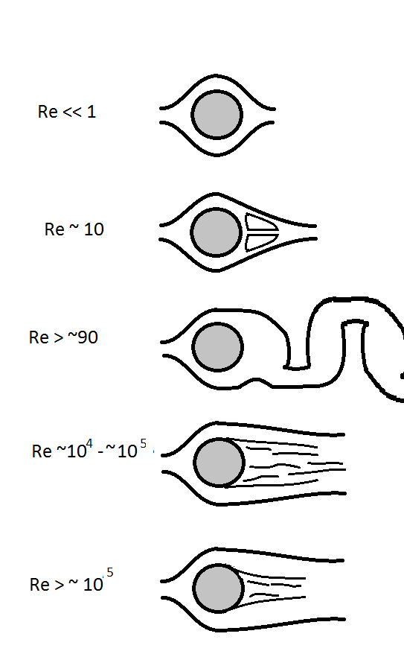
Time | Debris Ion Gyrofrequency | Debris Ion Plasma Frequency | Electron Gyrofrequency | Electron Plasma Frequency | Debris Ion Gyroradius | Electron Gyroradius | Electron-Electron Collision Frequency | Ion-Ion Collision Frequency | Electron-Neutral Frequency | Ion-Neutral Collision Frequency | Debye Length | Coulomb Logarithm | Electron Thermal Velocity | Debris Ion Thermal Veolcity | Alfven Velocity | Plasma Beta | Electron Mean Free Path (Collisions) | Ion Mean Free Path (Collisions) | Parallel Viscosity | Perpendicular Viscosity | Parallel Reynolds Number | Perpendicular Reynolds Number
0 | 2.87E+03 | 3.29E+05 | 5.28E+06 | 1.49E+09 | 1.25E+04 | 1.45E+04 | 1.56E-06 | 2.77E-05 | 3.82E-03 | 1.81E-06 | 5.14E+01 | 4.66E+00 | 7.63E+10 | 3.61E+07 | 2.92E+05 | 1.03E+06 | 2.00E+13 | 2.00E+13 | 2.41E+20 | 2.84E+02 | 8.31E-06 | 7.05E+12
0.01 | 2.87E+03 | 3.29E+05 | 5.28E+06 | 1.78E+09 | 1.25E+04 | 4.42E+03 | 6.91E-05 | 2.45E-05 | 1.17E-03 | 1.81E-06 | 1.31E+01 | 4.12E+00 | 2.34E+10 | 3.61E+07 | 2.92E+05 | 1.39E+05 | 2.00E+13 | 2.00E+13 | 2.41E+20 | 2.84E+02 | 8.31E-06 | 7.05E+12
0.05 | 2.87E+03 | 3.29E+05 | 5.28E+06 | 1.78E+09 | 1.25E+04 | 4.29E+03 | 7.57E-05 | 2.44E-05 | 1.13E-03 | 1.81E-06 | 1.27E+01 | 4.10E+00 | 2.26E+10 | 3.61E+07 | 2.92E+05 | 1.31E+05 | 2.00E+13 | 2.00E+13 | 2.41E+20 | 2.84E+02 | 8.31E-06 | 7.05E+12
0.1 | 2.87E+03 | 3.29E+05 | 5.28E+06 | 1.78E+09 | 1.25E+04 | 4.14E+03 | 8.39E-05 | 2.43E-05 | 1.09E-03 | 1.81E-06 | 1.23E+01 | 4.09E+00 | 2.19E+10 | 3.61E+07 | 2.92E+05 | 1.22E+05 | 2.00E+13 | 2.00E+13 | 2.41E+20 | 2.84E+02 | 8.31E-06 | 7.05E+12
0.3 | 2.87E+03 | 3.29E+05 | 5.28E+06 | 1.78E+09 | 1.25E+04 | 4.05E+03 | 8.95E-05 | 2.42E-05 | 1.07E-03 | 1.81E-06 | 1.20E+01 | 4.08E+00 | 2.14E+10 | 3.61E+07 | 2.92E+05 | 1.16E+05 | 2.00E+13 | 2.00E+13 | 2.41E+20 | 2.84E+02 | 8.31E-06 | 7.05E+12
0.5 | 2.87E+03 | 3.29E+05 | 5.28E+06 | 1.78E+09 | 1.25E+04 | 3.91E+03 | 9.87E-05 | 2.42E-05 | 1.03E-03 | 1.81E-06 | 1.16E+01 | 4.06E+00 | 2.07E+10 | 3.61E+07 | 2.92E+05 | 1.09E+05 | 2.00E+13 | 2.00E+13 | 2.41E+20 | 2.84E+02 | 8.31E-06 | 7.05E+12
1 | 2.87E+03 | 3.31E+05 | 5.28E+06 | 1.78E+09 | 1.25E+04 | 3.72E+03 | 1.14E-04 | 2.43E-05 | 9.83E-04 | 1.81E-06 | 1.10E+01 | 4.04E+00 | 1.97E+10 | 3.61E+07 | 2.92E+05 | 9.85E+04 | 2.00E+13 | 2.00E+13 | 2.41E+20 | 2.84E+02 | 8.31E-06 | 7.05E+12
2 | 2.87E+03 | 3.34E+05 | 5.28E+06 | 1.78E+09 | 1.25E+04 | 2.51E+03 | 3.56E-04 | 2.37E-05 | 6.63E-04 | 1.81E-06 | 7.43E+00 | 3.87E+00 | 1.32E+10 | 3.61E+07 | 2.92E+05 | 4.48E+04 | 2.00E+13 | 2.00E+13 | 2.41E+20 | 2.84E+02 | 8.31E-06 | 7.05E+12
3 | 2.87E+03 | 3.40E+05 | 5.28E+06 | 1.78E+09 | 1.25E+04 | 2.51E+03 | 3.56E-04 | 2.45E-05 | 6.63E-04 | 1.81E-06 | 7.43E+00 | 3.87E+00 | 1.32E+10 | 3.61E+07 | 2.92E+05 | 4.48E+04 | 2.00E+13 | 2.00E+13 | 2.41E+20 | 2.84E+02 | 8.31E-06 | 7.05E+12
4 | 2.87E+03 | 3.46E+05 | 5.28E+06 | 1.78E+09 | 1.25E+04 | 2.51E+03 | 3.56E-04 | 2.55E-05 | 6.63E-04 | 1.81E-06 | 7.43E+00 | 3.87E+00 | 1.32E+10 | 3.61E+07 | 2.92E+05 | 4.48E+04 | 2.00E+13 | 2.00E+13 | 2.41E+20 | 2.84E+02 | 8.31E-06 | 7.05E+12
5 | 2.87E+03 | 3.53E+05 | 5.28E+06 | 1.78E+09 | 1.25E+04 | 2.51E+03 | 3.56E-04 | 2.66E-05 | 6.63E-04 | 1.81E-06 | 7.43E+00 | 3.87E+00 | 1.32E+10 | 3.61E+07 | 2.92E+05 | 4.48E+04 | 2.00E+13 | 2.00E+13 | 2.41E+20 | 2.84E+02 | 8.31E-06 | 7.05E+12
6 | 2.87E+03 | 3.61E+05 | 5.28E+06 | 1.78E+09 | 1.25E+04 | 2.51E+03 | 3.56E-04 | 2.78E-05 | 6.63E-04 | 1.81E-06 | 7.43E+00 | 3.87E+00 | 1.32E+10 | 3.61E+07 | 2.92E+05 | 4.48E+04 | 2.00E+13 | 2.00E+13 | 2.41E+20 | 2.84E+02 | 8.31E-06 | 7.05E+12
7 | 2.87E+03 | 3.69E+05 | 5.28E+06 | 1.78E+09 | 1.25E+04 | 2.51E+03 | 3.56E-04 | 2.90E-05 | 6.63E-04 | 1.81E-06 | 7.43E+00 | 3.87E+00 | 1.32E+10 | 3.61E+07 | 2.92E+05 | 4.48E+04 | 2.00E+13 | 2.00E+13 | 2.41E+20 | 2.84E+02 | 8.31E-06 | 7.05E+12
8 | 2.87E+03 | 3.77E+05 | 5.28E+06 | 1.78E+09 | 1.25E+04 | 2.51E+03 | 3.56E-04 | 3.02E-05 | 6.63E-04 | 1.81E-06 | 7.43E+00 | 3.87E+00 | 1.32E+10 | 3.61E+07 | 2.92E+05 | 4.48E+04 | 2.00E+13 | 2.00E+13 | 2.41E+20 | 2.84E+02 | 8.31E-06 | 7.05E+12
9 | 2.87E+03 | 3.77E+05 | 5.28E+06 | 1.78E+09 | 1.25E+04 | 2.51E+03 | 3.56E-04 | 3.02E-05 | 6.63E-04 | 1.81E-06 | 7.43E+00 | 3.87E+00 | 1.32E+10 | 3.61E+07 | 2.92E+05 | 4.48E+04 | 2.00E+13 | 2.00E+13 | 2.41E+20 | 2.84E+02 | 8.31E-06 | 7.05E+12
10 | 2.87E+03 | 3.77E+05 | 5.28E+06 | 1.78E+09 | 1.25E+04 | 2.51E+03 | 3.56E-04 | 3.02E-05 | 6.63E-04 | 1.81E-06 | 7.43E+00 | 3.87E+00 | 1.32E+10 | 3.61E+07 | 2.92E+05 | 4.48E+04 | 2.00E+13 | 2.00E+13 | 2.41E+20 | 2.84E+02 | 8.31E-06 | 7.05E+12

 | assumes A=Z=100 |  |  |  |  |  |  |  | neutral density * sigma * electron thermal speed |  | calculated based on electrons |  |  |  |  | used electron temps |  |  |  | 1078.7486516
 | B = 0.3 G | 7.97E+04 |  | 1.68E+01 |  |  |  |  |  | neutral density * sigma * ion thermal speed

