0. Cover & Instructions
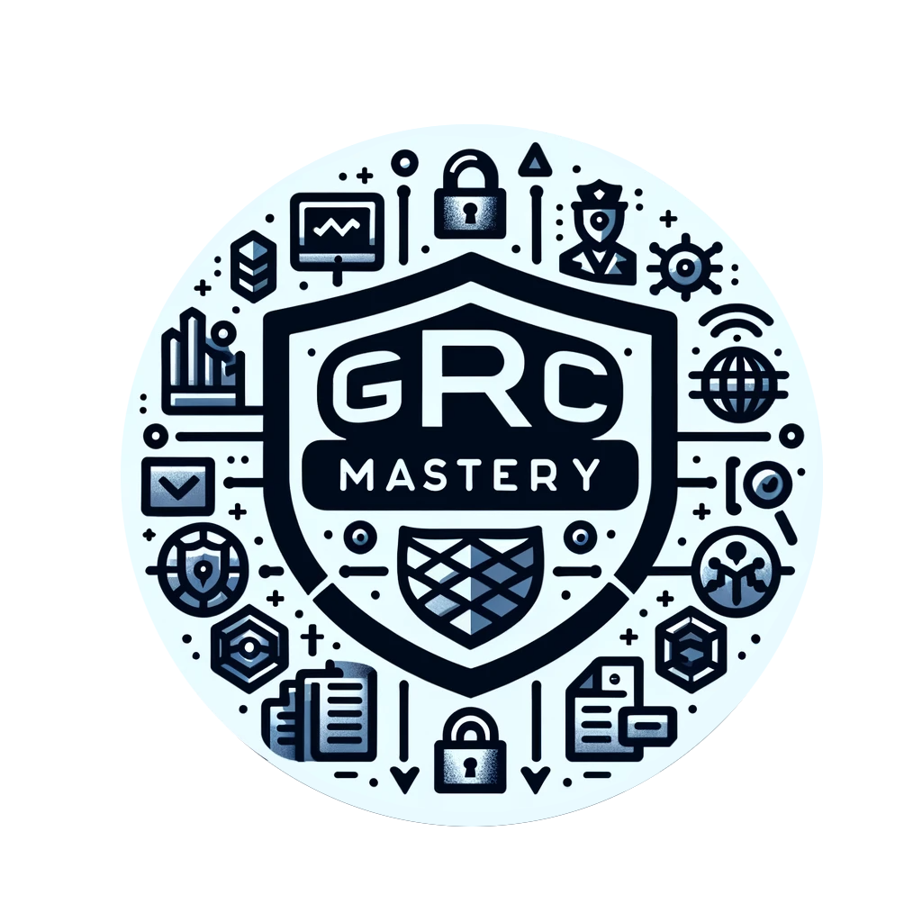

SafeStore Pty Ltd - ISO/IEC 27001:2022 Lead Auditor Case Study
Stage 1 of 5 - Plan · Candidate Assessment Workbook

Disclaimer: This document is provided for informational and educational purposes only as part of GRC Mastery training course. While we have made reasonable efforts to ensure the accuracy of the information contained herein, it is not intended to be professional advice. We make no warranties or representations of any kind, express or implied, regarding the accuracy or completeness of the information provided. You should not rely on this document for any commercial decision-making. By using this document, you agree to hold us harmless from any and all damages or losses arising from your use of this document.

Candidate details
Candidate name | Tyler Leath
Assessment date | 2024-11-20

How to use this workbook
• This is the Stage 1 workbook - Plan. Complete every pale-yellow cell in the tabs that follow. Your full assessment also includes the Stage 2-5 workbooks.
• Type your answers only in the PALE YELLOW cells. Grey cells are labels or information - do not change them.
• Some yellow cells have a drop-down arrow. Click the cell and pick one of the listed options.
• Base every answer on the SafeStore evidence pack and the audit brief you were given. Support findings with evidence, not opinion.
• The audit standard is ISO 19011:2026. The management-system standard being audited is ISO/IEC 27001:2022.

What each phase covers
Phase / tab | What you produce
Phase 1 - Plan | Evaluate the draft audit plan; produce a corrected final audit plan.
Phase 2 - Lead the team | Run the opening meeting; brief and allocate the team; manage the team and review findings.
Phase 3 - Conduct | Build an audit checklist and sampling plan; record findings in the A.18 format; debrief the team.
Phase 4 - Report & close | Run the closing meeting; write the audit report; record corrective actions and follow-up.
Phase 5 - Professional behaviour | Handle ethics scenarios; self-evaluate; reflect.
ISMS documentation review | Check the SoA against the risk assessment and confirm the ISMS documents agree with each other.

Legend: yellow = you fill this in • grey = information / labels • drop-down = pick from the list

