sentenences_not_matched
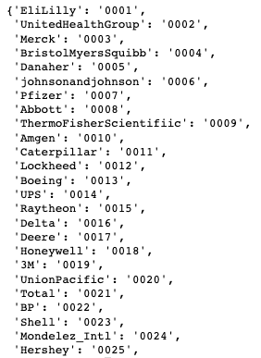
 | matched_rel | original_rel | company_label | reasoning
32 |  | 3,696,540 Total Energy Use (intensity) 193.7 Reduction -9.0% y/y Total GHG Emissions, Scope 1 and 2 312,860 Total GHG Emissions, Scope 1 and 2 (intensity) 16.4 Reduction -7.5% y/y | 5 | table
46 |  | From renewable sources 3,355 Percent renewable electricity by region North America 67%◊ Europe 79%◊ On-site generated energy use by type (TJ)1 Co-generation 456 Wind 111 Solar PV 86 Geothermal 21 Fuel cell 4 Biomass 3 On-site clean/renewable energy capacity by type4 Solar PV 44% Co-generation 29% Wind 23% Geothermal 2% Biomass 2% Fuel cell 1% On-site clean/renewable energy technology capacity, (MW) 67.2 Electricity generated from renewable sources 52%◊ | 6 | table
55 |  | Generated Electricity (Cogeneration) 196 Generated Electricity (Renewables) 7 Generated On-Site from Renewables 7 Purchased Renewables from Third Party 678 Renewable Energy 678 % of Renewable Energy Purchased 15% Energy Consumption by Source(o) 1,000 Gigajoules Electricity Consumption by Type Purchased Energy Consumed (1,000 | 8 | table
56 |  | North America Region Total 63 Electricity From Renewable Energy Sources by Region 1,000 Gigajoules | 8 | table
61 |  | 3MW 3.5MW of solar power installed at our sites of wind energy installed at our sites | 9 | short title
63 |  | Use of sold products (category 11) 2,228,880 Total leased vehicles 7,514 Battery electric vehicles (BEV) 16 Renewable electricity† 258,848 On-site generation† 10,760 PPA/supply contract† 131,029 Environmental attribute certificates30† 117,059 Renewable electricity (% of total electricity) 22 Renewable energy (% of total energy) 10 | 9 | table
123 |  | One of our largest renewable energy contracts began participation in an off-site community solar program. | 15 | non-highlighted
187 |  | % Renewable Electricity1,2 40.5% % of Waste Recycled3 83% | 17 | table
218 |  | Progress Rail approved the use of up to 20% biodiesel blend in the vast majority of Electro-Motive Diesel (EMD) locomotives we operate Introduced Genset and Green Goat locomotives for service in California, Texas and Chicago, with fuel-savings of more than 20% compared to diesel locomotives in similar use reduce the size of our , which allows us to retire our | 20 | infographics --> refer to the slide
237 |  | Scope 1+2 – Net Zero by 2050 Scope 3 – Net Zero by 2050, together with society REDUCE OUR EMISSIONS Achieve zero routine flaring by 2030 and less than 0.1 Mm3/d by 2025. | 21 | infographics --> refer to the slide
244 |  | PRODUCE MORE ENERGY FOR OUR CUSTOMERS WHILE REDUCING OUR PRODUCTS’ CARBON FOOTPRINT NET ZERO BY 2050, TOGETHER WITH SOCIETY In line with the objectives of the Paris Agreement | 21 | infographics --> refer to the slide
338 |  | By 2030 we aim to have developed 50GW of renewable generating capacitya We set a target of 20GW of renewable energy generating capacity to be developed to FID by 2025 with an aim of 50GW by 2030. | 22 | two relevant sentences combined together | Because 100000
363 |  | Our 2025 Ambition (In Progress) Our 2021 Scope 1 & 2 Progress | 24 | figure title: graph | Renewable 60102
388 |  | O U R A S P I R AT I O N S 35% reduction in absolute GHG emissions in our tobacco supply chain versus 2019 baseline 25% reduction in absolute scope 3 GHG emissions versus 2019 baseline 50% reduction in absolute scope 1+2 GHG emissions versus 2019 baseline (SBT) Net zero GHG emissions in our value chain (scope 1+2+3) 50% reduction in absolute scope 3 GHG emissions versus 2019 baseline (SBT) 50% reduction in absolute GHG emissions in our tobacco supply chain versus 2019 baseline SI | 26 | table
407 |  | Reduce energy use at P&G facilities by 20% per unit of production by 2020 Achieved — 21% reduction per unit of production Reduce absolute GHG emissions by 30% by 2020 We have reduced absolute GHG emissions by 25% 13% of energy is from renewable sources Ensure plants are powered by 30% renewable energy | 29 | table
419 |  | Renewable energy use as a percentage of total electricity for the system was 12% in 2021.1 Because packaging accounts for almost one-third of our overall carbon footprint, virtually everything we do toward our World Without Waste initiative also helps to achieve our science-based target. | 32 | two relevant sentences combined together
441 |  | GREENHOUSE GAS (GHG) EMISSIONS Reduction of emissions due to conservation and efficiency measures19 1.0* | 35 | table
476 |  | We’ve pledged to have 100% renewable electricity for all Home Depot facilities worldwide by 2030. we anticipate about three- quarters of our alternative and renewable energy capacity will come from solar by the end of 2023. | 38 | two relevant sentences combined together
494 |  | These further our commitment to power our operations with renewable energy and include: • Golden Buckle Solar Project in Texas (160 MW) • Haystack Wind project in Nebraska (90 MW) • Sparta solar project in Texas (42 MW) • Salt River Project Central Line Solar in Arizona • Duke Energy Clean Energy Connection Program in Florida Percentage of total energy that is renewable and for which we retire RECs (%)10 14%11 Percentage of global electricity consumption that is renewable12 38% Covered by Target RECs Grid-renewable portion Total number of stores and distribution centers with rooftop solar | 40 | relevant sentence combined with table or irrelevant sentence
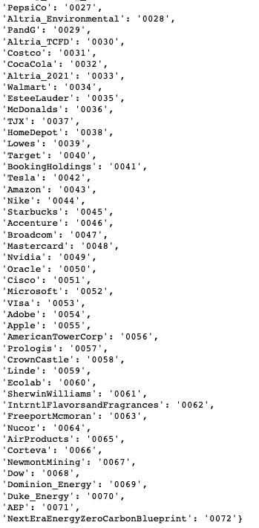
514 |  | On a path to powering our operations with 100% renewable energy by 2025 Making 50% of all shipments net-zero carbon by 2030 Reaching net-zero carbon emissions across our operations by 2040 | 43 | cover page: title combined together
542 |  | 70% absolute reduction of greenhouse gas (GHG) emissions in owned or operated facilities through 100% renewable electricity and fleet electrification14,15 0.5M metric tons emissions reduction through 50% environmentally preferred materials19 | 44 | table
543 |  | BY 2050, WE AIM TO REACH NET ZERO BY 2030, WE AIM TO HIT OUR SCIENCE-BASED TARGETS Scope 1 & 2 Target: -65% Scope 3 Target: -30% Scope 1, 2, & 3 Target: -90% | 44 | figure title: graph
611 |  | We 2021 RENEWABLE LOAD BREAKDOWN | 48 | figure title: graph
636 |  | 360 projects 118 GWh of energy avoided 52,250 metric tonnes of CO2e avoided 6.6 GWh of energy avoided 2700 metric tonnes of CO2e avoided | 51 | table
645 |  | Scope 1 Scope 2 Scope 3 FY18 FY17 FY20 FY21 FY19 10,662,000 139,066 107,452 11,745,000 11,466,000 11,239,000 | 52 | table
661 |  | In addition to these purchases, we’re using our campuses have installed on-site renewables at select campuses as well. | 52 | non-highlighted
672 |  | This solution is being expanded to other datacenters across viable green energy for backup power at our datacenters. | 52 | non-highlighted
683 |  | The 100/100/0 commitment completes the link between largest purchasers of renewable energy in the world. | 52 | non-highlighted
685 |  | This includes over 35 individual deals, with 15 of those Denmark, Sweden, Spain, the United Kingdom, and Ireland. | 52 | non-highlighted
688 |  | This builds on our progress on our community purchasing our utility partner Vattenfall. | 52 | non-highlighted
731 |  | Climate change and GHG emissions Renewables and energy efficiency | 54 | table
740 |  | Initiatives that we’ve been growing emissions grew by less than 5 percent. | 55 | non-highlighted
775 |  | Installations 58 Solar Capacity (MW) Solar Installations On-site Solar Capacity (MW) | 56 | figure title: graph
779 |  | Installations Number of Sites APPENDICES | 56 | figure title: graph
786 |  | Primary sources of Scope 1 emissions include fuel consumption in Prologis-owned and -leased Our Scope 3 emissions declined 1% from 2020 to 2021. | 57 | non-highlighted
806 |  | Established goal to be Carbon Neutral by 2025 in Scope 1 & 2 emissions We have converted 57% of our 12,000+ lit towers. | 58 | infographics
809 |  | 2021 Scope 1 & 2 Emissions1 2021 Greenhouse Gas (GHG) Emissions | 58 | table
819 |  | Scope 2 GHG were caused by the use of electricity and steam, a portion Linde’s combined Scope 1 + Scope 2 GHG emissions versus EBITDA. | 59 | non-highlighted
831 |  | Active renewable electricity consumed 2,493,000 Passive renewable electricity consumed 9,176,000 Low carbon (nuclear) electricity consumed 4,750,000 Non-renewable fuels purchased and consumed 21,298,000 Total renewable electricity purchased or generated2 2,493,000 | 59 | table
907 |  | Asheville Plant Gallagher Station Allen Steam Station 1, 2 IN 2, 3, 4 NC 2, 3, 4 NC 378 2020 280 2021 677 2021 | 70 | table
910 |  | Regulated and Commercial Businesses Combined: 2021 Electricity Generated and Generation Capacity 2021 Electricity Generated 1 36% Natural gas 35% Nuclear 22% Coal 5% Wind/solar 1% Conv.hydro 0.2% Fuel cell 0.1% Oil 1 Excludes pumped-storage hydro. | 70 | figure title: graph
942 |  | NextEra has been Energy working | 72 | non-highlighted
960 |  | offsets rely on not Does | 72 | non-highlighted

