Asset Input
Cortland 3131

Month | Rev/ASF Rank | T1 Rank | Rev/ASF | vs. Avg | Period Quality | Comps | Comp Average Rev/ASF
Jan-24 | 2 | 3 | 1.798 | 0.197 | Good | Briarcliff Apartments | 1.601
Feb-24 | 3 | 2 | 1.789 | 0.195 | Poor | The Five @ North Decatur | 1.594
Mar-24 | 4 | 3 | 1.759 | 0.167 | Poor | The Dakota at Druid Hills | 1.592
Apr-24 | 4 | 4 | 1.772 | 0.224 | Good | MAA Peachtree Hills | 1.548
May-24 | 4 | 4 | 1.756 | 0.217 | Neutral | MAA Glen | 1.539
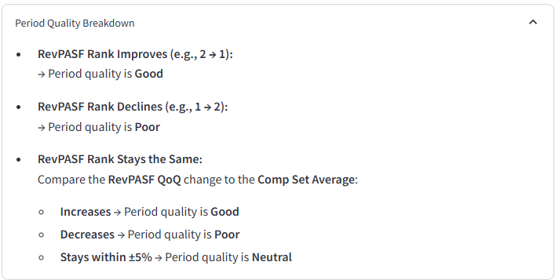
Jun-24 | 4 | 4 | 1.738 | 0.207 | Neutral | Decatur Highlands | 1.532
Jul-24 | 4 | 4 | 1.757 | 0.229 | Good | Cortland Viridian | 1.527
Aug-24 | 4 | 4 | 1.769 | 0.234 | Neutral | Camden St. Clair | 1.535
Sep-24 | 4 | 4 | 1.737 | 0.208 | Poor | LaVista Crossing | 1.529
Oct-24 | 4 | 4 | 1.743 | 0.230 | Good | Haven on Peachwood | 1.513
Nov-24 | 4 | 4 | 1.724 | 0.228 | Neutral |  | 1.496
Dec-24 | 5 | 4 | 1.682 | 0.177 | Poor |  | 1.505
Jan-25 | 5 | 5 | 1.648 | 0.163 | Poor |  | 1.485
Feb-25 | 5 | 5 | 1.653 | 0.179 | Good |  | 1.474
Mar-25 | 2 | 5 | 1.723 | 0.250 | Good |  | 1.473
 |  |  |  |  |  |  | 0.000

 | Rev/ASF | Comp Average Rev/ASF
Jan-24 | 1.798 | 1.601
Feb-24 | 1.789 | 1.594
Mar-24 | 1.759 | 1.592
Apr-24 | 1.772 | 1.548
May-24 | 1.756 | 1.539
Jun-24 | 1.738 | 1.532
Jul-24 | 1.757 | 1.527
Aug-24 | 1.769 | 1.535
Sep-24 | 1.737 | 1.529
Oct-24 | 1.743 | 1.513
Nov-24 | 1.724 | 1.496
Dec-24 | 1.682 | 1.505
Jan-25 | 1.648 | 1.485
Feb-25 | 1.653 | 1.474
Mar-25 | 1.723 | 1.473
 |  | 0.000

