Phoenix - Cortland at Raven
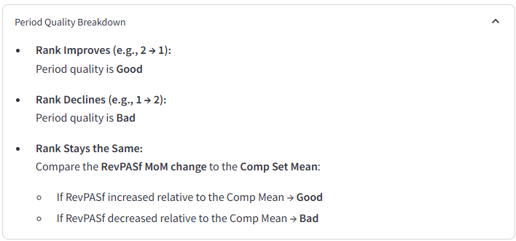
Cortland at Raven

Month | Rev/ASF Rank | T1 Rank | Rev/ASF | vs. Avg | Period Quality | Rental Income Growth/Decline | Comps
Jan-24 | 4 | 10 | 1.542 | 0.023 | Good |  | Carlyle Townhomes
Feb-24 | 7 | 4 | 1.532 | -0.016 | Poor | -854.62 | Esteban Park
Mar-24 | 7 | 7 | 1.503 | -0.024 | Poor | 13868.61 | Lore South Mountain
Apr-24 | 8 | 7 | 1.431 | -0.085 | Poor | 3680.31 | Parc South Mountain
May-24 | 8 | 8 | 1.453 | -0.033 | Good | 121.9 | Portola South Mountain
Jun-24 | 5 | 8 | 1.493 | 0.014 | Good | -5762.49 | Rancho Ladera
Jul-24 | 8 | 5 | 1.461 | -0.021 | Poor | -1979.57 | San Paseo
Aug-24 | 10 | 8 | 1.455 | -0.041 | Poor | -1171.66 | San Paulo
Sep-24 | 10 | 10 | 1.425 | -0.085 | Poor | -11118.76 | Serafina at South Mountain
Oct-24 | 10 | 10 | 1.410 | -0.087 | Poor | -241.77 | Vista Sureno
Nov-24 | 9 | 10 | 1.445 | -0.079 | Good | 24.92
Dec-24 | 8 | 9 | 1.475 | -0.052 | Good | -9312.91
Jan-25 | 9 | 8 | 1.462 | -0.054 | Poor | 756.55
Feb-25 | 9 | 9 | 1.453 | -0.055 | Poor | 7147.44
Mar-25 | 9 | 9 | 1.445 | -0.051 | Good

