Sheet1
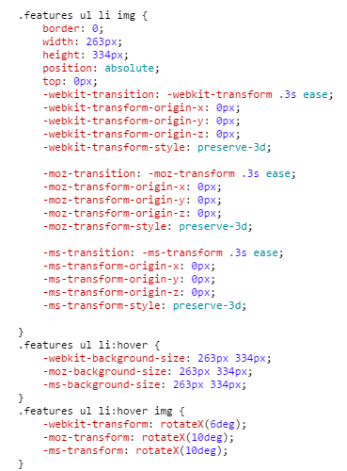
http://pages.ch.com/Activitiesall/Activities205 | 手机切换效果 | js,ui-slide,固定手机壳模拟内屏滑动
http://pages.ch.com/Activitiesall/Activities212 | css3模拟翻页效果 | .features ul {-webkit-perspective: 1000;}

http://pages.ch.com/Activitiesall/Activities229 | hover效果 | js,hover 定位偏移
http://pages.ch.com/Activitiesall/Activities235 | 进场效果 | js,hover 定位偏移。setInterval定位偏移
http://pages.ch.com/Activitiesall/Activities241 | 进场效果 | animate.css中动画效果
http://pages.ch.com/Activitiesall/Activities247 | 波浪效果

http://pages.ch.com/Activitiesall/Activities284 | 头图动画 | js控制头图循环移动
http://pages.ch.com/Activitiesall/Activities295 | 头图动画 | rotate插件
http://pages.ch.com/Activitiesall/Activities313 |  | js实现手风琴效果
http://pages.ch.com/Activitiesall/Activities316 | PK动画 | js实现扣血，弹出动画
http://pages.ch.com/Activitiesall/Activities337 | 头图动画 | rotate旋转
http://pages.ch.com/Activitiesall/Activities359 | 灯光闪烁 | -webkit-animation:flash 2s infinite;
http://pages.ch.com/Activitiesall/Activities387 |  | animation: bounceInUp 2s .5s ease-out infinite;
http://pages.ch.com/Activitiesall/Activities401 | snow | js,实现下雪效果
http://pages.ch.com/Activitiesall/Activities434 | hover显示
http://pages.ch.com/Activitiesall/Activities441 | 小游戏 | 其中动画效果用css伸缩，位移，放大。js控制游戏的内容

