Лист1
 |  | HONEY COMB New Opportunities for the Production of Comb Honey Our company devises and develops technology and equipment for the production of comb honey. Our latest design is a section (mini-frame) made from the wood of deciduous trees, making it completely ecologically clean. The aim of our company is to supply bee-keepers with everything they need to produce comb honey of the highest quality.
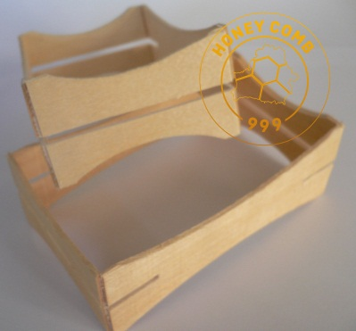 |  | Technical description Material: Birch / aspen Thickness: 2 (+-0,3) mm / 0,078 (+\-0,013) Inch Reported: steel bracket
№ | Picture | Dimensions (mm / inch) | Description | Applying | Price GBP\piece
 |  |  |  |  | 5 - 29 | 30 - 59 | 60 - 300 | 360 - 900 | 900 <
HC03 | 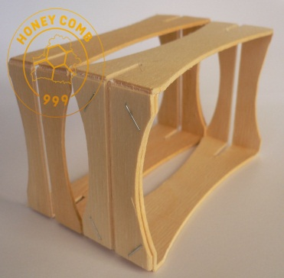 | 114X67X37 (+\-1) 4,5X2,65X1,46 (+\-0,035) | The section has grooves on both sides for mounting honeycombs. It supplied fully assembled without honeycombs. | English National frame for super accommodates 5 pcs. English traditional super holds 66 pieces. Langstroth super capacity of 80 pcs. It is also possible to use other hives. | 1,2 | 0,85 | 0,8 | 0,7 | specify
HC03\1 | 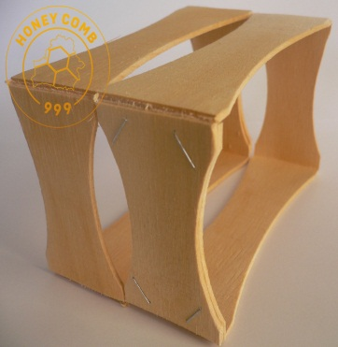 | 114X67X37 (+\-1) 4,5X2,65X1,46 (+\-0,035) | The Section does not have slots for mounting honeycombs. It supplied fully assembled without honeycombs. | English National frame for super accommodates 5 pcs. English traditional super holds 66 pieces. Langstroth super capacity of 80 pcs. It is also possible to use other hives. | 1,2 | 0,80 | 0,75 | 0,65 | specify
HC01\C | 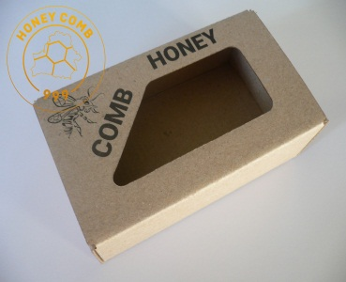 | 125X75X45 4,95X2,95X1,77 | Self-assembling box made of cardboard. It shipped unassembled. | Designed for packaging a honeycomb in the sections HC03 and HC03 \ 1. | 0,45 | 0,35 | 0,35 | 0,30 | specify
№ | Picture | Dimensions (mm / inch) | Description | Applying | Price GBP\piece
 |  |  |  |  | 1 - 5 | 6 - 20 | 21 - 40 | 40<
HC01\F | 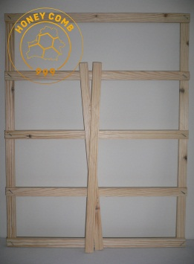 | 462X369X12 18,19X14,5X0,47 | Support grid for super Langstroth hive. | Designed for installation in super relied on section. | 5,50 | 5,00 | 4,50 | specify
We also develop and manufacture the packaging of individual sizes and designs.
Our contact details HONEYCOMB999 LTD is a company registered in England and Wales with company number 10174807 Tel.: 07341 940518 Email: honey999combltd@gmail.com YouTube channel: https://www.youtube.com/channel/UCLimSJNzXacOi4vnjnxJHMg

