Лист1
 |  | HONEY COMB 999 New Opportunities for the Production of Comb HoneyOur company devises and develops technology and equipment for the production of comb honey. Our latest design is a section (mini-frame) made from the wood of deciduous trees, making it completely ecologically clean. The aim of our company is to supply bee-keepers with everything they need to produce comb honey of the highest quality.
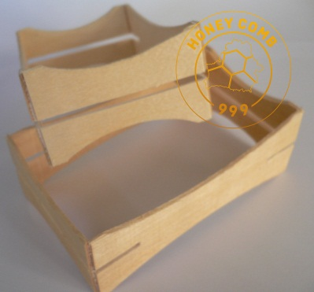 |  | Technical description Material – Birch Weight - 20 (+ - 5) grams Thickness: 2 (+-0,3) mm / 0,078 (+\-0,013) Inch Holds honey - 220 (+ - 30) gram
№ | Picture | Dimensions (mm / inch) | Description | Application | Price GBP\piece
 |  |  |  |  | 5 - 35 | 36 - 59 | 60 - 300 | 360 - 900 | > 900
HC03 | 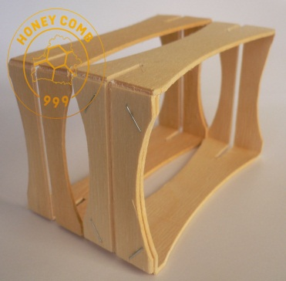 | 114X67X37 (+\-1) 4.5X2.65X1.46 (+\-0.035) | The section has slots on both sides for mounting foundation. It is supplied fully assembled without foundation. | English National frame for super accommodates 5 pcs. English traditional super holds 66 pieces. Langstroth super holds 80 pcs. It is also possible to use other hives. | 0.9 | 0.75 | 0.7 | 0.6 | email
HC03\1 | 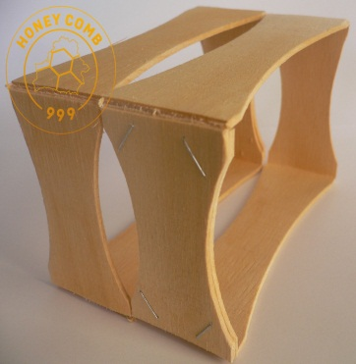 | 114X67X37 (+\-1) 4.5X2.65X1.46 (+\-0.035) | The section does not have slots for mounting foundation. It is supplied fully assembled without foundation. | English National frame for super accommodates 5 pcs. English traditional super holds 66 pieces. Langstroth super holds 80 pcs. It is also possible to use other hives. | 0.9 | 0.65 | 0.6 | 0.5 | email
HC01\C | 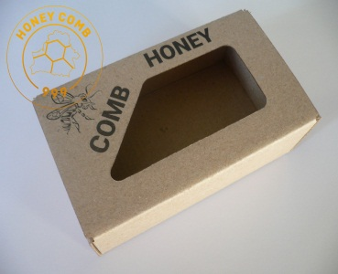 | 125X75X45 4.95X2.95X1.77 | Self-assembly box made of cardboard. It is shipped unassembled. | Designed for packaging a honeycomb from sections HC03 and HC03 \ 1. | 0.35 | 0.32 | 0.31 | 0.27 | email
№ | Picture | Dimensions (mm / inch) | Description | Application | Price GBP\piece
 |  |  |  |  | 1 - 5 | 6 - 20 | 21 - 40 | >40
HC01\F | 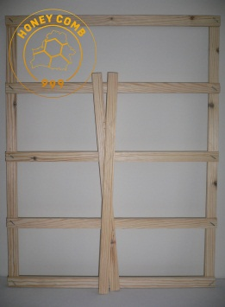 | 462X369X12 18.19X14.5X0.47 | Support grid for super, Langstroth hive. | Designed for installation of sections directly into super | 4.50 | 4.20 | 4.00 | email
HC02\F | 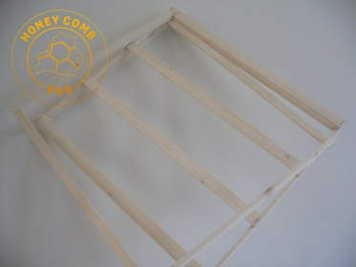 |  | Support grid for super, English National hive. | Designed for installation of sections directly into super | 5.8 | 5.50 | 5.30
We also develop and manufacture packaging of individual sizes and designs.
Our contact detailsTel.: 07341 940518 Email: honey999comb@gmail.com Skype: honey999comb FB group: https://www.facebook.com/groups/1593662507556245/ YouTube channel: https://www.youtube.com/channel/UCLimSJNzXacOi4vnjnxJHMg

