Лист1
 |  | HONEY COMB 999 New Opportunities for the Production of Comb Honey. Our company devises and develops technology and equipment for the production of comb honey. Our latest design is a section made from the wood of deciduous trees, making it completely ecologically clean. The aim of our company is to supply bee-keepers with everything they need to produce comb honey of the highest quality.
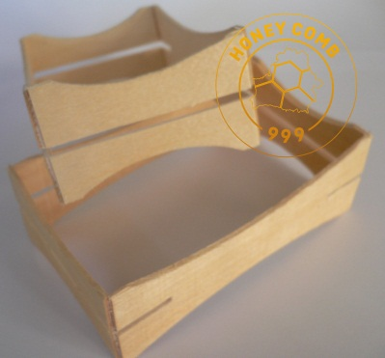 |  | Technical description Material: Birch / Aspen Thickness: 2 (+-0,3) mm / 0,078 (+\-0,013) Inch Fixing: steel bracket
№ | Picture | Dimensions (mm / inch) | Weight (pcs.) | Description | Applying | Price GBP\piece
 |  |  |  |  |  | 5 - 29 | 30 - 59 | 60 - 900 | 960 - 1800 | 1800 <
HC03 | 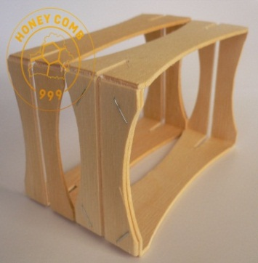 | 114X67X37 (+\-1) 4,5X2,65X1,46 (+\-0,035) | 0.011 | The section has grooves on both sides for mounting foundation. It is supplied fully assembled without foundation. | English National frame for super accommodates 5 pcs. Langstroth SHALLOW super capacity of 80 pcs. It is also possible to use other hives. | 1,2 | 0,85 | 0,8 | 0,7 | specify
HC03\1 | 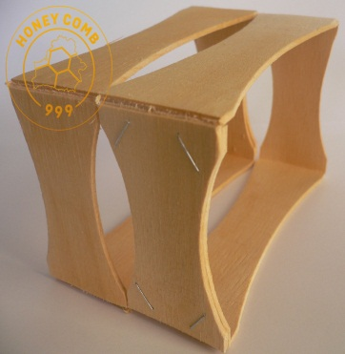 | 114X67X37 (+\-1) 4,5X2,65X1,46 (+\-0,035) | 0.011 | The section does not have slots for mounting foundation. It is supplied fully assembled without foundation. | English National frame for super accommodates 5 pcs. Langstroth SHALLOW super capacity of 80 pcs. It is also possible to use other hives. | 1,2 | 0,80 | 0,75 | 0,65 | specify
HC01\C | 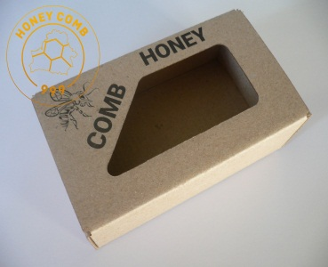 | 125X75X45 4,95X2,95X1,77 | 0.016 | Self-assembly box made of cardboard. It is shipped unassembled. | Designed for packaging comb honey in sections HC03 and HC03 \ 1. | 0,45 | 0,35 | 0,35 | 0,30 | specify
PB1 | 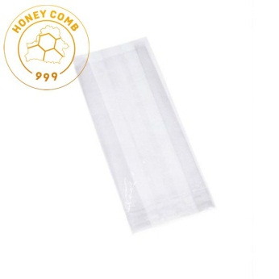 | 110X76X195 4,33X2,99X7,65 | 0.001 | Cellophane Bag | Designed for packaging comb honey in sections. | 0,2 | 0,08 | 0,08 | 0,075 | specify
We also develop and manufacture packaging of individual sizes and designs.
Our contact details HONEYCOMB999 LTD is a company registered in England and Wales with company number 10174807 Tel.: 07341 940518 Email: honeycomb999ltd@gmail.com YouTube channel: https://www.youtube.com/channel/UCLimSJNzXacOi4vnjnxJHMg

