使い方
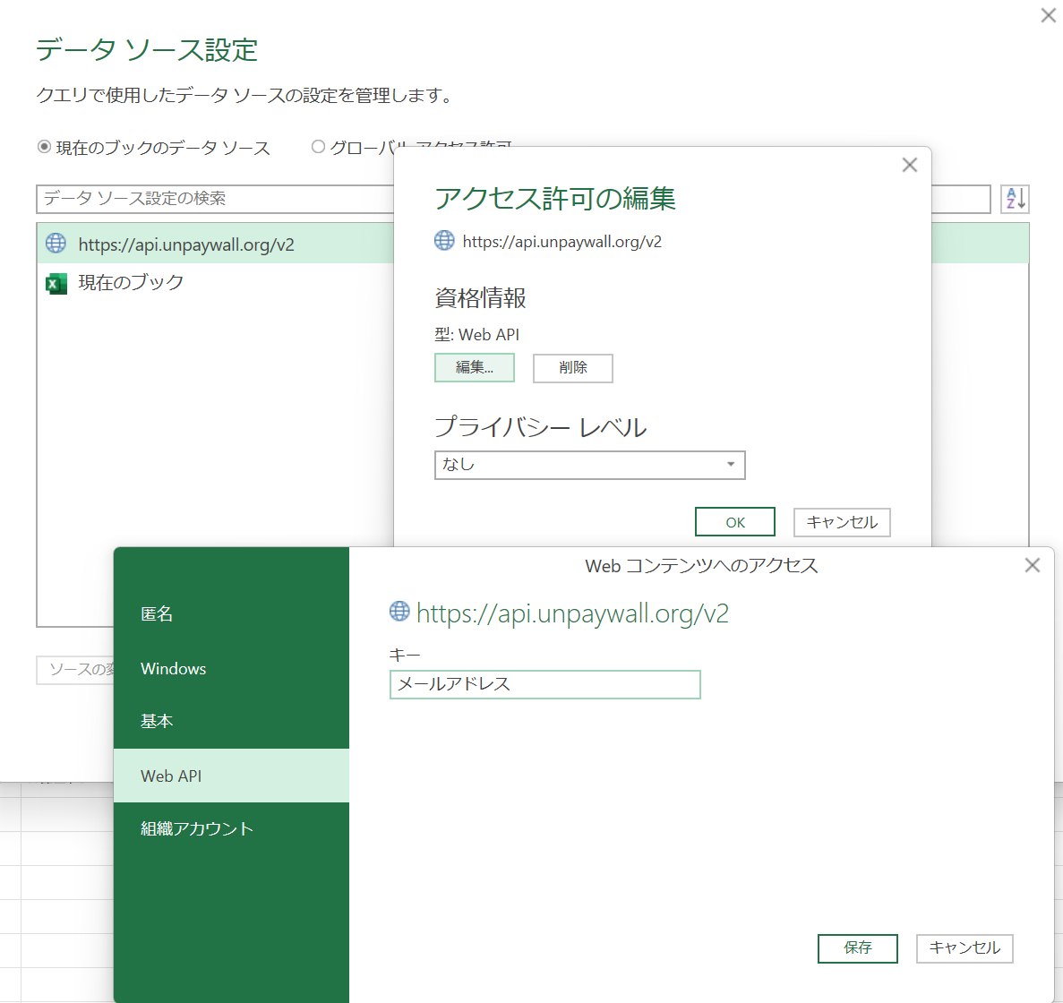
使用方法
 | 1. 初回起動時に「セキュリティの警告 外部データ接続が無効になっています」というメッセージが表示された際は【コンテンツの有効化】をクリックしてください。
 | 2. 入力シートに検索対象のDOIを入力し、データタブのすべてを更新をクリックしてください。
 |  | a. 初回検索時に資格情報の入力を求められた際は、【Web API】を選択し、メールアドレスを入力してください。
 |  | b. データの取得には時間がかかる場合があります。
 |  | c. PowerQueryの仕様上データ取得完了のメッセージが表示されません。出力シートの更新で取得完了を確認してください。

 | 資格情報の設定は以下手順でも行えます。
 | 1. データソースの設定をクリック
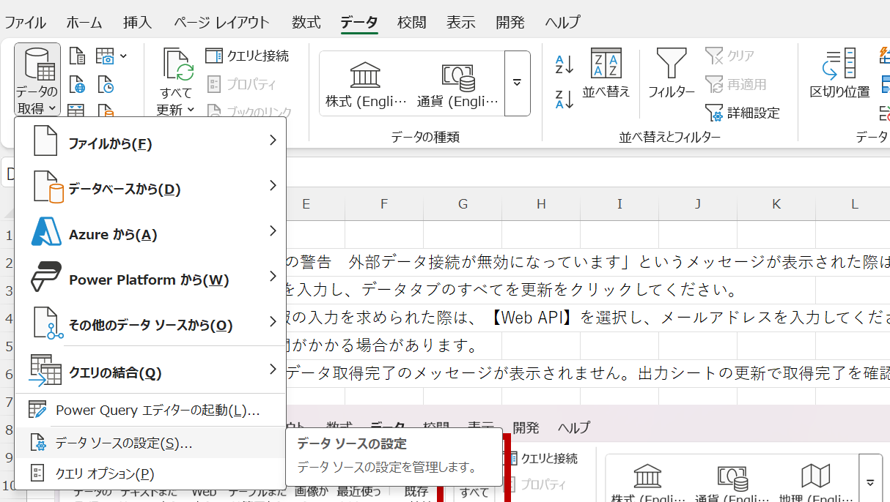

 | 2. https://api.unpaywall.org/v2 を選択し、アクセス許可の編集をクリック
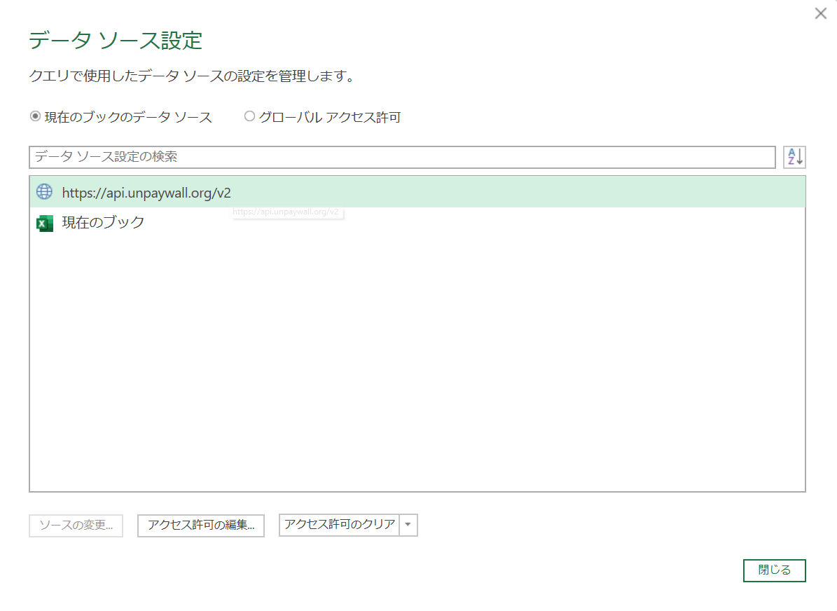

 | 3. 資格情報の編集をクリックし、Web APIのキーにメールアドレスを入力、保存をクリック

