Screenshots
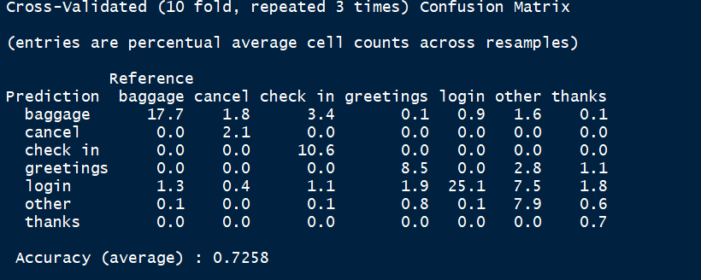
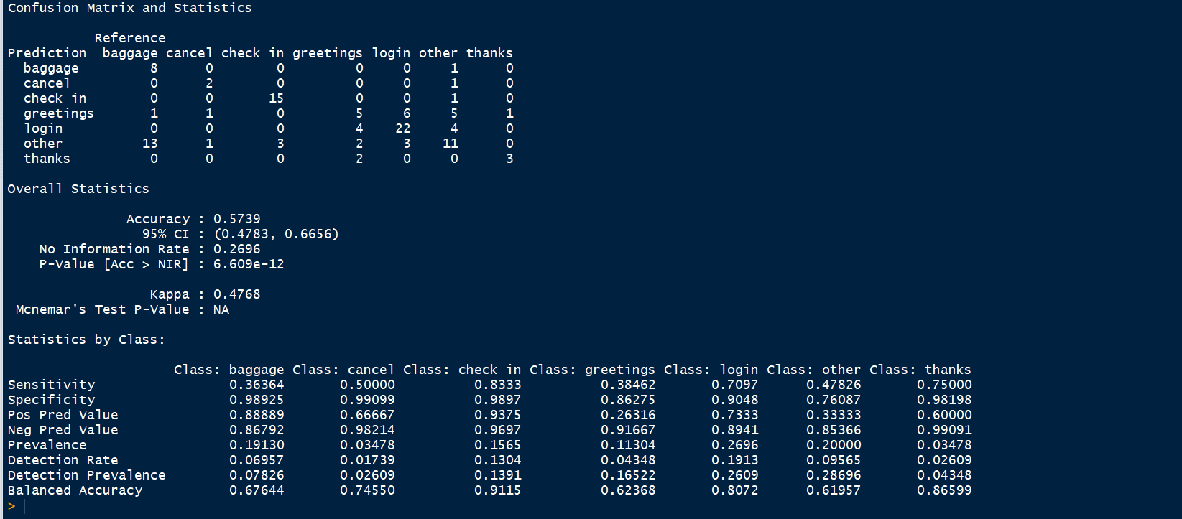
Unigram-Decision Tree with 10 predictors

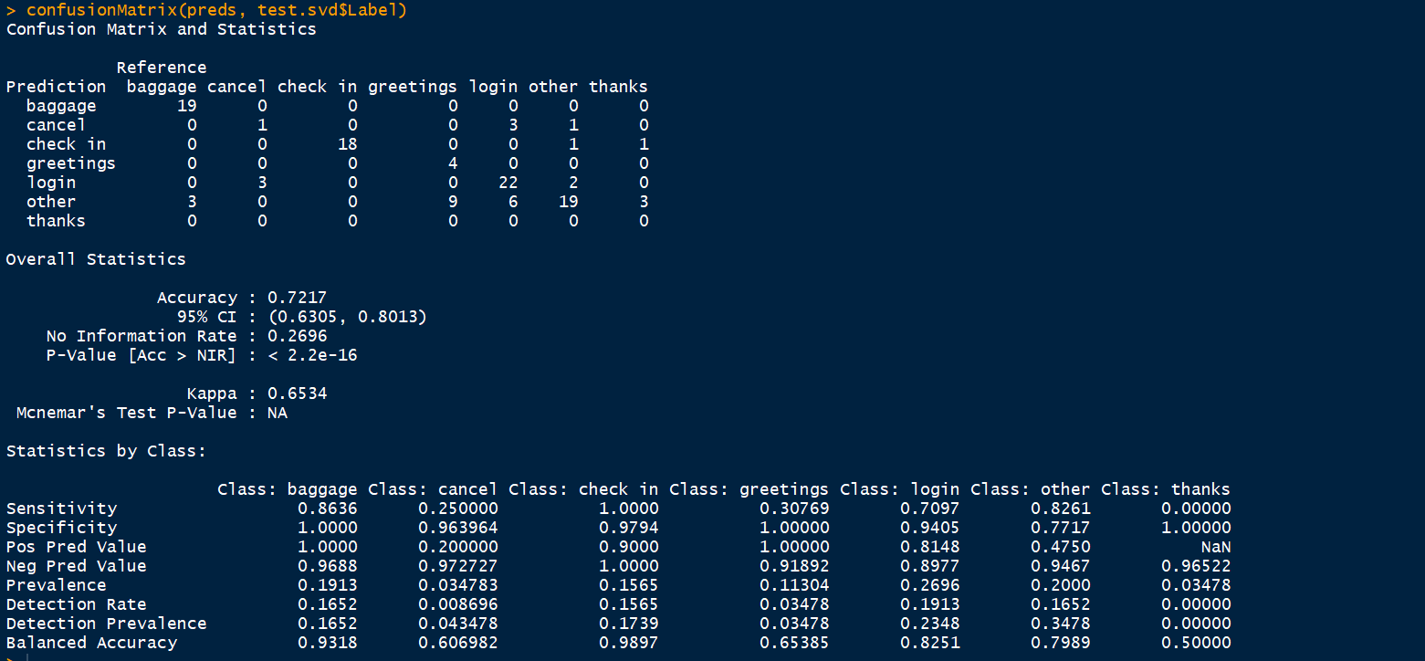
Training Set |  | Test Set
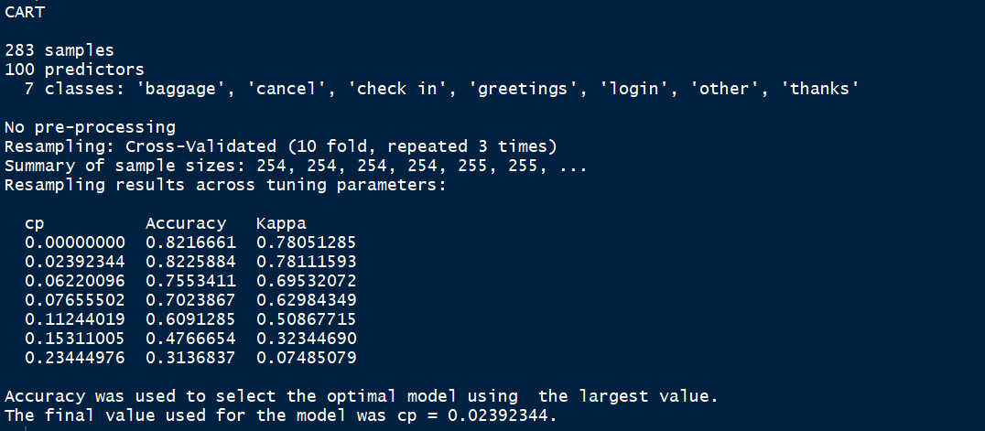

Unigram-Random Forest Tree with 10 predictors
Training Set | Test Set

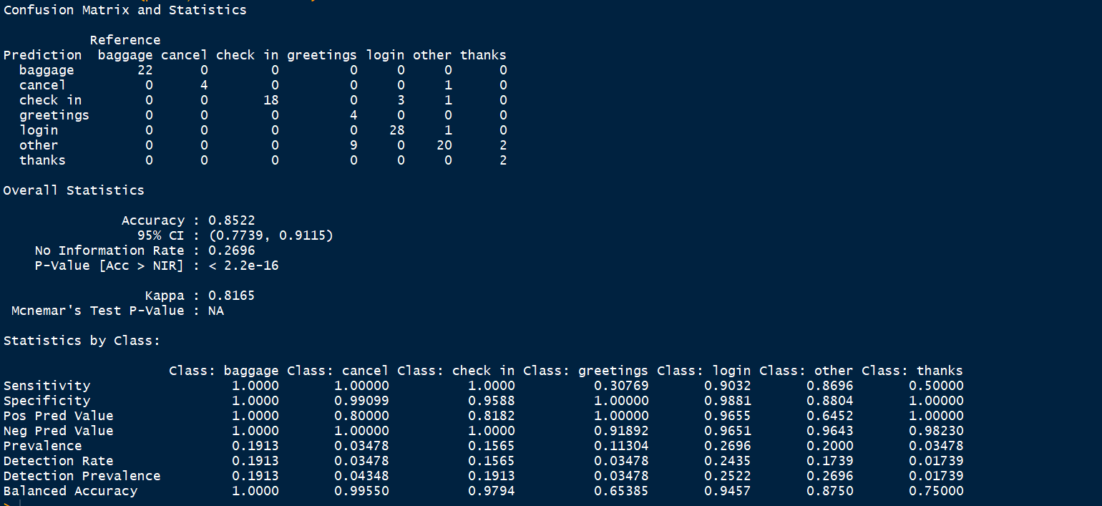

Unigram-Decision Tree with 15 predictors
Training Set | Test Set

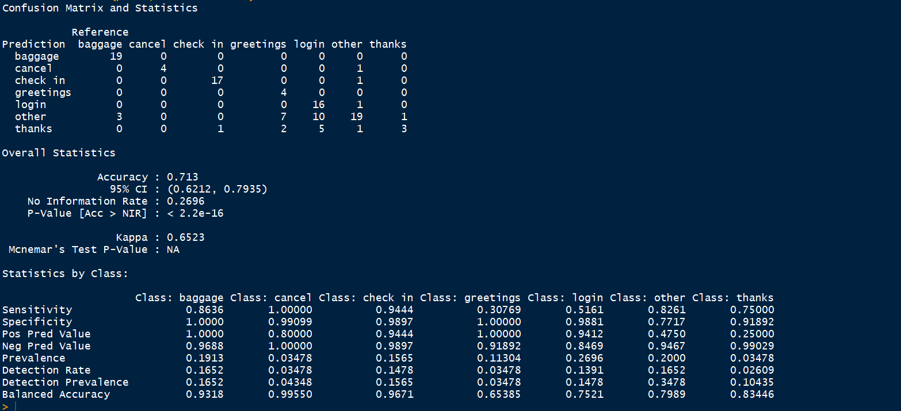

Unigram-Random Forest with 15 predictors
training Set | Test Set

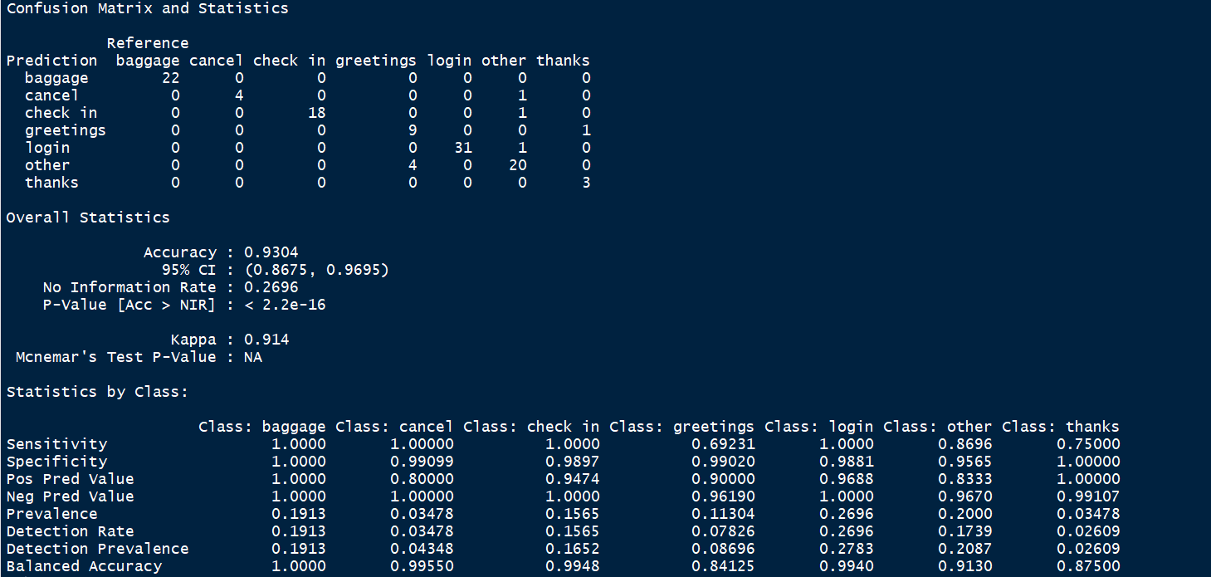

Bigram-Decision Tree with 15 predictors
Training Set | Test Set
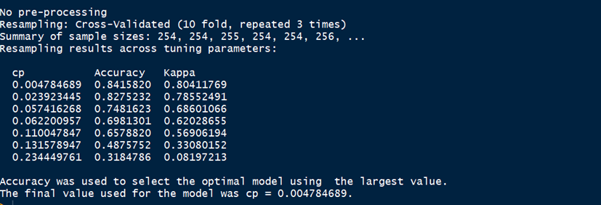
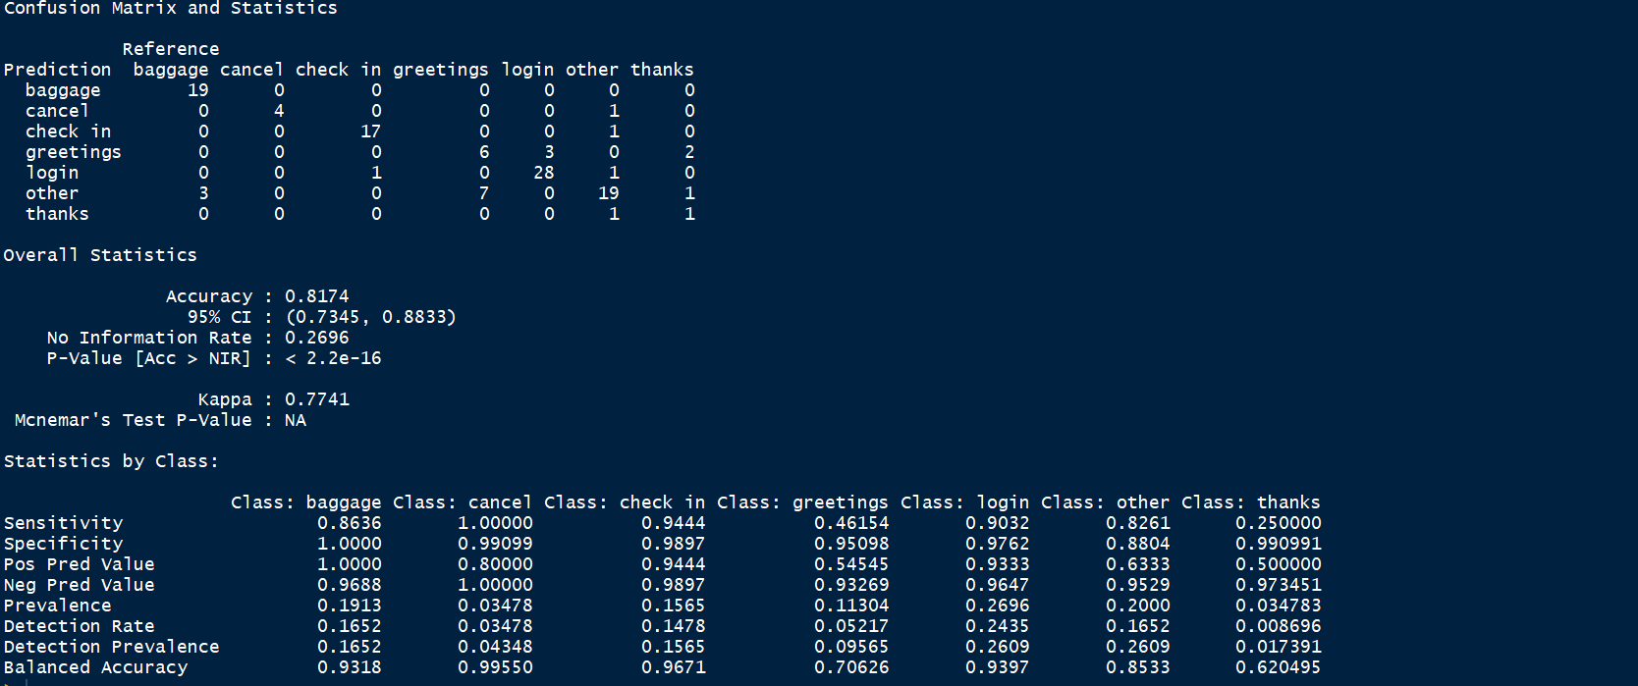

Bigram-Random Forest with 15 predictors
Training Set | Test Set


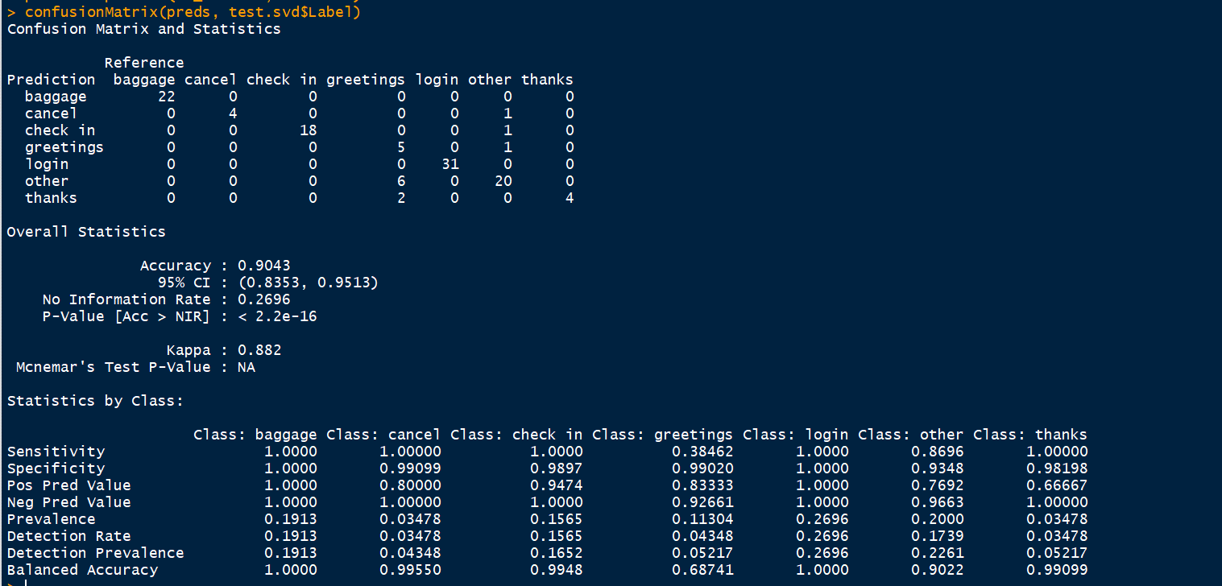

Bigram-Random Forest with 15 predictors +Feature Engineering(Text Length)
Training Set | TEST Set
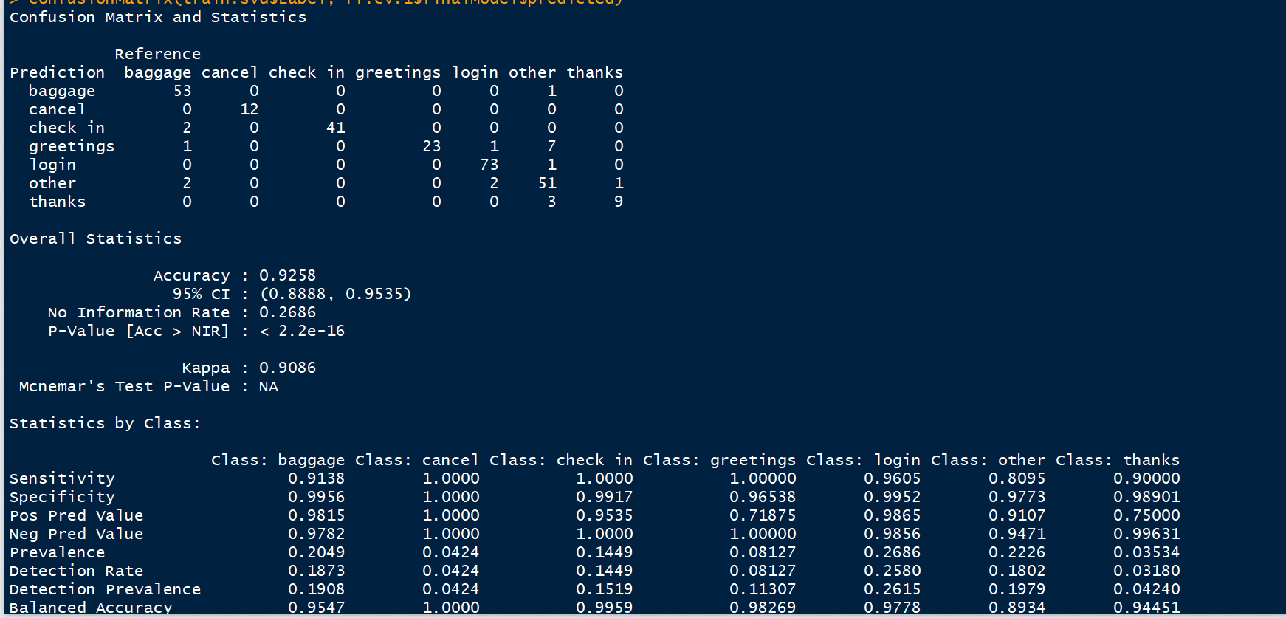
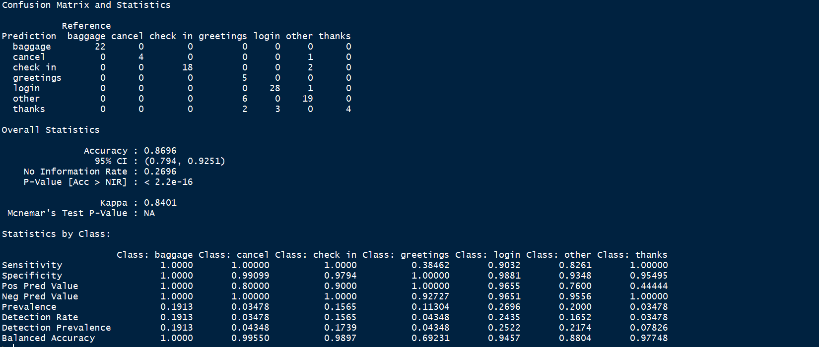

Unigram-Decision Tree with 20 predictors

Training Set | Test Set
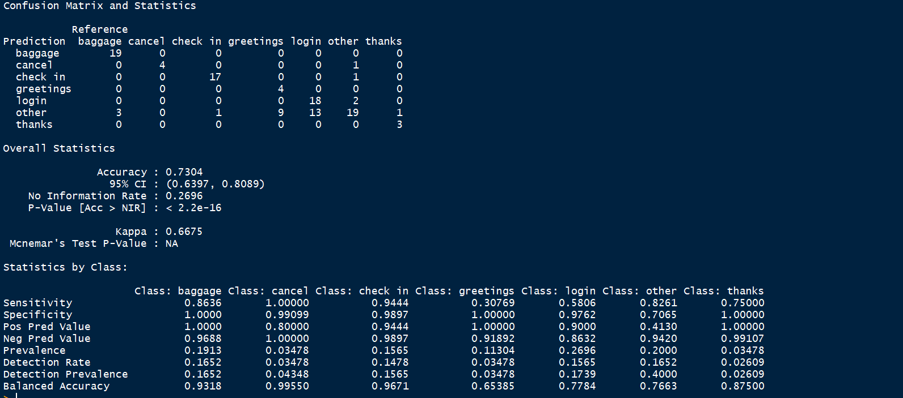


Unigram- Random Forest with 20 predictors
 | Test Set
Training Set


Bigram- SVM(LINEAR) with 15 predictors

Training Set |  | Test Set

