Sheet1
 |  | n |  | cars | cheaper | costlier | diesel | petrol |  |  | cars | cheaper | costlier | diesel | petrol
d1='petrol cars are cheaper than diesel cars' | d1='petrol cars cheaper diesel cars' | 5 | d1 | 2 | 1 | 0 | 1 | 1 | TF | d1 | 2 | 1 | 0 | 1 | 1
d2='diesel is cheaper than petrol' | d2='diesel cheaper petrol' | 3 | d2 | 0 | 1 | 0 | 1 | 1 |  | d2 | 0 | 1 | 0 | 1 | 1
d3='diesel cars are costlier than petrol cars' | d3='diesel cars costlier petrol cars' | 5 | d3 | 2 | 0 | 1 | 1 | 1 |  | d3 | 2 | 0 | 1 | 1 | 1
d4= 'petrol is costlier than diesel' | d4= 'petrol costlier diesel' | 3 | d4 | 0 | 0 | 1 | 1 | 1 |  | d4 | 0 | 0 | 1 | 1 | 1

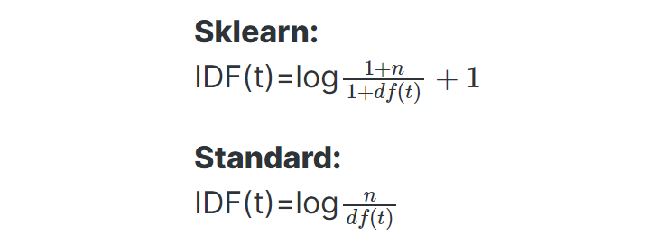
 |  |  |  |  |  |  |  |  | IDF |  | 1.5108256238 | 1.5108256238 | 1.5108256238 | 1 | 1

 |  |  |  |  |  |  |  |  | TF-IDF | d1 | 3.0216512475 | 1.5108256238 | 0 | 1 | 1
 |  |  |  |  |  |  |  |  |  | d2 | 0 | 1.5108256238 | 0 | 1 | 1
 |  |  |  |  |  |  |  |  |  | d3 | 3.0216512475 | 0 | 1.5108256238 | 1 | 1
 |  |  |  |  |  |  |  |  |  | d4 | 0 | 0 | 1.5108256238 | 1 | 1

 |  |  |  |  |  |  |  |  | Normalize tf-idf values | d1 | 0.82505301495 | 0.41252650747 | 0 | 0.27304706843 | 0.27304706843
 |  |  |  |  |  |  |  |  |  | d2 | 0 | 0.73006392081 | 0 | 0.48322182873 | 0.48322182873
 |  |  |  |  |  |  |  |  |  | d3 | 0.82505301495 | 0 | 0.41252650747 | 0.27304706843 | 0.27304706843
 |  |  |  |  |  |  |  |  |  | d4 | 0 | 0 | 0.73006392081 | 0.48322182873 | 0.48322182873

