Api_Bug_Report
Bug ID | Request Method | Defect Description | Steps to Reproduce | Expected Result | Actual Result | Severity | Priority | Environment | Status | Reported By | Attachments | Comments
Api_1.1 | PUT | The API allows updating an employee record using a non-existent or made-up ID. Despite using a random, invalid ID, the API returns a 200 OK status and performs the update with incorrect calculations. This behavior could lead to data inconsistency and incorrect results in production systems. | 1. Send a PUT request to the endpoint /Prod/api/employees. 2. Use the following JSON payload: json { "id": "7c616b34-6eaf-4b42-95a8-e35888065b3b", "firstName": "UpdateUser", "lastName": "ThatDoesNotExist", "dependants": 2 } 3. Observe the API response. | The API should return a 404 Not Found or 400 Bad Request status, indicating that the provided id does not exist and the update cannot be performed. The system should not update or return any values if the employee ID is invalid. | The API responds with a 200 OK status, confirming the update despite the invalid ID. The response includes incorrect calculations for fields like benefitsCost and net for a non-existent user: json { "partitionKey": "TestUser476", "sortKey": "6656a0fe-5405-4fdb-a8da-ef8da2afe2df", "username": "TestUser476", "id": "6656a0fe-5405-4fdb-a8da-ef8da2afe2df", "firstName": "UpdateUser", "lastName": "ThatDoesNotExist", "dependants": 2, "salary": 0, "gross": 0, "benefitsCost": 76.92308, "net": -76.92308 } | High | High | Production and Testing | Open | Ubdula Uddin | 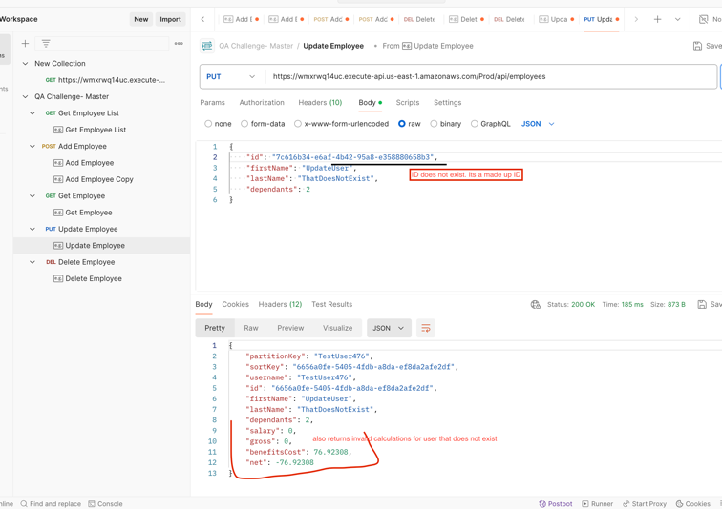 | Allowing updates with non-existent IDs can lead to data corruption. The calculations (net and benefitsCost) for invalid users are also misleading and incorrect. Validation should be implemented to ensure that only valid employee records are updated. Updating using made-up or deleted IDs could introduce serious issues in connected systems.
Api_1.2 | Post | When attempting to add an employee using the POST request, the API returns a 500 Internal Server Error instead of the expected 401 Unauthorized status. This is misleading because the issue seems to be with invalid or missing authorization, not an internal server failure. Such behavior can confuse users and make it difficult to debug real server-side issues. | 1. Open Postman. 2. Create a new POST request to the following endpoint: https://wmrxwvq14uc.execute-api.us-east-1.amazonaws.com/Prod/api/employees. 3. Go to the Headers tab and configure the headers: - Authorization: Use an invalid or malformed token (e.g., Basic VG...InvalidToken). - Content-Type: application/json. 4. In the Body tab, select raw format and choose JSON. 5. Enter a valid JSON payload like: json { "firstName": "John", "lastName": "Doe", "dependants": 2 } 6. Click Send to execute the request. | The API should return a 401 Unauthorized status code along with an appropriate error message such as: json { "status": 401, "title": "Unauthorized", "detail": "Invalid or missing authorization token." } | The API responds with: json { "type": "https://tools.ietf.org/html/rfc7231#section-6.6.1", "title": "An error occurred while processing your request.", "status": 500, "traceId": "0HN7IQEB9EPK" } The response contains a 500 Internal Server Error status, which is misleading because the issue is due to invalid authorization, not an internal server failure. | High | High | Production and Testing | Open | Ubdula Uddin | 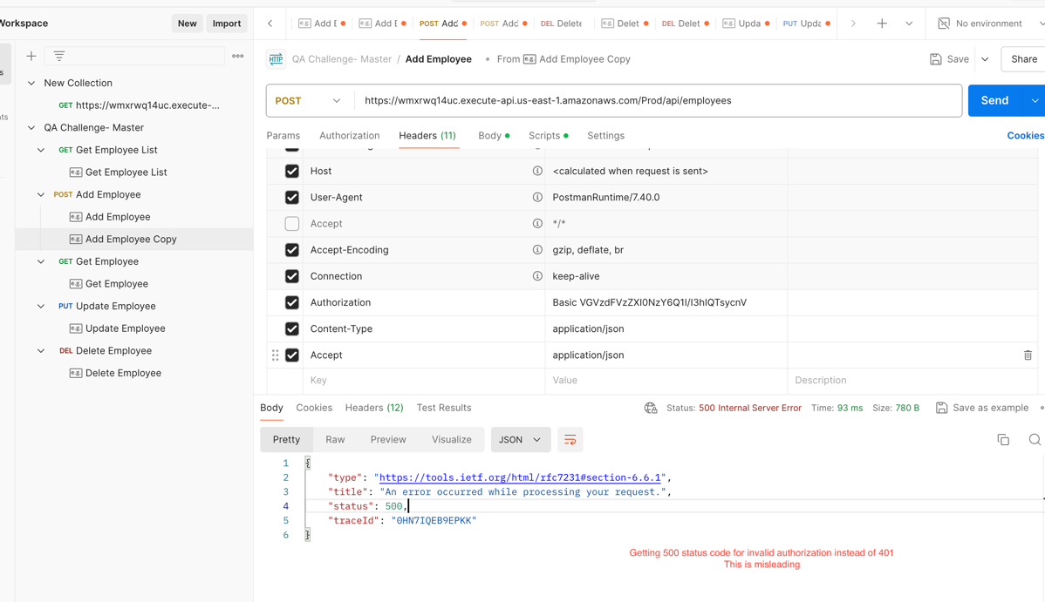 | Returning a 500 Internal Server Error for authorization issues can mislead developers and testers, making it hard to distinguish between server-side errors and client-side authentication issues. This should be fixed to return the appropriate status code (401) to ensure accurate error handling and debugging.
Api_1.3 | Post | The API accepts numeric values in the firstName and lastName fields, which violates expected input validation rules. Names are typically expected to contain alphabetic characters only. Allowing numeric values could lead to data quality issues and compromise data integrity. | 1. Open Postman. 2. Create a POST request to the following endpoint: https://wmrxwvq14uc.execute-api.us-east-1.amazonaws.com/Prod/api/employees. 3. Enter the following JSON payload: json { "firstName": "User50", "lastName": "Tom123", "dependants": 2 } 4. Click Send to execute the request. | The API should return a 400 Bad Request status with a validation error message like: json { "status": 400, "title": "Invalid Input", "detail": "firstName and lastName should only contain alphabetic characters." } | The API responds with a 200 OK status and successfully creates the employee record with the following data: json { "partitionKey": "TestUser476", "sortKey": "2838cec5-c297-4faf-81ea-86630789d8d8", "username": "TestUser476", "id": "2838cec5-c297-4faf-81ea-86630789d8d8", "firstName": "User50", "lastName": "Tom123", "dependants": 2, "salary": 52000, "gross": 2000, "benefitsCost": 76.92308, "net": 1923.0769 } | Medium | High | Production and Testing | Open | Ubdula Uddin | 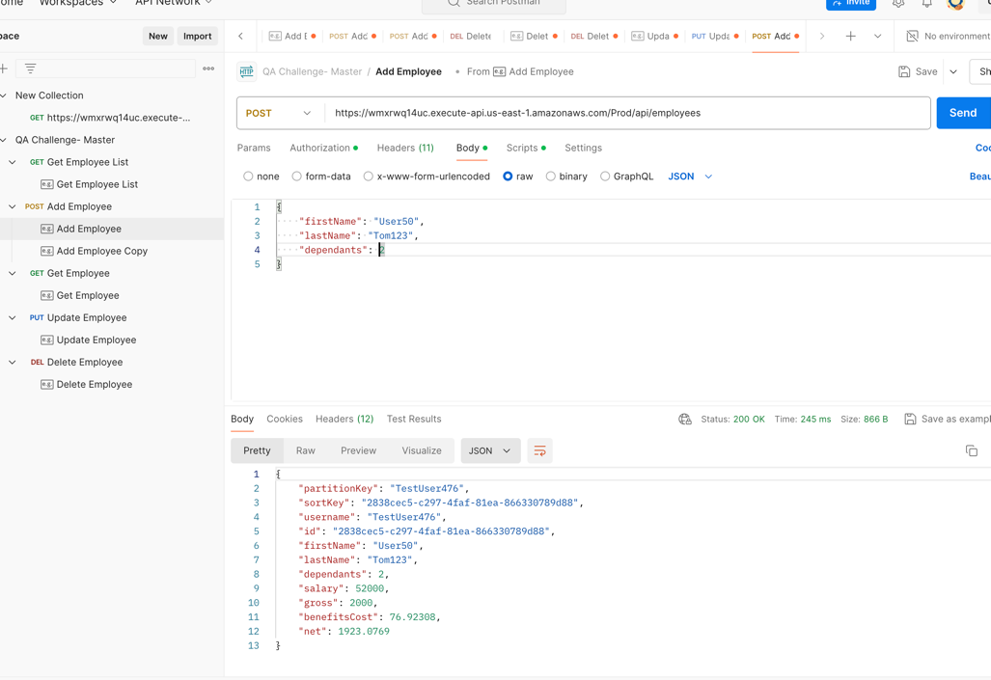 | Allowing numeric values in the firstName and lastName fields may lead to data inconsistency and cause issues with downstream systems that expect valid names. Input validation should be implemented to ensure names only contain alphabetic characters. Also, providing meaningful error messages can enhance the user experience.

