UI Bugs
Name: | Ubdula Uddin

Bug ID | Defect description | Steps to Reproduce | Expected Result | Actual Result | Severity | Priority | Environment | Status | Reported By | Attachments | Comments
1.1 | When adding an employee, the First Name and Last Name fields switch values upon submission. | 1. Navigate to the Benefits Dashboard. 2. Click 'Add Employee'. 3. Enter a valid First Name ('Firsttest') and Last Name (lasttest'). 4. Click 'Add'. | The First Name field should display 'Firsttest' and the Last Name field should display 'lasttest' as entered. | The First Name field displays 'lasttest' and the Last Name field displays 'Firsttest' after submission. | High | High | PROD environment Browser: Chrome, Safari, Firefox OS: MAC, Windows 10 | Open | Ubdula Uddin |  | I have identified a significant bug in the Benefits Dashboard related to the First Name and Last Name fields. When adding an employee, the values entered for First Name and Last Name are switched upon submission Please investigate and fix this issue to ensure that the values entered in the First Name and Last Name fields are saved correctly. This is critical for maintaining data accuracy and ensuring a positive user experience
1.2 | The application fails to validate the 'First Name' field correctly. When numbers are entered, no error message is displayed to indicate that the input is invalid. This can lead to incorrect data being saved in the system. The expected validation error message is 'First Name cannot contain numbers. | 1. Navigate to the Benefits Dashboard. 2. Click 'Add Employee'. 3. Navigate to the input form containing the First Name field. 4. Enter numeric values "12345" in the First Name field. 5. Click 'Add' | The system should display an error message "First Name cannot contain numbers". | The application did not display an error message when numbers were entered in the 'First Name' field. | High | Medium | PROD environment Browser: Chrome, Safari, Firefox OS: MAC, Windows 10 | Open | Ubdula Uddin | 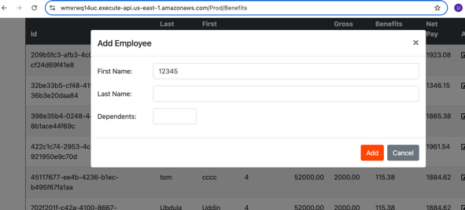 | In the Name fields, please implement input validation to ensure that only alphabetic characters are accepted. If the user attempts to enter a mix of characters and numbers (e.g., "Test123" or "Data!@#"), an error message should pop up indicating that the input is invalid. Suggested error message: "Invalid input. Please use alphabetic characters only in the Name fields. Numbers and special characters are not allowed." This will help improve data integrity and user experience.
1.3 | The application does not display an error message when numbers are entered in the 'Last Name' field. As a result, invalid data can be submitted. The expected behavior is to show the message: 'Last Name cannot contain numbers' to ensure proper data validation. | 1. Navigate to the Benefits Dashboard. 2. 2. Click 'Add Employee'. 2. Navigate to the input form containing the Last Name field. 3. Enter numeric values "57492" in the Last Name field. 4. Click 'Add' | The system should display an error message "Last Name cannot contain numbers". | The application did not display an error message when numbers were entered in the 'Last Name' field. | High | Medium | PROD environment Browser: Chrome, Safari, Firefox OS: MAC, Windows 10 | Open | Ubdula Uddin | 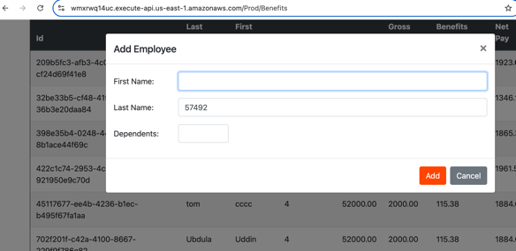 | Please add input validation for the Name fields to accept only alphabetic characters. If a user enters any numbers or special characters (e.g., "Test123" or "Data!@#"), an error message should appear. Suggested message: "Invalid input. Please use only alphabetic characters in the Name fields." This will enhance data integrity and user experience.
1.4 | The 'First Name' field is incorrectly accepting numeric characters and special symbols, allowing invalid data to be entered. This may result in data quality issues. The field should only accept alphabetic characters, and an error message like 'Last Name cannot contain numbers or special characters' should be displayed when invalid input is detected. | 1. Navigate to the Benefits Dashboard. 2. 2. Click on 'update' Icon in Actions. 2. Navigate to the input form containing the First Name field. 3. Enter mixed alphanumeric characters "Ubdul@123/" in the First Name field. 4. Click 'Update' | The system should display an error message "First Name cannot contain numbers". | The application did not display an error message when numbers were entered in the 'First Name' field. | High | Medium | PROD environment Browser: Chrome, Safari, Firefox OS: MAC, Windows 10 | Open | Ubdula Uddin | 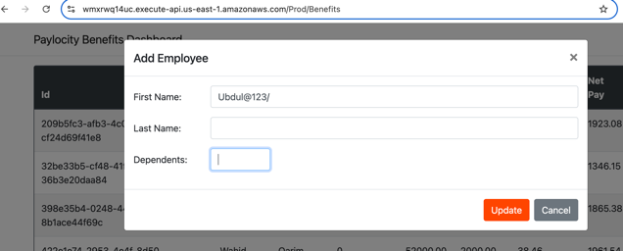 | Please add validation for the Name fields to ensure only letters are accepted. If a user types numbers or special characters (like "Test123" or "Data!@#"), an error message should show up. Suggested message: "Invalid input. Please use only letters in the Name fields." This will help keep our data accurate and improve the user experience.
1.5 | "The 'Last Name' field is incorrectly accepting numeric characters and special symbols, allowing invalid data to be entered. This could lead to data integrity issues. The field should only accept alphabetic characters, and an appropriate error message, such as 'First Name cannot contain numbers or special characters,' should be displayed when invalid input is entered." | 1. Navigate to the Benefits Dashboard. 2. Click on 'update' Icon in Actions. 3. Navigate to the input form containing the Last Name field. 4. Enter mixed alphanumeric characters "Demo$123@" in the Last Name field. 5. Click 'Update' | The system should display an error message "Last Name cannot contain numbers". | The application did not display an error message when numbers were entered in the 'First Name' field. | High | Medium | PROD environment Browser: Chrome, Safari, Firefox OS: MAC, Windows 10 | Open | Ubdula Uddin | 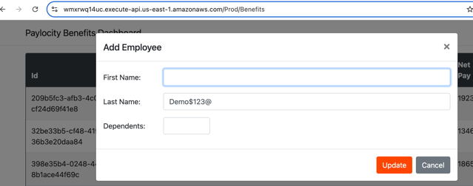 | There needs to be validation in the Name fields to accept only letters. If a user enters numbers or special characters (e.g., "Test123" or "Data!@#"), display an error message: "Error: Please use only letters in the Name fields." This will help maintain data accuracy and enhance user experience.
1.6 | The application does not provide any error feedback when the 'Add' button is clicked with the First Name, Last Name, and Dependents fields left blank. | 1. Navigate to the Benefits Dashboard. 2. Click 'Add Employee'. 3. Leave First Name, Last Name, and Dependents fields empty. 4. Click 'Add'. | The application should display an error message stating that all fields are required. | Upon clicking 'Add,' the application does not respond, and no feedback or error message is displayed to the user. | Medium | High | PROD environment Browser: Chrome, Safari, Firefox OS: MAC, Windows 10 | Open | Ubdula Uddin | 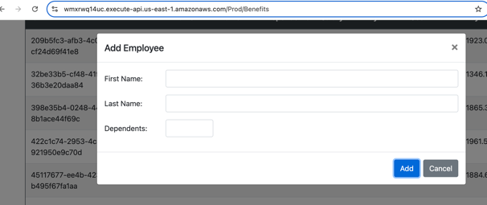 | Highlight Required Fields: The fields that are required should be visually highlighted with a red border or background to indicate that they need to be filled in. Error Message: "Please fill in all required fields before proceeding. Fields highlighted in red are mandatory."
1.7 | Dependants Field Accepts Invalid Input | 1. Navigate to the Benefits Dashboard. 2. Click 'Add Employee'. 3. In the Dependants field, enter a valid number ('2'). 4. Append an alphabetic character or special symbol ('2a' or '3!'). 5. Click 'Add'. | The application should only accept numeric values in the Dependants field. An error message should display for invalid inputs. | The application accepts values like '2a' or '3!' in the Dependants field without any error. | Medium | High | PROD environment Browser: Chrome, Safari, Firefox OS: MAC, Windows 10 | Open | Ubdula Uddin | 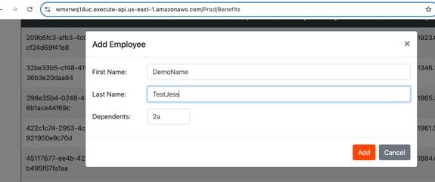 | We have identified a bug in the Dependants field of the Benefits Dashboard. The field currently allows users to input alphabetic characters and special symbols alongside numbers (e.g., "2a" or "3!"), which should not be permitted. This can lead to incorrect data entry and affect subsequent calculations. Please implement input validation to ensure that only numeric values are accepted in the Dependants field. If a user attempts to enter anything other than numbers, an error message should be displayed, guiding them to provide valid input. This will enhance data integrity and improve user experience.
1.8 | The application currently permits users to enter an unlimited number of characters, characters and api throws an error but no error message for the end user. | 1. Navigate to the Benefits Dashboard. 2. Click 'Add Employee'. 3. In the First Name and Last Name fields, enter a string of characters 4. exceeding typical lengths (500 characters). 5. Click 'Add'. | The application should enforce a maximum character limit for input fields ( 50 characters for names). If the limit is exceeded, an appropriate error message should be displayed. | The application accepts the input without any restriction, allowing an infinite number of characters and numbers. | Medium | High | PROD environment Browser: Chrome, Safari, Firefox OS: MAC, Windows 10 | Open | Ubdula Uddin |  | Allowing unlimited input can lead to: -Data storage issues. -Increased risk of application errors or crashes. -Compromised user experience due to potential confusion with overly long inputs.

 | $

