BATTLES
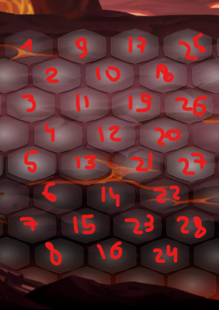
NAME | MAPPOS | HERO-LEVEL-POSITION | HERO-ARTEFACT | HERO-KINGDOM | HERO-PERKS | AMOUNT | SIDE | TIME | ENEMY-LEVEL-POSITION | ENEMY-ARTEFACT | ENEMY-KINGDOM | ENEMY-PERKS | LEVELREF | COMPLEXITY | BACKG | FIRST_REWARDS | POS_REWARDS | 3STAR_REWARDS
battle6 | 2#2 | berserker,1,0,0 | Kortik | x | x | 2 | 0 | 10 | miniboss_insect,1,7,2 | x | 1,2,0,5 | x | x | 0 | x | gold,100 | loot0 | gold,666
x | x | warcryer,1,0,3 | Kortik | x | x | 8 | 1 | 20 | insect,2,6,3 | x | x | x | x | 0 | x | gem,30 | x | x
x | x | x | x | x | x | 8 | 2 | 30 | insect,1,4,0 | x | x | x | x | 0 | x | x | x | x
x | x | x | x | x | x | x |  | x | x | x | x | x | x | 0 | x | x | x | x

battle7 | 2#2 | berserker,1,0,0 | Kortik | x | x | 3 | 0 | 30 | wolf,1,7,2 | x | 1,2,0,5 | x | x | 0 | x | gold,100 | loot0 | gem,57
x | x | warcryer,1,0,3 | Kortik | x | x | 3 | 0 | 40 | wolf,1,6,3 | x | x | x | x | 0 | x | gem,30 | x | x
x | x | x | x | x | x | 3 | 0 | 50 | wolf,1,4,0 | x | x | x | x | 0 | x | x | x | x
x | x | x | x | x | x | 3 | 0 | 60 | barell,1,6,0 | x | x | x | x | 0 | x | x | x | x
x | x | x | x | x | x | x |  | x | x | x | x | x | x | 0 | x | x | x | x

battle8 | 2#2 | berserker,1,0,0 | Kortik | x | x | 2 | 0 | 30 | miniboss_insect,1,7,2 | x | 1,2,0,5 | x | x | 0 | x | gold,100 | loot0 | gold,666

battle9 | 2#2 | berserker,1,0,0 | Kortik | x | x | 2 | 0 | 30 | insect,1,7,2 | x | 1,2,0,5 | x | x | 0 | x | gold,100 | loot0 | gold,666

battle10 | 2#2 | berserker,1,0,0 | Kortik | x | x | 2 | 0 | 30 | insect,1,7,2 | x | 1,2,0,5 | x | x | 0 | x | gold,100 | loot0 | gold,666

battle11 | 2#2 | berserker,1,0,0 | Kortik | x | x | 2 | 0 | 30 | insect,1,7,2 | x | 1,2,0,5 | x | x | 0 | x | gold,100 | loot0 | gold,666

