BATTLES
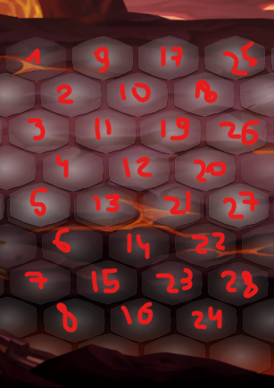
NAME | MAPPOS | HERO-LEVEL-POSITION | HERO-ARTEFACT | HERO-KINGDOM | HERO-PERKS | ENEMY-LEVEL-POSITION | ENEMY-ARTEFACT | ENEMY-KINGDOM | ENEMY-PERKS | LEVELREF | BACKG | FIRST_REWARDS | POS_REWARDS | 3STAR_REWARDS
battle6 | 2#2 | berserker,1,0,0 | Kortik | x | x | wolf,1,7,2 | x | 1,2,0,5 | x | x | x | gold,100 | loot0 | gold,666
x | x | warcryer,1,0,3 | Kortik | x | x | wolf,2,6,3 | x | x | x | x | x | gem,30 | x | x
x | x | x | x | x | x | wolf,1,4,0 | x | x | x | x | x | x | x | x
x | x | x | x | x | x | barell,1,6,0 | x | x | x | x | x | x | x | x
x | x | x | x | x | x | x | x | x | x | x | x | x | x | x

battle7 | 2#2 | berserker,1,0,0 | Kortik | x | x | wolf,1,7,2 | x | 1,2,0,5 | x | x | x | gold,100 | loot0 | gem,57
x | x | warcryer,1,0,3 | Kortik | x | x | wolf,1,6,3 | x | x | x | x | x | gem,30 | x | x
x | x | x | x | x | x | wolf,1,4,0 | x | x | x | x | x | x | x | x
x | x | x | x | x | x | barell,1,6,0 | x | x | x | x | x | x | x | x
x | x | x | x | x | x | x | x | x | x | x | x | x | x | x

