FDR Rack Layout L21
FDR L21 Rack layout

RU45 | Basic PDU | Fiber patch uplink to Level 27 (12 fiber ports) | Basic PDU
RU44 |  | Copper patch uplink to Level 27 (10 copper ports)
RU43 |  | 24 port RJ45 Patch Panel - PP21-1-1
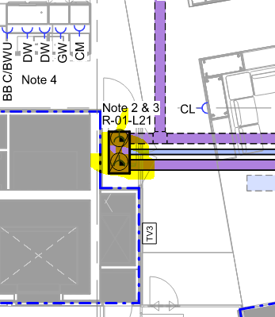
RU42 |  | Cisco 9300 sw01 - 48 port POE
RU41 |  | 24 port RJ45 Patch Panel - PP21-1-2
RU40 |  | 24 port RJ45 Patch Panel - PP21-2-1
RU39 |  | Cisco 9300 sw02 - 48 port POE
RU38 |  | 24 port RJ45 Patch Panel - PP21-2-2
RU37 |  | 24 port RJ45 Patch Panel - PP21-3-1
RU36 |  | Cisco 9300 sw03 - 48 port non-POE
RU35 |  | 24 port RJ45 Patch Panel - PP21-3-2
RU34 |  | Blanking - Spare
RU33 |  | Blanking - Spare
RU32 |  | Blanking - Spare
RU31 |  | Blanking - Spare
RU30 |  | Blanking - Spare
RU29 |  | Blanking - Spare
RU28 |  | Blanking - Spare
RU27 |  | Blanking - Spare
RU26 |  | Blanking - Spare
RU25 |  | Blanking - Spare
RU24 |  | Blanking - Spare
RU23 |  | Blanking - Spare
RU22 |  | Blanking - Spare
RU21 |  | Blanking - Spare
RU20 |  | Blanking - Spare
RU19 |  | Blanking - Spare
RU18 |  | Blanking - Spare
RU17 |  | Blanking - Spare
RU16 |  | Blanking - Spare
RU15 |  | Blanking - Spare
RU14 |  | Blanking - Spare
RU13 |  | Blanking - Spare
RU12 |  | Blanking - Spare
RU11 |  | Blanking - Spare
RU10 |  | Blanking - Spare
RU9 |  | Blanking - Spare
RU8 |  | Blanking - Spare
RU7 |  | Shelves
RU6 |  | Shelves
RU5 |  | Blanking - Spare
RU4 |  | 1.5 KVA UPS (A) (Old) - BNEUPS2101 |  | Wall power
RU3 |  |  |  | 2x 16A with commando socket
RU2 |  | 1.5 KVA UPS (B) (New) - BNEUPS2101 |  | 2x 10A with GPO outlet
RU1

