Sheet1
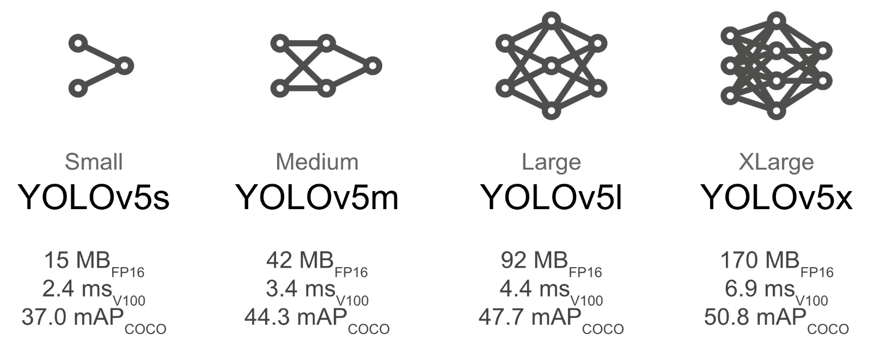
 | Parameters | run1 | run2 | run3 | Datasets | Size
General | model size | nano | small | medium | benchmark | 521
 | imgsz | 640 | 640 |  | noise1.8 | 813
 | opt | SGD | SGD |  | noise1.8-rot15 | 1629
Preprocess | seed | 12345 |  |  | noise1.8-rot15-bright15 | 1629
 | percent train | 0.8 |  |  | noise1.8-rot15-blur2px | 1629
 | percent val | 0.1
 | percent test | 0.1
Tune | batch | 30
Run Remarks
General
These runs are to see which parameters and datasets should be prioritized. First few runs will explore the different model sizes... ideally we want to use the smallest possible model that will mitigate the number of false negatives and false positives.
Results will be recorded in corresponding ipy notebooks. These results are subject to change as new data is added.
run1
everything used just to see how they relate. probably won't be that way moving on, since the different dataset sizes warrent different batch sizes, and pop sizes. the augmented datasets are being compared to the benchmark in this case for a nano model, and those results will be compared to future runs that have larger models
run2
 | epochs | 15
 | iterations | 10
 | patience | 5
 | pop size | 25
Train | batch | 30
 | epochs | 200
 | patience | 30
Val | batch | 30
 | confidence threshold | NA
 | augment | F
Test | batch | 30
 | confidence threshold | NA
 | augment | F

