Planilha1
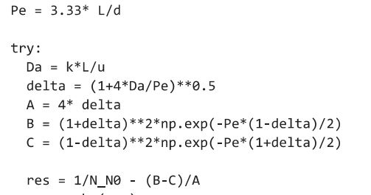

Vol(m3) = | 20 | L= | 10.881021254
mi (Pa.s)= | 0.001 | Da= | 40.491097751
ro(kg/m3)= | 1000 | Pe= | 475.50919652
N0 (cel/mL)= | 1.00E+06 | delta = | 1.1578482332
prob(%)= | 0.1 | A= | 4.6313929328
t (s)= | 7200 | B= | 9.262785903E+16
d(m)= | 0.0762 | C= | 3.8615305432E-225
k(s-1)= | 2.2666666667 | f(L)= | -8.08E+07
F(m3/s)= | 0.0027777777778
A(m2)= | 0.0045603663631
u(m/s)= | 0.60911285555 | N/N0= | 4.9999999798E-17
N_N0= | 5.00E-17
N0_N= | 2.00E+16

