diagram_P
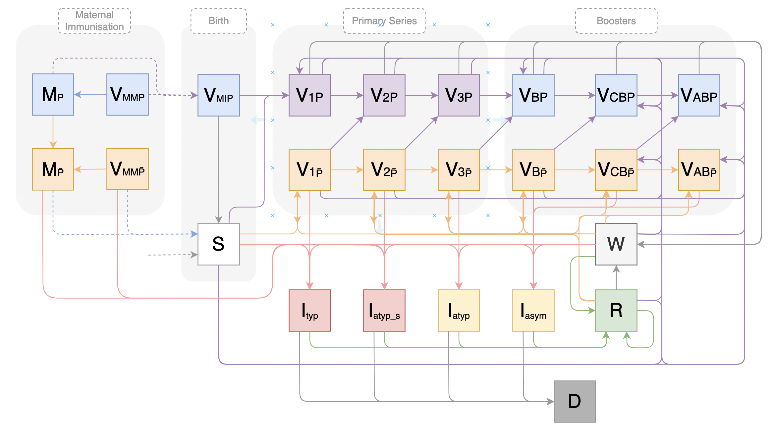

Missing arrow exiting V3_np

