Instructions
 | Instructions to collect data and complete the universal table
Step # | Tasks | Screenshots
1 | Pick a disease search term that is pre-approved by the instructor.
2 | Go to UniProt site http://www.uniprot.org/uniprot/. | The Universal Protein Resource (UniProt) is a comprehensive resource for protein sequence and annotation data. The UniProt databases are the UniProt Knowledgebase (UniProtKB), the UniProt Reference Clusters (UniRef), and the UniProt Archive (UniParc).
3 | Choose Advanced search option.
4 | Select Pathology & Biotech from the dropdown list. | 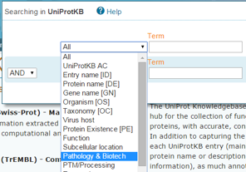
5 | Select Disease in its adjacent dropdown box.
6 | Maximize the web page. Type in a disease search term in the textbox Term. Select Any assertion method in the dropdown textbox vidence.
7 | Then, press Search button to get a list of proteins involved in this disease.
8 | Click on a protein Entry of your choice. | 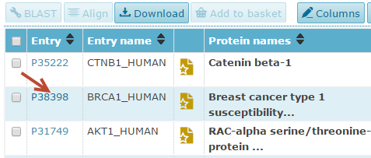
9 | The cocntent of that protein record is displayed. Go to the top of the page to get familiar with the header section. Copy the name of the protein and paste it to the column Protein Name in the U-table. Copy the name of the gene and paste it to the column UniProt Gene Name in the U-table.
10 | Click Names & Taxonomy from the left side menu. Copy 3 to 5 Alternative names to a text editor and combine all names in one string separated by commas. Remove special characters such as tab, line feed, carriage return, etc. Copy that string to the column Alternative Names in the U-table.
11 | Click Sequences from the left-hand side menu and collect relevant data from the first isoform.
12 | Search for the word HGNC on the same page. Once it is found, click an item having this pattern HGNC:ID, where ID is an integer, and go to HGNC website. On the new website, collect some gene info. See the worksheet U-table to find out what data to collect. When copying the synonyms, perform the similar steps that you did in handling the protein alternative names. That is, copy 3 to 5 synonyms to a text editor and combine all synonyms in one string separated by commas. Remove special characters such as tab, line feed, carriage return, etc. Copy that string to the column Gene Synonyms in the U-table. Then, go back to UniProt page.
13 | Click Pathol/Biotech from the left-hand side menu to see what diseases that this protein is involved. If the protein you are working on is not involved in any disease, you should go back to Step 8 and select another protein. | 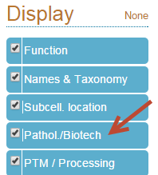
14 | For each disease that this protein is involved, record the disease name and OMIM number, which is also known as the disease or phenotype MIM number. Note that Online Mendelian Inheritance in Man (OMIM) is a continuously updated catalog of human genes and genetic disorders and traits, with a particular focus on the gene-phenotype relationship.
15 | Go to Disease Ontology (DO) site http://disease-ontology.org. | The Disease Ontology (DO) has been developed as a standardized ontology for human disease.
16 | Maximize the web page to see the Advanced Search button. Click Advanced Search button.
17 | On the Advanced Search pop-up page, select Xrefs.
18 | Paste the disease OMIM number to the text box next to Xrefs and click Go button. If it doesn't give what you are looking for, remove prefix OMIM: and just type in the number to see if you get more data.
19 | A list of DOIDs will show up. If it doesn't show any DOIDs, fill "(none)" in the appropriate cell in your spreadsheet. However, if none of the disease involved by the current protein that you are working on has a related DO ID, you should discard this protein entry, go back to Step 8, and pick another protein.
20 | Click on each DOID and a metadata page for that disease ID shows up. Copy the desired data to the universal table. Repeat the same steps for the second DOID. Ignore the rest of DOIDs if they exist.
21 | Repeat Steps 8 to 20 for as many UniProtKB protein entries for each disease search term as required by the project.
22 | Repeat Steps in Steps 6 to 21 for as many disease search terms as required by the project.

Note | The values in the column UniProtKB Entry in the worksheet U-table must be unique.

 | In Row 18, the value in the column Item Number says "invalid record - no DO info". That record is to demonstrate what a bad record looks like. Such a record should be deleted.

